Sheet1
Figure S1. A) Near identical pattern of MATH distibution from function as primary literture. Method for computing mutations was slightly different.
Two values have different locations on the graph. Likely due to difference stratgies in counting mutations.
B) Depthj set to >=100. Result is noticably different than literature.

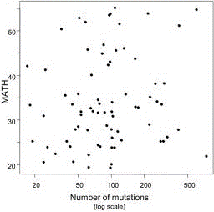
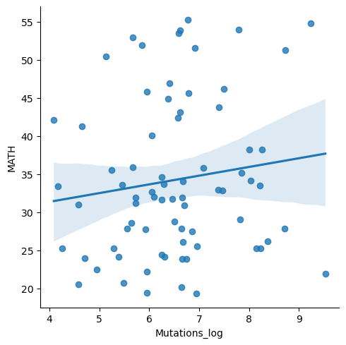
A
Reference
Computed (all depth)
Merged

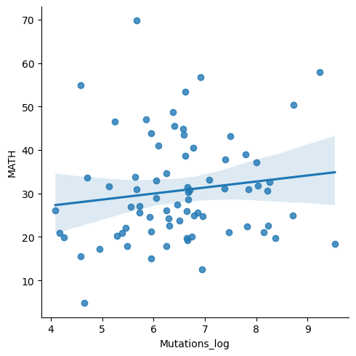
B
Reference
Computed (depth>=100)

