Sheet1
Clair Cunningham |  |  | PSWC-01 | Week5 | HW#5.1

Plot the temperature profile for three values of the convective heat transfer coefficient, h: the value given below , and twice and three times that value. Choose an appropriate distance, Δz, between your z values to get a smooth plot.

$$T\left(z\right)=T_{a}+\left(T_{w}−T_{a}\right)\frac{\cosh\left(N\left(1−\frac{z}{L}\right)\right)}{\cosh\left(N\right)}$$
$$where N≡\sqrt{\frac{hL^{2}}{kB}}$$

Fin Length, | L = | 0.3 | m | T(z) | h
Fin Half-Thickness, | b = | 0.01 | m | z | 40 | 80 | 120
Fin width, | w = | 1 | m | 0.01 | 597.66657376 | 598.78213411 | 599.17591208
Thermal Conductivity, | k = | 100 | W/m·K | 0.02 | 595.41884929 | 597.6072907 | 598.3805462
Ambient Temperature, | Ta = | 320 | K | 0.03 | 593.25613281 | 596.47528848 | 597.61382054
Convective Heat Transfer Coefficient, | h = | 40 | W/m2·K | 0.04 | 591.17775683 | 595.38595275 | 596.87565622
Fin Base / Wall Temperature, | Tw = | 600 | K | 0.05 | 589.18307983 | 594.3391154 | 596.1659773
 |  |  |  | 0.06 | 587.27148616 | 593.33461487 | 595.48471075
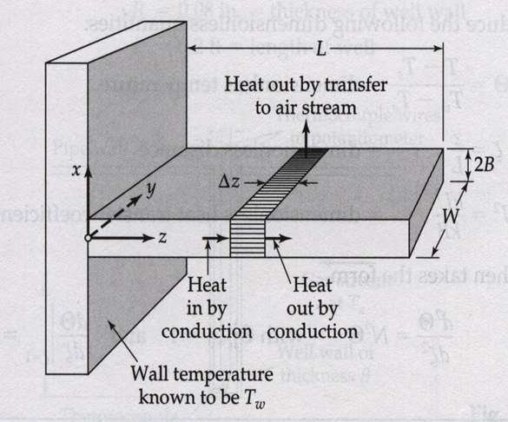
 |  |  |  | 0.07 | 585.44238582 | 592.37229615 | 594.8317865
 |  |  |  | 0.08 | 583.69521425 | 591.45201074 | 594.20713736
 |  |  |  | 0.09 | 582.02943218 | 590.5736166 | 593.61069908
 |  |  |  | 0.1 | 580.44452547 | 589.7369782 | 593.04241029
 |  |  |  | 0.11 | 578.94000495 | 588.9419664 | 592.50221252
 |  |  |  | 0.12 | 577.51540623 | 588.18845853 | 591.9900502
 |  |  |  | 0.13 | 576.17028963 | 587.47633829 | 591.50587063
 |  |  |  | 0.14 | 574.90423996 | 586.80549581 | 591.04962401
 |  |  |  | 0.15 | 573.71686646 | 586.17582753 | 590.62126339
 |  |  |  | 0.16 | 572.60780265 | 585.58723631 | 590.2207447
 |  |  |  | 0.17 | 571.57670622 | 585.03963129 | 589.84802674
 |  |  |  | 0.18 | 570.62325891 | 584.53292798 | 589.50307116
 |  |  |  | 0.19 | 569.74716645 | 584.06704818 | 589.18584247
 |  |  |  | 0.2 | 568.94815844 | 583.64191998 | 588.89630803
 |  |  |  | 0.21 | 568.22598825 | 583.2574778 | 588.63443806
 |  |  |  | 0.22 | 567.58043299 | 582.91366228 | 588.40020562
 |  |  |  | 0.23 | 567.01129341 | 582.61042039 | 588.1935866
 |  |  |  | 0.24 | 566.51839385 | 582.34770532 | 588.01455975
 |  |  |  | 0.25 | 566.10158217 | 582.12547652 | 587.86310665
 |  |  |  | 0.26 | 565.76072971 | 581.94369971 | 587.73921172
 |  |  |  | 0.27 | 565.49573129 | 581.80234683 | 587.64286221
 |  |  |  | 0.28 | 565.3065051 | 581.70139606 | 587.57404822
 |  |  |  | 0.29 | 565.19299275 | 581.64083183 | 587.53276265
 |  |  |  | 0.3 | 565.15515919 | 581.6206448 | 587.51900127

Chart1.1
Temperature Profile
 | h = 40 | h = 80 | h = 120
0.01 | 597.66657376 | 598.78213411 | 599.17591208
0.02 | 595.41884929 | 597.6072907 | 598.3805462
0.03 | 593.25613281 | 596.47528848 | 597.61382054
0.04 | 591.17775683 | 595.38595275 | 596.87565622
0.05 | 589.18307983 | 594.3391154 | 596.1659773
0.06 | 587.27148616 | 593.33461487 | 595.48471075
0.07 | 585.44238582 | 592.37229615 | 594.8317865
0.08 | 583.69521425 | 591.45201074 | 594.20713736
0.09 | 582.02943218 | 590.5736166 | 593.61069908
0.1 | 580.44452547 | 589.7369782 | 593.04241029
0.11 | 578.94000495 | 588.9419664 | 592.50221252
0.12 | 577.51540623 | 588.18845853 | 591.9900502
0.13 | 576.17028963 | 587.47633829 | 591.50587063
0.14 | 574.90423996 | 586.80549581 | 591.04962401
0.15 | 573.71686646 | 586.17582753 | 590.62126339
0.16 | 572.60780265 | 585.58723631 | 590.2207447
0.17 | 571.57670622 | 585.03963129 | 589.84802674
0.18 | 570.62325891 | 584.53292798 | 589.50307116
0.19 | 569.74716645 | 584.06704818 | 589.18584247
0.2 | 568.94815844 | 583.64191998 | 588.89630803
0.21 | 568.22598825 | 583.2574778 | 588.63443806
0.22 | 567.58043299 | 582.91366228 | 588.40020562
0.23 | 567.01129341 | 582.61042039 | 588.1935866
0.24 | 566.51839385 | 582.34770532 | 588.01455975
0.25 | 566.10158217 | 582.12547652 | 587.86310665
0.26 | 565.76072971 | 581.94369971 | 587.73921172

