Test Execution Summary
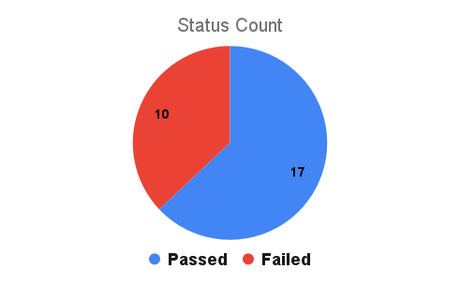
Test Case | Status
TC01 | Passed
TC02 | Passed
TC03 | Passed
TC04 | Passed
TC05 | Passed
TC06 | Passed
TC07 | Passed
TC08 | Passed
TC09 | Failed
TC10 | Failed
TC11 | Failed
TC12 | Failed
TC13 | Failed
TC14 | Failed
TC15 | Passed
TC16 | Passed
TC17 | Failed
TC18 | Passed
TC19 | Failed
TC20 | Passed
TC21 | Passed
TC22 | Passed
TC23 | Failed
TC24 | Passed
TC25 | Passed
TC26 | Passed
TC27 | Failed | 17
 |  | 10

