Desc_01
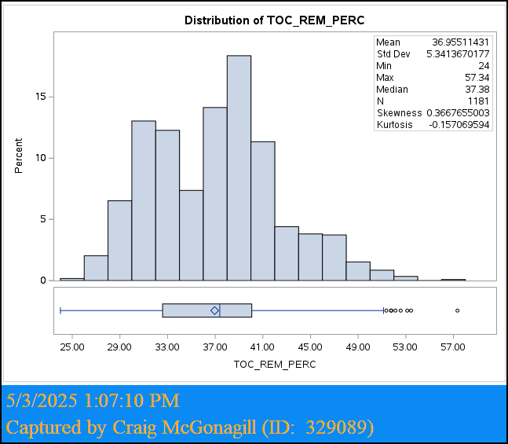
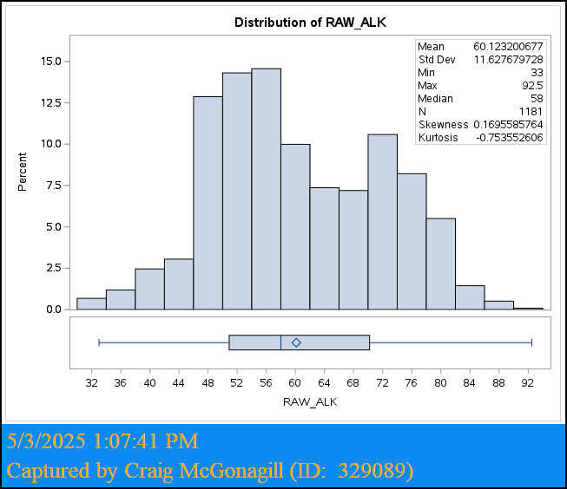
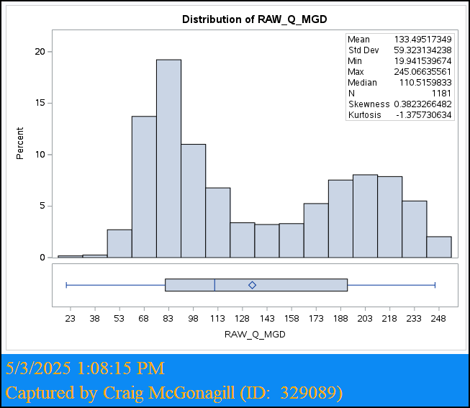
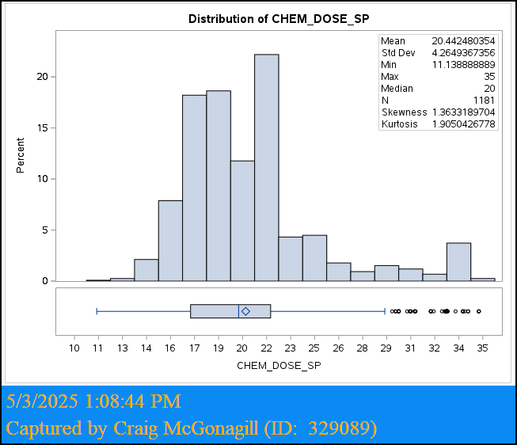
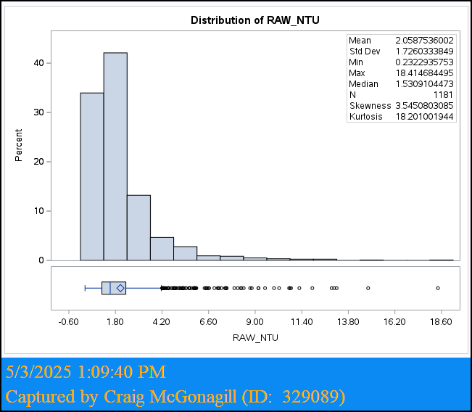
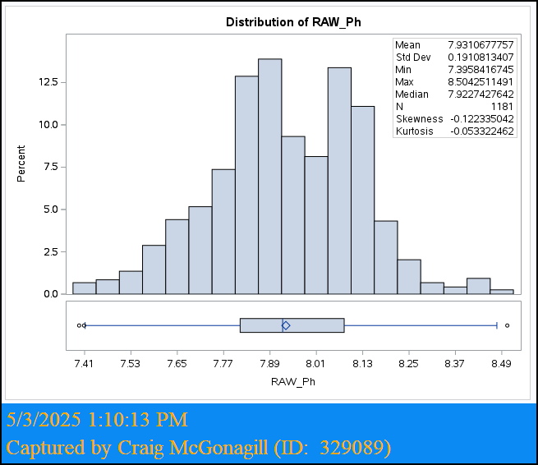
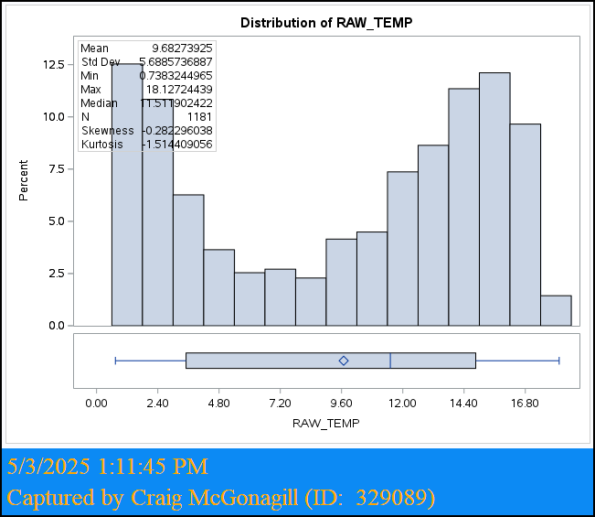
Variable | Observations | Mean | Median | Std Dev | Minimum | Maximum | Skewness | Kurtosis
TOC_REM_PERC | 1181 | 37.0 | 37.4 | 5.3 | 24.0 | 57.3 | 0.367 | -0.157
RAW_ALK | 1181 | 60 | 58 | 12 | 33 | 93 | 0.170 | -0.754
RAW_Q_MGD | 1181 | 133 | 111 | 59 | 20 | 245 | 0.382 | -1.376
CHEM_DOSE_SP | 1181 | 20 | 20 | 4 | 11 | 35 | 1.363 | 1.905
RAW_NTU | 1181 | 2.06 | 1.53 | 1.73 | 0.23 | 18.41 | 3.545 | 18.201
RAW_pH | 1181 | 7.9 | 7.9 | 0.2 | 7.4 | 8.5 | -0.122 | -0.053
RAW_TEMP | 1181 | 9.7 | 11.5 | 5.7 | 0.7 | 18.1 | -0.282 | -1.514

Corr_01
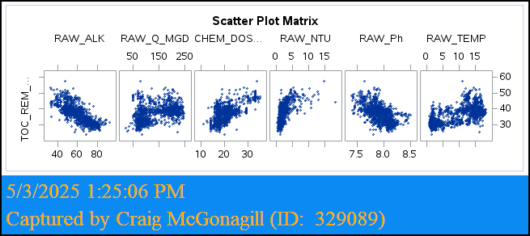
Variable | Pearson Correlation | Strength | Direction | p-value
RAW_ALK | -0.7796 | High | (-) | < 0.0001
RAW_Q_MGD | 0.4193 | Low | (+) | < 0.0001
CHEM_DOSE_SP | 0.6598 | Moderate | (+) | < 0.0001
RAW_NTU | 0.6245 | Moderate | (+) | < 0.0001
RAW_pH | -0.5972 | Moderate | (-) | < 0.0001
RAW_TEMP | 0.5914 | Moderate | (+) | < 0.0001

Variable | Spearman Correlation | Strength | Direction | p-value
RAW_ALK | -0.7974 | High | (-) | < 0.0001
RAW_Q_MGD | 0.4620 | Low | (+) | < 0.0001
CHEM_DOSE_SP | 0.5789 | Moderate | (+) | < 0.0001
RAW_NTU | 0.7078 | High | (+) | < 0.0001
RAW_pH | -0.6235 | Moderate | (-) | < 0.0001
RAW_TEMP | 0.5720 | Moderate | (+) | < 0.0001

Corr_02
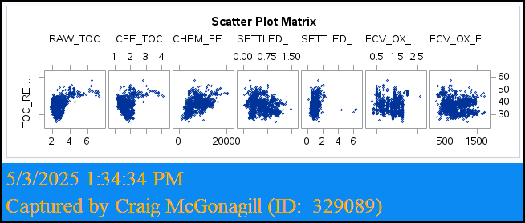
Variable | Pearson Correlation | Strength | Direction | p-value
RAW_TOC | 0.4874 | Low | (+) | < 0.0001
CFE_TOC | 0.1469 | Negligible | (+) | < 0.0001
CHEM_FEEDRATE | 0.5921 | Moderate | (+) | < 0.0001
SETTLED_OX | -0.1053 | Negligible | (-) | 0.0003
SETTLED_NTU | 0.1685 | Negligible | (+) | < 0.0001
FCV_OX_DOSE | -0.1315 | Negligible | (-) | < 0.0001
FCV_OX_FEEDRATE | -0.11232 | Negligible | (-) | 0.0001

Variable | Spearman Correlation | Strength | Direction | p-value
RAW_TOC | 0.2215 | Negligible | (+) | < 0.0001
CFE_TOC | -0.1088 | Negligible | (-) | 0.0002
CHEM_FEEDRATE | 0.6430 | Moderate | (+) | < 0.0001
SETTLED_OX | -0.0692 | Negligible | (-) | 0.0173
SETTLED_NTU | 0.2033 | Negligible | (+) | < 0.0001
FCV_OX_DOSE | -0.0588 | Negligible | (-) | 0.0435
FCV_OX_FEEDRATE | -0.07841 | Negligible | (-) | 0.007

ExpReg_ALL
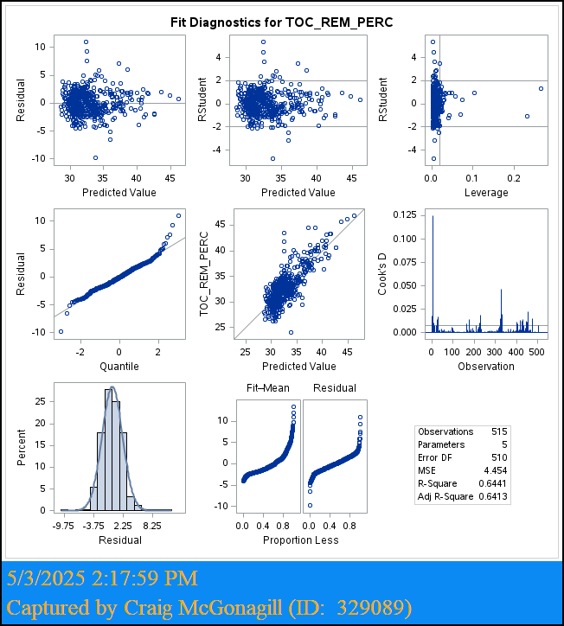
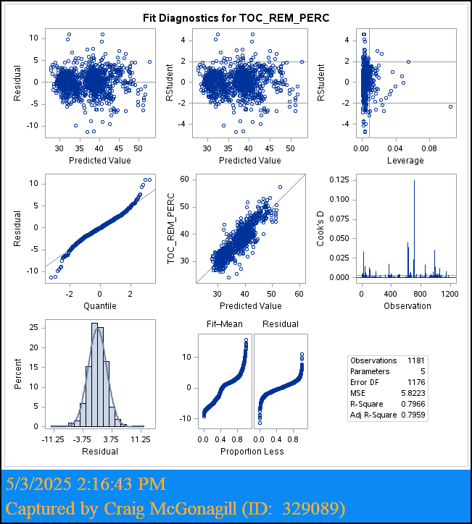
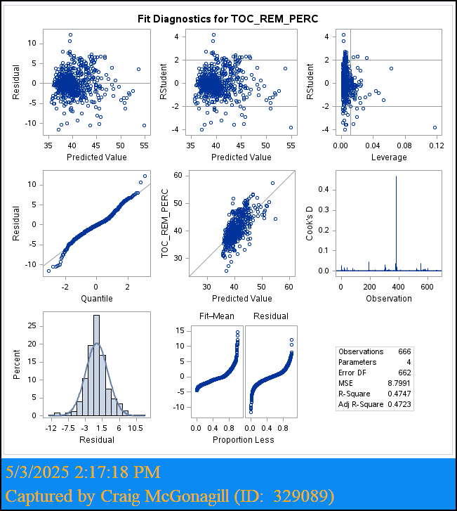
Source | DF | Sum of Squares | Mean Square | F Value | Pr > F | Regression Model | Observations | Adjusted R2 | RMSE | R2 | AIC | AICC | SBC | Dependent Mean
Model | 4 | 26819 | 6705 | 1152 | < 0.0001 | RAW_ALK (All) | 1181 | 0.7959 | 2.413 | 0.7966 | 3269 | 3269 | 2111 | 37.0
Error | 1176 | 6847 | 6 |  |  | RAW_ALK (<61) | 666 | 0.4723 | 2.966 | 0.4747 | 2120 | 2120 | 1470 | 40.2
Corrected Total | 1180 | 33666 |  |  |  | RAW_ALK (>61) | 515 | 0.6413 | 2.110 | 0.6441 | 1291 | 1291 | 796 | 32.7

Analysis of Variance (RAW_ALK (< 61) - Stepwise)
Source | DF | Sum of Squares | Mean Square | F Value | Pr > F
Model | 3 | 5265 | 1755 | 199 | < 0.0001
Error | 662 | 5825 | 9
Corrected Total | 665 | 11090

Analysis of Variance (RAW_ALK (> 61) - Stepwise)
Source | DF | Sum of Squares | Mean Square | F Value | Pr > F
Model | 4 | 4111 | 1028 | 231 | < 0.0001
Error | 510 | 2272 | 4
Corrected Total | 514 | 6383

Pred_L61
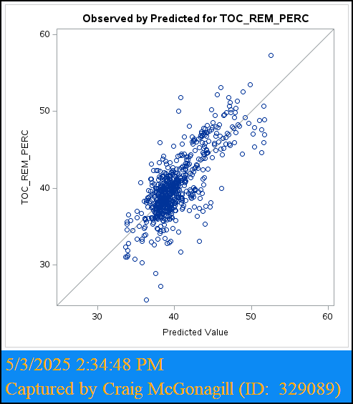
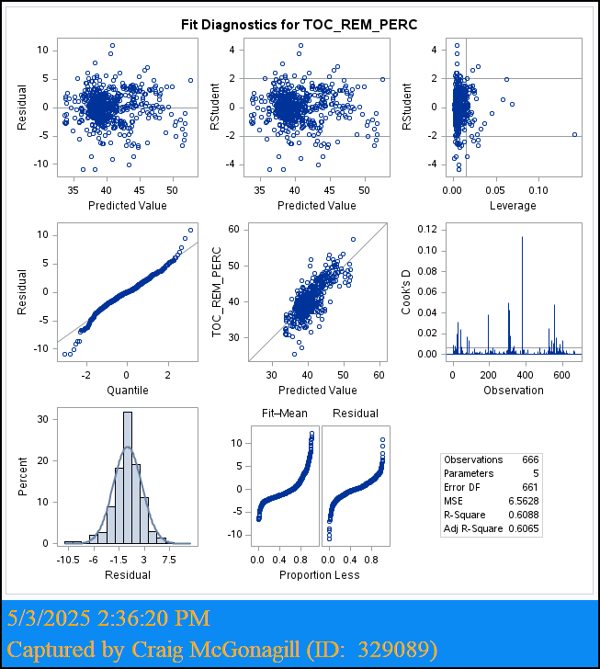
Analysis of Variance - Predictive (RAW_ALK <61 - LASSO) |  |  |  |  |  |  |  |  |  |  |  |  |  |  |  | Parameter Estimates (Predicitve Alk < 61 - LASSO)
Source | DF | Sum of Squares | Mean Square | F Value | Regression Model | Adjusted R2 | ASE (Train) | ASE (Validate) | ASE (Test) | RMSE | R2 | AIC | AICC | SBC | Dependent Mean | Variable | DF | Parameter Estimate | Standard Error | t Value | Pr > |t| | Variance Inflation
Model | 4 | 4533 | 1133 | 176 | Alk <61 LASSO | 0.6071 | 6.38 | 8.50 | 5.26 | 2.54 | 0.6106 | 1304.72 | 1304.91 | 1304.91 | 40.25 | Intercept | 1 | 44.105 | 1.099 | 40.1 | < 0.0001 | 0
Error | 448 | 2892 | 6 |  |  |  |  |  |  |  |  |  |  |  |  | RAW_ALK | 1 | -0.304 | 0.018 | -16.7 | < 0.0001 | 1.15
Corrected Total | 452 | 7425 |  |  |  |  |  |  |  |  |  |  |  |  |  | RAW_Q_MGD | 1 | 0.006 | 0.002 | 3.1 | 0.002 | 1.10
 |  |  |  |  |  |  |  |  |  |  |  |  |  |  |  | CHEM_DOSE_SP | 1 | 0.426 | 0.027 | 15.6 | < 0.0001 | 1.55
 |  |  |  |  |  |  |  |  |  |  |  |  |  |  |  | RAW_NTU | 1 | 0.549 | 0.062 | 8.9 | < 0.0001 | 1.52

Pred_G61
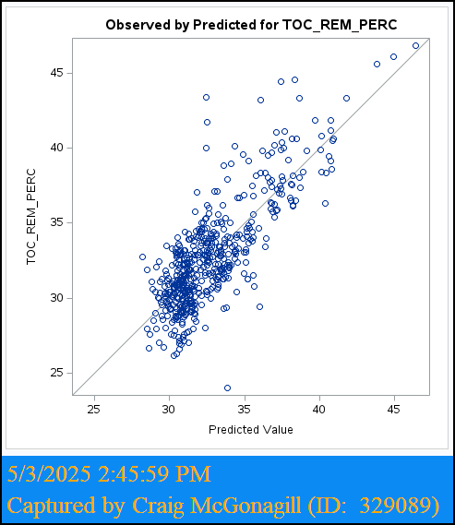
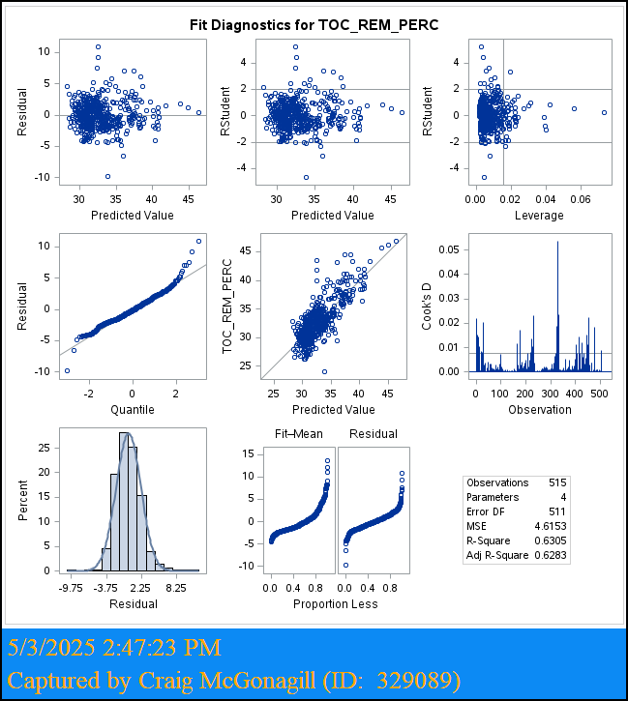
Analysis of Variance - Predictive (RAW_ALK <61 - LASSO) |  |  |  |  |  |  |  |  |  |  |  |  |  |  |  | Parameter Estimates (Predicitve Alk > 61 - LASSO)
Source | DF | Sum of Squares | Mean Square | F Value | Predictive Model | Adjusted R2 | ASE (Train) | ASE (Validate) | ASE (Test) | RMSE | R2 | AIC | AICC | SBC | Dependent Mean | Variable | DF | Parameter Estimate | Standard Error | t Value | Pr > |t| | Variance Inflation
Model | 3 | 2135 | 712 | 152 | Alk >61 LASSO | 0.5615 | 4.64 | 7.24 | 7.33 | 2.17 | 0.5652 | 907.17 | 907.34 | 566.65 | 32.47 | Intercept | 1 | 32.41 | 1.58 | 20.56 | < 0.0001 | 0.00
Error | 350 | 1642 | 5 |  |  |  |  |  |  |  |  |  |  |  |  | RAW_ALK | 1 | -0.18 | 0.02 | -10.17 | < 0.0001 | 1.36
Corrected Total | 353 | 3777 |  |  |  |  |  |  |  |  |  |  |  |  |  | RAW_Q_MGD | 1 | 0.02 | 0.00 | 8.28 | < 0.0001 | 1.40
 |  |  |  |  |  |  |  |  |  |  |  |  |  |  |  | CHEM_DOSE_SP | 1 | 0.61 | 0.04 | 16.71 | < 0.0001 | 1.12

