IoT2021A_Stackup1.0
Last Modified: 11-May-2021

IoT2021A - Stackup
 | Project Name: |  | IoT2021A
 | Final Thickness: |  | 0.035 | mil
 | Panel Size: |  | 12x18 | inches
 | Material: |  | 370HR |  |  | Orange Arrow - 8.5mil, impedance controlled line to 50 Ohms (most important)
 | Average Dk: |  | 4.04 |  |  | Yellow Arrows - 8.5mil, impedance controlled lines to 50 Ohms (less critical due to short length)
 |  |  |  |  |  | All other tracks on layer 1 (F.Cu - "Front-side, Copper" are not impedance controlled)
 | Layer Sequence | Name | Function | Copper | thickness (mils)
 | Layer 1 | F.Cu | SIG | 0.5 Oz | 0.0007 | Impedance controlled, 8.5 mil wide, 50 Ohm connection from Balun (U4) to Antenna (AE1, pad 2, AE_FEED).
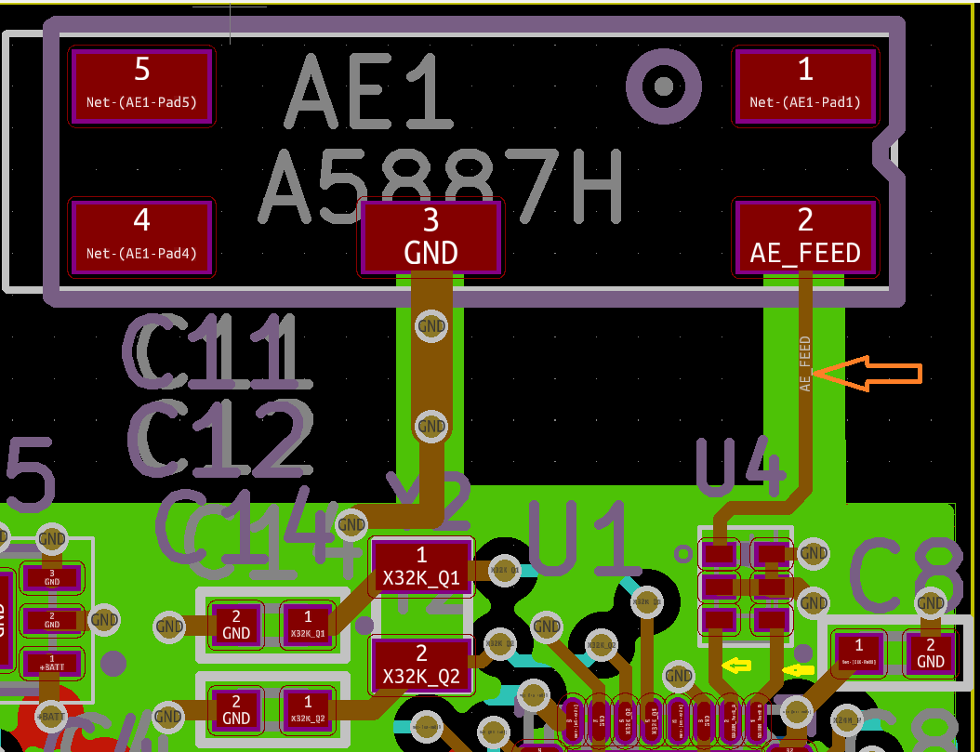
 |  |  | Prepreg |  | 0.005
 | Layer 2 | F.GND | GND | 1 Oz | 0.0014
 |  |  | Core |  | 0.004
 | Layer 3 | F.BATT | PWR | 1 Oz | 0.0014
 |  |  | Prepreg |  | 0.0106
 | Layer 4 | In3.Cu | SIG | 1 Oz | 0.0014
 |  |  | Core |  | 0.004
 | Layer 5 | B.GND | GND | 1 Oz | 0.0014
 |  |  | Prepreg |  | 0.005
 | Layer 6 | B.Cu | SIG | 0.5 Oz | 0.0007

 |  |  |  | total= | 0.0356

 |  |  |  | Overall thickness may be up to approximately 40 mils

