Row Ownership_CatalogLink
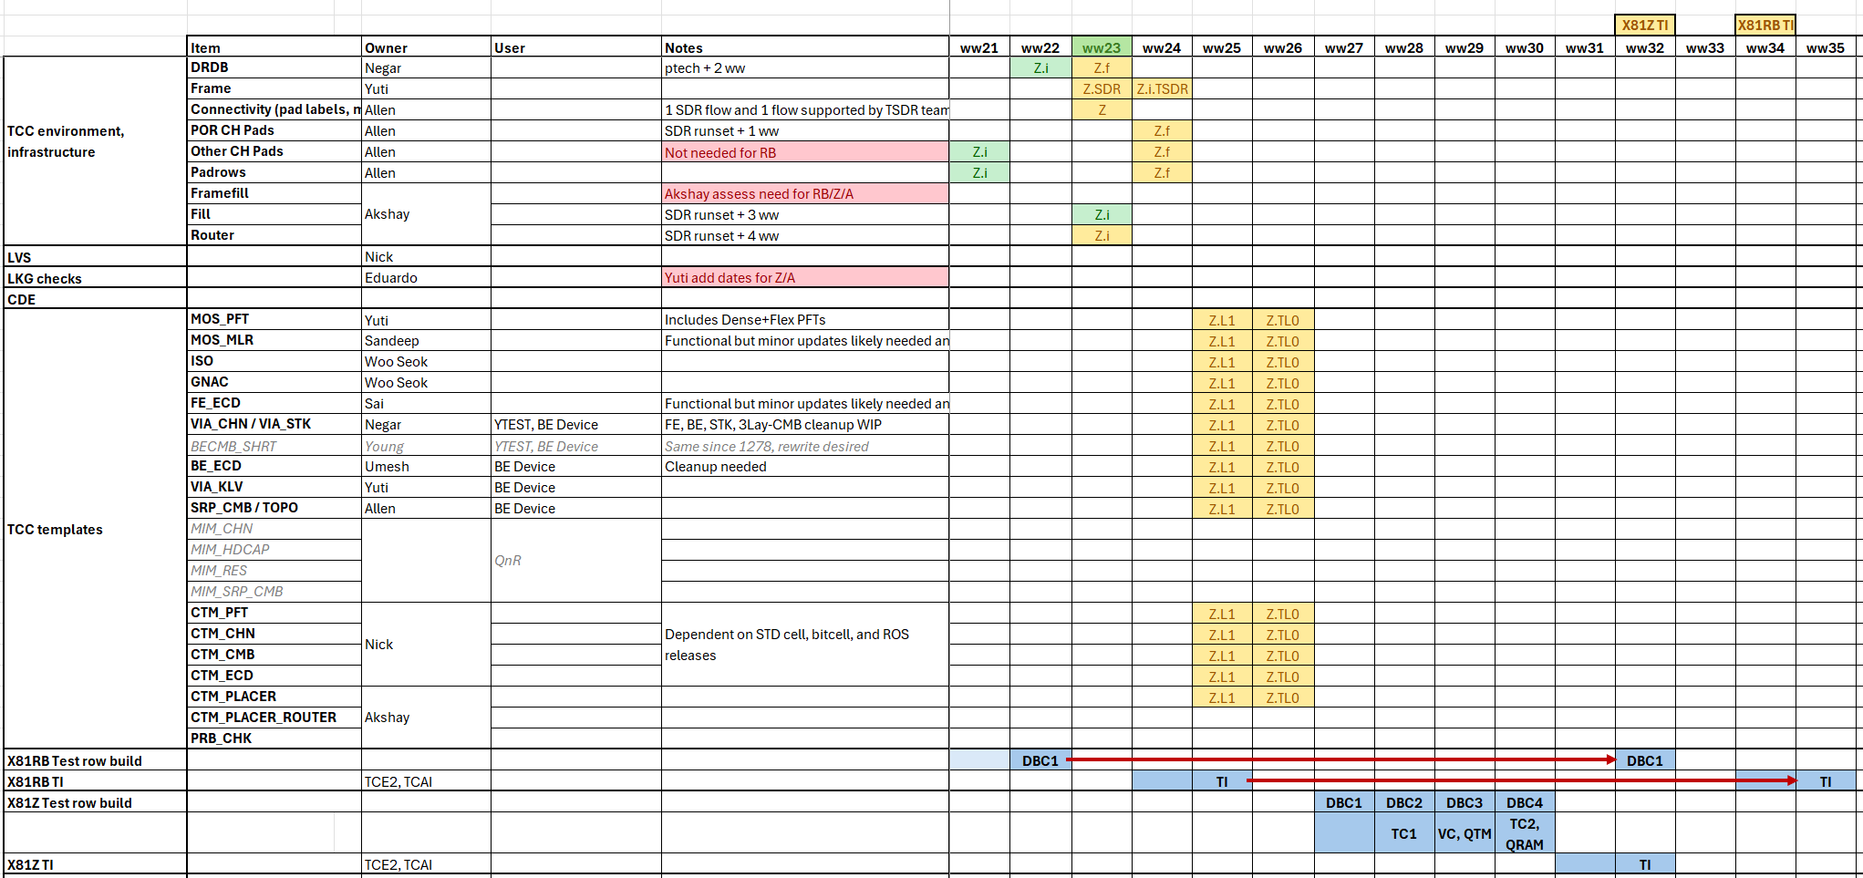
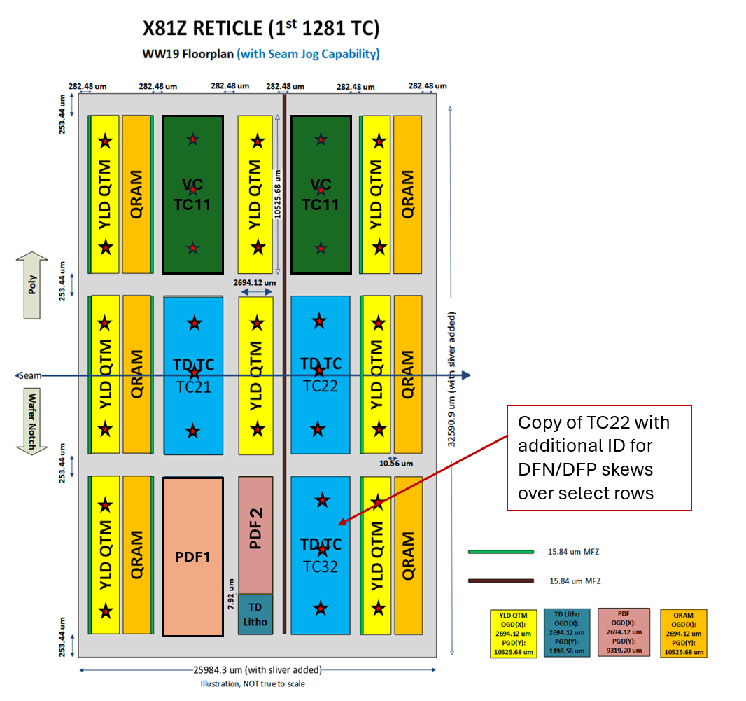
Rev0.2 - ww13.4
Roles:
Definition Coordination​: | main POC for specific category (make TSDR skew requests), responsible for content planning: row definition / row counting estimation : 1st review WW15.1 & final review WW16.3 / to be expanded later (see buddy-checking)
Template Owner: | TCE automation lead for specific template.
Row Build Owner: | row integration, including buildsheet creation (intention vs result verification), DRV cleanup (tight sync w/ template owner), TI

Area​ | Definition Coordination​ | Item​ | Template | Template Owner​ | Row Build Owner​ | Final Row Count (WW30) | Catalog link
Testchip Coordination​ |  |  |  | ​
Contact/MOL​ | Domingo | Contact (FKTCN)​ | MOS_PFT | Yuti | 1. Han | 3 | P1281_X81Z_MOL_Contact_Catalogue.pptx
 | Domingo | MOL ECD (Poly, TCN)​ | FE_ECD/CTM_ECD | Bindu/ Sai | 1. Han | 1 | P1281_X81Z_MOL_Contact_Catalogue.pptx
 | Domingo | MOL KLV (VT/VG)​ | VIA_KLV | Yuti | 2. Jason | 2 | P1281_X81Z_MOL_Contact_Catalogue.pptx
OPEN/SHORT | Domingo | FECHN​ | FE_VIA_CHN/CTM_CHAIN | Negar | 3. Domingo | 2 | P1281_X81Z_MOL_Contact_Catalogue.pptx
 | Domingo/Divya | GCN​ | GCN_CHAIN | NIck | 4. Divya | 0
 | Domingo/Divya | GCN​ | GCN_KLV | Nick | 4. Divya
 | Domingo/Divya | GCN​ | GCN_SHORT | Nick | 4. Divya
 | Aaryan | ISO_FE​ | ISO_XY | Sandeep | 5. Aaryan, 6. Shubhajit, 7. Gilad | 22
MOS​ | Roberto | MATCHING pair​ | MOS_PFT | Yuti | 11. Amey, 9. Roberto | 19 | 1281-TC_X81Z_Golden-PFT_MAT_GNAC_26ww32.5_v2_catalog.pptx
 | Amrit | MLR​ | MOS_MLR | Young | 10. Amrit | 16 | X81Z_Miller_Catalogue.pptx
 | Roberto | PFT​ | MOS_PFT | Yuti | 11. Amey, 9. Roberto | 24 | 1281-TC_X81Z_Golden-PFT_MAT_GNAC_26ww32.5_v2_catalog.pptx
 | Jiun | PW_PFT | MOS_PFT | Yuti | 1. Han, 8. Darpan | 28 | 1281-TC_X81Z_MOS_PFT_PW_FTI_Catalog_v1.pptx
 |  |  |  |  |  |  | 1281-TC_X81Z_MOS_PFT_PW_PolyCD_PP_Catelog.pptx
 | Jiun/Amrit | PW_MLR | MOS_MLR | Young | 2. Jason | 4 | 1281-TC_X81Z_PW MLR_26WW33.5_Catalog.pptx
 | Jaladhi | ROSPFT​ | CTM_PFT | Nick | 13. Jaladhi, 12. Mehdi | 6 | ROSPFT catalog
LLE​ | Jaesung | LLE​_PFT | MOS_PFT | Yuti | 14. Jaesung, 12. Mehdi, 15. Nupur 8. Darpan, 16. Jiun | 62 | P1281_X81Z_LLE_Catalogue_26WW33.pptx
 | Jaesung | LLE​_MLR | MOS_MLR | Young | 10. Amrit, 2. Jason | 11 | 1281-TC_X81Z_LLE MLR_26WW33.5_Catalog.pptx
SRAM​ | Divya | BCLA, Res, SNM | CTM_PLACER_ROUTER | Nick | Memory Team | 2 | X81Z_Etest_Memory_Catalog_26WW33.pptx
 | Divya | BitPFT (incl. skews), IREAD | CTM_PFT | Nick | 4. Divya | 4
 | Divya | Col. Logic | MOS_PFT | Yuti | 4. Divya | 0
WID​ | Jaladhi | WID​ | Multiple |  | mult. Owners (see content details) | 6
PROBE (infra)​ | Jiun | PROBE (infra)​ |  | Pooja? | 16. Jiun --> BE budget | 0
Scribeline​* | Phil/Kawser | Scribeline​ | Multiple |  | 17. Kawser, Roberto + mult. Owners (see content details) | 8
ROS​* | Wenjun/Jaladhi | ROS​ | NA |  | AD-Shishir | 15
GNAC | Roberto | GNAC, PID-tap | CTM_GNAC | Woo Seok | 9. Roberto | 1 | 1281-TC_X81Z_Golden-PFT_MAT_GNAC_26ww32.5_v2_catalog.pptx
Multi-Fin | Jaladhi | ROSPFT | TBD |  | 13. Jaladhi, 12. Mehdi | 3
 | Jaesung | LLE | TBD |  | 14. Jaesung, 12. Mehdi | 0
 | Jiun-hong | ADT | TBD |  | 16. Jiun | 0
Analog | Jiun-hong | ADT, HV, EHV | PFT |  | 16. Jiun | 5 | 1281-TC_X81Z_ADT_Catalog_26WW33.pptx
 | Jiun-hong | ADT, HV, EHV | MLR |  | 10. Amrit | 2 | X81Z_Miller_Catalogue.pptx
 | Jiun-hong | ADT, HV, EHV | ISO |  | 7. Gilad | 0
IDR | Caine/Roberto | PFT​ | TBD | TBD | 9. Roberto | 0
 |  |  |  |  |  | 223

Frame


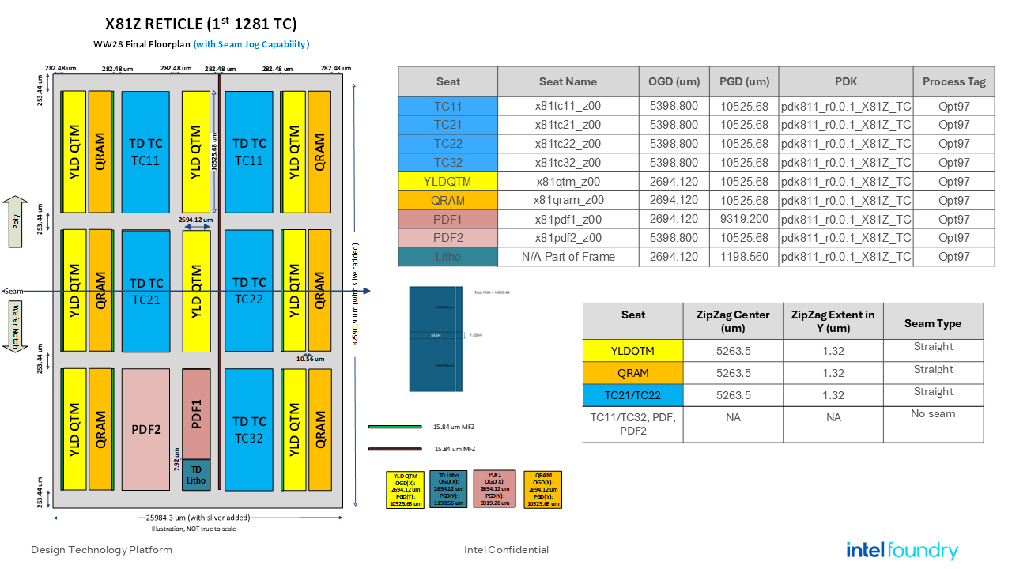

Seat_Count
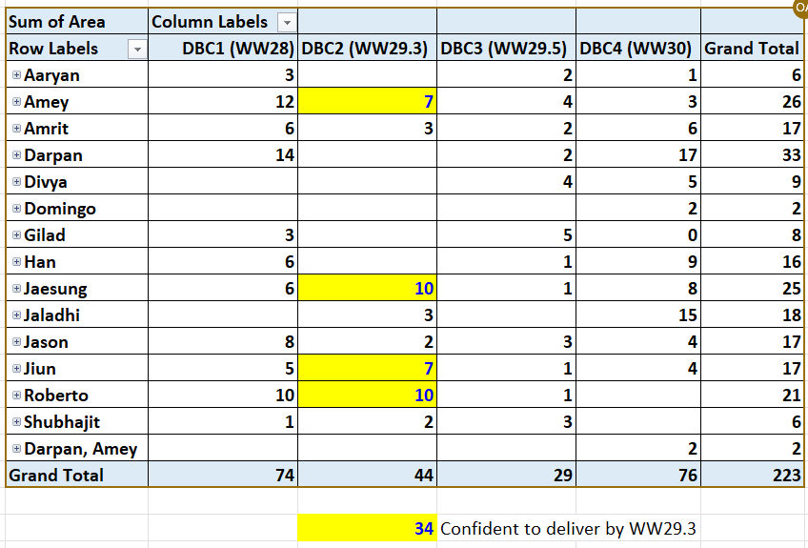
Sum of Area | Column Labels
Row Labels | DBC1 (WW28) | DBC2 (WW29.3) | DBC3 (WW29.5) | DBC4 (WW30) | Grand Total | DBC4 WIP
Aaryan | 3 |  | 2 | 4 | 9
Amey | 12 | 7 | 4 | 4 | 27
MOS_PFT | 12 | 7 | 4 | 4 | 27
Amrit | 6 |  | 5 | 7 | 18
Darpan | 14 |  | 10 | 11 | 35
Divya |  |  | 4 | 3 | 7
Domingo |  |  |  | 2 | 2
Gilad | 3 | 1 | 2 | 2 | 8
Han | 6 |  | 1 | 9 | 16
Jaesung | 6 | 11 |  | 6 | 23
MOS_PFT | 6 | 11 |  | 6 | 23
Jaladhi |  | 2 |  | 13 | 15
Jason | 8 | 0 | 5 | 4 | 17
Jiun | 5 | 8 | 1 | 5 | 19
Roberto | 10 | 10 | 1 |  | 21
MOS_PFT | 10 | 10 | 1 |  | 21
Shubhajit | 1 | 2 | 3 |  | 6
ISO | 1 | 2 | 3 |  | 6
Grand Total | 74 | 41 | 38 | 70 | 223
WW29.2
 |  |  |  |  |  | 0

# of rows required per seat | 73 | 73 | 72 | 72
Delta | 1 | #REF! | #REF! | #REF!

