Sheet1
Login
Email
Password
signup? forget password?
ChatApp
image
image
login
Cancel

Forget Password
Email
ChatApp
image
Cancel
SignUp
Name
Email
Password
Comfirm Password
ChatApp
image
Create

Welcome Valuable Admin
Channel
Direct Message
Invite People
Manage Member
ChatApp
image
send

Welcome Valuable Admin
Create a Channel
Direct Message Channel Name
Invite People Send invites to:(optional)
Manage Member
ChatApp
image
Cancel
Create Channel
Channel

Welcome
Edit Profile
Channel
Name
Direct Message Email
Phone
Invite People
Manage Member
Submit
ChatApp
image

Welcome Valuable Admin
Channel
id name email role delete
Direct Message 1 myo myo@gmail.com delete
Invite People
ChatApp
image
Manage Member
Search

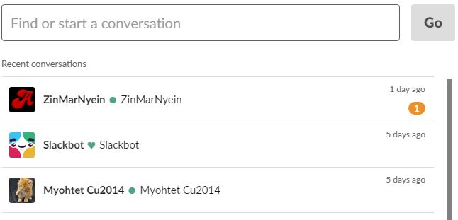
Welcome
Dierct Messgae
Channel
Invite People
Manage Member
ChatApp
image
Direct message

Welcome
Invite Member
Channel
Email Address
Direct Message
Manage Member
ChatApp
image
Invite People
Send Invitation
Welcome
Password Reset
Channel
New Password
Direct Message
Comfirm Password
Invite People
Manage Member
ChatApp
image
Submit
Login
Email
Password
signup? forget password?
ChatApp
image
image
login
Cancel

Welcome
Dierct Messgae
Channel
Invite People
Manage Member
ChatApp
image
Direct message
send

