Cover
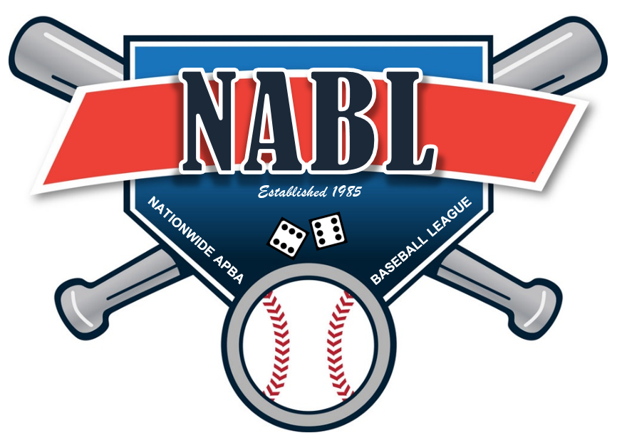

 | WELCOME TO THE NATIONWIDE APBA BASEBALL LEAGUE

 | As part of this file you will find the following tabs

1 | Team Logos
2 | Manager Info list
3 | Rosters and Availbale players
4 | Transactions
5 | Waiver Results
6 | Draft Matrix 2019
7 | League Schedule
8 | Playoff Matrix
9 | Draft Matrix 2020

Team Logos
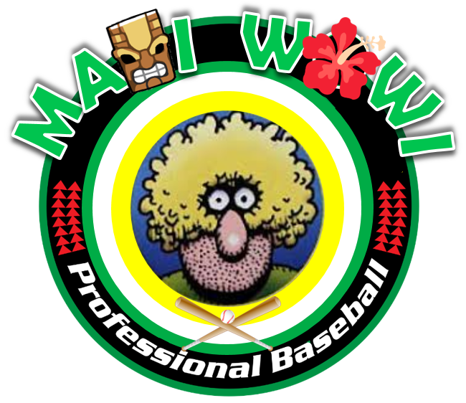



MAUI WOWIES | CAPISTRANO COUGARS | Maine Lumberjacks





MONTANA TIMEBERJACKS | PARK CITY PICKERS | CEDAR RAPIDS RAMPAGE

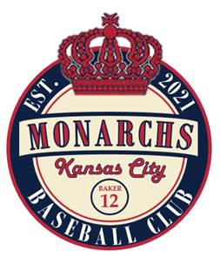
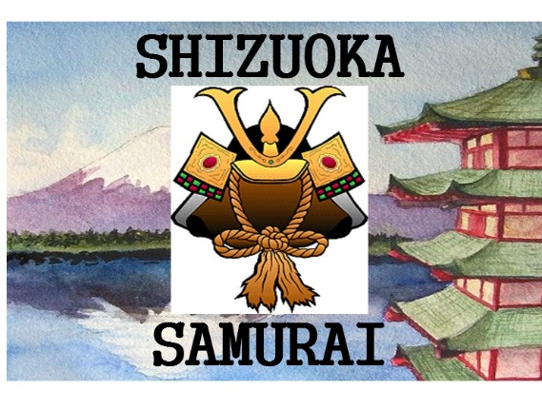


KANSAS CITY MONARCHS | SHIZUOKA SAMURAI | ST PAUL ARK ANGELS

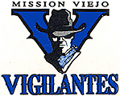

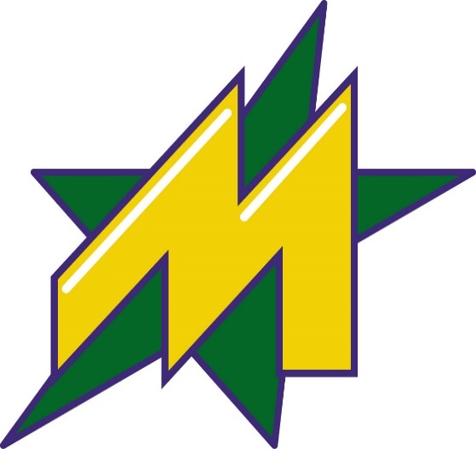

MISSION VIEJO VIGILANTES | CAZADERO CRUSHERS | METROPLEX STARS

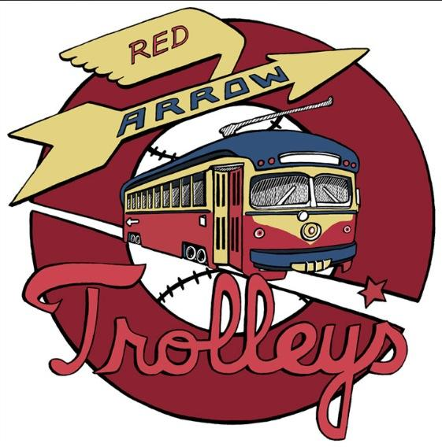
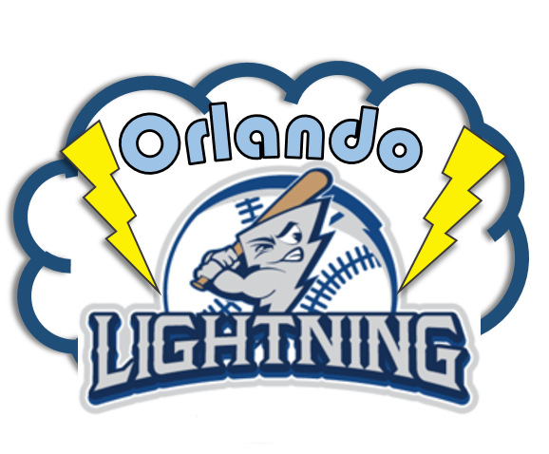


NEW ENGLAND MARINERS | RED ARROW TROLLEYS | ORLANDO LIGHTNING

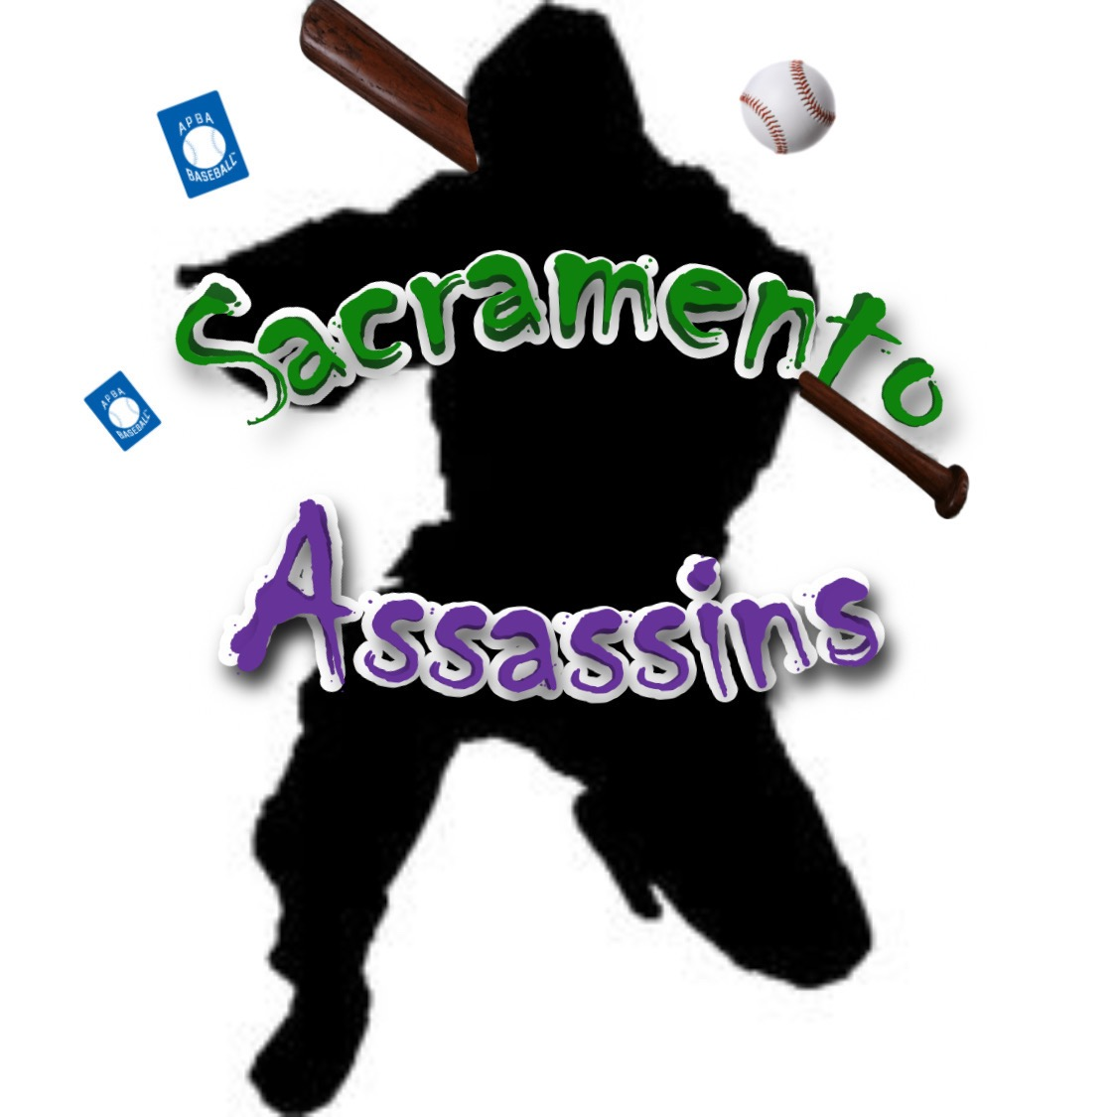

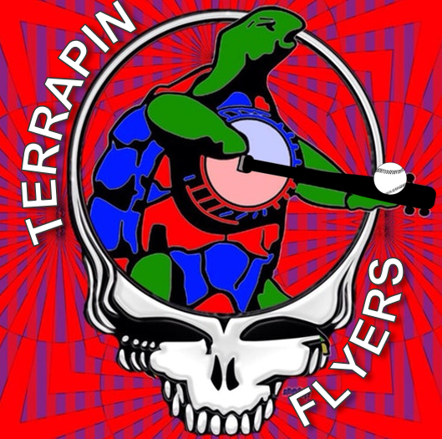

GROTON ANTIQUES | Sacramento Assassins | TERRAPIN FLYERS

