Cover
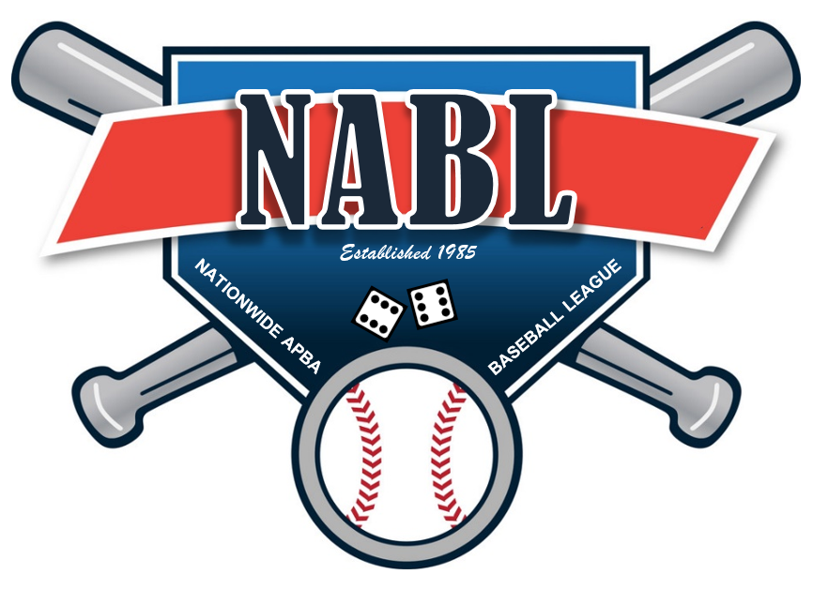

 | WELCOME TO THE NATIONWIDE APBA BASEBALL LEAGUE

 | As part of this file you will find the following tabs

1 | Team Logos
2 | Manager Info list
3 | Rosters and Availbale players
4 | Transactions
5 | Waiver Results
6 | Draft Matrix 2019
7 | League Schedule
8 | Playoff Matrix
9 | Draft Matrix 2020

Team Logos
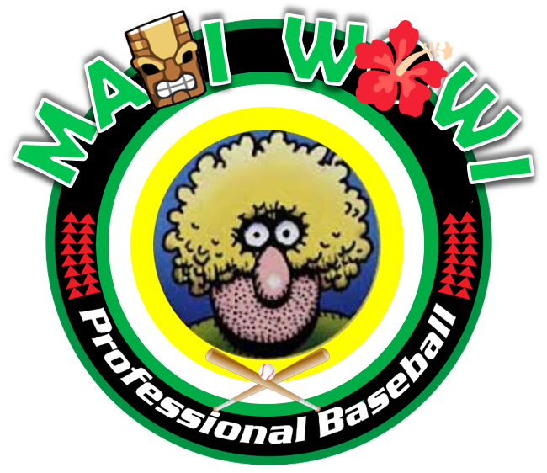



MAUI WOWIES | CAPISTRANO COUGARS | SHENANGO VALLEY STORM



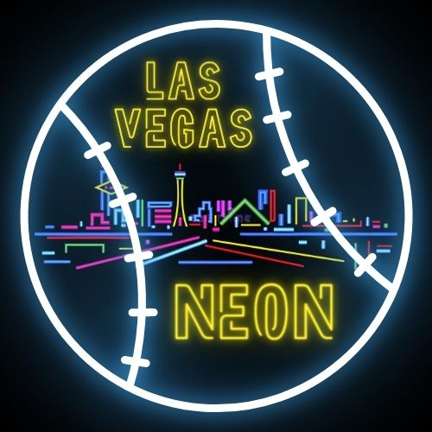

MONTANA OLD GEEZERS | LAS VEGAS NEON | CEDAR RAPIDS RAMPAGE


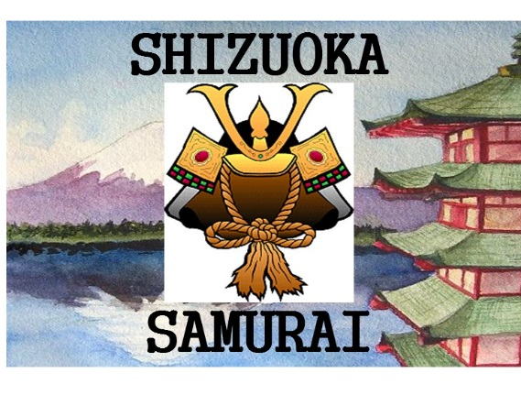


KEY WEST MANATEES | SHIZUOKA SAMURAI | ST PAUL ARK ANGELS



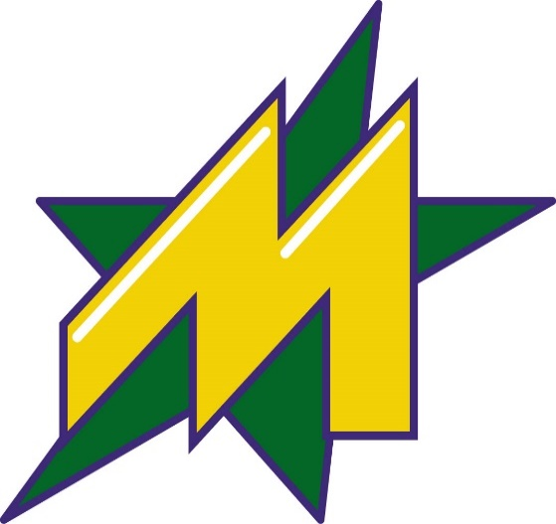

MISSION VIEJO VIGILANTES | CAZADERO CRUSHERS | METROPLEX STARS

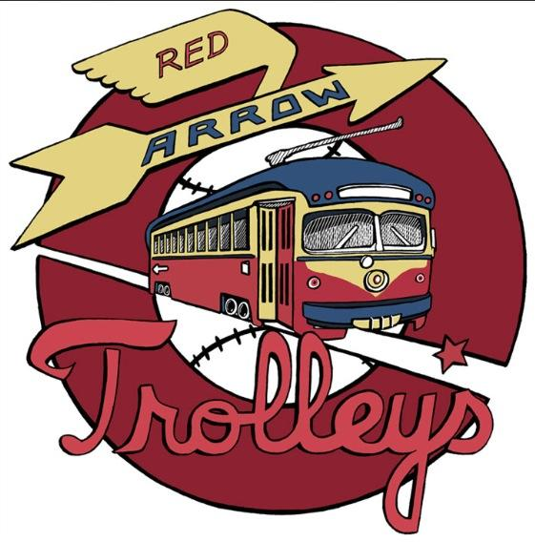
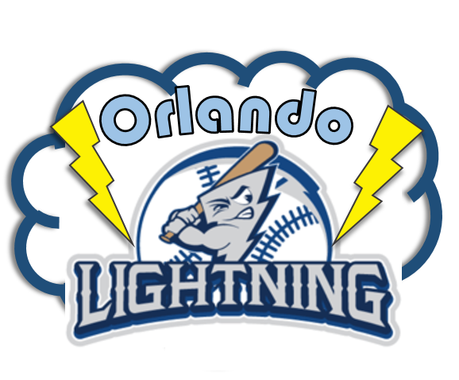


NEW ENGLAND MARINERS | RED ARROW TROLLEYS | ORLANDO LIGHTNING



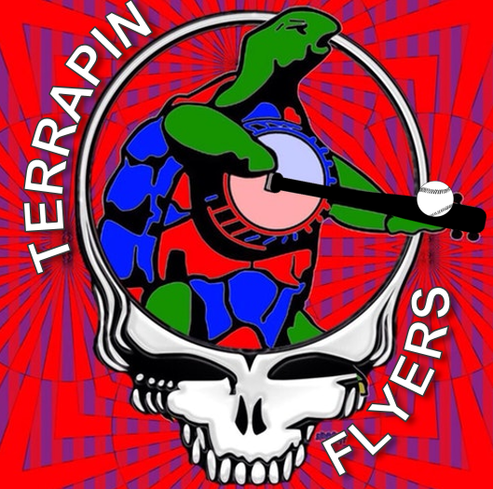

GROTON ANTIQUES | MISSOULA MOOSE | TERRAPIN FLYERS

