Cover
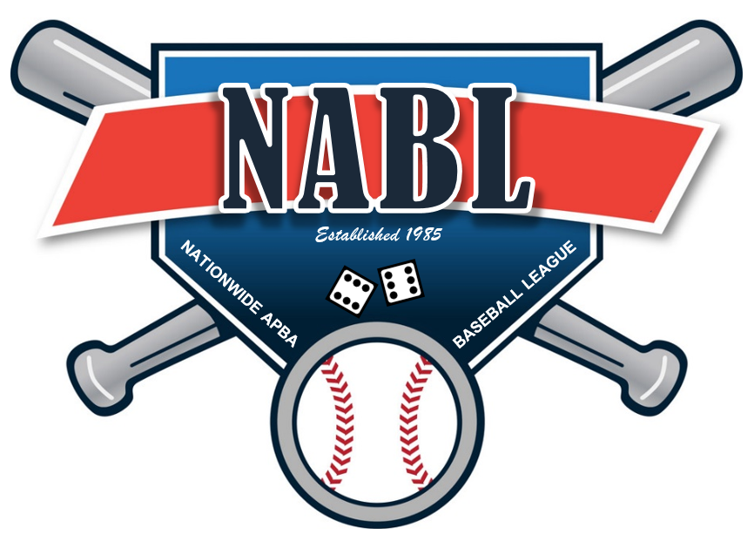

 | WELCOME TO THE NATIONWIDE APBA BASEBALL LEAGUE

 | As part of this file you will find the following tabs

1 | Team Logos
2 | Manager Info list
3 | Transactions
4 | Rosters and Availbale players
5 | Draft Matrix 2025
6 | Waiver Results
7 | Draft Matrix 2024
8 | League Schedule
9 | Playoff Matrix

Logos
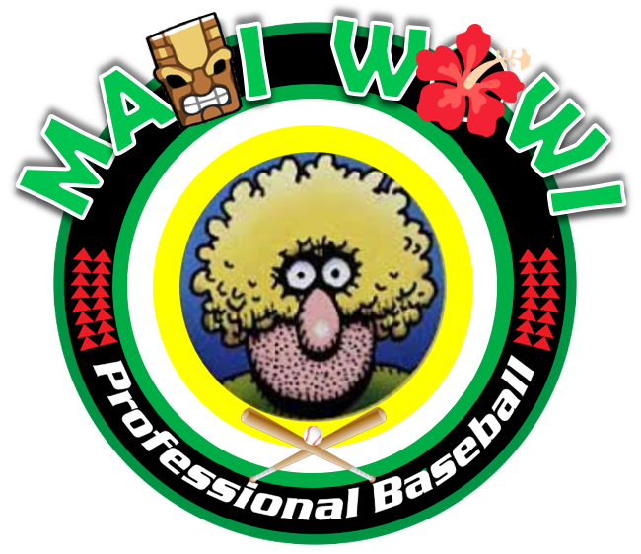



MAUI WOWIES | CAPISTRANO COUGARS | SHENANGO VALLEY STORM



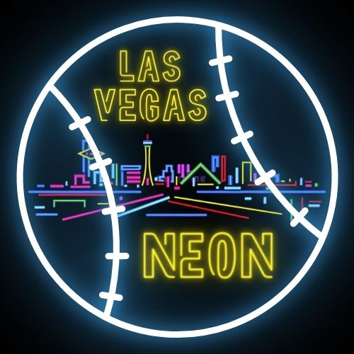

MONTANA OLD GEEZERS | LAS VEGAS NEON | CEDAR RAPIDS RAMPAGE



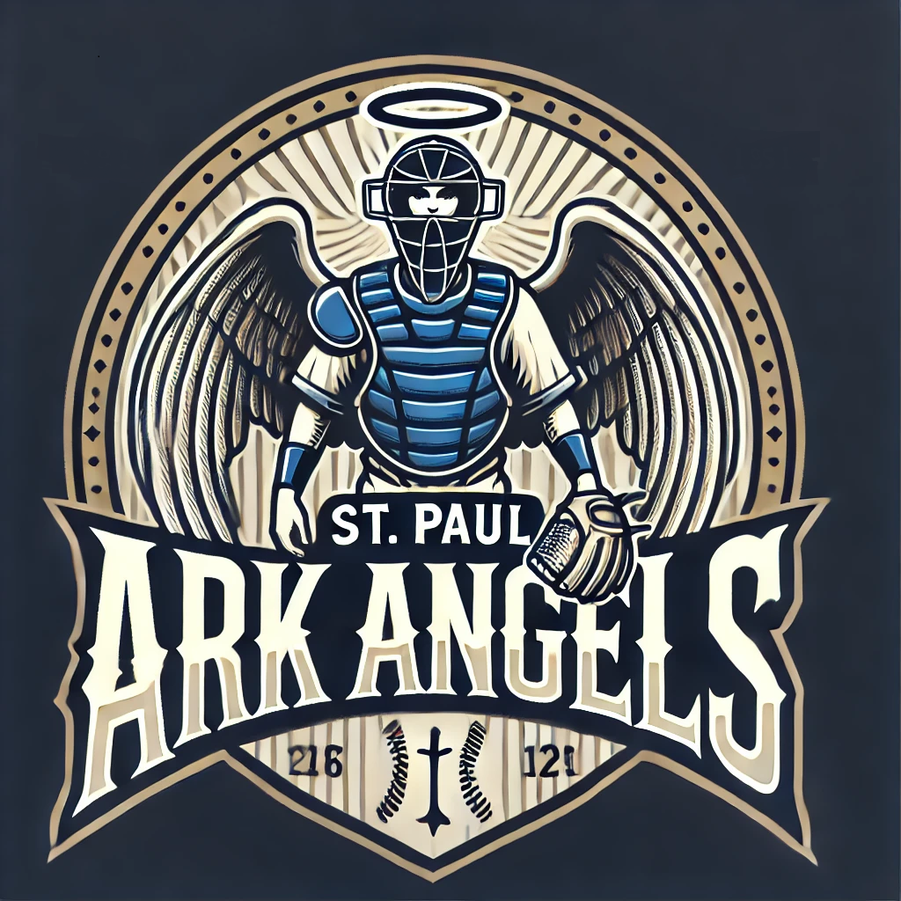

KEY WEST MANATEES | SHIZUOKA SAMURAI | ST PAUL ARK ANGELS



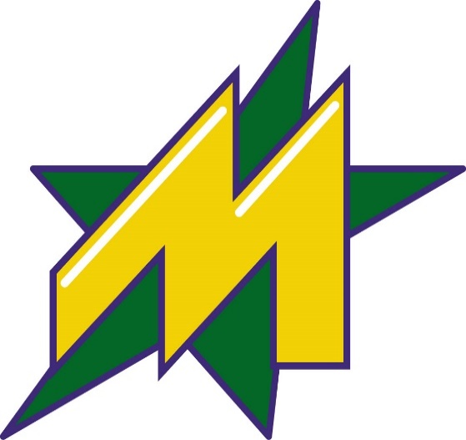

MISSION VIEJO VIGILANTES | CAZADERO CRUSHERS | METROPLEX STARS

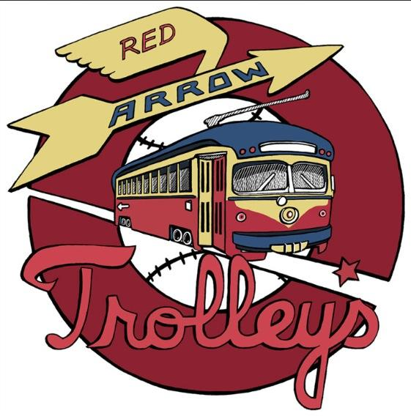
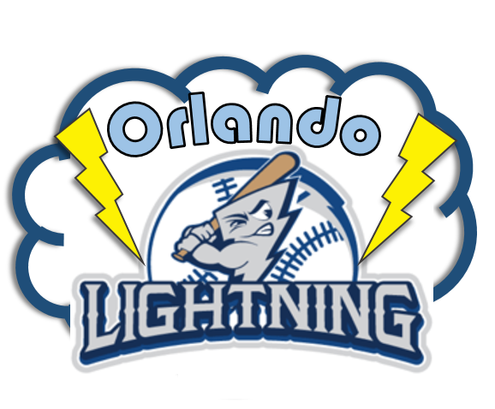


NEW ENGLAND MARINERS | RED ARROW TROLLEYS | ORLANDO LIGHTNING



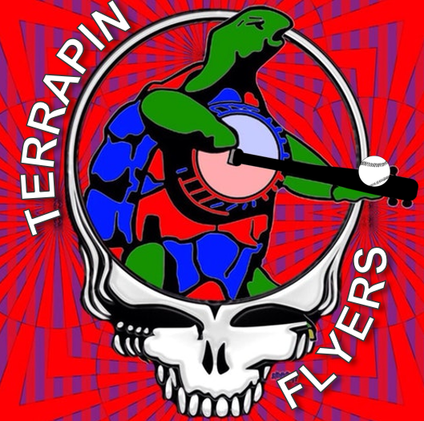

GROTON ANTIQUES | MISSOULA MOOSE | TERRAPIN FLYERS

