STORY BOARD
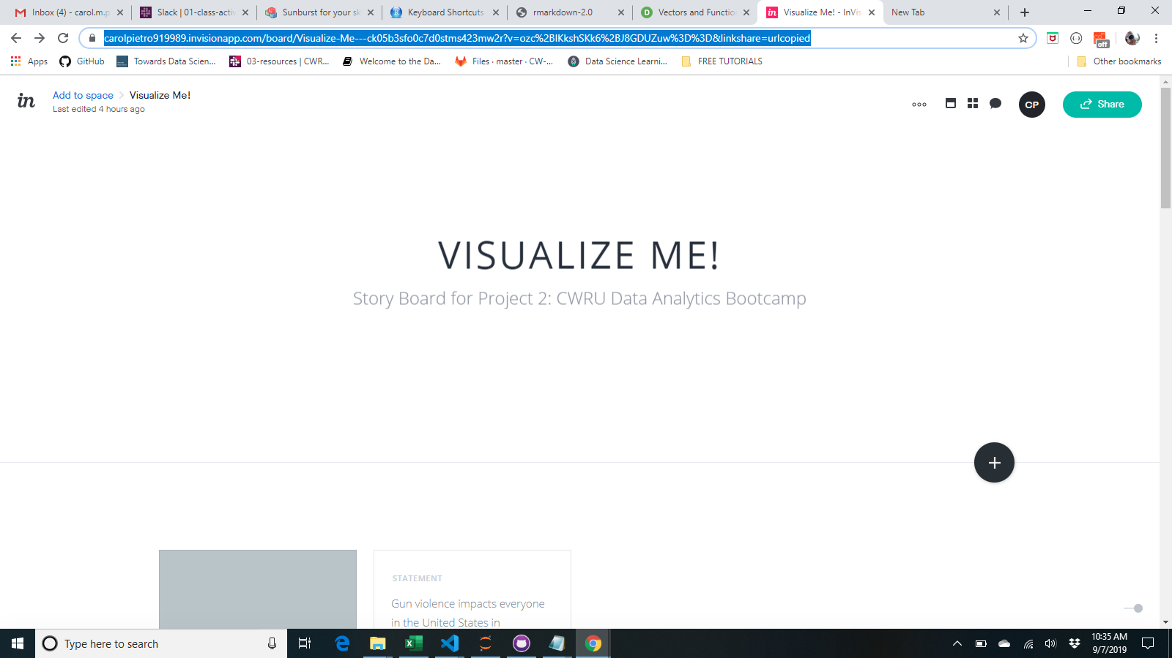
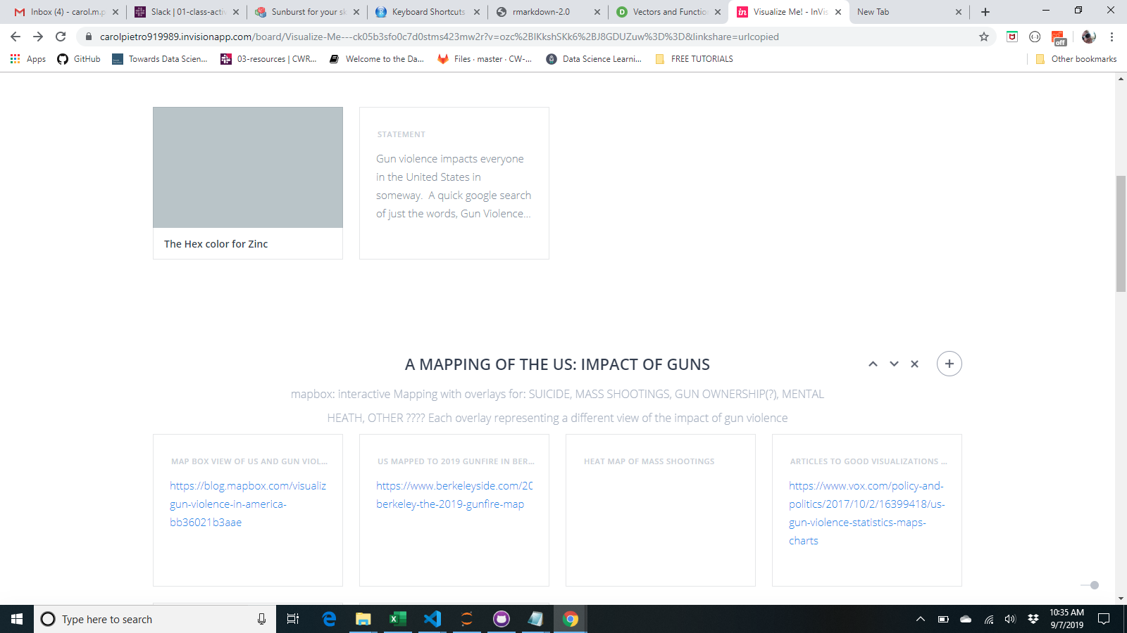
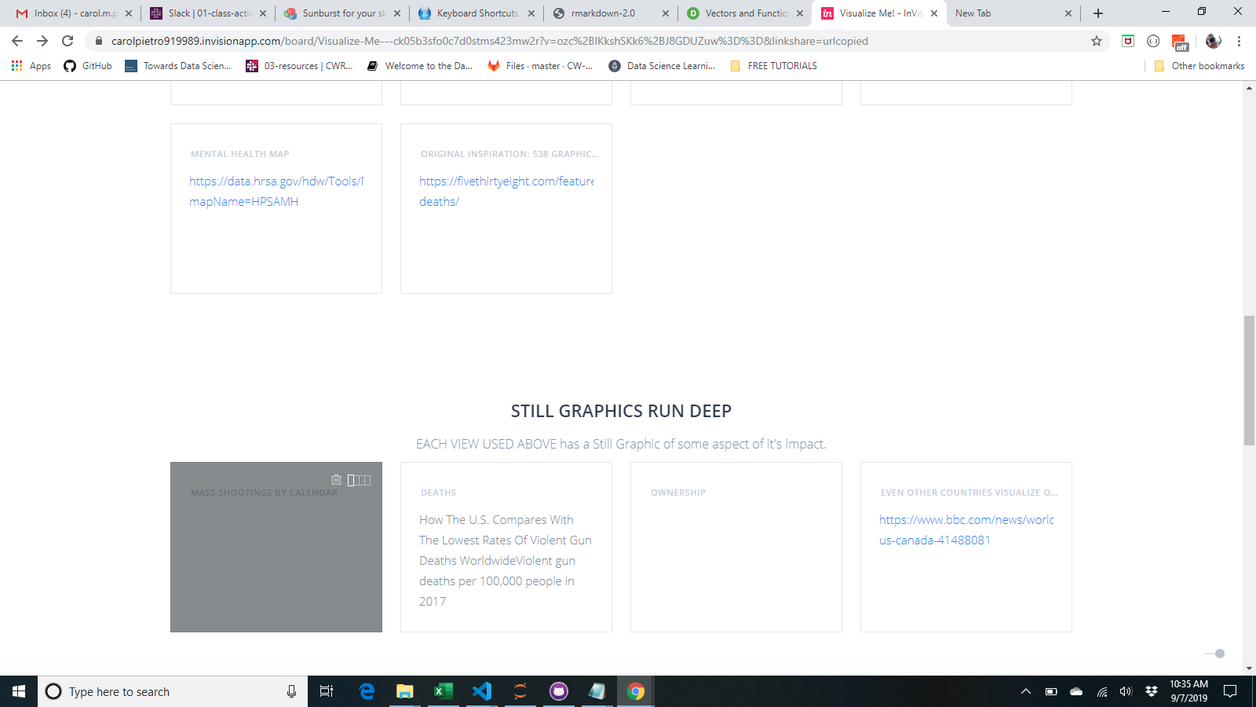
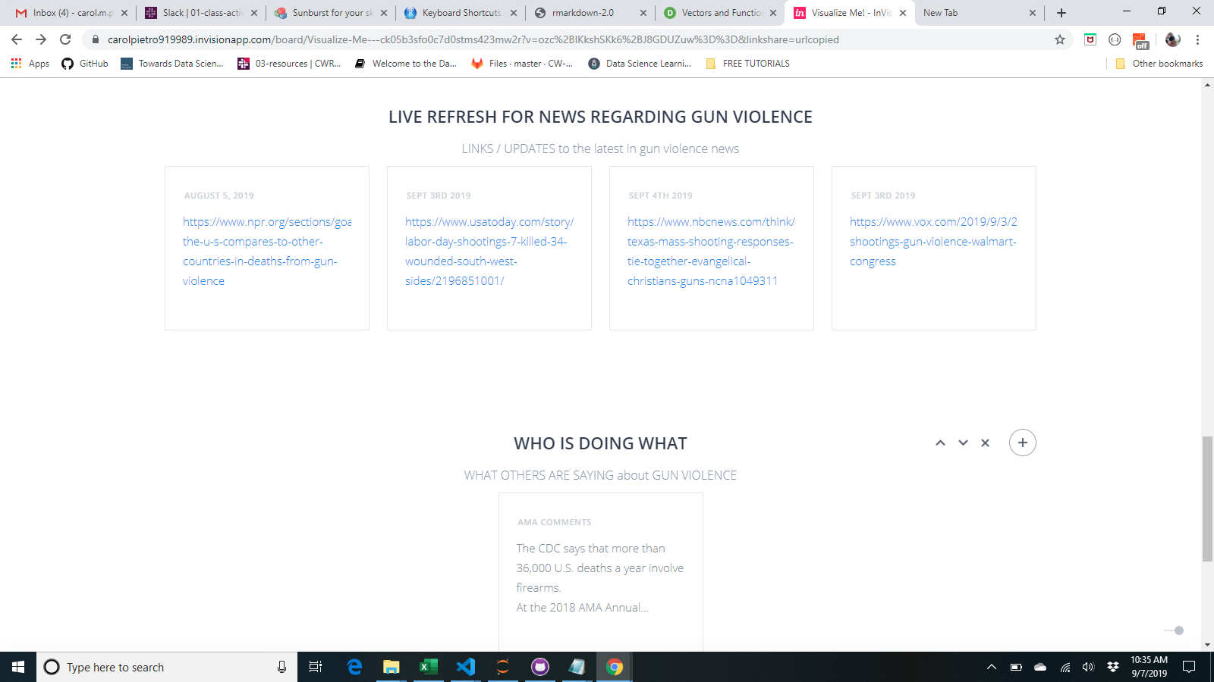
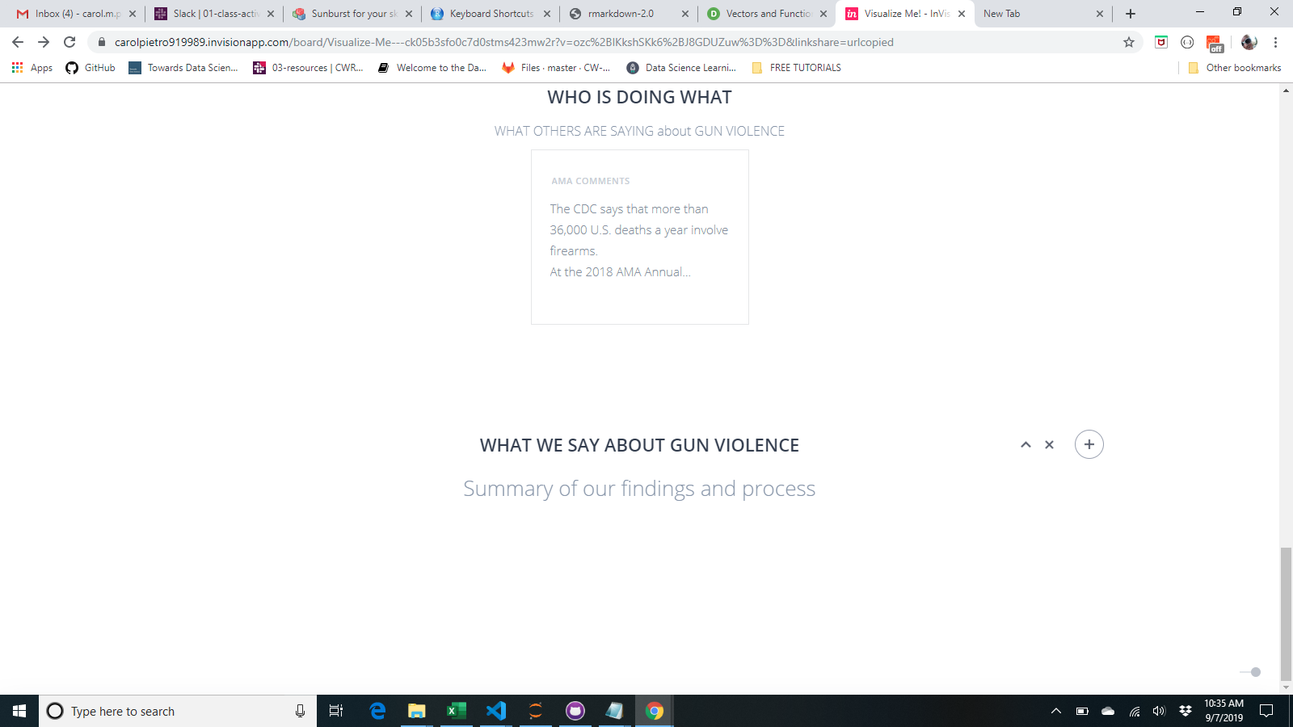
https://carolpietro919989.invisionapp.com/board/Visualize-Me---ck05b3sfo0c7d0stms423mw2r?v=ozc%2BIKkshSKk6%2BJ8GDUZuw%3D%3D&linkshare=urlcopied

