Sheet1
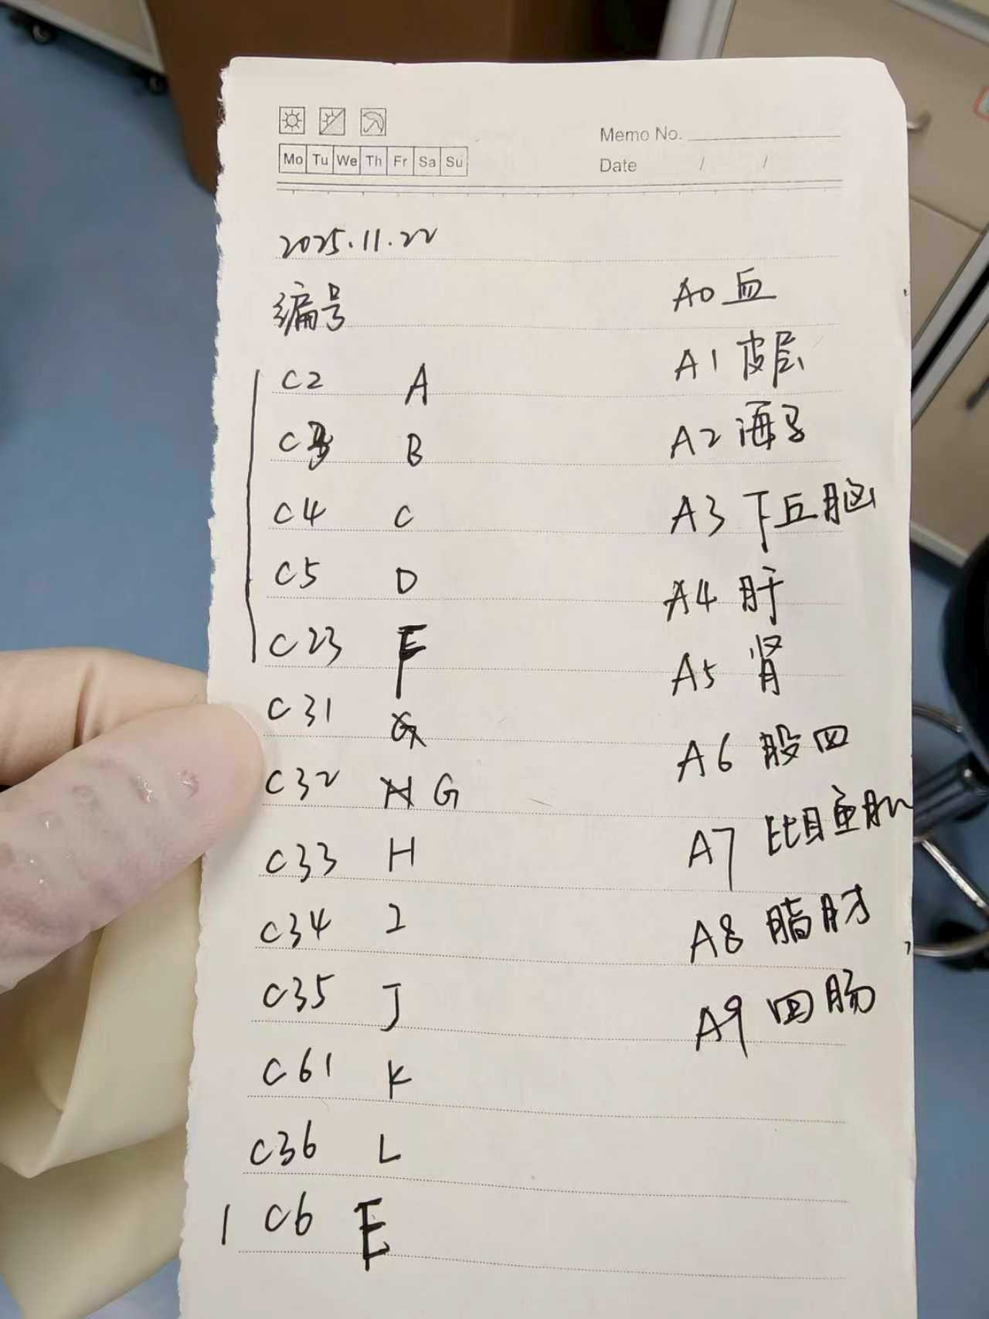
编号 Mouse ID | 组织编号 Tissue code | GROUP Group
C2 | A | control
C3 | B | control
C4 | C | control
C5 | D | control
C6 | E | control
C23 | F | control
C32 | G | drug
C33 | H | drug
C34 | I | drug
C35 | J | drug
C36 | K | drug
C61 | L | drug

