爬虫
请写一个方法爬取商品在亚马逊中国界面的商品名称及税费加运费信息（已经标黄）
Input | 商品号（ASIN)
Output | 商品名称,预计的运费及税费

Sample URL | https://www.amazon.cn/dp/B0050N5DPY/ref=z_cn
Sample ASIN | B0050N5DPY

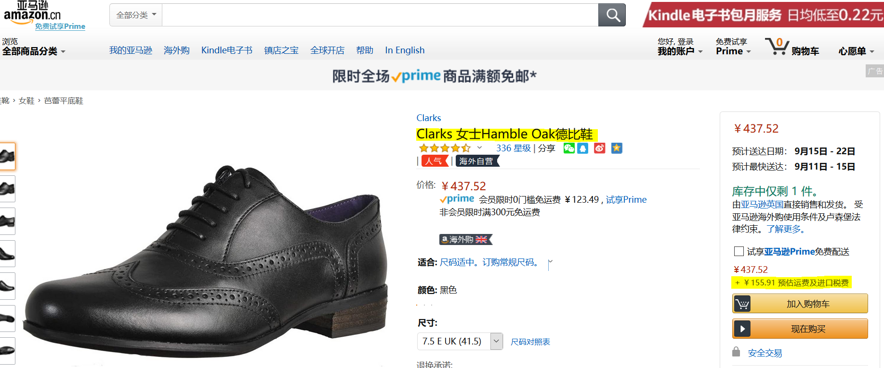

I

 |  | productTitle
 |  | ags_shipping_import_fee

import time from selenium.webdriver import Chrome from selenium.webdriver.chrome.options import Options from selenium.webdriver.common.by import By def crawl(asin_no: str) -> dict: base_url: str = 'https://www.amazon.cn/dp/' + asin_no + '/ref=z_cn' option = Options() option.add_experimental_option("detach", True) option.add_experimental_option('excludeSwitches', ['enable-automation']) option.add_argument('--disable-blink-features=AutomationControlled') web = Chrome(options=option) web.get(base_url) time.sleep(2) # 获取商品名 productTitle: str = web.find_element(By.XPATH, '//*[@id="productTitle"]').text time.sleep(2) web.find_element(By.XPATH, '//*[@id="native_dropdown_selected_size_name"]').click() time.sleep(1) web.find_element(By.XPATH, '//*[@id="native_size_name_11"]').click() time.sleep(3) ags_shipping_import_fee = web.find_element(By.XPATH, '//*[@id="ags_shipping_import_fee"]').text asin_info = { "productTitle": productTitle, "ags_shipping_import_fee": ags_shipping_import_fee } return asin_info if __name__ == '__main__': product_info: dict = crawl(asin_no='B0050N5DPY') print(product_info)

