GO_BP
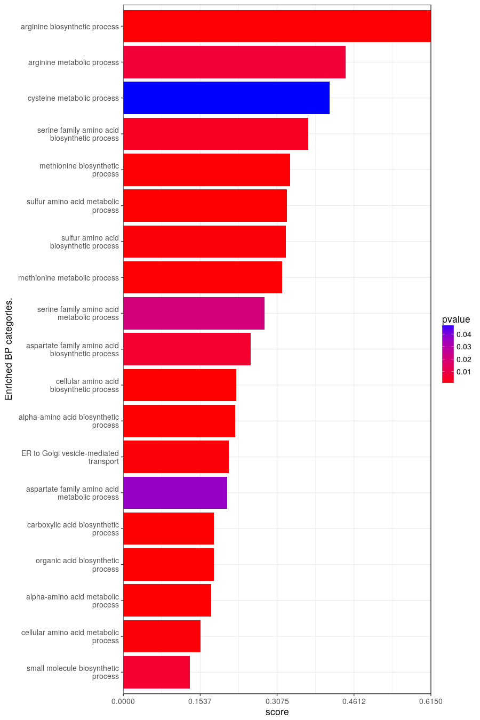
BP Results from GO_BP.
query.number | significant | p.value | term.size | query.size | overlap.size | precision | recall | term.id | domain | subgraph.number | term.name | relative.depth | intersection
1 | TRUE | 0.00587 | 331 | 441 | 44 | 0.1 | 0.133 | GO:0044283 | BP | 5 | small molecule biosynthetic process | 1 | ADH5,RIB5,HIS4,TSC13,ARO3,ARO1,HOM2,TRP4,ERG28,HOM3,HIS1,SER3,MET6,MET10,LYS5,STR3,ARG4,HTD2,DFG10,HIS5,ARG2,ARG3,SIP4,PHS1,ELO1,MET3,CPA2,HOM6,MET14,MET17,ADI1,ARG7,SNO1,SNZ1,ARG1,MET22,ARG8,RIB4,RKI1,ORT1,HIS3,PPT2,SAM4,MET16
1 | TRUE | 0.00051 | 253 | 441 | 39 | 0.088 | 0.154 | GO:0006520 | BP | 5 | cellular amino acid metabolic process | 1 | ADH5,HIS4,UGA3,DTD1,ARO3,ARO1,HOM2,MET32,TRP4,BNA7,SAM2,HOM3,HIS1,SER3,MET6,MET10,LYS5,STR3,ARG4,HIS5,ARG2,ARG3,MET3,BNA1,CPA2,HOM6,MET14,MET17,ADI1,ARG7,SNO1,SKP2,ARG1,MET22,ARG8,ORT1,HIS3,SAM4,MET16
1 | TRUE | 0.00017 | 187 | 441 | 33 | 0.075 | 0.176 | GO:1901605 | BP | 5 | alpha-amino acid metabolic process | 2 | HIS4,DTD1,HOM2,TRP4,BNA7,SAM2,HOM3,HIS1,SER3,MET6,MET10,LYS5,STR3,ARG4,HIS5,ARG2,ARG3,MET3,BNA1,CPA2,HOM6,MET14,MET17,ADI1,ARG7,SNO1,ARG1,MET22,ARG8,ORT1,HIS3,SAM4,MET16
1 | TRUE | 0.0000342 | 193 | 441 | 35 | 0.079 | 0.181 | GO:0016053 | BP | 5 | organic acid biosynthetic process | 2 | HIS4,TSC13,ARO3,ARO1,HOM2,TRP4,HOM3,HIS1,SER3,MET6,MET10,LYS5,STR3,ARG4,HTD2,HIS5,ARG2,ARG3,PHS1,ELO1,MET3,CPA2,HOM6,MET14,MET17,ADI1,ARG7,ARG1,MET22,ARG8,ORT1,HIS3,PPT2,SAM4,MET16
1 | TRUE | 0.0000342 | 193 | 441 | 35 | 0.079 | 0.181 | GO:0046394 | BP | 5 | carboxylic acid biosynthetic process | 1 | HIS4,TSC13,ARO3,ARO1,HOM2,TRP4,HOM3,HIS1,SER3,MET6,MET10,LYS5,STR3,ARG4,HTD2,HIS5,ARG2,ARG3,PHS1,ELO1,MET3,CPA2,HOM6,MET14,MET17,ADI1,ARG7,ARG1,MET22,ARG8,ORT1,HIS3,PPT2,SAM4,MET16
1 | TRUE | 0.0362 | 72 | 421 | 15 | 0.036 | 0.208 | GO:0009066 | BP | 5 | aspartate family amino acid metabolic process | 3 | HOM2,SAM2,HOM3,MET6,MET10,LYS5,STR3,MET3,HOM6,MET14,MET17,ADI1,MET22,SAM4,MET16
1 | TRUE | 0.000514 | 95 | 395 | 20 | 0.051 | 0.211 | GO:0006888 | BP | 6 | ER to Golgi vesicle-mediated transport | 1 | ERD2,ERV15,RER1,ARF1,SHR3,TCA17,YOS1,ERV14,COG2,SVP26,SEC28,BET4,YET1,TRX1,ERV41,BET5,YET2,GOT1,YIP3,SAR1
1 | TRUE | 0.00000749 | 125 | 441 | 28 | 0.063 | 0.224 | GO:1901607 | BP | 5 | alpha-amino acid biosynthetic process | 3 | HIS4,HOM2,TRP4,HOM3,HIS1,SER3,MET6,MET10,LYS5,STR3,ARG4,HIS5,ARG2,ARG3,MET3,CPA2,HOM6,MET14,MET17,ADI1,ARG7,ARG1,MET22,ARG8,ORT1,HIS3,SAM4,MET16
1 | TRUE | 0.00000178 | 133 | 441 | 30 | 0.068 | 0.226 | GO:0008652 | BP | 5 | cellular amino acid biosynthetic process | 2 | HIS4,ARO3,ARO1,HOM2,TRP4,HOM3,HIS1,SER3,MET6,MET10,LYS5,STR3,ARG4,HIS5,ARG2,ARG3,MET3,CPA2,HOM6,MET14,MET17,ADI1,ARG7,ARG1,MET22,ARG8,ORT1,HIS3,SAM4,MET16
1 | TRUE | 0.00573 | 55 | 421 | 14 | 0.033 | 0.255 | GO:0009067 | BP | 5 | aspartate family amino acid biosynthetic process | 4 | HOM2,HOM3,MET6,MET10,LYS5,STR3,MET3,HOM6,MET14,MET17,ADI1,MET22,SAM4,MET16
1 | TRUE | 0.0208 | 39 | 421 | 11 | 0.026 | 0.282 | GO:0009069 | BP | 5 | serine family amino acid metabolic process | 3 | HOM2,HOM3,SER3,MET10,STR3,MET3,HOM6,MET14,MET17,SAM4,MET16
1 | TRUE | 0.000288 | 44 | 421 | 14 | 0.033 | 0.318 | GO:0006555 | BP | 5 | methionine metabolic process | 2 | HOM2,SAM2,HOM3,MET6,MET10,STR3,MET3,HOM6,MET14,MET17,ADI1,MET22,SAM4,MET16
1 | TRUE | 0.000589 | 40 | 421 | 13 | 0.031 | 0.325 | GO:0000097 | BP | 5 | sulfur amino acid biosynthetic process | 2 | HOM2,HOM3,MET6,MET10,STR3,MET3,HOM6,MET14,MET17,ADI1,MET22,SAM4,MET16
1 | TRUE | 0.000026 | 49 | 421 | 16 | 0.038 | 0.327 | GO:0000096 | BP | 5 | sulfur amino acid metabolic process | 1 | HOM2,MET32,SAM2,HOM3,MET6,MET10,STR3,MET3,HOM6,MET14,MET17,ADI1,SKP2,MET22,SAM4,MET16
1 | TRUE | 0.000421 | 39 | 421 | 13 | 0.031 | 0.333 | GO:0009086 | BP | 5 | methionine biosynthetic process | 3 | HOM2,HOM3,MET6,MET10,STR3,MET3,HOM6,MET14,MET17,ADI1,MET22,SAM4,MET16
1 | TRUE | 0.00322 | 27 | 421 | 10 | 0.024 | 0.37 | GO:0009070 | BP | 5 | serine family amino acid biosynthetic process | 4 | HOM2,HOM3,SER3,MET10,STR3,MET3,HOM6,MET14,MET17,MET16
1 | TRUE | 0.0474 | 17 | 421 | 7 | 0.017 | 0.412 | GO:0006534 | BP | 5 | cysteine metabolic process | 2 | MET10,STR3,MET3,MET14,MET17,SAM4,MET16
1 | TRUE | 0.00763 | 18 | 429 | 8 | 0.019 | 0.444 | GO:0006525 | BP | 3 | arginine metabolic process | 1 | ARG4,ARG2,ARG3,CPA2,ARG7,ARG1,ARG8,ORT1
1 | TRUE | 0.000299 | 13 | 429 | 8 | 0.019 | 0.615 | GO:0006526 | BP | 3 | arginine biosynthetic process | 2 | ARG4,ARG2,ARG3,CPA2,ARG7,ARG1,ARG8,ORT1

GO_MF
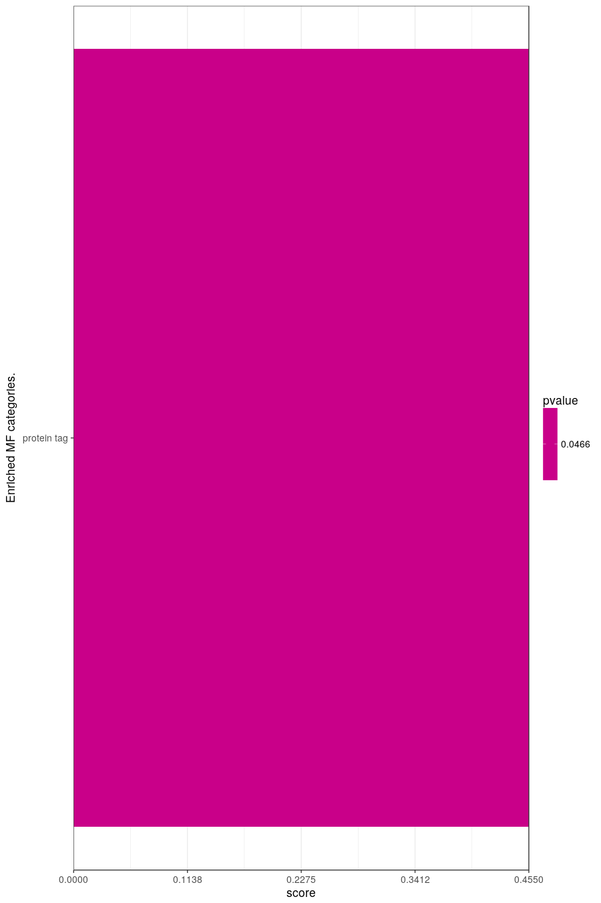
MF Results from GO_MF.
query.number | significant | p.value | term.size | query.size | overlap.size | precision | recall | term.id | domain | subgraph.number | term.name | relative.depth | intersection
1 | TRUE | 0.0466 | 11 | 271 | 5 | 0.018 | 0.455 | GO:0031386 | MF | 2 | protein tag | 1 | ATG12,RUB1,RPL40A,RPL40B,HUB1

GO_CC
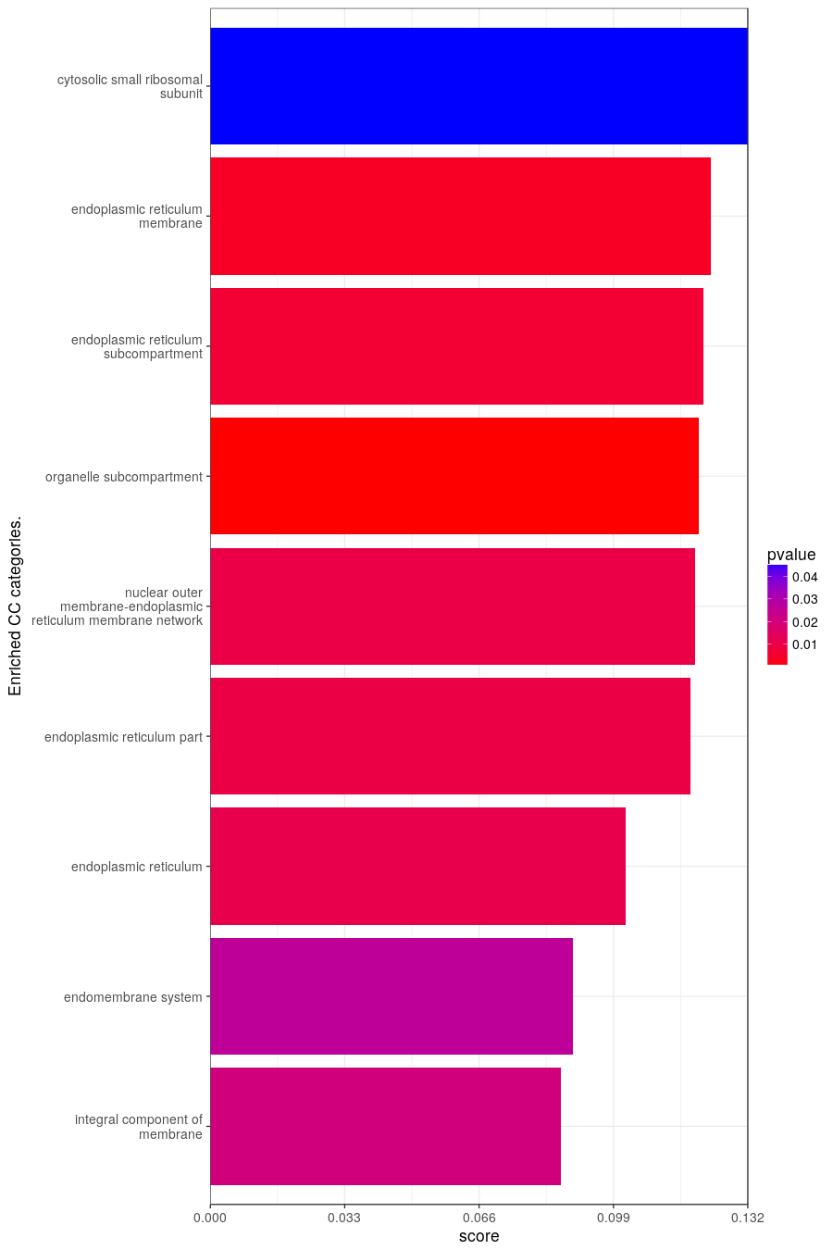
CC Results from GO_CC.
query.number | significant | p.value | term.size | query.size | overlap.size | precision | recall | term.id | domain | subgraph.number | term.name | relative.depth | intersection
1 | TRUE | 0.0206 | 1354 | 405 | 116 | 0.286 | 0.086 | GO:0016021 | CC | 7 | integral component of membrane | 1 | UIP3,ERD2,GPI18,YBR063C,ALG14,YMC2,RTC2,YBR209W,ERV15,COS2,RER1,YCL002C,PEX34,PMP1,YDL009C,GRX6,TSC13,GGC1,SHR3,OST4,PET100,SSS1,SWF1,YDR209C,PMP3,PHM6,KEI1,GPI17,KRE2,VMA8,NTF2,ERG28,SPO73,VTC1,YOS1,COS4,ERJ5,ERV14,FMP37,OST5,EMC4,ZRT1,YGR016W,VMA7,YGR026W,GSC2,VOA1,CHO2,YGR168C,RTA1,COS6,LAG1,QCR10,TIM10,COX6,EPT1,SVP26,KRE27,YIL029C,APQ12,DFG10,COX16,NUP82,PHS1,CPS1,ELO1,SPC1,YJR054W,ILM1,TIM8,AIM26,YET1,VPH2,OAC1,TVP38,EMC6,COX12,YLR050C,SPC3,CSF1,COX8,VMA6,SPC2,ERV41,ATP18,ATR1,IMP2,YET2,KAR5,GFD1,COX7,GOT1,GPI15,YIP3,TOM7,TOM22,YNL143C,COS1,YNR021W,MNT4,IZH4,YOL107W,YOL162W,YOR015W,IRC23,ATX2,OST2,ORT1,TIM18,YOR365C,PRM4,YPL162C,ALG5,ATP15,YOP1,SGE1
1 | TRUE | 0.0262 | 1062 | 404 | 95 | 0.235 | 0.089 | GO:0012505 | CC | 1 | endomembrane system | 1 | UIP3,ERD2,GPI18,ALG14,YBR096W,SUS1,ERV15,COS2,RER1,YCR043C,GRX6,TSC13,ARF1,SHR3,OST4,SSS1,SWF1,KEI1,GPI17,KRE2,EUG1,TCA17,NTF2,ERG28,VTC1,YOS1,COS4,FAR7,ERJ5,COG7,ERV14,COG1,OST5,EMC4,ZRT1,YGR016W,YGR026W,VOA1,COG2,CHO2,MVB12,RTA1,PHO81,COS6,LAG1,YHL042W,EPT1,SVP26,KRE27,APQ12,DFG10,SEC28,NUP82,PHS1,ELO1,SPC1,ILM1,YET1,VPH2,SRP21,APL2,TVP38,EMC6,TRX1,YLR050C,SPC3,VPS38,SPC2,ERV41,BET5,YET2,KAR5,HOR7,GFD1,GOT1,GPI15,YIP3,COG5,KAR1,IST1,COS1,YNR021W,MNT4,IZH4,YOL107W,YOL162W,IRC23,ATX2,OST2,YPL191C,SAR1,ALG5,SRP68,YOP1,SGE1
1 | TRUE | 0.0109 | 660 | 404 | 67 | 0.166 | 0.102 | GO:0005783 | CC | 1 | endoplasmic reticulum | 2 | UIP3,ERD2,GPI18,ALG14,YBR096W,ERV15,RER1,GRX6,TSC13,SHR3,OST4,SSS1,SWF1,GPI17,EUG1,ERG28,VTC1,YOS1,FAR7,ERJ5,ERV14,OST5,EMC4,ZRT1,YGR016W,YGR026W,VOA1,CHO2,RTA1,LAG1,EPT1,SVP26,KRE27,APQ12,DFG10,PHS1,ELO1,SPC1,ILM1,YET1,VPH2,SRP21,EMC6,YLR050C,SPC3,SPC2,ERV41,BET5,YET2,KAR5,HOR7,GOT1,GPI15,YIP3,KAR1,YNR021W,IZH4,YOL162W,IRC23,ATX2,OST2,YPL191C,SAR1,ALG5,SRP68,YOP1,SGE1
1 | TRUE | 0.00946 | 397 | 412 | 47 | 0.114 | 0.118 | GO:0044432 | CC | 1 | endoplasmic reticulum part | 3 | ERD2,GPI18,ALG14,GRX6,TSC13,SHR3,OST4,SSS1,SWF1,GPI17,EUG1,ERG28,YOS1,ERJ5,ERV14,OST5,EMC4,VMA21,VOA1,CHO2,LAG1,SVP26,KRE27,APQ12,DFG10,PHS1,ELO1,SPC1,ILM1,YET1,VPH2,SRP21,EMC6,YLR050C,SPC3,SPC2,ERV41,YET2,KAR5,GPI15,YNR021W,IZH4,IRC23,OST2,SAR1,ALG5,YOP1
1 | TRUE | 0.00998 | 386 | 412 | 46 | 0.112 | 0.119 | GO:0042175 | CC | 1 | nuclear outer membrane-endoplasmic reticulum membrane network | 2 | ERD2,GPI18,ALG14,GRX6,TSC13,SHR3,OST4,SSS1,SWF1,GPI17,ERG28,YOS1,ERJ5,ERV14,OST5,EMC4,VMA21,VOA1,CHO2,LAG1,SVP26,KRE27,APQ12,DFG10,PHS1,ELO1,SPC1,ILM1,YET1,VPH2,SRP21,EMC6,YLR050C,SPC3,SPC2,ERV41,YET2,KAR5,GPI15,YNR021W,IZH4,IRC23,OST2,SAR1,ALG5,YOP1
1 | TRUE | 0.000246 | 510 | 412 | 61 | 0.148 | 0.12 | GO:0031984 | CC | 1 | organelle subcompartment | 1 | ERD2,GPI18,ALG14,RER1,GRX6,TSC13,SHR3,OST4,SSS1,SWF1,KEI1,GPI17,KRE2,ERG28,YOS1,ERJ5,COG7,ERV14,COG1,OST5,EMC4,VMA21,VOA1,COG2,CHO2,LAG1,EPT1,SVP26,KRE27,APQ12,DFG10,SEC28,PHS1,ELO1,SPC1,ILM1,YET1,VPH2,SRP21,TVP38,EMC6,TRX1,YLR050C,SPC3,SPC2,ERV41,YET2,KAR5,GOT1,GPI15,YIP3,COG5,YNR021W,IZH4,YOL107W,IRC23,ATX2,OST2,SAR1,ALG5,YOP1
1 | TRUE | 0.00654 | 380 | 412 | 46 | 0.112 | 0.121 | GO:0098827 | CC | 1 | endoplasmic reticulum subcompartment | 4 | ERD2,GPI18,ALG14,GRX6,TSC13,SHR3,OST4,SSS1,SWF1,GPI17,ERG28,YOS1,ERJ5,ERV14,OST5,EMC4,VMA21,VOA1,CHO2,LAG1,SVP26,KRE27,APQ12,DFG10,PHS1,ELO1,SPC1,ILM1,YET1,VPH2,SRP21,EMC6,YLR050C,SPC3,SPC2,ERV41,YET2,KAR5,GPI15,YNR021W,IZH4,IRC23,OST2,SAR1,ALG5,YOP1
1 | TRUE | 0.00393 | 373 | 412 | 46 | 0.112 | 0.123 | GO:0005789 | CC | 1 | endoplasmic reticulum membrane | 4 | ERD2,GPI18,ALG14,GRX6,TSC13,SHR3,OST4,SSS1,SWF1,GPI17,ERG28,YOS1,ERJ5,ERV14,OST5,EMC4,VMA21,VOA1,CHO2,LAG1,SVP26,KRE27,APQ12,DFG10,PHS1,ELO1,SPC1,ILM1,YET1,VPH2,SRP21,EMC6,YLR050C,SPC3,SPC2,ERV41,YET2,KAR5,GPI15,YNR021W,IZH4,IRC23,OST2,SAR1,ALG5,YOP1
1 | TRUE | 0.0457 | 68 | 166 | 9 | 0.054 | 0.132 | GO:0022627 | CC | 4 | cytosolic small ribosomal subunit | 1 | RPS13,RPS27B,RPS22A,RPS29A,RPS17A,RPS1B,RPS16A,RPS7A,RPS30B

KEGG
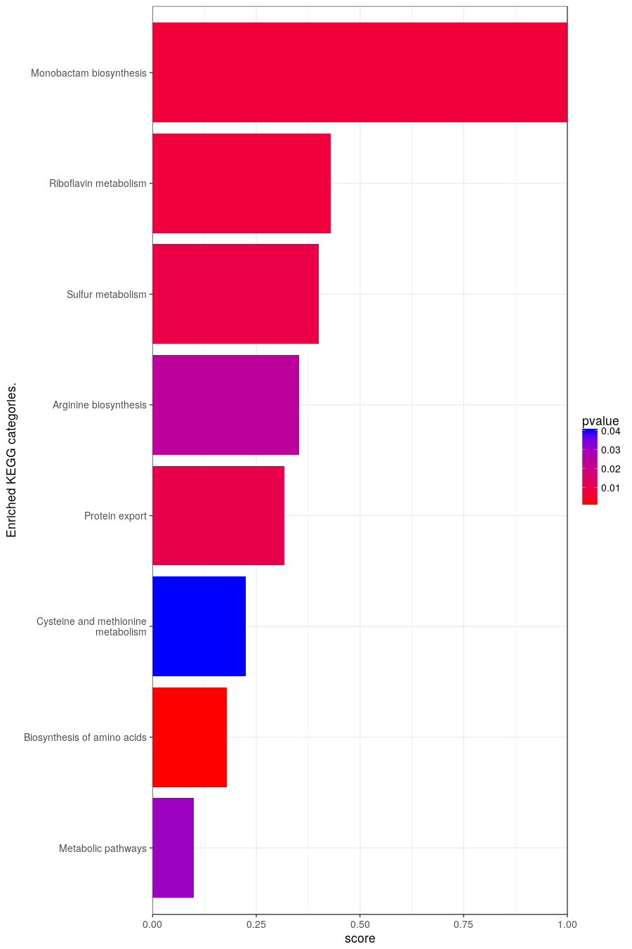
Results from KEGG.
query.number | significant | p.value | term.size | query.size | overlap.size | precision | recall | term.id | domain | subgraph.number | term.name | relative.depth | intersection
1 | TRUE | 0.03 | 719 | 441 | 71 | 0.161 | 0.099 | KEGG:01100 | keg | 1 | Metabolic pathways | 1 | PHO11,GPI18,ALG14,PHO5,ADH5,RIB5,HIS4,OST4,ARO3,RPC11,ARO1,HOM2,TRP4,BNA7,GPI17,SAM2,VMA8,FAA2,HOM3,HIS1,SER3,MET6,SEC53,MET10,STR3,OST5,VMA7,CHO2,LAG1,QCR10,ARG4,COX6,EPT1,PHO12,HIS5,REV7,ARG2,ARG3,MET3,BNA1,RPA12,CPA2,HOM6,MET14,URA1,COX12,MET17,COX8,URA4,VMA6,ATP18,ADI1,ARG7,COX7,GPI15,NRK1,ARG1,MET22,ARG8,RIB4,RKI1,OST2,HIS3,NPT1,RPB10,ALG5,ATP15,SAM4,ATP20,LTP1,MET16
1 | TRUE | 0.00146 | 123 | 441 | 22 | 0.05 | 0.179 | KEGG:01230 | keg | 5 | Biosynthesis of amino acids | 1 | HIS4,ARO3,ARO1,HOM2,TRP4,SAM2,HOM3,HIS1,SER3,MET6,STR3,ARG4,HIS5,ARG2,ARG3,HOM6,MET17,ARG7,ARG1,ARG8,RKI1,HIS3
1 | TRUE | 0.04 | 40 | 421 | 9 | 0.021 | 0.225 | KEGG:00270 | keg | 3 | Cysteine and methionine metabolism | 1 | HOM2,SAM2,HOM3,MET6,STR3,HOM6,MET17,ADI1,SAM4
1 | TRUE | 0.0106 | 22 | 404 | 7 | 0.017 | 0.318 | KEGG:03060 | keg | 2 | Protein export | 1 | SRP14,SSS1,SPC1,SPC3,SPC2,IMP2,SRP68
1 | TRUE | 0.0238 | 17 | 429 | 6 | 0.014 | 0.353 | KEGG:00220 | keg | 7 | Arginine biosynthesis | 1 | ARG4,ARG2,ARG3,ARG7,ARG1,ARG8
1 | TRUE | 0.00967 | 15 | 421 | 6 | 0.014 | 0.4 | KEGG:00920 | keg | 8 | Sulfur metabolism | 1 | MET10,MET3,MET14,MET17,MET22,MET16
1 | TRUE | 0.00805 | 14 | 436 | 6 | 0.014 | 0.429 | KEGG:00740 | keg | 4 | Riboflavin metabolism | 1 | PHO11,PHO5,RIB5,PHO12,RIB4,LTP1
1 | TRUE | 0.00776 | 3 | 392 | 3 | 0.008 | 1 | KEGG:00261 | keg | 6 | Monobactam biosynthesis | 1 | HOM2,HOM3,MET3

transcription_factor
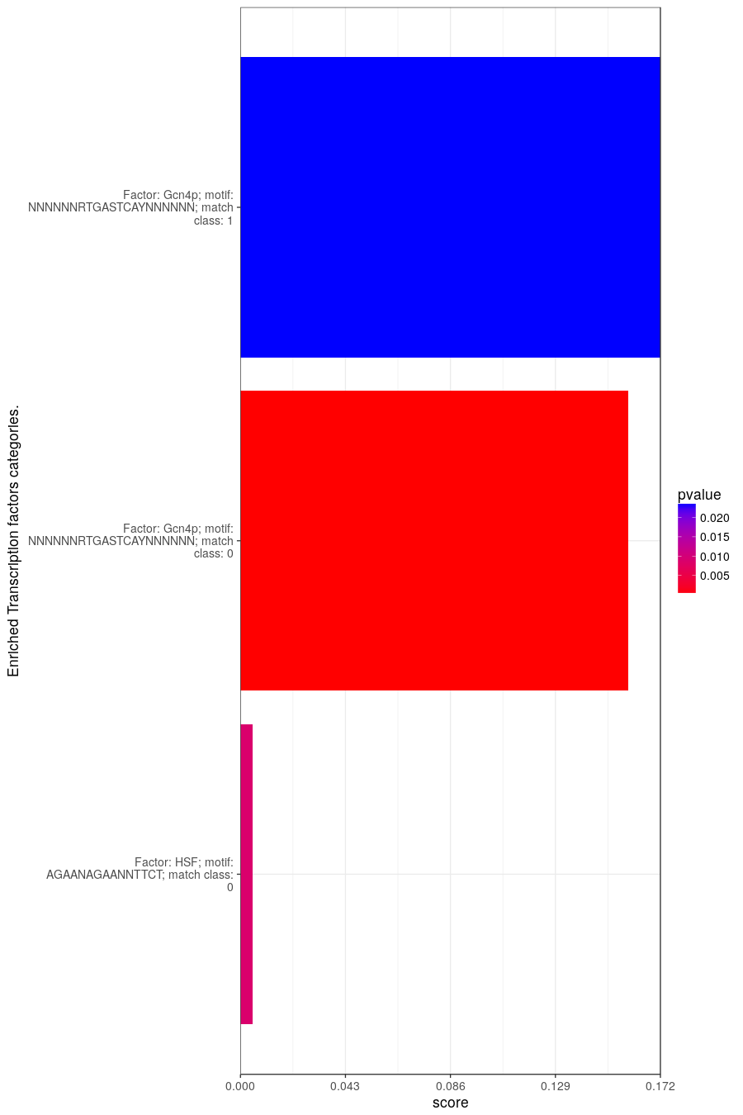
Results from transcription_factor.
query.number | significant | p.value | term.size | query.size | overlap.size | precision | recall | term.id | domain | subgraph.number | term.name | relative.depth | intersection
1 | TRUE | 0.00875 | 1354 | 8 | 7 | 0.875 | 0.005 | TF:M00168_0 | tf | 2 | Factor: HSF; motif: AGAANAGAANNTTCT; match class: 0 | 1 | HTA2,TAN1,YGR035C,SVP26,RPA12,TVP38,CSF1
1 | TRUE | 0.000119 | 201 | 437 | 32 | 0.073 | 0.159 | TF:M01555_0 | tf | 1 | Factor: Gcn4p; motif: NNNNNNRTGASTCAYNNNNNN; match class: 0 | 1 | ADH5,SPO23,HIS4,UGA3,GGC1,RPS13,ARO1,KRE2,HOM3,HIS1,CAF16,PKP2,YGL117W,STR3,ARG4,APQ12,REV7,ARG3,BNA1,CPA2,ECM9,YLR290C,ARG7,SNO1,SNZ1,ARG1,MET22,ARG8,ORT1,YPL034W,RRG8,MET16
1 | TRUE | 0.0232 | 93 | 437 | 16 | 0.037 | 0.172 | TF:M01555_1 | tf | 1 | Factor: Gcn4p; motif: NNNNNNRTGASTCAYNNNNNN; match class: 1 | 2 | HIS4,GGC1,ARO1,KRE2,HOM3,HIS1,YGL117W,ARG4,ARG3,BNA1,CPA2,ARG7,ARG1,ARG8,ORT1,RRG8

hp
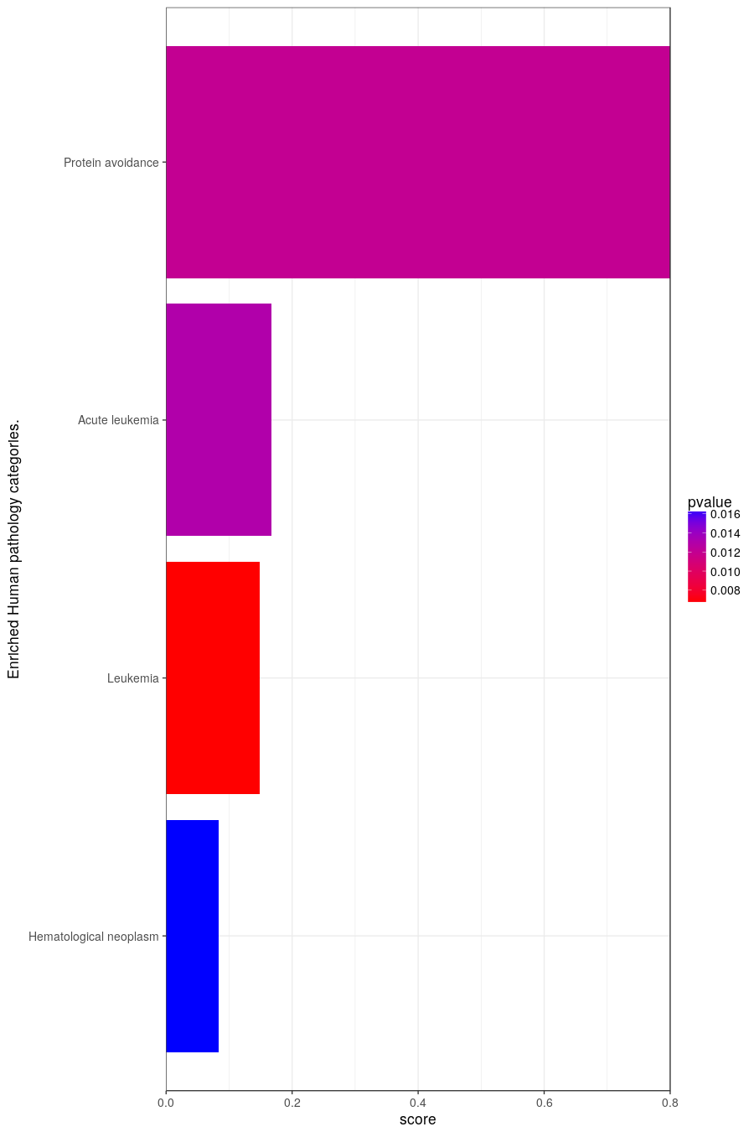
Results from hp.
query.number | significant | p.value | term.size | query.size | overlap.size | precision | recall | term.id | domain | subgraph.number | term.name | relative.depth | intersection
1 | TRUE | 0.0164 | 84 | 125 | 7 | 0.056 | 0.083 | HP:0004377 | hp | 2 | Hematological neoplasm | 1 | PCH2,SDO1,EST2,RPS29A,RPS17A,PMS1,RPS7A
1 | TRUE | 0.00683 | 54 | 219 | 8 | 0.037 | 0.148 | HP:0001909 | hp | 2 | Leukemia | 2 | PCH2,GLN3,RPS27B,SDO1,RPS29A,RPS17A,PMS1,RPS7A
1 | TRUE | 0.013 | 42 | 219 | 7 | 0.032 | 0.167 | HP:0002488 | hp | 2 | Acute leukemia | 3 | PCH2,GLN3,RPS27B,SDO1,RPS29A,RPS17A,RPS7A
1 | TRUE | 0.012 | 5 | 419 | 4 | 0.01 | 0.8 | HP:0002038 | hp | 1 | Protein avoidance | 1 | ARG4,ARG3,ARG1,ORT1

