GO_BP
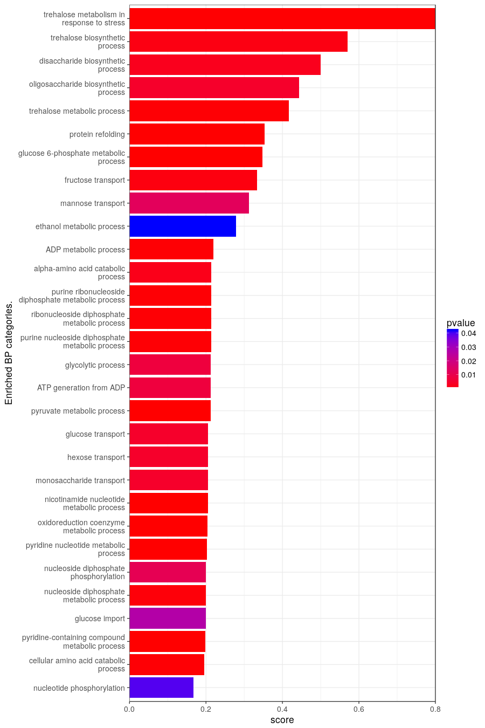
BP Results from GO_BP.
query.number | significant | p.value | term.size | query.size | overlap.size | precision | recall | term.id | domain | subgraph.number | term.name | relative.depth | intersection
1 | TRUE | 0.034 | 430 | 149 | 24 | 0.161 | 0.056 | GO:0019637 | BP | 15 | organophosphate metabolic process | 1 | TKL2,GLK1,GPD1,EMI2,URA3,SNZ3,HXK1,NQM1,SOL4,ENO1,GND2,IMD2,BCY1,BNA2,PDC1,NDI1,PGM2,NDE1,ERR3,SNZ2,VHS3,ALD4,ERR1,ERR2
1 | TRUE | 0.0188 | 876 | 207 | 50 | 0.242 | 0.057 | GO:0009056 | BP | 15 | catabolic process | 1 | SSA1,PIM1,SHP1,NPL4,SAF1,GLK1,CHA1,PTC6,GPD1,CDC48,SFA1,EMI2,PHM8,MDJ1,HXK1,ATE1,PDC6,CTT1,AMA1,ENO1,PUT2,RPN10,SGA1,GUT2,POT1,DAL1,BNA2,BAT2,CCP1,SSA2,PDC1,PUT1,HMX1,CDA1,CAR2,PGM2,ALD3,GAD1,PRE5,ERR3,SIS1,PHO23,SPS19,GOR1,DCS2,ERR1,CAR1,ERR2,PDH1,GPH1
1 | TRUE | 0.00177 | 714 | 207 | 46 | 0.222 | 0.064 | GO:1901575 | BP | 15 | organic substance catabolic process | 1 | SSA1,PIM1,SHP1,NPL4,SAF1,GLK1,CHA1,GPD1,CDC48,SFA1,EMI2,PHM8,MDJ1,HXK1,ATE1,PDC6,AMA1,ENO1,PUT2,RPN10,SGA1,GUT2,POT1,DAL1,BNA2,BAT2,SSA2,PDC1,PUT1,HMX1,CDA1,CAR2,PGM2,ALD3,GAD1,PRE5,ERR3,SIS1,SPS19,GOR1,DCS2,ERR1,CAR1,ERR2,PDH1,GPH1
1 | TRUE | 0.000000993 | 799 | 190 | 54 | 0.284 | 0.068 | GO:0044281 | BP | 15 | small molecule metabolic process | 1 | BDH1,YAT1,TKL2,GLK1,CHA1,GPD1,SFA1,EMI2,URA3,DSF1,PHM8,SNZ3,HXK1,NQM1,PDC6,SOL4,ENO1,COQ6,GND2,YHL018W,DIA4,PUT2,IMD2,BCY1,KGD1,GUT2,POT1,DAL1,BNA2,BAT2,MDH1,PDC1,PUT1,CAR2,CYB2,NDI1,PGM2,NDE1,ALD3,GAD1,ERR3,SPS19,GOR1,SNZ2,ABZ1,COQ2,VHS3,CRC1,ALD4,ERR1,MSY1,CAR1,ERR2,PDH1
1 | TRUE | 0.0448 | 392 | 207 | 28 | 0.135 | 0.071 | GO:1901565 | BP | 15 | organonitrogen compound catabolic process | 2 | SSA1,PIM1,SHP1,NPL4,SAF1,CHA1,CDC48,SFA1,MDJ1,ATE1,PDC6,AMA1,PUT2,RPN10,DAL1,BNA2,BAT2,SSA2,PDC1,PUT1,HMX1,CDA1,CAR2,ALD3,GAD1,PRE5,SIS1,CAR1
1 | TRUE | 0.000441 | 194 | 92 | 14 | 0.152 | 0.072 | GO:0044262 | BP | 15 | cellular carbohydrate metabolic process | 1 | TPS1,GLK1,TPS2,EMI2,DSF1,GIP2,HXK1,GND2,SGA1,HSP104,GSY2,TSL1,PGM2,GPH1
1 | TRUE | 0.0000339 | 443 | 172 | 33 | 0.192 | 0.074 | GO:0006082 | BP | 15 | organic acid metabolic process | 1 | YAT1,GLK1,CHA1,SFA1,EMI2,HXK1,PDC6,ENO1,GND2,DIA4,PUT2,KGD1,POT1,BNA2,BAT2,MDH1,PDC1,CAR2,CYB2,NDE1,ALD3,GAD1,ERR3,SPS19,GOR1,ABZ1,CRC1,ALD4,ERR1,MSY1,CAR1,ERR2,PDH1
1 | TRUE | 0.000032 | 442 | 172 | 33 | 0.192 | 0.075 | GO:0043436 | BP | 15 | oxoacid metabolic process | 2 | YAT1,GLK1,CHA1,SFA1,EMI2,HXK1,PDC6,ENO1,GND2,DIA4,PUT2,KGD1,POT1,BNA2,BAT2,MDH1,PDC1,CAR2,CYB2,NDE1,ALD3,GAD1,ERR3,SPS19,GOR1,ABZ1,CRC1,ALD4,ERR1,MSY1,CAR1,ERR2,PDH1
1 | TRUE | 0.0000129 | 426 | 172 | 33 | 0.192 | 0.077 | GO:0019752 | BP | 15 | carboxylic acid metabolic process | 3 | YAT1,GLK1,CHA1,SFA1,EMI2,HXK1,PDC6,ENO1,GND2,DIA4,PUT2,KGD1,POT1,BNA2,BAT2,MDH1,PDC1,CAR2,CYB2,NDE1,ALD3,GAD1,ERR3,SPS19,GOR1,ABZ1,CRC1,ALD4,ERR1,MSY1,CAR1,ERR2,PDH1
1 | TRUE | 0.00598 | 184 | 137 | 15 | 0.109 | 0.082 | GO:0009628 | BP | 12 | response to abiotic stimulus | 1 | TPS1,SMP1,GPD1,TPS2,AHA1,SSA4,SPI1,HSP12,MDJ1,CTT1,YJL144W,HSP104,PHO23,DDR2,HSP82
1 | TRUE | 0.000133 | 268 | 149 | 22 | 0.148 | 0.082 | GO:0055086 | BP | 15 | nucleobase-containing small molecule metabolic process | 2 | TKL2,GLK1,GPD1,EMI2,URA3,HXK1,NQM1,SOL4,ENO1,GND2,IMD2,BCY1,DAL1,BNA2,PDC1,NDI1,NDE1,ERR3,VHS3,ALD4,ERR1,ERR2
1 | TRUE | 0.0266 | 168 | 149 | 14 | 0.094 | 0.083 | GO:0072521 | BP | 15 | purine-containing compound metabolic process | 1 | GLK1,EMI2,HXK1,ENO1,IMD2,BCY1,DAL1,PDC1,NDI1,NDE1,ERR3,VHS3,ERR1,ERR2
1 | TRUE | 0.000137 | 246 | 149 | 21 | 0.141 | 0.085 | GO:0006753 | BP | 15 | nucleoside phosphate metabolic process | 1 | TKL2,GLK1,GPD1,EMI2,URA3,HXK1,NQM1,SOL4,ENO1,GND2,IMD2,BCY1,BNA2,PDC1,NDI1,NDE1,ERR3,VHS3,ALD4,ERR1,ERR2
1 | TRUE | 0.00000637 | 291 | 149 | 25 | 0.168 | 0.086 | GO:0005975 | BP | 15 | carbohydrate metabolic process | 1 | TPS1,GLK1,GPD1,TPS2,EMI2,DSF1,GIP2,HXK1,NQM1,SOL4,ENO1,GND2,SGA1,MDH1,HSP104,PDC1,GSY2,CDA1,TSL1,PGM2,NDE1,ERR3,ERR1,ERR2,GPH1
1 | TRUE | 0.000103 | 242 | 149 | 21 | 0.141 | 0.087 | GO:0009117 | BP | 15 | nucleotide metabolic process | 2 | TKL2,GLK1,GPD1,EMI2,URA3,HXK1,NQM1,SOL4,ENO1,GND2,IMD2,BCY1,BNA2,PDC1,NDI1,NDE1,ERR3,VHS3,ALD4,ERR1,ERR2
1 | TRUE | 0.0348 | 150 | 149 | 13 | 0.087 | 0.087 | GO:0006163 | BP | 15 | purine nucleotide metabolic process | 2 | GLK1,EMI2,HXK1,ENO1,IMD2,BCY1,PDC1,NDI1,NDE1,ERR3,VHS3,ERR1,ERR2
1 | TRUE | 0.0164 | 161 | 149 | 14 | 0.094 | 0.087 | GO:0009259 | BP | 15 | ribonucleotide metabolic process | 2 | GLK1,EMI2,URA3,HXK1,ENO1,IMD2,BCY1,PDC1,NDI1,NDE1,ERR3,VHS3,ERR1,ERR2
1 | TRUE | 0.00507 | 113 | 96 | 10 | 0.104 | 0.088 | GO:0034599 | BP | 4 | cellular response to oxidative stress | 1 | TPS1,HSP12,RCK1,NQM1,XBP1,SRX1,CCP1,HSP104,GAD1,DDR2
1 | TRUE | 0.0261 | 146 | 149 | 13 | 0.087 | 0.089 | GO:0009150 | BP | 15 | purine ribonucleotide metabolic process | 3 | GLK1,EMI2,HXK1,ENO1,IMD2,BCY1,PDC1,NDI1,NDE1,ERR3,VHS3,ERR1,ERR2
1 | TRUE | 0.000000153 | 451 | 216 | 43 | 0.199 | 0.095 | GO:0055114 | BP | 5 | oxidation-reduction process | 1 | BDH1,BDH2,SHP1,GPD1,SFA1,MRP1,DSF1,HEM14,GIP2,CTT1,COQ6,GND2,PUT2,IMD2,SGA1,KGD1,GUT2,POT1,IRC24,BNA2,MDH1,SRX1,FMP46,CCP1,PDC1,PUT1,HMX1,FRE1,GSY2,CYB2,DAK1,NDI1,FET3,PGM2,NDE1,ALD3,SPS19,GOR1,FRE7,ALD4,COX10,GPH1,QCR2
1 | TRUE | 0.046 | 112 | 149 | 11 | 0.074 | 0.098 | GO:0009199 | BP | 1 | ribonucleoside triphosphate metabolic process | 1 | GLK1,EMI2,HXK1,ENO1,IMD2,PDC1,NDI1,NDE1,ERR3,ERR1,ERR2
1 | TRUE | 0.000163 | 122 | 96 | 12 | 0.125 | 0.098 | GO:0006979 | BP | 4 | response to oxidative stress | 1 | TPS1,HSP12,RCK1,NQM1,CTT1,XBP1,SRX1,CCP1,HSP104,HMX1,GAD1,DDR2
1 | TRUE | 0.000119 | 181 | 149 | 18 | 0.121 | 0.099 | GO:0019693 | BP | 15 | ribose phosphate metabolic process | 1 | TKL2,GLK1,EMI2,URA3,HXK1,NQM1,SOL4,ENO1,GND2,IMD2,BCY1,PDC1,NDI1,NDE1,ERR3,VHS3,ERR1,ERR2
1 | TRUE | 0.0388 | 110 | 149 | 11 | 0.074 | 0.1 | GO:0009144 | BP | 1 | purine nucleoside triphosphate metabolic process | 1 | GLK1,EMI2,HXK1,ENO1,IMD2,PDC1,NDI1,NDE1,ERR3,ERR1,ERR2
1 | TRUE | 0.0212 | 110 | 140 | 11 | 0.079 | 0.1 | GO:0006457 | BP | 2 | protein folding | 1 | SSA1,SSE2,AHA1,SSA4,MDJ1,SSA2,HSP104,HSP60,SIS1,STI1,HSP82
1 | TRUE | 0.0327 | 108 | 149 | 11 | 0.074 | 0.102 | GO:0009205 | BP | 1 | purine ribonucleoside triphosphate metabolic process | 2 | GLK1,EMI2,HXK1,ENO1,IMD2,PDC1,NDI1,NDE1,ERR3,ERR1,ERR2
1 | TRUE | 0.00346 | 203 | 216 | 21 | 0.097 | 0.103 | GO:0006091 | BP | 15 | generation of precursor metabolites and energy | 1 | SHP1,GLK1,EMI2,GIP2,HXK1,ENO1,SGA1,KGD1,MDH1,PDC1,GSY2,DAK1,NDI1,PGM2,NDE1,ERR3,ERR1,COX10,ERR2,GPH1,QCR2
1 | TRUE | 0.0133 | 99 | 148 | 11 | 0.074 | 0.111 | GO:0016052 | BP | 15 | carbohydrate catabolic process | 2 | GLK1,EMI2,HXK1,ENO1,SGA1,CDA1,PGM2,ERR3,ERR1,ERR2,GPH1
1 | TRUE | 0.000000934 | 180 | 154 | 21 | 0.136 | 0.117 | GO:0032787 | BP | 15 | monocarboxylic acid metabolic process | 4 | YAT1,GLK1,EMI2,HXK1,PDC6,ENO1,GND2,POT1,PDC1,CYB2,NDE1,ALD3,ERR3,SPS19,GOR1,ABZ1,CRC1,ALD4,ERR1,ERR2,PDH1
1 | TRUE | 0.000000037 | 223 | 190 | 28 | 0.147 | 0.126 | GO:0051186 | BP | 15 | cofactor metabolic process | 1 | TKL2,GLK1,GPD1,EMI2,HEM14,SNZ3,HXK1,NQM1,SOL4,ENO1,COQ6,GND2,YHL018W,GUT2,BNA2,PDC1,HMX1,NDI1,NDE1,ALD3,ERR3,SNZ2,ABZ1,COQ2,VHS3,ALD4,ERR1,ERR2
1 | TRUE | 0.018 | 79 | 157 | 10 | 0.064 | 0.127 | GO:0009266 | BP | 12 | response to temperature stimulus | 2 | TPS1,HSP30,TPS2,AHA1,SSA4,HSP12,MDJ1,HSP104,PHO23,DDR2
1 | TRUE | 0.000173 | 129 | 190 | 17 | 0.089 | 0.132 | GO:0044282 | BP | 15 | small molecule catabolic process | 2 | CHA1,SFA1,PDC6,PUT2,GUT2,POT1,BNA2,BAT2,PDC1,PUT1,CAR2,PGM2,GAD1,SPS19,GOR1,CAR1,PDH1
1 | TRUE | 0.00992 | 74 | 157 | 10 | 0.064 | 0.135 | GO:0009408 | BP | 12 | response to heat | 1 | TPS1,HSP30,TPS2,AHA1,SSA4,HSP12,MDJ1,HSP104,PHO23,DDR2
1 | TRUE | 1.04E-08 | 182 | 190 | 26 | 0.137 | 0.143 | GO:0006732 | BP | 15 | coenzyme metabolic process | 2 | TKL2,GLK1,GPD1,EMI2,SNZ3,HXK1,NQM1,SOL4,ENO1,COQ6,GND2,YHL018W,GUT2,BNA2,PDC1,NDI1,NDE1,ALD3,ERR3,SNZ2,ABZ1,COQ2,VHS3,ALD4,ERR1,ERR2
1 | TRUE | 0.0169 | 52 | 145 | 8 | 0.055 | 0.154 | GO:0006081 | BP | 18 | cellular aldehyde metabolic process | 1 | TKL2,SFA1,SNZ3,NQM1,SOL4,GND2,GOR1,SNZ2
1 | TRUE | 0.00565 | 55 | 157 | 9 | 0.057 | 0.164 | GO:0034605 | BP | 12 | cellular response to heat | 2 | TPS1,HSP30,TPS2,AHA1,SSA4,HSP12,HSP104,PHO23,DDR2
1 | TRUE | 0.0000236 | 90 | 183 | 15 | 0.082 | 0.167 | GO:0016054 | BP | 15 | organic acid catabolic process | 2 | CHA1,SFA1,PDC6,PUT2,POT1,BNA2,BAT2,PDC1,PUT1,CAR2,GAD1,SPS19,GOR1,CAR1,PDH1
1 | TRUE | 0.0000236 | 90 | 183 | 15 | 0.082 | 0.167 | GO:0046395 | BP | 15 | carboxylic acid catabolic process | 3 | CHA1,SFA1,PDC6,PUT2,POT1,BNA2,BAT2,PDC1,PUT1,CAR2,GAD1,SPS19,GOR1,CAR1,PDH1
1 | TRUE | 0.0395 | 42 | 148 | 7 | 0.047 | 0.167 | GO:0046939 | BP | 15 | nucleotide phosphorylation | 1 | GLK1,EMI2,HXK1,ENO1,ERR3,ERR1,ERR2
1 | TRUE | 0.000343 | 56 | 183 | 11 | 0.06 | 0.196 | GO:0009063 | BP | 15 | cellular amino acid catabolic process | 4 | CHA1,SFA1,PDC6,PUT2,BNA2,BAT2,PDC1,PUT1,CAR2,GAD1,CAR1
1 | TRUE | 2.48E-10 | 96 | 149 | 19 | 0.128 | 0.198 | GO:0072524 | BP | 15 | pyridine-containing compound metabolic process | 1 | TKL2,GLK1,GPD1,EMI2,SNZ3,HXK1,NQM1,SOL4,ENO1,GND2,BNA2,PDC1,NDI1,NDE1,ERR3,SNZ2,ALD4,ERR1,ERR2
1 | TRUE | 0.0266 | 30 | 133 | 6 | 0.045 | 0.2 | GO:0046323 | BP | 10 | glucose import | 4 | GLK1,HXT7,HXT6,HXK1,HXT9,HXT11
1 | TRUE | 0.000611 | 45 | 149 | 9 | 0.06 | 0.2 | GO:0009132 | BP | 15 | nucleoside diphosphate metabolic process | 2 | GLK1,EMI2,HXK1,ENO1,PDC1,NDE1,ERR3,ERR1,ERR2
1 | TRUE | 0.0112 | 35 | 148 | 7 | 0.047 | 0.2 | GO:0006165 | BP | 15 | nucleoside diphosphate phosphorylation | 2 | GLK1,EMI2,HXK1,ENO1,ERR3,ERR1,ERR2
1 | TRUE | 3.37E-09 | 84 | 149 | 17 | 0.114 | 0.202 | GO:0019362 | BP | 15 | pyridine nucleotide metabolic process | 2 | TKL2,GLK1,GPD1,EMI2,HXK1,NQM1,SOL4,ENO1,GND2,BNA2,PDC1,NDI1,NDE1,ERR3,ALD4,ERR1,ERR2
1 | TRUE | 3.72E-09 | 98 | 190 | 20 | 0.105 | 0.204 | GO:0006733 | BP | 15 | oxidoreduction coenzyme metabolic process | 3 | TKL2,GLK1,GPD1,EMI2,HXK1,NQM1,SOL4,ENO1,COQ6,GND2,GUT2,BNA2,PDC1,NDI1,NDE1,ERR3,COQ2,ALD4,ERR1,ERR2
1 | TRUE | 2.74E-09 | 83 | 149 | 17 | 0.114 | 0.205 | GO:0046496 | BP | 15 | nicotinamide nucleotide metabolic process | 3 | TKL2,GLK1,GPD1,EMI2,HXK1,NQM1,SOL4,ENO1,GND2,BNA2,PDC1,NDI1,NDE1,ERR3,ALD4,ERR1,ERR2
1 | TRUE | 0.00438 | 34 | 133 | 7 | 0.053 | 0.206 | GO:0015749 | BP | 10 | monosaccharide transport | 1 | GLK1,SNF3,HXT7,HXT6,HXK1,HXT9,HXT11
1 | TRUE | 0.00438 | 34 | 133 | 7 | 0.053 | 0.206 | GO:0008645 | BP | 10 | hexose transport | 2 | GLK1,SNF3,HXT7,HXT6,HXK1,HXT9,HXT11
1 | TRUE | 0.00438 | 34 | 133 | 7 | 0.053 | 0.206 | GO:0015758 | BP | 10 | glucose transport | 3 | GLK1,SNF3,HXT7,HXT6,HXK1,HXT9,HXT11
1 | TRUE | 0.000017 | 52 | 149 | 11 | 0.074 | 0.212 | GO:0006090 | BP | 15 | pyruvate metabolic process | 5 | GLK1,EMI2,HXK1,PDC6,ENO1,PDC1,NDE1,ERR3,ALD4,ERR1,ERR2
1 | TRUE | 0.00741 | 33 | 148 | 7 | 0.047 | 0.212 | GO:0006757 | BP | 15 | ATP generation from ADP | 3 | GLK1,EMI2,HXK1,ENO1,ERR3,ERR1,ERR2
1 | TRUE | 0.00741 | 33 | 148 | 7 | 0.047 | 0.212 | GO:0006096 | BP | 15 | glycolytic process | 4 | GLK1,EMI2,HXK1,ENO1,ERR3,ERR1,ERR2
1 | TRUE | 0.000326 | 42 | 149 | 9 | 0.06 | 0.214 | GO:0009135 | BP | 15 | purine nucleoside diphosphate metabolic process | 3 | GLK1,EMI2,HXK1,ENO1,PDC1,NDE1,ERR3,ERR1,ERR2
1 | TRUE | 0.000326 | 42 | 149 | 9 | 0.06 | 0.214 | GO:0009185 | BP | 15 | ribonucleoside diphosphate metabolic process | 3 | GLK1,EMI2,HXK1,ENO1,PDC1,NDE1,ERR3,ERR1,ERR2
1 | TRUE | 0.000326 | 42 | 149 | 9 | 0.06 | 0.214 | GO:0009179 | BP | 15 | purine ribonucleoside diphosphate metabolic process | 4 | GLK1,EMI2,HXK1,ENO1,PDC1,NDE1,ERR3,ERR1,ERR2
1 | TRUE | 0.00196 | 42 | 183 | 9 | 0.049 | 0.214 | GO:1901606 | BP | 15 | alpha-amino acid catabolic process | 5 | CHA1,PDC6,PUT2,BNA2,PDC1,PUT1,CAR2,GAD1,CAR1
1 | TRUE | 0.000261 | 41 | 149 | 9 | 0.06 | 0.22 | GO:0046031 | BP | 15 | ADP metabolic process | 4 | GLK1,EMI2,HXK1,ENO1,PDC1,NDE1,ERR3,ERR1,ERR2
1 | TRUE | 0.0421 | 18 | 149 | 5 | 0.034 | 0.278 | GO:0006067 | BP | 13 | ethanol metabolic process | 1 | SFA1,PDC6,PDC1,NDE1,ALD4
1 | TRUE | 0.0125 | 16 | 133 | 5 | 0.038 | 0.312 | GO:0015761 | BP | 10 | mannose transport | 3 | SNF3,HXT7,HXT6,HXT9,HXT11
1 | TRUE | 0.00101 | 18 | 133 | 6 | 0.045 | 0.333 | GO:0015755 | BP | 10 | fructose transport | 3 | SNF3,HXT7,HXT6,HXK1,HXT9,HXT11
1 | TRUE | 0.00000635 | 23 | 127 | 8 | 0.063 | 0.348 | GO:0051156 | BP | 15 | glucose 6-phosphate metabolic process | 1 | TKL2,GLK1,EMI2,HXK1,NQM1,SOL4,GND2,PGM2
1 | TRUE | 0.0000351 | 17 | 81 | 6 | 0.074 | 0.353 | GO:0042026 | BP | 2 | protein refolding | 2 | SSA1,SSE2,MDJ1,HSP104,HSP60,HSP82
1 | TRUE | 0.000352 | 12 | 90 | 5 | 0.056 | 0.417 | GO:0005991 | BP | 17 | trehalose metabolic process | 1 | TPS1,TPS2,HSP104,TSL1,PGM2
1 | TRUE | 0.00438 | 9 | 90 | 4 | 0.044 | 0.444 | GO:0009312 | BP | 17 | oligosaccharide biosynthetic process | 1 | TPS1,TPS2,TSL1,PGM2
1 | TRUE | 0.00246 | 8 | 90 | 4 | 0.044 | 0.5 | GO:0046351 | BP | 17 | disaccharide biosynthetic process | 2 | TPS1,TPS2,TSL1,PGM2
1 | TRUE | 0.00124 | 7 | 90 | 4 | 0.044 | 0.571 | GO:0005992 | BP | 17 | trehalose biosynthetic process | 2 | TPS1,TPS2,TSL1,PGM2
1 | TRUE | 0.000123 | 5 | 82 | 4 | 0.049 | 0.8 | GO:0070413 | BP | 17 | trehalose metabolism in response to stress | 2 | TPS1,TPS2,HSP104,TSL1

GO_MF
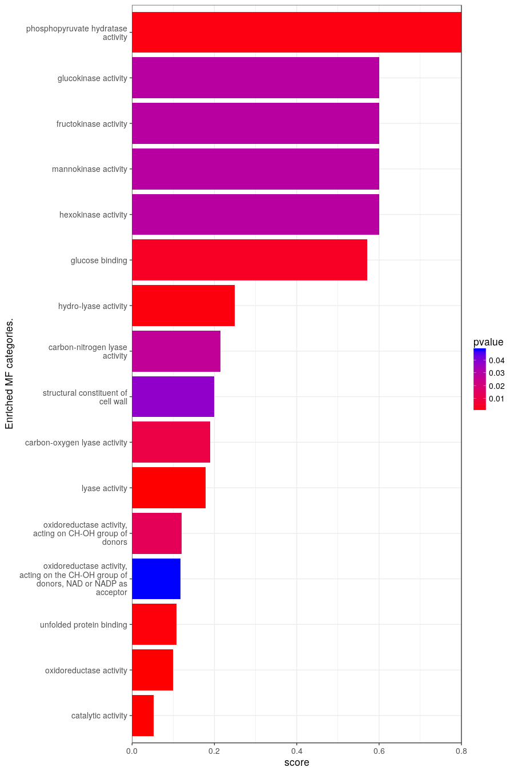
MF Results from GO_MF.
query.number | significant | p.value | term.size | query.size | overlap.size | precision | recall | term.id | domain | subgraph.number | term.name | relative.depth | intersection
1 | TRUE | 0.00000249 | 2202 | 219 | 116 | 0.53 | 0.053 | GO:0003824 | MF | 11 | catalytic activity | 1 | SSA1,BDH1,BDH2,YAT1,FMT1,PIM1,SCO1,TIP1,TKL2,TPS1,GLK1,CHA1,BUD23,PTC6,GPD1,CDC48,SFA1,TPS2,MHR1,MRP1,EMI2,URA3,RML2,DSF1,HEM14,AFG3,PHM8,RAD51,SSA4,SNZ3,DDI2,YFL066C,HXK1,ATE1,RCK1,IMO32,NQM1,PDC6,CTT1,PCP1,SKN1,SOL4,ENO1,COQ6,GND2,RAD2,YHL018W,DIA4,MAS2,PUT2,MTG2,IMD2,SGA1,YIL108W,KGD1,GUT2,POT1,DAL1,IRC24,MEF2,BNA2,BAT2,MDH1,SRX1,FMP46,CCP1,SSA2,HSP104,PDC1,MEF1,PUT1,HMX1,FRE1,GSY2,HSP60,CDA1,CAR2,RAD52,CYB2,DAK1,TSL1,NDI1,FET3,NAT4,YPK2,PGM2,NDE1,ALD3,YMR196W,GAD1,PRE5,SNO4,ERR3,SPS19,GOR1,SNZ2,DDI3,ATP23,ABZ1,COQ2,FRE7,VHS3,PDR5,DCS2,ALD4,HSP33,ERR1,MSY1,CAR1,COX10,HSP82,HSP32,ERR2,PDH1,GPH1,QCR2
1 | TRUE | 0.00000505 | 332 | 210 | 33 | 0.157 | 0.099 | GO:0016491 | MF | 11 | oxidoreductase activity | 2 | BDH1,BDH2,SCO1,GPD1,SFA1,MRP1,DSF1,HEM14,CTT1,COQ6,GND2,PUT2,IMD2,KGD1,GUT2,IRC24,BNA2,MDH1,SRX1,FMP46,CCP1,PUT1,HMX1,FRE1,CYB2,NDI1,FET3,NDE1,ALD3,SPS19,GOR1,FRE7,ALD4
1 | TRUE | 0.000703 | 83 | 81 | 9 | 0.111 | 0.108 | GO:0051082 | MF | 19 | unfolded protein binding | 1 | SSA1,HSP42,MDJ1,HSP104,HSP60,SIS1,HSP33,HSP82,HSP32
1 | TRUE | 0.048 | 77 | 145 | 9 | 0.062 | 0.117 | GO:0016616 | MF | 11 | oxidoreductase activity, acting on the CH-OH group of donors, NAD or NADP as acceptor | 4 | BDH1,BDH2,GPD1,SFA1,DSF1,GND2,IMD2,MDH1,GOR1
1 | TRUE | 0.0136 | 83 | 145 | 10 | 0.069 | 0.12 | GO:0016614 | MF | 11 | oxidoreductase activity, acting on CH-OH group of donors | 3 | BDH1,BDH2,GPD1,SFA1,DSF1,GND2,IMD2,MDH1,CYB2,GOR1
1 | TRUE | 1.84E-08 | 107 | 168 | 19 | 0.113 | 0.178 | GO:0016829 | MF | 11 | lyase activity | 2 | CHA1,URA3,SNZ3,DDI2,PDC6,ENO1,YHL018W,PDC1,GAD1,SNO4,ERR3,SNZ2,DDI3,VHS3,HSP33,ERR1,HSP32,ERR2,PDH1
1 | TRUE | 0.00996 | 42 | 168 | 8 | 0.048 | 0.19 | GO:0016835 | MF | 11 | carbon-oxygen lyase activity | 3 | DDI2,ENO1,YHL018W,ERR3,DDI3,ERR1,ERR2,PDH1
1 | TRUE | 0.0376 | 15 | 29 | 3 | 0.103 | 0.2 | GO:0005199 | MF | 8 | structural constituent of cell wall | 1 | TIP1,CWP1,PIR3
1 | TRUE | 0.0269 | 14 | 28 | 3 | 0.107 | 0.214 | GO:0016840 | MF | 11 | carbon-nitrogen lyase activity | 3 | CHA1,SNZ3,SNZ2
1 | TRUE | 0.0011 | 32 | 168 | 8 | 0.048 | 0.25 | GO:0016836 | MF | 11 | hydro-lyase activity | 4 | DDI2,ENO1,YHL018W,ERR3,DDI3,ERR1,ERR2,PDH1
1 | TRUE | 0.00395 | 7 | 121 | 4 | 0.033 | 0.571 | GO:0005536 | MF | 16 | glucose binding | 1 | GLK1,SNF3,EMI2,HXK1
1 | TRUE | 0.0291 | 5 | 92 | 3 | 0.033 | 0.6 | GO:0004396 | MF | 9 | hexokinase activity | 1 | GLK1,EMI2,HXK1
1 | TRUE | 0.0291 | 5 | 92 | 3 | 0.033 | 0.6 | GO:0019158 | MF | 9 | mannokinase activity | 2 | GLK1,EMI2,HXK1
1 | TRUE | 0.0291 | 5 | 92 | 3 | 0.033 | 0.6 | GO:0008865 | MF | 9 | fructokinase activity | 2 | GLK1,EMI2,HXK1
1 | TRUE | 0.0291 | 5 | 92 | 3 | 0.033 | 0.6 | GO:0004340 | MF | 9 | glucokinase activity | 2 | GLK1,EMI2,HXK1
1 | TRUE | 0.00135 | 5 | 148 | 4 | 0.027 | 0.8 | GO:0004634 | MF | 11 | phosphopyruvate hydratase activity | 5 | ENO1,ERR3,ERR1,ERR2

GO_CC
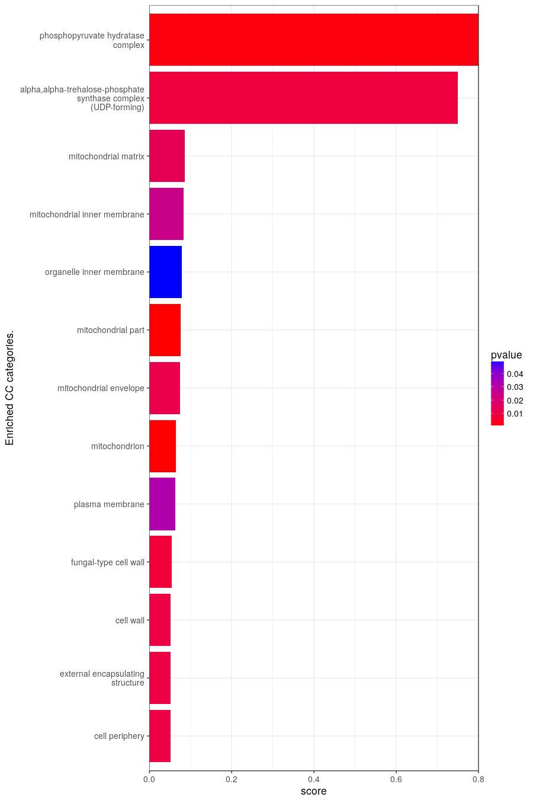
CC Results from GO_CC.
query.number | significant | p.value | term.size | query.size | overlap.size | precision | recall | term.id | domain | subgraph.number | term.name | relative.depth | intersection
1 | TRUE | 0.00997 | 781 | 173 | 41 | 0.237 | 0.052 | GO:0071944 | CC | 3 | cell periphery | 1 | SSA1,YRO2,TIP1,GLK1,HSP30,SNF3,RTN2,FMP45,HXT7,HXT6,SIT1,SPI1,HSP12,DCV1,SIP2,ENO1,GND2,BCY1,NCA3,HXT9,CWP1,PIR3,SSA2,CDA1,MSC1,EIS1,FET3,YNL194C,ALP1,MSB3,YOL047C,PHM7,FRE7,HXT11,PDR5,PNS1,PUT4,FIT2,FIT3,CTR1,TDA6
1 | TRUE | 0.00989 | 116 | 29 | 6 | 0.207 | 0.052 | GO:0030312 | CC | 3 | external encapsulating structure | 2 | TIP1,NCA3,CWP1,PIR3,FIT2,FIT3
1 | TRUE | 0.00989 | 116 | 29 | 6 | 0.207 | 0.052 | GO:0005618 | CC | 3 | cell wall | 3 | TIP1,NCA3,CWP1,PIR3,FIT2,FIT3
1 | TRUE | 0.00766 | 111 | 29 | 6 | 0.207 | 0.054 | GO:0009277 | CC | 3 | fungal-type cell wall | 4 | TIP1,NCA3,CWP1,PIR3,FIT2,FIT3
1 | TRUE | 0.0323 | 525 | 195 | 33 | 0.169 | 0.063 | GO:0005886 | CC | 3 | plasma membrane | 1 | SSA1,YRO2,AGP2,GLK1,HSP30,SNF3,FMP45,HXT7,HXT6,SIT1,HSP12,DCV1,SIP2,SKN1,ENO1,GND2,BCY1,HXT9,SSA2,FRE1,MSC1,EIS1,FET3,YNL194C,ALP1,MSB3,PHM7,FRE7,HXT11,PDR5,PNS1,PUT4,CTR1
1 | TRUE | 0.0000207 | 1179 | 229 | 76 | 0.332 | 0.064 | GO:0005739 | CC | 6 | mitochondrion | 1 | YAT1,FMT1,PIM1,SCO1,YRO2,NPL4,RIM2,CHA1,PTC6,GPD1,CDC48,SFA1,FMP45,TPS2,MHR1,HXT7,HXT6,MRP1,ATO3,YDR514C,RML2,HEM14,AFG3,PET122,MDJ1,HXK1,MTO1,IMO32,CTT1,PCP1,ENO1,COQ6,YHL018W,DIA4,MAS2,PUT2,NAM8,MTG2,YIA6,YIL077C,KGD1,OM45,GUT2,POT1,MEF2,NCA3,RSM7,BAT2,MDH1,FMP46,CCP1,SSA2,MEF1,PUT1,HSP60,DIC1,YML6,CYB2,NDI1,MSC1,EIS1,NDE1,MRPL19,YNL195C,GOR1,AIM38,ATP23,COQ2,CRC1,PDR5,ALD4,MSY1,ODC1,COX10,PDH1,QCR2
1 | TRUE | 0.0114 | 430 | 215 | 32 | 0.149 | 0.074 | GO:0005740 | CC | 6 | mitochondrial envelope | 3 | YAT1,SCO1,NPL4,RIM2,PTC6,CDC48,HEM14,AFG3,PET122,MDJ1,PCP1,COQ6,MAS2,PUT2,MTG2,YIA6,OM45,GUT2,POT1,CCP1,DIC1,CYB2,NDI1,NDE1,AIM38,ATP23,COQ2,CRC1,ODC1,COX10,PDH1,QCR2
1 | TRUE | 0.0000478 | 615 | 219 | 47 | 0.215 | 0.076 | GO:0044429 | CC | 6 | mitochondrial part | 2 | YAT1,PIM1,SCO1,NPL4,RIM2,CHA1,PTC6,CDC48,MHR1,MRP1,RML2,HEM14,AFG3,PET122,MDJ1,PCP1,COQ6,DIA4,MAS2,PUT2,MTG2,YIA6,KGD1,OM45,GUT2,POT1,RSM7,MDH1,CCP1,PUT1,HSP60,DIC1,YML6,CYB2,NDI1,NDE1,MRPL19,AIM38,ATP23,COQ2,CRC1,ALD4,MSY1,ODC1,COX10,PDH1,QCR2
1 | TRUE | 0.0493 | 265 | 197 | 21 | 0.107 | 0.079 | GO:0019866 | CC | 14 | organelle inner membrane | 1 | YAT1,SCO1,HEM14,AFG3,PET122,MDJ1,PCP1,COQ6,MAS2,PUT2,MTG2,YIA6,GUT2,DIC1,NDI1,AIM38,ATP23,COQ2,CRC1,ODC1,QCR2
1 | TRUE | 0.0246 | 253 | 197 | 21 | 0.107 | 0.083 | GO:0005743 | CC | 14 | mitochondrial inner membrane | 2 | YAT1,SCO1,HEM14,AFG3,PET122,MDJ1,PCP1,COQ6,MAS2,PUT2,MTG2,YIA6,GUT2,DIC1,NDI1,AIM38,ATP23,COQ2,CRC1,ODC1,QCR2
1 | TRUE | 0.013 | 221 | 183 | 19 | 0.104 | 0.086 | GO:0005759 | CC | 6 | mitochondrial matrix | 3 | PIM1,CHA1,PTC6,RML2,MDJ1,DIA4,MAS2,PUT2,KGD1,RSM7,MDH1,CCP1,PUT1,HSP60,YML6,NDI1,MRPL19,ALD4,MSY1
1 | TRUE | 0.00819 | 4 | 82 | 3 | 0.037 | 0.75 | GO:0005946 | CC | 20 | alpha,alpha-trehalose-phosphate synthase complex (UDP-forming) | 1 | TPS1,TPS2,TSL1
1 | TRUE | 0.00135 | 5 | 148 | 4 | 0.027 | 0.8 | GO:0000015 | CC | 7 | phosphopyruvate hydratase complex | 1 | ENO1,ERR3,ERR1,ERR2

KEGG
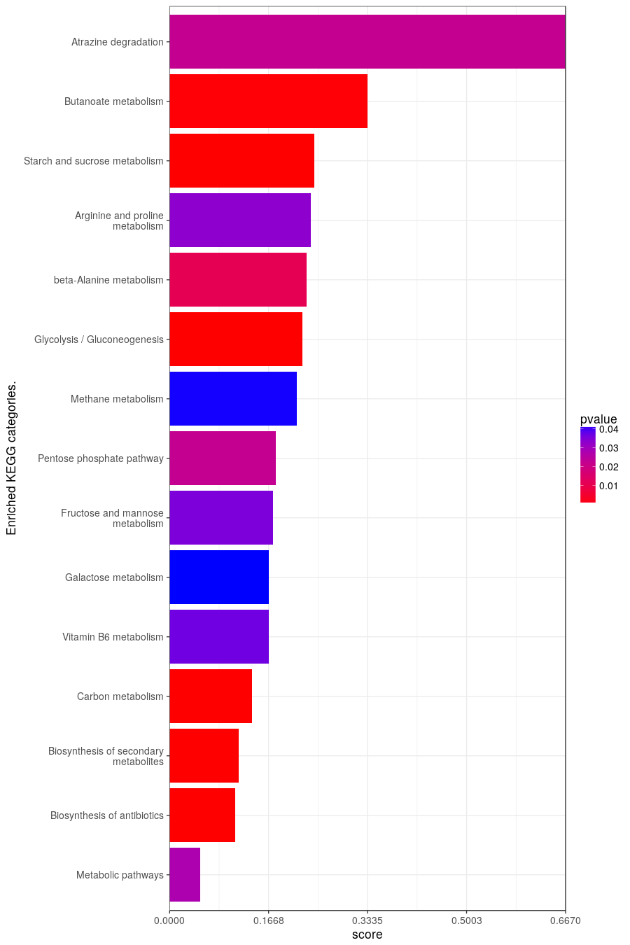
Results from KEGG.
query.number | significant | p.value | term.size | query.size | overlap.size | precision | recall | term.id | domain | subgraph.number | term.name | relative.depth | intersection
1 | TRUE | 0.0277 | 719 | 149 | 37 | 0.248 | 0.051 | KEGG:01100 | keg | 14 | Metabolic pathways | 1 | TKL2,TPS1,GLK1,CHA1,SFA1,TPS2,EMI2,URA3,HEM14,HXK1,NQM1,PDC6,SOL4,ENO1,GND2,PUT2,IMD2,SGA1,POT1,DAL1,BNA2,BAT2,MDH1,PDC1,GSY2,CDA1,CYB2,TSL1,PGM2,ALD3,GAD1,ERR3,GOR1,ALD4,ERR1,ERR2,GPH1
1 | TRUE | 0.0000424 | 228 | 183 | 25 | 0.137 | 0.11 | KEGG:01130 | keg | 13 | Biosynthesis of antibiotics | 1 | TKL2,GLK1,CHA1,SFA1,EMI2,HXK1,NQM1,PDC6,CTT1,SOL4,ENO1,GND2,KGD1,POT1,BAT2,MDH1,PDC1,PUT1,CAR2,PGM2,ERR3,ALD4,ERR1,CAR1,ERR2
1 | TRUE | 6.07E-08 | 301 | 190 | 35 | 0.184 | 0.116 | KEGG:01110 | keg | 3 | Biosynthesis of secondary metabolites | 1 | TKL2,GLK1,CHA1,GPD1,SFA1,EMI2,HEM14,HXK1,NQM1,PDC6,CTT1,SOL4,ENO1,COQ6,GND2,IMD2,KGD1,GUT2,POT1,BAT2,MDH1,PDC1,PUT1,CAR2,PGM2,ALD3,GAD1,ERR3,GOR1,COQ2,ALD4,ERR1,CAR1,ERR2,GPH1
1 | TRUE | 0.0000484 | 115 | 164 | 16 | 0.098 | 0.139 | KEGG:01200 | keg | 15 | Carbon metabolism | 1 | TKL2,GLK1,CHA1,SFA1,EMI2,HXK1,NQM1,CTT1,SOL4,ENO1,GND2,KGD1,MDH1,ERR3,ERR1,ERR2
1 | TRUE | 0.0366 | 12 | 28 | 2 | 0.071 | 0.167 | KEGG:00750 | keg | 2 | Vitamin B6 metabolism | 1 | SNZ3,SNZ2
1 | TRUE | 0.0416 | 24 | 92 | 4 | 0.043 | 0.167 | KEGG:00052 | keg | 4 | Galactose metabolism | 1 | GLK1,EMI2,HXK1,PGM2
1 | TRUE | 0.0352 | 23 | 92 | 4 | 0.043 | 0.174 | KEGG:00051 | keg | 7 | Fructose and mannose metabolism | 1 | GLK1,EMI2,DSF1,HXK1
1 | TRUE | 0.0223 | 28 | 127 | 5 | 0.039 | 0.179 | KEGG:00030 | keg | 1 | Pentose phosphate pathway | 1 | TKL2,NQM1,SOL4,GND2,PGM2
1 | TRUE | 0.0414 | 28 | 216 | 6 | 0.028 | 0.214 | KEGG:00680 | keg | 11 | Methane metabolism | 1 | SFA1,ENO1,DAK1,ERR3,ERR1,ERR2
1 | TRUE | 0.000000583 | 58 | 149 | 13 | 0.087 | 0.224 | KEGG:00010 | keg | 5 | Glycolysis / Gluconeogenesis | 1 | GLK1,SFA1,EMI2,HXK1,PDC6,ENO1,PDC1,PGM2,ALD3,ERR3,ALD4,ERR1,ERR2
1 | TRUE | 0.0112 | 13 | 62 | 3 | 0.048 | 0.231 | KEGG:00410 | keg | 6 | beta-Alanine metabolism | 1 | ALD3,GAD1,ALD4
1 | TRUE | 0.0331 | 21 | 183 | 5 | 0.027 | 0.238 | KEGG:00330 | keg | 9 | Arginine and proline metabolism | 1 | PUT2,PUT1,CAR2,ALD4,CAR1
1 | TRUE | 0.000000166 | 41 | 92 | 10 | 0.109 | 0.244 | KEGG:00500 | keg | 8 | Starch and sucrose metabolism | 1 | TPS1,GLK1,TPS2,EMI2,HXK1,SGA1,GSY2,TSL1,PGM2,GPH1
1 | TRUE | 0.000336 | 9 | 33 | 3 | 0.091 | 0.333 | KEGG:00650 | keg | 12 | Butanoate metabolism | 1 | BDH1,BDH2,GAD1
1 | TRUE | 0.0223 | 3 | 78 | 2 | 0.026 | 0.667 | KEGG:00791 | keg | 10 | Atrazine degradation | 1 | DDI2,DDI3

transcription_factor
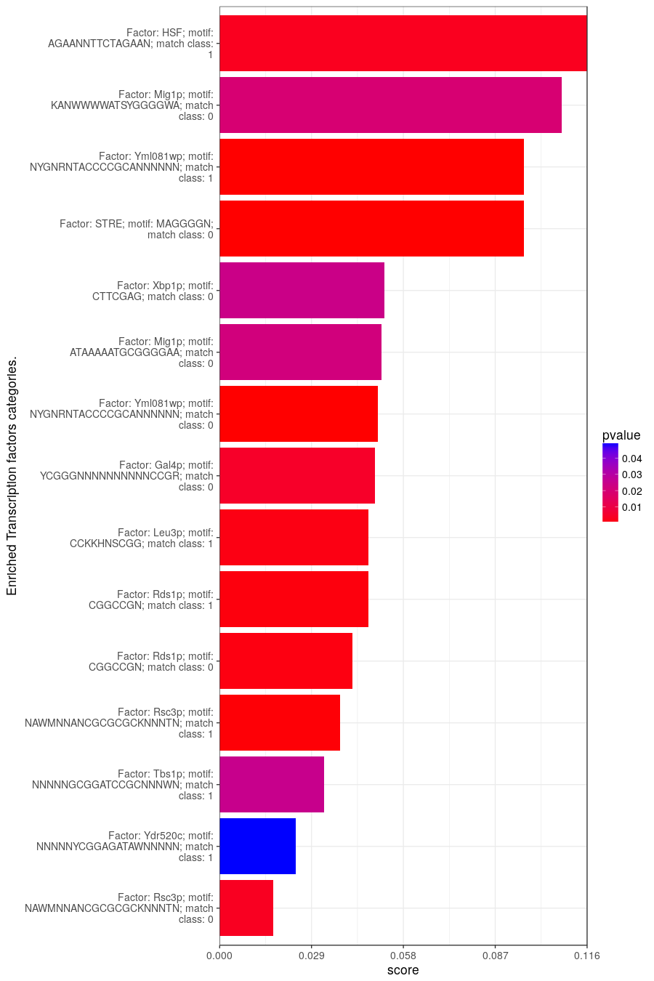
Results from transcription_factor.
query.number | significant | p.value | term.size | query.size | overlap.size | precision | recall | term.id | domain | subgraph.number | term.name | relative.depth | intersection
1 | TRUE | 0.00335 | 2785 | 71 | 46 | 0.648 | 0.017 | TF:M01551_0 | tf | 7 | Factor: Rsc3p; motif: NAWMNNANCGCGCGCKNNNTN; match class: 0 | 1 | BDH1,BDH2,IMD1,SCO1,TPS1,SSE2,GLK1,CHA1,HSP42,RML2,SIT1,DSF1,HSP12,MDJ1,SNZ3,HXK1,NQM1,PDC6,SGA1,XBP1,NCA3,CWP1,PIR3,CCP1,HSP104,TFS1,HSP60,DIC1,CYB2,ALD3,SNO4,ERR3,SPS19,SNZ2,PHM7,PNS1,DCS2,ALD4,FIT2,FIT3,HSP33,ERR1,HSP82,HSP32,REC8,TDA6
1 | TRUE | 0.0485 | 3194 | 122 | 76 | 0.623 | 0.024 | TF:M01521_1 | tf | 5 | Factor: Ydr520c; motif: NNNNNYCGGAGATAWNNNNN; match class: 1 | 1 | SSA1,BDH1,IMD1,SCO1,YRO2,TPS1,GLK1,SNF3,RTN2,YDR215C,HXT7,URA3,UTR5,SIT1,DSF1,GIP2,HSP12,MDJ1,YFL054C,DDI2,DCV1,HXK1,RCK1,CTT1,AMA1,GND2,IMD2,POT1,NCA3,HXT9,BNA2,SRX1,YKL151C,CCP1,HSP104,TFS1,GSY2,DIC1,YML6,CYB2,TSL1,FET3,YPK2,PGM2,NDE1,YMR244W,SNO4,ERR3,SIS1,YNL194C,SPS19,BSC4,ALP1,GOR1,DDI3,ATP23,YOL047C,DDR2,PHM7,HXT11,STI1,PNS1,DCS2,YOR223W,ALD4,FIT3,HSP33,ERR1,ODC1,GRE1,HSP82,HSP32,ERR2,REC8,CTR1,TDA6
1 | TRUE | 0.025 | 3006 | 170 | 98 | 0.576 | 0.033 | TF:M01579_1 | tf | 4 | Factor: Tbs1p; motif: NNNNNGCGGATCCGCNNNWN; match class: 1 | 1 | BDH1,TDA8,FMT1,PIM1,SCO1,SMP1,CHA1,HSP30,PTC6,FMP45,TPS2,HXT7,HXT6,PAC11,EMI2,UTR5,DSF1,HEM14,AFG3,SPI1,HSP12,MDJ1,YFL054C,DDI2,YFL066C,YFL067W,SRM1,NQM1,CTT1,SOL4,ENO1,YHL018W,MAS2,PUT2,IMD2,SGA1,XBP1,KGD1,OM45,POT1,DAL1,YJL144W,BNA2,BAT2,MDH1,SRX1,CWP1,PIR3,HSP104,PDC1,TFS1,HMX1,GSY2,HSP60,CDA1,DIC1,CAR2,RAD52,TSL1,MSC1,EIS1,FET3,NAT4,YMR103C,YPK2,YMR244W,SNO4,ERR3,PHO23,YNL184C,MRPL19,SPS19,GOR1,DDI3,AIM38,ABZ1,YOL047C,DDR2,PHM7,FRE7,VHS3,PDR5,PUT4,ALD4,FIT2,HSP33,ERR1,ODC1,GRE1,YPL247C,HSP32,ERR2,PDH1,REC8,CTR1,URN1,TDA6,GPH1
1 | TRUE | 0.00046 | 1773 | 161 | 68 | 0.422 | 0.038 | TF:M01551_1 | tf | 7 | Factor: Rsc3p; motif: NAWMNNANCGCGCGCKNNNTN; match class: 1 | 2 | SSA1,BDH1,BDH2,YAT1,IMD1,PIM1,TPS1,SAF1,GLK1,CHA1,HSP30,PTC6,GPD1,SNF3,FMP45,HSP42,EMI2,SIT1,DSF1,AFG3,SPI1,HSP12,MDJ1,SRM1,NQM1,ENO1,IMD2,BCY1,SGA1,XBP1,POT1,DAL1,NCA3,MDH1,CWP1,PIR3,PDC1,TFS1,GSY2,TSL1,FET3,NAT4,PGM2,ALD3,YMR317W,SNO4,ERR3,YNL184C,MRPL19,SPS19,AIM38,ATP23,PHM7,FRE7,PNS1,PUT4,ALD4,FIT3,HSP33,ERR1,ODC1,HSP82,HSP32,ERR2,PDH1,REC8,YPR123C,TDA6
1 | TRUE | 0.00133 | 3654 | 227 | 153 | 0.674 | 0.042 | TF:M01963_0 | tf | 9 | Factor: Rds1p; motif: CGGCCGN; match class: 0 | 1 | SSA1,BDH2,YAT1,IMD1,YAR075W,HIR1,FMT1,SHP1,YRO2,TIP1,TKL2,TPS1,AGP2,NPL4,SMP1,RIM2,SAF1,GLK1,BUD23,YCR051W,PTC6,GPD1,CDC48,SNF3,FMP45,RPS11A,TPS2,HSP42,IVY1,HXT6,ATO3,PAC11,EMI2,UTR5,DSF1,AFG3,PHM8,RAD51,SPI1,PET122,HSP12,MDJ1,BUD27,YFL054C,DDI2,YFL066C,DCV1,ATE1,YGL149W,SIP2,MTO1,CTT1,AMA1,COQ6,RAD2,MAS2,RTC3,MTG2,RPN10,IMD2,YIA6,BCY1,YIL077C,SGA1,XBP1,YIL108W,KGD1,OM45,GUT2,SQT1,DAL1,NCA3,YJL144W,BNA2,RSM7,BAT2,MDH1,SRX1,CWP1,YKL102C,PIR3,LOT5,FMP46,CCP1,GEX2,HSP104,PDC1,MEF1,BUD20,PUT1,YLR177W,TFS1,HMX1,FRE1,CDA1,DIC1,SWC7,CAR2,YML6,RAD52,DAK1,TSL1,NDI1,MSC1,FET3,NAT4,YMR103C,YPK2,PGM2,NDE1,YMR196W,YMR244W,PRE5,SNO4,ERR3,SIS1,PHO23,YNL184C,MRPL19,YNL195C,BSC4,ALP1,GOR1,MSB3,DDI3,AIM38,YOL047C,DDR2,PHM7,STI1,CIN5,VHS3,PDR5,PNS1,DCS2,YOR223W,YOR268C,PUT4,ALD4,FIT2,FIT3,CAR1,ODC1,COX10,HSP32,ERR2,PDH1,REC8,MRL1,YPR123C,CTR1,TDA6,GPH1
1 | TRUE | 0.00099 | 1795 | 214 | 85 | 0.397 | 0.047 | TF:M01963_1 | tf | 9 | Factor: Rds1p; motif: CGGCCGN; match class: 1 | 2 | BDH2,YAT1,YAR075W,FMT1,SHP1,TIP1,SMP1,GLK1,BUD23,YCR051W,PTC6,GPD1,CDC48,FMP45,TPS2,HSP42,HXT6,EMI2,DSF1,AFG3,PHM8,RAD51,PET122,HSP12,MDJ1,BUD27,ATE1,SIP2,CTT1,MAS2,RTC3,RPN10,BCY1,SGA1,XBP1,KGD1,GUT2,SQT1,DAL1,NCA3,BNA2,RSM7,MDH1,SRX1,CWP1,FMP46,CCP1,HSP104,MEF1,PUT1,TFS1,CDA1,DIC1,CAR2,RAD52,MSC1,NAT4,YPK2,YMR196W,PRE5,SNO4,ERR3,YNL184C,MRPL19,BSC4,GOR1,MSB3,AIM38,DDR2,PHM7,CIN5,PDR5,PNS1,DCS2,PUT4,ALD4,CAR1,ODC1,COX10,HSP32,ERR2,MRL1,YPR123C,CTR1,TDA6
1 | TRUE | 0.00152 | 1393 | 195 | 65 | 0.333 | 0.047 | TF:M01629_1 | tf | 1 | Factor: Leu3p; motif: CCKKHNSCGG; match class: 1 | 1 | BDH2,TDA8,YAR075W,TPS1,SMP1,CHA1,HSP30,BUD23,PTC6,FMP45,TPS2,HXT7,HXT6,SIT1,AFG3,PHM8,HSP12,MDJ1,BUD27,RCK1,NQM1,CTT1,PCP1,SKN1,MAS2,PUT2,SGA1,XBP1,KGD1,YJL144W,BNA2,RSM7,BAT2,MDH1,PIR3,CCP1,SSA2,PDC1,PUT1,YLR177W,TFS1,HMX1,FRE1,DIC1,CAR2,RAD52,TSL1,FET3,NAT4,YMR103C,YMR244W,SIS1,BSC4,GOR1,ABZ1,COQ2,DDR2,CIN5,FIT2,CAR1,ODC1,GRE1,PDH1,TDA6,GPH1
1 | TRUE | 0.00455 | 734 | 170 | 36 | 0.212 | 0.049 | TF:M01561_0 | tf | 6 | Factor: Gal4p; motif: YCGGGNNNNNNNNNNCCGR; match class: 0 | 1 | SSA1,BDH2,YAT1,CHA1,BUD23,SNF3,HXT6,SIT1,AFG3,SSA4,SPI1,YFL066C,HXK1,MAS2,RTC3,YIA6,SGA1,MDH1,CCP1,HMX1,CYB2,EIS1,PGM2,GAD1,SNO4,ERR3,GOR1,DDR2,VHS3,PDR5,PUT4,HSP33,ERR1,HSP32,ERR2,PDH1
1 | TRUE | 0.00000244 | 2042 | 214 | 102 | 0.477 | 0.05 | TF:M01536_0 | tf | 10 | Factor: Yml081wp; motif: NYGNRNTACCCCGCANNNNNN; match class: 0 | 1 | BDH1,BDH2,YAT1,IMD1,HIR1,SCO1,TIP1,TPS1,AGP2,NPL4,LSB5,GLK1,BUD23,YCR051W,GPD1,CDC48,SFA1,TPS2,HXT7,HXT6,EMI2,UTR5,DSF1,PHM8,GIP2,RAD51,SSA4,SPI1,PET122,HSP12,MDJ1,YFL054C,YFL066C,HXK1,ATE1,RCK1,IMO32,NQM1,SOL4,ENO1,GND2,RAD2,MAS2,RPN10,IMD2,BCY1,SGA1,XBP1,YIL108W,KGD1,GUT2,POT1,HXT9,RSM7,BAT2,MDH1,CWP1,YKL151C,PIR3,CCP1,SSA2,PDC1,MEF1,PUT1,YLR177W,HMX1,GSY2,DIC1,SWC7,CAR2,CYB2,TSL1,NDI1,MSC1,FET3,NDE1,YMR196W,SPS19,GOR1,AIM38,DDR2,PHM7,HXT11,CIN5,VHS3,CRC1,PDR5,PNS1,DCS2,PUT4,ALD4,FIT2,FIT3,MSY1,CAR1,COX10,HSP82,REC8,MRL1,URN1,TDA6,GPH1
1 | TRUE | 0.0215 | 593 | 175 | 30 | 0.171 | 0.051 | TF:M01708_0 | tf | 3 | Factor: Mig1p; motif: ATAAAAATGCGGGGAA; match class: 0 | 1 | BDH1,SCO1,SSE2,GLK1,SFA1,TPS2,HXT7,YDR514C,EMI2,DSF1,HEM14,YFL066C,HXK1,RCK1,NQM1,MAS2,BCY1,YKL151C,CCP1,PDC1,TSL1,BSC4,AIM38,DDR2,PHM7,FRE7,CRC1,ALD4,CAR1,URN1
1 | TRUE | 0.0238 | 650 | 191 | 34 | 0.178 | 0.052 | TF:M00683_0 | tf | 8 | Factor: Xbp1p; motif: CTTCGAG; match class: 0 | 1 | SSA1,IMD1,FMT1,SCO1,TIP1,TPS1,TPS2,AHA1,HEM14,AFG3,SPI1,YFL054C,SRM1,RCK1,IMD2,GUT2,POT1,DAL1,NCA3,RSM7,CWP1,PIR3,SSA2,GSY2,CDA1,FET3,NDE1,COQ2,CIN5,PDR5,PNS1,ODC1,CTR1,URN1
1 | TRUE | 0.0000159 | 166 | 137 | 16 | 0.117 | 0.096 | TF:M00308_0 | tf | 12 | Factor: STRE; motif: MAGGGGN; match class: 0 | 1 | FMT1,TPS1,GLK1,GPD1,HSP42,HXT6,EMI2,HSP12,MDJ1,SGA1,HSP104,CYB2,PGM2,ALD3,YNL194C,GOR1
1 | TRUE | 6.09E-09 | 470 | 228 | 45 | 0.197 | 0.096 | TF:M01536_1 | tf | 10 | Factor: Yml081wp; motif: NYGNRNTACCCCGCANNNNNN; match class: 1 | 2 | BDH1,YAT1,SCO1,GLK1,GPD1,CDC48,SFA1,HXT7,HXT6,DSF1,PHM8,SPI1,HSP12,MDJ1,HXK1,RCK1,MTO1,NQM1,SOL4,YHL008C,MAS2,RPN10,SGA1,XBP1,RSM7,CWP1,PIR3,BUD20,HMX1,GSY2,TSL1,FET3,NDE1,GOR1,LRO1,PHM7,CRC1,PNS1,PUT4,ALD4,FIT2,MSY1,CAR1,URN1,GPH1
1 | TRUE | 0.0194 | 74 | 151 | 8 | 0.053 | 0.108 | TF:M00061_0 | tf | 2 | Factor: Mig1p; motif: KANWWWWATSYGGGGWA; match class: 0 | 1 | BDH1,SNF3,GND2,BCY1,PDC1,NAT4,YNL184C,MRPL19
1 | TRUE | 0.00303 | 69 | 124 | 8 | 0.065 | 0.116 | TF:M00169_1 | tf | 11 | Factor: HSF; motif: AGAANNTTCTAGAAN; match class: 1 | 1 | SSA1,SSE2,HSP42,SSA4,LOT5,HSP104,SIS1,STI1

hp
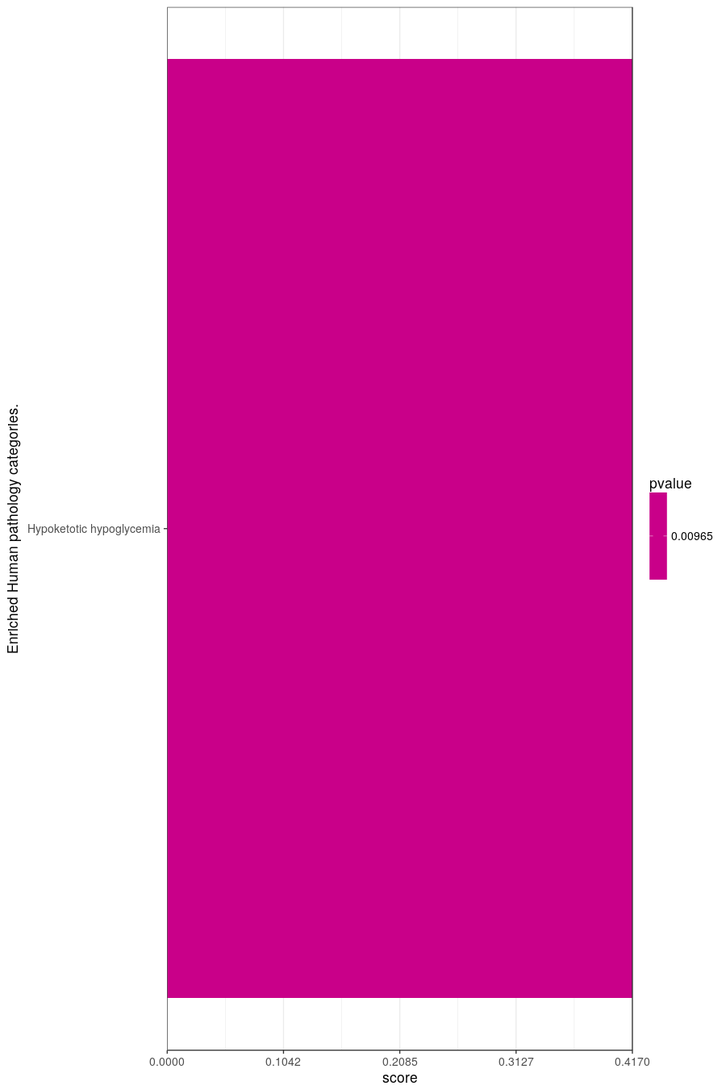
Results from hp.
query.number | significant | p.value | term.size | query.size | overlap.size | precision | recall | term.id | domain | subgraph.number | term.name | relative.depth | intersection
1 | TRUE | 0.00965 | 12 | 154 | 5 | 0.032 | 0.417 | HP:0001985 | hp | 1 | Hypoketotic hypoglycemia | 1 | YAT1,GLK1,DIC1,YPK2,CRC1

