GO_BP
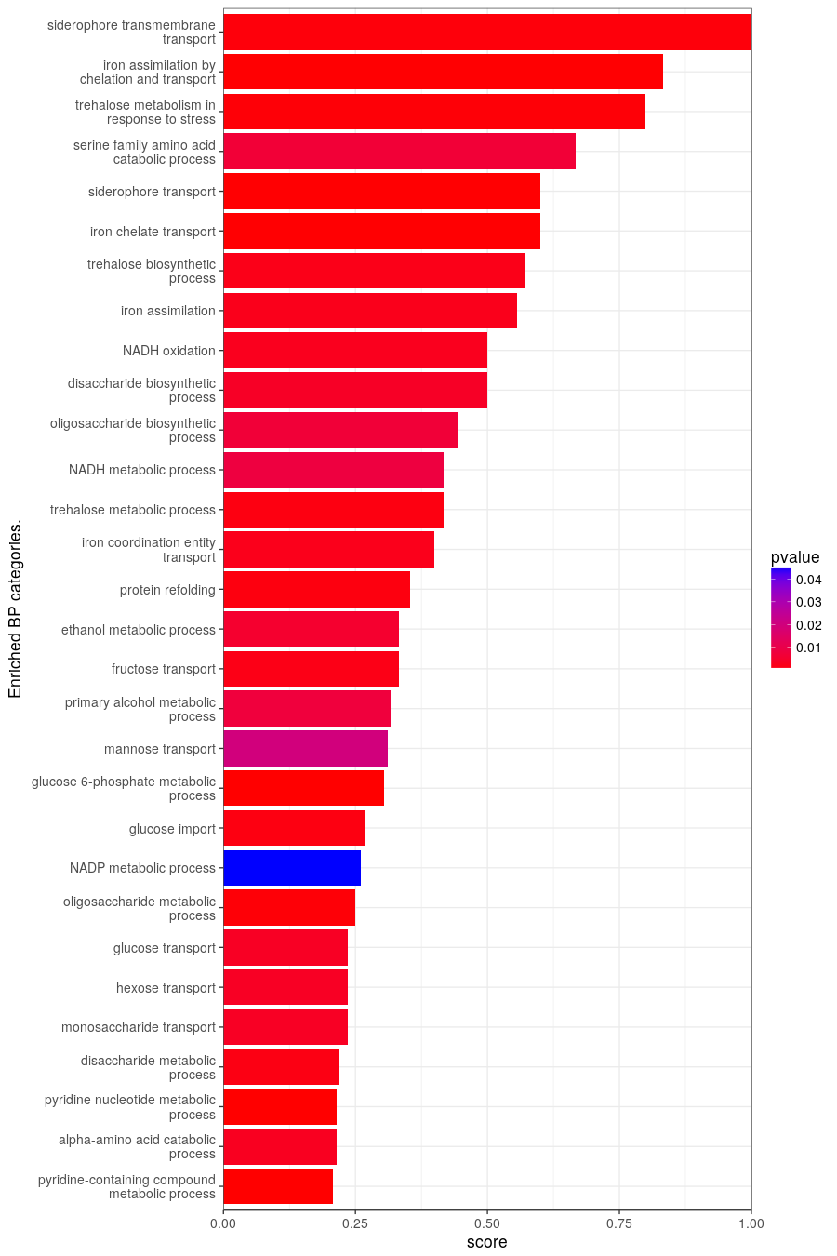
BP Results from GO_BP.
query.number | significant | p.value | term.size | query.size | overlap.size | precision | recall | term.id | domain | subgraph.number | term.name | relative.depth | intersection
1 | TRUE | 0.00416 | 876 | 186 | 47 | 0.253 | 0.054 | GO:0009056 | BP | 3 | catabolic process | 1 | SSA1,GCV3,SAF1,MAL32,GLK1,CHA1,PTC6,GPD1,GCV1,ADR1,EMI2,MDJ1,HXK1,YPS5,PDC6,CTT1,AMA1,MAL11,MAL12,GRE3,SGA1,GUT2,POT1,DAL1,BNA2,CCP1,TIS11,PUT1,HMX1,CDA1,CDA2,PGM2,ALD3,GCV2,GAD1,ADH2,ERR3,SIS1,SPS19,GOR1,GCY1,DCS2,FDH1,ALD6,ERR2,PDH1,GPH1
1 | TRUE | 0.000386 | 799 | 177 | 45 | 0.254 | 0.056 | GO:0044281 | BP | 3 | small molecule metabolic process | 1 | GCV3,BDH1,GLK1,CHA1,GPD1,GCV1,ADR1,EMI2,URA3,DSF1,THI5,SNZ3,HXK1,PNC1,NQM1,PDC6,THI4,SOL4,GND2,GRE3,IMD2,GUT2,POT1,DAL1,BNA2,PUT1,CYB2,NDI1,PGM2,NDE1,ALD3,GCV2,GAD1,ADH2,ERR3,SPS19,GOR1,SNZ2,CRC1,GCY1,ALD4,FDH1,ALD6,ERR2,PDH1
1 | TRUE | 0.000206 | 714 | 186 | 44 | 0.237 | 0.062 | GO:1901575 | BP | 3 | organic substance catabolic process | 2 | SSA1,GCV3,SAF1,MAL32,GLK1,CHA1,GPD1,GCV1,ADR1,EMI2,MDJ1,HXK1,YPS5,PDC6,AMA1,MAL11,MAL12,GRE3,SGA1,GUT2,POT1,DAL1,BNA2,TIS11,PUT1,HMX1,CDA1,CDA2,PGM2,ALD3,GCV2,GAD1,ADH2,ERR3,SIS1,SPS19,GOR1,GCY1,DCS2,FDH1,ALD6,ERR2,PDH1,GPH1
1 | TRUE | 0.0252 | 443 | 183 | 28 | 0.153 | 0.063 | GO:0006082 | BP | 3 | organic acid metabolic process | 2 | GCV3,YAT1,GLK1,CHA1,GCV1,ADR1,EMI2,HXK1,PDC6,GND2,POT1,BNA2,PUT1,CYB2,NDE1,ALD3,GCV2,GAD1,ADH2,ERR3,SPS19,GOR1,CRC1,ALD4,FDH1,ALD6,ERR2,PDH1
1 | TRUE | 0.0241 | 442 | 183 | 28 | 0.153 | 0.063 | GO:0043436 | BP | 3 | oxoacid metabolic process | 3 | GCV3,YAT1,GLK1,CHA1,GCV1,ADR1,EMI2,HXK1,PDC6,GND2,POT1,BNA2,PUT1,CYB2,NDE1,ALD3,GCV2,GAD1,ADH2,ERR3,SPS19,GOR1,CRC1,ALD4,FDH1,ALD6,ERR2,PDH1
1 | TRUE | 0.0121 | 426 | 183 | 28 | 0.153 | 0.066 | GO:0019752 | BP | 3 | carboxylic acid metabolic process | 4 | GCV3,YAT1,GLK1,CHA1,GCV1,ADR1,EMI2,HXK1,PDC6,GND2,POT1,BNA2,PUT1,CYB2,NDE1,ALD3,GCV2,GAD1,ADH2,ERR3,SPS19,GOR1,CRC1,ALD4,FDH1,ALD6,ERR2,PDH1
1 | TRUE | 0.0259 | 268 | 177 | 20 | 0.113 | 0.075 | GO:0055086 | BP | 3 | nucleobase-containing small molecule metabolic process | 2 | GLK1,GPD1,EMI2,URA3,HXK1,PNC1,NQM1,SOL4,GND2,IMD2,GUT2,DAL1,BNA2,NDI1,NDE1,ADH2,ERR3,ALD4,ALD6,ERR2
1 | TRUE | 0.0262 | 246 | 177 | 19 | 0.107 | 0.077 | GO:0006753 | BP | 3 | nucleoside phosphate metabolic process | 1 | GLK1,GPD1,EMI2,URA3,HXK1,PNC1,NQM1,SOL4,GND2,IMD2,GUT2,BNA2,NDI1,NDE1,ADH2,ERR3,ALD4,ALD6,ERR2
1 | TRUE | 0.0207 | 242 | 177 | 19 | 0.107 | 0.079 | GO:0009117 | BP | 3 | nucleotide metabolic process | 2 | GLK1,GPD1,EMI2,URA3,HXK1,PNC1,NQM1,SOL4,GND2,IMD2,GUT2,BNA2,NDI1,NDE1,ADH2,ERR3,ALD4,ALD6,ERR2
1 | TRUE | 3.73E-09 | 451 | 177 | 40 | 0.226 | 0.089 | GO:0055114 | BP | 8 | oxidation-reduction process | 1 | GCV3,BDH1,BDH2,GPD1,YDL114W,GCV1,ADR1,COX20,DIT2,DSF1,GIP2,GSY1,CTT1,GND2,GRE3,IMD2,SGA1,GUT2,POT1,BNA2,SRX1,PET10,CCP1,PUT1,HMX1,GSY2,CYB2,NDI1,PGM2,NDE1,ALD3,GCV2,ADH2,SPS19,GOR1,GCY1,ALD4,FDH1,ALD6,GPH1
1 | TRUE | 0.000000163 | 291 | 161 | 28 | 0.174 | 0.096 | GO:0005975 | BP | 3 | carbohydrate metabolic process | 1 | TPS1,MAL32,GLK1,GPD1,TPS2,EMI2,DSF1,GIP2,GSY1,HXK1,NQM1,SOL4,GND2,MAL12,GRE3,SGA1,GUT2,HSP104,GSY2,CDA1,CDA2,TSL1,PGM2,NDE1,ERR3,GCY1,ERR2,GPH1
1 | TRUE | 0.0000718 | 194 | 154 | 19 | 0.123 | 0.098 | GO:0044262 | BP | 3 | cellular carbohydrate metabolic process | 2 | TPS1,MAL32,GLK1,TPS2,EMI2,DSF1,GIP2,GSY1,HXK1,GND2,MAL12,SGA1,GUT2,HSP104,GSY2,TSL1,PGM2,GCY1,GPH1
1 | TRUE | 0.0272 | 139 | 183 | 14 | 0.077 | 0.101 | GO:1901615 | BP | 25 | organic hydroxy compound metabolic process | 1 | BDH1,YAT1,ADR1,DSF1,SNZ3,PDC6,GUT2,CYB2,NDE1,ADH2,SNZ2,GCY1,ALD4,ALD6
1 | TRUE | 0.000017 | 223 | 177 | 23 | 0.13 | 0.103 | GO:0051186 | BP | 3 | cofactor metabolic process | 1 | GLK1,GPD1,EMI2,THI5,SNZ3,HXK1,PNC1,NQM1,SOL4,GND2,ARN2,GUT2,BNA2,HMX1,NDI1,NDE1,ALD3,ADH2,ERR3,SNZ2,ALD4,ALD6,ERR2
1 | TRUE | 0.00049 | 184 | 181 | 19 | 0.105 | 0.103 | GO:0009628 | BP | 16 | response to abiotic stimulus | 1 | TPS1,SMP1,HSP30,GPD1,TPS2,AHA1,RAD51,SPI1,HSP12,MDJ1,CTT1,GRE3,YJL144W,HSP104,DDR2,CIN5,ALD6,USV1,HSP82
1 | TRUE | 0.0000846 | 180 | 183 | 20 | 0.109 | 0.111 | GO:0032787 | BP | 3 | monocarboxylic acid metabolic process | 5 | YAT1,GLK1,ADR1,EMI2,HXK1,PDC6,GND2,POT1,CYB2,NDE1,ALD3,ERR3,SPS19,GOR1,CRC1,ALD4,FDH1,ALD6,ERR2,PDH1
1 | TRUE | 0.0000104 | 182 | 177 | 21 | 0.119 | 0.115 | GO:0006732 | BP | 3 | coenzyme metabolic process | 2 | GLK1,GPD1,EMI2,THI5,SNZ3,HXK1,PNC1,NQM1,SOL4,GND2,GUT2,BNA2,NDI1,NDE1,ALD3,ADH2,ERR3,SNZ2,ALD4,ALD6,ERR2
1 | TRUE | 0.000783 | 113 | 145 | 13 | 0.09 | 0.115 | GO:0034599 | BP | 10 | cellular response to oxidative stress | 1 | TPS1,HSP30,HSP12,RCK1,NQM1,GRE3,XBP1,SRX1,CCP1,HSP104,GAD1,DDR2,GCY1
1 | TRUE | 0.0000411 | 122 | 145 | 15 | 0.103 | 0.123 | GO:0006979 | BP | 10 | response to oxidative stress | 1 | TPS1,HSP30,HSP12,RCK1,NQM1,CTT1,GRE3,XBP1,SRX1,CCP1,HSP104,HMX1,GAD1,DDR2,GCY1
1 | TRUE | 0.00707 | 52 | 92 | 7 | 0.076 | 0.135 | GO:0006090 | BP | 3 | pyruvate metabolic process | 6 | GLK1,EMI2,HXK1,PDC6,ERR3,ALD4,ERR2
1 | TRUE | 0.0483 | 60 | 189 | 9 | 0.048 | 0.15 | GO:0055072 | BP | 12 | iron ion homeostasis | 1 | GEX1,SIT1,ARN1,ARN2,GEX2,TIS11,HMX1,FIT2,FIT3
1 | TRUE | 0.00000539 | 99 | 154 | 15 | 0.097 | 0.152 | GO:0016052 | BP | 3 | carbohydrate catabolic process | 2 | MAL32,GLK1,EMI2,HXK1,MAL12,GRE3,SGA1,GUT2,CDA1,CDA2,PGM2,ERR3,GCY1,ERR2,GPH1
1 | TRUE | 0.000000108 | 129 | 196 | 21 | 0.107 | 0.163 | GO:0044282 | BP | 3 | small molecule catabolic process | 2 | GCV3,CHA1,GCV1,ADR1,PDC6,GRE3,GUT2,POT1,BNA2,PUT1,CAR2,PGM2,GCV2,GAD1,ADH2,SPS19,GOR1,GCY1,FDH1,ALD6,PDH1
1 | TRUE | 0.00000566 | 90 | 196 | 16 | 0.082 | 0.178 | GO:0016054 | BP | 3 | organic acid catabolic process | 3 | GCV3,CHA1,GCV1,ADR1,PDC6,POT1,BNA2,PUT1,CAR2,GCV2,GAD1,ADH2,SPS19,GOR1,FDH1,PDH1
1 | TRUE | 0.00000566 | 90 | 196 | 16 | 0.082 | 0.178 | GO:0046395 | BP | 3 | carboxylic acid catabolic process | 4 | GCV3,CHA1,GCV1,ADR1,PDC6,POT1,BNA2,PUT1,CAR2,GCV2,GAD1,ADH2,SPS19,GOR1,FDH1,PDH1
1 | TRUE | 0.00472 | 56 | 196 | 10 | 0.051 | 0.179 | GO:0009063 | BP | 3 | cellular amino acid catabolic process | 5 | GCV3,CHA1,GCV1,PDC6,BNA2,PUT1,CAR2,GCV2,GAD1,ADH2
1 | TRUE | 0.000000304 | 98 | 195 | 18 | 0.092 | 0.184 | GO:0006733 | BP | 3 | oxidoreduction coenzyme metabolic process | 3 | TKL2,GLK1,GPD1,EMI2,HXK1,PNC1,NQM1,SOL4,GND2,GUT2,BNA2,NDI1,NDE1,ADH2,ERR3,ALD4,ALD6,ERR2
1 | TRUE | 0.00917 | 49 | 190 | 9 | 0.047 | 0.184 | GO:0008643 | BP | 13 | carbohydrate transport | 1 | GLK1,HXT15,HXT7,HXT6,HXK1,MAL11,YIL171W,HXT9,HXT11
1 | TRUE | 0.000000162 | 83 | 195 | 17 | 0.087 | 0.205 | GO:0046496 | BP | 3 | nicotinamide nucleotide metabolic process | 5 | TKL2,GLK1,GPD1,EMI2,HXK1,NQM1,SOL4,GND2,GUT2,BNA2,NDI1,NDE1,ADH2,ERR3,ALD4,ALD6,ERR2
1 | TRUE | 2.45E-09 | 96 | 195 | 20 | 0.103 | 0.208 | GO:0072524 | BP | 3 | pyridine-containing compound metabolic process | 1 | TKL2,GLK1,GPD1,EMI2,SNZ3,HXK1,PNC1,NQM1,SOL4,GND2,GUT2,BNA2,NDI1,NDE1,ADH2,ERR3,SNZ2,ALD4,ALD6,ERR2
1 | TRUE | 0.00297 | 42 | 196 | 9 | 0.046 | 0.214 | GO:1901606 | BP | 3 | alpha-amino acid catabolic process | 1 | GCV3,CHA1,GCV1,PDC6,BNA2,PUT1,CAR2,GCV2,GAD1
1 | TRUE | 0.00000002 | 84 | 195 | 18 | 0.092 | 0.214 | GO:0019362 | BP | 3 | pyridine nucleotide metabolic process | 4 | TKL2,GLK1,GPD1,EMI2,HXK1,PNC1,NQM1,SOL4,GND2,GUT2,BNA2,NDI1,NDE1,ADH2,ERR3,ALD4,ALD6,ERR2
1 | TRUE | 0.00142 | 32 | 122 | 7 | 0.057 | 0.219 | GO:0005984 | BP | 3 | disaccharide metabolic process | 3 | TPS1,MAL32,TPS2,MAL12,HSP104,TSL1,PGM2
1 | TRUE | 0.00357 | 34 | 186 | 8 | 0.043 | 0.235 | GO:0015749 | BP | 13 | monosaccharide transport | 2 | GLK1,HXT15,HXT7,HXT6,HXK1,MAL11,HXT9,HXT11
1 | TRUE | 0.00357 | 34 | 186 | 8 | 0.043 | 0.235 | GO:0008645 | BP | 13 | hexose transport | 3 | GLK1,HXT15,HXT7,HXT6,HXK1,MAL11,HXT9,HXT11
1 | TRUE | 0.00357 | 34 | 186 | 8 | 0.043 | 0.235 | GO:0015758 | BP | 13 | glucose transport | 4 | GLK1,HXT15,HXT7,HXT6,HXK1,MAL11,HXT9,HXT11
1 | TRUE | 0.000477 | 36 | 186 | 9 | 0.048 | 0.25 | GO:0009311 | BP | 3 | oligosaccharide metabolic process | 2 | TPS1,MAL32,TPS2,MAL11,MAL12,HSP104,TSL1,PGM2,YMR196W
1 | TRUE | 0.0447 | 23 | 195 | 6 | 0.031 | 0.261 | GO:0006739 | BP | 3 | NADP metabolic process | 6 | TKL2,NQM1,SOL4,GND2,ALD4,ALD6
1 | TRUE | 0.00127 | 30 | 186 | 8 | 0.043 | 0.267 | GO:0046323 | BP | 13 | glucose import | 5 | GLK1,HXT15,HXT7,HXT6,HXK1,MAL11,HXT9,HXT11
1 | TRUE | 0.0000245 | 23 | 97 | 7 | 0.072 | 0.304 | GO:0051156 | BP | 22 | glucose 6-phosphate metabolic process | 1 | GLK1,EMI2,HXK1,NQM1,SOL4,GND2,PGM2
1 | TRUE | 0.0199 | 16 | 148 | 5 | 0.034 | 0.312 | GO:0015761 | BP | 13 | mannose transport | 4 | HXT15,HXT7,HXT6,HXT9,HXT11
1 | TRUE | 0.00757 | 19 | 177 | 6 | 0.034 | 0.316 | GO:0034308 | BP | 20 | primary alcohol metabolic process | 1 | ADR1,PDC6,NDE1,ADH2,ALD4,ALD6
1 | TRUE | 0.00173 | 18 | 148 | 6 | 0.041 | 0.333 | GO:0015755 | BP | 13 | fructose transport | 4 | HXT15,HXT7,HXT6,HXK1,HXT9,HXT11
1 | TRUE | 0.00529 | 18 | 177 | 6 | 0.034 | 0.333 | GO:0006067 | BP | 20 | ethanol metabolic process | 2 | ADR1,PDC6,NDE1,ADH2,ALD4,ALD6
1 | TRUE | 0.00108 | 17 | 146 | 6 | 0.041 | 0.353 | GO:0042026 | BP | 23 | protein refolding | 1 | SSA1,SSE2,MDJ1,HSP104,HSP60,HSP82
1 | TRUE | 0.00229 | 15 | 189 | 6 | 0.032 | 0.4 | GO:1901678 | BP | 4 | iron coordination entity transport | 1 | SIT1,ARN1,ARN2,GEX2,FIT2,FIT3
1 | TRUE | 0.00125 | 12 | 118 | 5 | 0.042 | 0.417 | GO:0005991 | BP | 3 | trehalose metabolic process | 4 | TPS1,TPS2,HSP104,TSL1,PGM2
1 | TRUE | 0.00827 | 12 | 171 | 5 | 0.029 | 0.417 | GO:0006734 | BP | 8 | NADH metabolic process | 1 | GPD1,GUT2,NDI1,NDE1,ADH2
1 | TRUE | 0.00684 | 9 | 102 | 4 | 0.039 | 0.444 | GO:0009312 | BP | 3 | oligosaccharide biosynthetic process | 3 | TPS1,TPS2,TSL1,PGM2
1 | TRUE | 0.00385 | 8 | 102 | 4 | 0.039 | 0.5 | GO:0046351 | BP | 3 | disaccharide biosynthetic process | 4 | TPS1,TPS2,TSL1,PGM2
1 | TRUE | 0.00274 | 10 | 171 | 5 | 0.029 | 0.5 | GO:0006116 | BP | 8 | NADH oxidation | 2 | GPD1,GUT2,NDI1,NDE1,ADH2
1 | TRUE | 0.00237 | 9 | 189 | 5 | 0.026 | 0.556 | GO:0033212 | BP | 17 | iron assimilation | 1 | GEX1,SIT1,ARN1,ARN2,GEX2
1 | TRUE | 0.00195 | 7 | 102 | 4 | 0.039 | 0.571 | GO:0005992 | BP | 3 | trehalose biosynthetic process | 5 | TPS1,TPS2,TSL1,PGM2
1 | TRUE | 0.000108 | 10 | 189 | 6 | 0.032 | 0.6 | GO:0015688 | BP | 4 | iron chelate transport | 2 | SIT1,ARN1,ARN2,GEX2,FIT2,FIT3
1 | TRUE | 0.000108 | 10 | 189 | 6 | 0.032 | 0.6 | GO:0015891 | BP | 4 | siderophore transport | 3 | SIT1,ARN1,ARN2,GEX2,FIT2,FIT3
1 | TRUE | 0.00652 | 6 | 168 | 4 | 0.024 | 0.667 | GO:0009071 | BP | 3 | serine family amino acid catabolic process | 2 | GCV3,CHA1,GCV1,GCV2
1 | TRUE | 0.000515 | 5 | 118 | 4 | 0.034 | 0.8 | GO:0070413 | BP | 3 | trehalose metabolism in response to stress | 5 | TPS1,TPS2,HSP104,TSL1
1 | TRUE | 0.000121 | 6 | 189 | 5 | 0.026 | 0.833 | GO:0033214 | BP | 17 | iron assimilation by chelation and transport | 2 | GEX1,SIT1,ARN1,ARN2,GEX2
1 | TRUE | 0.000748 | 4 | 189 | 4 | 0.021 | 1 | GO:0044718 | BP | 4 | siderophore transmembrane transport | 1 | SIT1,ARN1,ARN2,GEX2

GO_MF
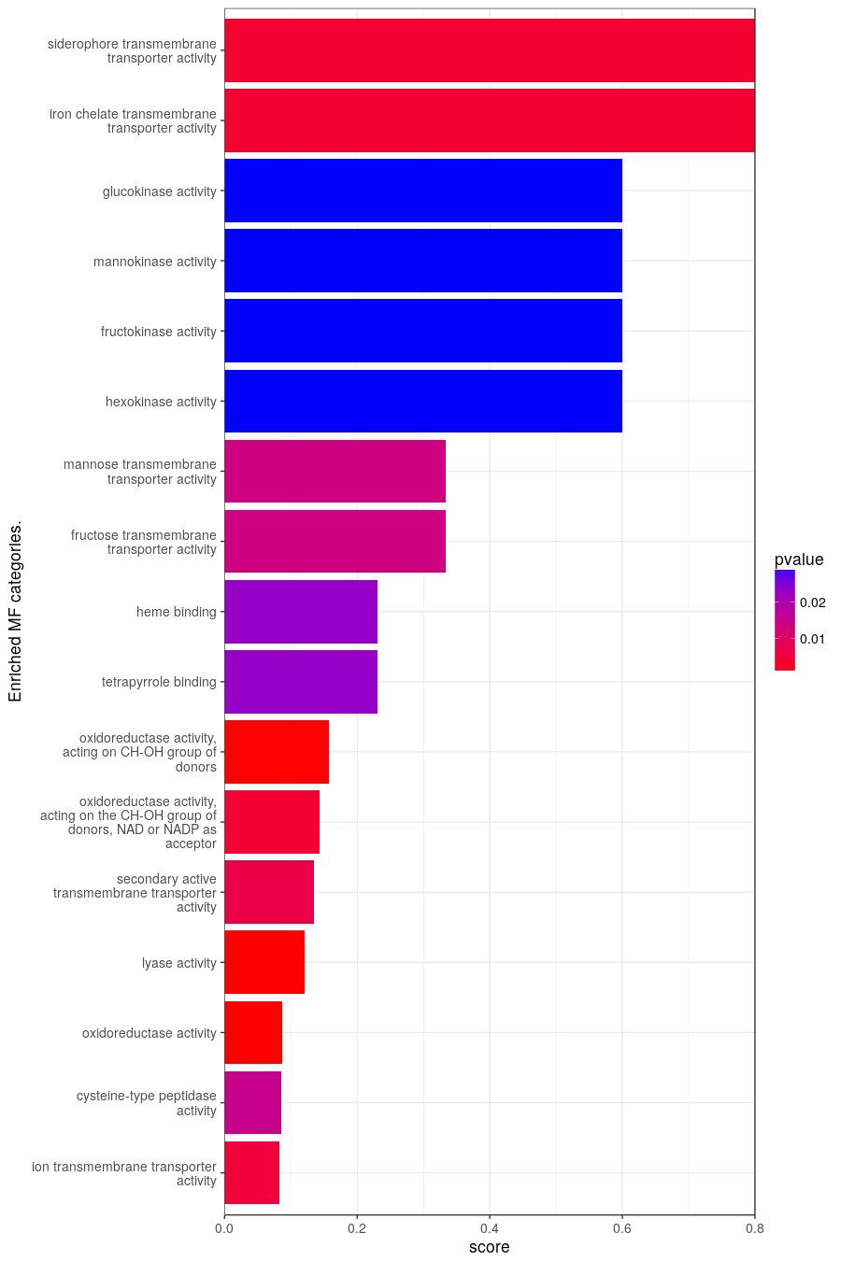
MF Results from GO_MF.
query.number | significant | p.value | term.size | query.size | overlap.size | precision | recall | term.id | domain | subgraph.number | term.name | relative.depth | intersection
1 | TRUE | 0.00507 | 264 | 189 | 22 | 0.116 | 0.083 | GO:0015075 | MF | 15 | ion transmembrane transporter activity | 1 | YRO2,AGP2,GEX1,HSP30,HXT15,HXT7,HXT6,SIT1,AGP3,MAL11,ARN1,ARN2,YIA6,HXT9,GEX2,DIC1,ALP1,HXT11,CRC1,TPO4,PUT4,ODC1
1 | TRUE | 0.0154 | 35 | 11 | 3 | 0.273 | 0.086 | GO:0008234 | MF | 1 | cysteine-type peptidase activity | 1 | SNO4,HSP33,HSP32
1 | TRUE | 0.00000864 | 332 | 177 | 29 | 0.164 | 0.087 | GO:0016491 | MF | 6 | oxidoreductase activity | 1 | BDH1,BDH2,SCO1,GPD1,YDL114W,DIT2,DSF1,CTT1,GND2,GRE3,IMD2,GUT2,BNA2,SRX1,CCP1,PUT1,HMX1,CYB2,NDI1,NDE1,ALD3,GCV2,ADH2,SPS19,GOR1,GCY1,ALD4,FDH1,ALD6
1 | TRUE | 1.74E-08 | 107 | 63 | 13 | 0.206 | 0.121 | GO:0016829 | MF | 21 | lyase activity | 1 | CHA1,URA3,SNZ3,DDI2,PDC6,GAD1,SNO4,ERR3,SNZ2,DDI3,HSP33,HSP32,ERR2
1 | TRUE | 0.00643 | 89 | 186 | 12 | 0.065 | 0.135 | GO:0015291 | MF | 11 | secondary active transmembrane transporter activity | 1 | GEX1,HXT15,HXT7,HXT6,MAL11,YIA6,HXT9,GEX2,DIC1,HXT11,CRC1,TPO4
1 | TRUE | 0.00383 | 77 | 171 | 11 | 0.064 | 0.143 | GO:0016616 | MF | 6 | oxidoreductase activity, acting on the CH-OH group of donors, NAD or NADP as acceptor | 3 | BDH1,BDH2,GPD1,DSF1,GND2,GRE3,IMD2,ADH2,GOR1,GCY1,FDH1
1 | TRUE | 0.000154 | 83 | 171 | 13 | 0.076 | 0.157 | GO:0016614 | MF | 6 | oxidoreductase activity, acting on CH-OH group of donors | 2 | BDH1,BDH2,GPD1,DSF1,GND2,GRE3,IMD2,GUT2,CYB2,ADH2,GOR1,GCY1,FDH1
1 | TRUE | 0.0228 | 26 | 153 | 6 | 0.039 | 0.231 | GO:0046906 | MF | 5 | tetrapyrrole binding | 1 | DIT2,CTT1,BNA2,CCP1,HMX1,CYB2
1 | TRUE | 0.0228 | 26 | 153 | 6 | 0.039 | 0.231 | GO:0020037 | MF | 5 | heme binding | 2 | DIT2,CTT1,BNA2,CCP1,HMX1,CYB2
1 | TRUE | 0.0139 | 15 | 148 | 5 | 0.034 | 0.333 | GO:0005353 | MF | 2 | fructose transmembrane transporter activity | 1 | HXT15,HXT7,HXT6,HXT9,HXT11
1 | TRUE | 0.0139 | 15 | 148 | 5 | 0.034 | 0.333 | GO:0015578 | MF | 19 | mannose transmembrane transporter activity | 1 | HXT15,HXT7,HXT6,HXT9,HXT11
1 | TRUE | 0.0298 | 5 | 92 | 3 | 0.033 | 0.6 | GO:0004396 | MF | 7 | hexokinase activity | 1 | GLK1,EMI2,HXK1
1 | TRUE | 0.0298 | 5 | 92 | 3 | 0.033 | 0.6 | GO:0008865 | MF | 7 | fructokinase activity | 2 | GLK1,EMI2,HXK1
1 | TRUE | 0.0298 | 5 | 92 | 3 | 0.033 | 0.6 | GO:0019158 | MF | 7 | mannokinase activity | 2 | GLK1,EMI2,HXK1
1 | TRUE | 0.0298 | 5 | 92 | 3 | 0.033 | 0.6 | GO:0004340 | MF | 7 | glucokinase activity | 2 | GLK1,EMI2,HXK1
1 | TRUE | 0.00366 | 5 | 189 | 4 | 0.021 | 0.8 | GO:0015603 | MF | 9 | iron chelate transmembrane transporter activity | 1 | SIT1,ARN1,ARN2,GEX2
1 | TRUE | 0.00366 | 5 | 189 | 4 | 0.021 | 0.8 | GO:0015343 | MF | 9 | siderophore transmembrane transporter activity | 1 | SIT1,ARN1,ARN2,GEX2

GO_CC
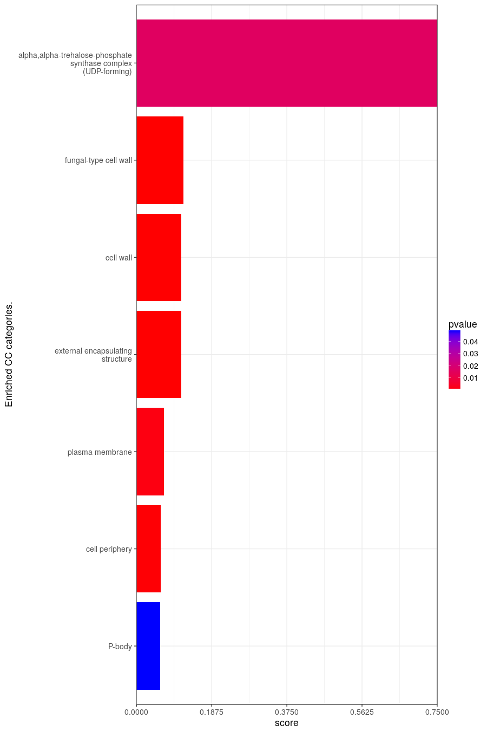
CC Results from GO_CC.
query.number | significant | p.value | term.size | query.size | overlap.size | precision | recall | term.id | domain | subgraph.number | term.name | relative.depth | intersection
1 | TRUE | 0.0484 | 51 | 11 | 3 | 0.273 | 0.059 | GO:0000932 | CC | 24 | P-body | 1 | SNO4,HSP33,HSP32
1 | TRUE | 0.000451 | 781 | 199 | 48 | 0.241 | 0.061 | GO:0071944 | CC | 18 | cell periphery | 1 | SSA1,YRO2,TIP1,AGP2,MAL32,GLK1,GEX1,HSP30,RTN2,FMP45,HXT15,HXT7,HXT6,SIT1,SPI1,HSP12,YFL051C,AGP3,DCV1,YPS5,GND2,MAL12,ARN1,ARN2,YIL171W,NCA3,HXT9,DAN1,CWP1,PIR3,STE3,GEX2,YPS1,CDA1,CDA2,MSC1,SPO20,EIS1,YNL194C,ALP1,YOL047C,PHM7,HXT11,PNS1,TPO4,PUT4,FIT2,FIT3
1 | TRUE | 0.00148 | 525 | 199 | 36 | 0.181 | 0.069 | GO:0005886 | CC | 18 | plasma membrane | 1 | SSA1,YRO2,AGP2,MAL32,GLK1,GEX1,HSP30,FMP45,HXT15,HXT7,HXT6,SIT1,HSP12,YFL051C,AGP3,DCV1,YPS5,GND2,MAL12,ARN1,ARN2,YIL171W,HXT9,STE3,GEX2,YPS1,MSC1,SPO20,EIS1,YNL194C,ALP1,PHM7,HXT11,PNS1,TPO4,PUT4
1 | TRUE | 0.000161 | 116 | 123 | 13 | 0.106 | 0.112 | GO:0030312 | CC | 18 | external encapsulating structure | 2 | SSA1,TIP1,SPI1,YPS5,NCA3,DAN1,CWP1,PIR3,CDA1,CDA2,YOL047C,FIT2,FIT3
1 | TRUE | 0.000161 | 116 | 123 | 13 | 0.106 | 0.112 | GO:0005618 | CC | 18 | cell wall | 3 | SSA1,TIP1,SPI1,YPS5,NCA3,DAN1,CWP1,PIR3,CDA1,CDA2,YOL047C,FIT2,FIT3
1 | TRUE | 0.0000949 | 111 | 123 | 13 | 0.106 | 0.117 | GO:0009277 | CC | 18 | fungal-type cell wall | 4 | SSA1,TIP1,SPI1,YPS5,NCA3,DAN1,CWP1,PIR3,CDA1,CDA2,YOL047C,FIT2,FIT3
1 | TRUE | 0.0157 | 4 | 102 | 3 | 0.029 | 0.75 | GO:0005946 | CC | 14 | alpha,alpha-trehalose-phosphate synthase complex (UDP-forming) | 1 | TPS1,TPS2,TSL1

KEGG
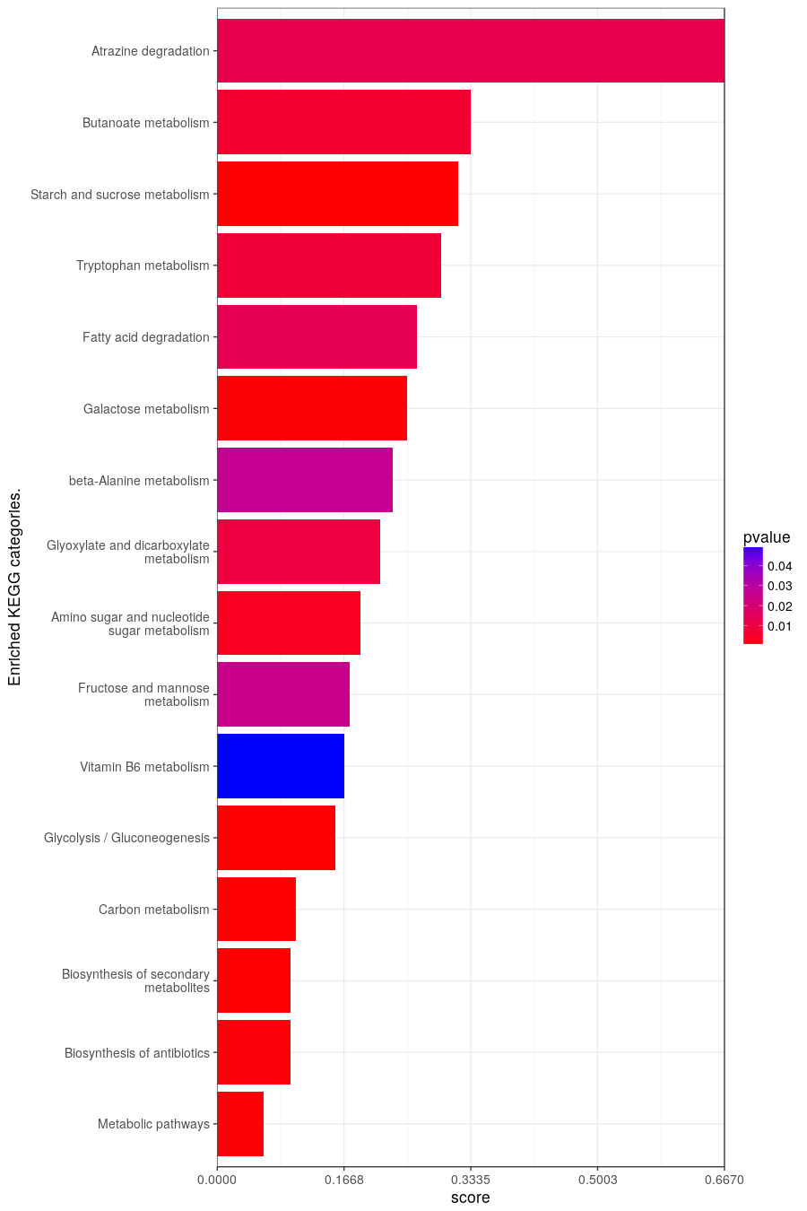
Results from KEGG.
query.number | significant | p.value | term.size | query.size | overlap.size | precision | recall | term.id | domain | subgraph.number | term.name | relative.depth | intersection
1 | TRUE | 0.000566 | 719 | 177 | 44 | 0.249 | 0.061 | KEGG:01100 | keg | 13 | Metabolic pathways | 1 | GCV3,TPS1,MAL32,GLK1,CHA1,GCV1,TPS2,EMI2,URA3,THI5,GSY1,HXK1,PNC1,NQM1,PDC6,THI4,SOL4,GND2,MAL12,GRE3,IMD2,SGA1,POT1,DAL1,BNA2,PUT1,GSY2,CDA1,CDA2,CYB2,TSL1,PGM2,ALD3,GCV2,GAD1,ADH2,ERR3,GOR1,GCY1,ALD4,FDH1,ALD6,ERR2,GPH1
1 | TRUE | 0.000856 | 228 | 196 | 22 | 0.112 | 0.096 | KEGG:01130 | keg | 10 | Biosynthesis of antibiotics | 1 | GCV3,TKL2,GLK1,CHA1,GCV1,EMI2,HXK1,NQM1,PDC6,CTT1,SOL4,GND2,POT1,PUT1,CAR2,PGM2,GCV2,ADH2,ERR3,ALD4,ALD6,ERR2
1 | TRUE | 0.0000258 | 301 | 196 | 29 | 0.148 | 0.096 | KEGG:01110 | keg | 15 | Biosynthesis of secondary metabolites | 1 | GCV3,TKL2,GLK1,CHA1,GPD1,GCV1,EMI2,HXK1,NQM1,PDC6,CTT1,SOL4,GND2,IMD2,GUT2,POT1,PUT1,CAR2,PGM2,ALD3,GCV2,GAD1,ADH2,ERR3,GOR1,ALD4,ALD6,ERR2,GPH1
1 | TRUE | 0.000207 | 115 | 111 | 12 | 0.108 | 0.104 | KEGG:01200 | keg | 14 | Carbon metabolism | 1 | GLK1,CHA1,GCV1,EMI2,HXK1,NQM1,CTT1,SOL4,GND2,ERR3,FDH1,ERR2
1 | TRUE | 0.0000493 | 58 | 97 | 9 | 0.093 | 0.155 | KEGG:00010 | keg | 5 | Glycolysis / Gluconeogenesis | 1 | GLK1,EMI2,HXK1,PDC6,PGM2,ALD3,ERR3,ALD4,ERR2
1 | TRUE | 0.0498 | 12 | 28 | 2 | 0.071 | 0.167 | KEGG:00750 | keg | 12 | Vitamin B6 metabolism | 1 | SNZ3,SNZ2
1 | TRUE | 0.0251 | 23 | 92 | 4 | 0.043 | 0.174 | KEGG:00051 | keg | 9 | Fructose and mannose metabolism | 1 | GLK1,EMI2,DSF1,HXK1
1 | TRUE | 0.00324 | 32 | 119 | 6 | 0.05 | 0.188 | KEGG:00520 | keg | 11 | Amino sugar and nucleotide sugar metabolism | 1 | GLK1,EMI2,HXK1,CDA1,CDA2,PGM2
1 | TRUE | 0.00926 | 28 | 168 | 6 | 0.036 | 0.214 | KEGG:00630 | keg | 7 | Glyoxylate and dicarboxylate metabolism | 1 | GCV3,GCV1,CTT1,GCV2,GOR1,FDH1
1 | TRUE | 0.0264 | 13 | 73 | 3 | 0.041 | 0.231 | KEGG:00410 | keg | 16 | beta-Alanine metabolism | 1 | ALD3,GAD1,ALD4
1 | TRUE | 0.00063 | 24 | 122 | 6 | 0.049 | 0.25 | KEGG:00052 | keg | 1 | Galactose metabolism | 1 | MAL32,GLK1,EMI2,HXK1,MAL12,PGM2
1 | TRUE | 0.0133 | 19 | 177 | 5 | 0.028 | 0.263 | KEGG:00071 | keg | 8 | Fatty acid degradation | 1 | DIT2,POT1,ADH2,ALD4,ALD6
1 | TRUE | 0.00749 | 17 | 177 | 5 | 0.028 | 0.294 | KEGG:00380 | keg | 3 | Tryptophan metabolism | 1 | DIT2,CTT1,BNA2,ALD4,ALD6
1 | TRUE | 2.06E-09 | 41 | 149 | 13 | 0.087 | 0.317 | KEGG:00500 | keg | 2 | Starch and sucrose metabolism | 1 | TPS1,MAL32,GLK1,TPS2,EMI2,GSY1,HXK1,MAL12,SGA1,GSY2,TSL1,PGM2,GPH1
1 | TRUE | 0.00601 | 9 | 63 | 3 | 0.048 | 0.333 | KEGG:00650 | keg | 6 | Butanoate metabolism | 1 | BDH1,BDH2,GAD1
1 | TRUE | 0.0116 | 3 | 53 | 2 | 0.038 | 0.667 | KEGG:00791 | keg | 4 | Atrazine degradation | 1 | DDI2,DDI3

transcription_factor
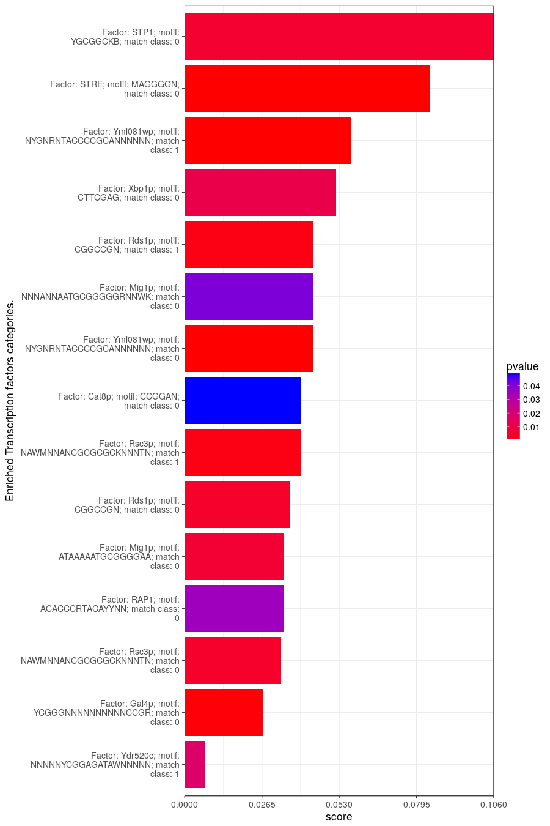
Results from transcription_factor.
query.number | significant | p.value | term.size | query.size | overlap.size | precision | recall | term.id | domain | subgraph.number | term.name | relative.depth | intersection
1 | TRUE | 0.0172 | 3194 | 26 | 21 | 0.808 | 0.007 | TF:M01521_1 | tf | 6 | Factor: Ydr520c; motif: NNNNNYCGGAGATAWNNNNN; match class: 1 | 1 | IMD1,RTN2,YDR215C,HXT7,URA3,DSF1,HSP12,DDI2,HXK1,YFR057W,CTT1,NCA3,CYB2,SNO4,ERR3,DDR2,PHM7,FIT3,HSP33,HSP32,ERR2
1 | TRUE | 0.000592 | 734 | 66 | 20 | 0.303 | 0.027 | TF:M01561_0 | tf | 7 | Factor: Gal4p; motif: YCGGGNNNNNNNNNNCCGR; match class: 0 | 1 | SSA1,BDH2,CHA1,HXT6,SPI1,YFL066C,HXK1,RTC3,SGA1,HMX1,CYB2,GAD1,SNO4,ERR3,GOR1,DDR2,PUT4,HSP33,HSP32,ERR2
1 | TRUE | 0.0052 | 2785 | 164 | 91 | 0.555 | 0.033 | TF:M01551_0 | tf | 10 | Factor: Rsc3p; motif: NAWMNNANCGCGCGCKNNNTN; match class: 0 | 1 | SSA1,BDH1,BDH2,IMD1,SCO1,TPS1,SSE2,MAL32,GLK1,CHA1,GEX1,HSP30,PTC6,GPD1,YDL114W,FMP45,GCV1,HSP42,COX20,DIT2,EMI2,SIT1,DSF1,RAD51,SPI1,HSP12,YFL015C,MDJ1,THI5,SNZ3,YFL066C,GSY1,HXK1,PNC1,NQM1,PDC6,MAL12,IMD2,SGA1,XBP1,SDP1,GUT2,DAL1,NCA3,YJR038C,DAN1,CWP1,YKL102C,PIR3,CCP1,GEX2,HSP104,TIS11,PUT1,YLR177W,TFS1,GSY2,HSP60,YLR312C,DIC1,YLR374C,CYB2,TSL1,YML133C,SPO20,PGM2,REC114,ALD3,GCV2,YMR317W,SNO4,ERR3,SNZ2,YOL047C,PHM7,GCY1,PNS1,DCS2,PUT4,ALD4,FIT2,FIT3,HSP33,ODC1,USV1,HSP82,YPL247C,HSP32,ERR2,PDH1,REC8
1 | TRUE | 0.0354 | 560 | 101 | 19 | 0.188 | 0.034 | TF:M01787_0 | tf | 3 | Factor: RAP1; motif: ACACCCRTACAYYNN; match class: 0 | 1 | SSA1,TIP1,RTN2,EMI2,HSP12,MDJ1,HXK1,YFR054C,SGA1,XBP1,DAN1,CWP1,YKL151C,YML133C,YNL194C,DDR2,CRC1,PNS1,PUT4
1 | TRUE | 0.0065 | 593 | 92 | 20 | 0.217 | 0.034 | TF:M01708_0 | tf | 11 | Factor: Mig1p; motif: ATAAAAATGCGGGGAA; match class: 0 | 1 | BDH1,SCO1,SSE2,GLK1,GEX1,HXT7,EMI2,DSF1,YFL066C,HXK1,RCK1,NQM1,YKL151C,YLR311C,TSL1,BSC4,DDR2,PHM7,CRC1,ALD4
1 | TRUE | 0.00519 | 3654 | 201 | 133 | 0.662 | 0.036 | TF:M01963_0 | tf | 8 | Factor: Rds1p; motif: CGGCCGN; match class: 0 | 1 | SSA1,GCV3,BDH2,YAT1,IMD1,YAR075W,YRO2,TIP1,TKL2,TPS1,AGP2,SMP1,SAF1,MAL32,GLK1,GEX1,PTC6,GPD1,YDL114W,FMP45,GCV1,TPS2,HSP42,ADR1,YDR230W,COX20,HXT6,EMI2,UTR5,DSF1,RAD51,SPI1,HSP12,YFL015C,MDJ1,YFL054C,DDI2,YFL065C,YFL066C,DCV1,GSY1,PNC1,CTT1,THI4,AMA1,ARN1,ARN2,RTC3,IMD2,YIA6,YIL024C,SGA1,XBP1,SDP1,OM45,GUT2,DAL1,IRC18,YJL107C,NCA3,YJL132W,YJL144W,YJL211C,BNA2,YJR115W,YJR128W,SRX1,CWP1,YKL102C,PIR3,STE3,PET10,FMP46,CCP1,GEX2,HSP104,YLL066C,YPS1,TIS11,PUT1,YLR177W,TFS1,HMX1,CDA1,YLR312C,DIC1,YLR374C,YLR416C,CAR2,TSL1,NDI1,YML122C,MSC1,YML133C,YPK2,PGM2,NDE1,GCV2,YMR196W,YMR244W,SNO4,ERR3,SIS1,YNL195C,BSC4,ALP1,GOR1,DDI3,YOL047C,DDR2,PHM7,YOL131W,STI1,CIN5,GCY1,BAG7,PNS1,DCS2,YOR223W,TPO4,PUT4,ALD4,FIT2,FIT3,ALD6,ODC1,USV1,HSP32,ERR2,PDH1,REC8,GPH1,YPR203W
1 | TRUE | 0.00157 | 1773 | 177 | 71 | 0.401 | 0.04 | TF:M01551_1 | tf | 10 | Factor: Rsc3p; motif: NAWMNNANCGCGCGCKNNNTN; match class: 1 | 2 | SSA1,BDH1,BDH2,IMD1,TPS1,SAF1,MAL32,GLK1,CHA1,GEX1,HSP30,PTC6,GPD1,FMP45,GCV1,HSP42,COX20,DIT2,EMI2,SIT1,DSF1,SPI1,HSP12,YFL015C,MDJ1,GSY1,PNC1,NQM1,MAL12,IMD2,SGA1,XBP1,SDP1,POT1,DAL1,YJL107C,NCA3,YJR038C,DAN1,CWP1,PIR3,GEX2,TIS11,PUT1,TFS1,GSY2,YLR312C,TSL1,YML133C,SPO20,PGM2,ALD3,YMR317W,SNO4,ERR3,SPS19,PHM7,GCY1,PNS1,PUT4,ALD4,FIT3,HSP33,ALD6,ODC1,USV1,HSP82,HSP32,ERR2,PDH1,REC8
1 | TRUE | 0.0484 | 1487 | 187 | 60 | 0.321 | 0.04 | TF:M01632_0 | tf | 5 | Factor: Cat8p; motif: CCGGAN; match class: 0 | 1 | SCO1,TIP1,SSE2,SAF1,MAL32,PTC6,GPD1,YDL114W,ADR1,HXT6,EMI2,URA3,SIT1,DSF1,GIP2,HSP12,YFL015C,MDJ1,YFL054C,AGP3,SNZ3,YFL065C,GSY1,HXK1,YFR057W,RCK1,NQM1,SOL4,MAL11,MAL12,DAL1,YJR128W,PET10,HSP104,YLL066C,PUT1,GSY2,CDA1,CDA2,YLR312C,YML122C,YML133C,SPO20,NDE1,YMR196W,GAD1,ADH2,SPS19,SNZ2,DDR2,GCY1,BAG7,TPO4,PUT4,GRE1,HSP82,YPL247C,REC8,GPH1,YPR203W
1 | TRUE | 0.00000577 | 2042 | 187 | 90 | 0.481 | 0.044 | TF:M01536_0 | tf | 12 | Factor: Yml081wp; motif: NYGNRNTACCCCGCANNNNNN; match class: 0 | 1 | GCV3,BDH1,BDH2,YAT1,IMD1,SCO1,TIP1,TPS1,AGP2,MAL32,GLK1,GPD1,YDL114W,HXT15,TPS2,ADR1,HXT7,HXT6,DIT2,EMI2,UTR5,DSF1,GIP2,RAD51,SPI1,HSP12,YFL015C,MDJ1,YFL054C,AGP3,YFL066C,GSY1,HXK1,PNC1,RCK1,NQM1,THI4,SOL4,GND2,MAL11,MAL12,IMD2,SGA1,XBP1,GUT2,POT1,YJL107C,HXT9,CWP1,YKL151C,PIR3,CCP1,TIS11,PUT1,YLR177W,HMX1,GSY2,YLR311C,YLR312C,DIC1,YLR374C,YLR416C,CYB2,TSL1,NDI1,MSC1,SPO20,NDE1,YMR196W,SPS19,GOR1,YNR014W,DDR2,PHM7,HXT11,CIN5,CRC1,GCY1,BAG7,PNS1,DCS2,PUT4,ALD4,FIT2,FIT3,ALD6,USV1,HSP82,REC8,GPH1
1 | TRUE | 0.0409 | 252 | 92 | 11 | 0.12 | 0.044 | TF:M01572_0 | tf | 9 | Factor: Mig1p; motif: NNNANNAATGCGGGGGRNNWK; match class: 0 | 1 | SCO1,GLK1,HXT7,EMI2,YFL066C,HXK1,RCK1,NQM1,YKL151C,DDR2,ALD4
1 | TRUE | 0.00155 | 1795 | 201 | 79 | 0.393 | 0.044 | TF:M01963_1 | tf | 8 | Factor: Rds1p; motif: CGGCCGN; match class: 1 | 2 | GCV3,BDH2,YAT1,YAR075W,TIP1,SMP1,GLK1,PTC6,GPD1,FMP45,TPS2,HSP42,ADR1,YDR230W,COX20,HXT6,EMI2,DSF1,RAD51,HSP12,YFL015C,MDJ1,YFL065C,GSY1,CTT1,THI4,ARN2,RTC3,YIL024C,SGA1,XBP1,GUT2,DAL1,YJL107C,NCA3,YJL211C,BNA2,YJR115W,YJR128W,SRX1,CWP1,STE3,PET10,FMP46,CCP1,HSP104,YLL066C,TIS11,PUT1,TFS1,CDA1,DIC1,YLR374C,CAR2,YML122C,MSC1,YPK2,YMR196W,SNO4,ERR3,BSC4,GOR1,DDR2,PHM7,YOL131W,CIN5,GCY1,BAG7,PNS1,DCS2,TPO4,PUT4,ALD4,ALD6,ODC1,USV1,HSP32,ERR2,YPR203W
1 | TRUE | 0.011 | 650 | 186 | 34 | 0.183 | 0.052 | TF:M00683_0 | tf | 4 | Factor: Xbp1p; motif: CTTCGAG; match class: 0 | 1 | SSA1,IMD1,SCO1,TIP1,TPS1,MAL32,TPS2,AHA1,SPI1,YFL054C,RCK1,YPS5,MAL11,MAL12,GRE3,IMD2,YIL024C,GUT2,POT1,DAL1,IRC18,NCA3,YJR128W,CWP1,PIR3,GSY2,CDA1,YLR416C,NDE1,CIN5,PNS1,YOR387C,FDH1,ODC1
1 | TRUE | 9.91E-10 | 470 | 89 | 27 | 0.303 | 0.057 | TF:M01536_1 | tf | 12 | Factor: Yml081wp; motif: NYGNRNTACCCCGCANNNNNN; match class: 1 | 2 | BDH1,SCO1,GLK1,HXT7,HXT6,DSF1,SPI1,HSP12,HXK1,RCK1,NQM1,SOL4,SGA1,XBP1,CWP1,PIR3,HMX1,YLR416C,TSL1,GOR1,PHM7,CRC1,PNS1,PUT4,ALD4,FIT2,GPH1
1 | TRUE | 0.00000789 | 166 | 100 | 14 | 0.14 | 0.084 | TF:M00308_0 | tf | 2 | Factor: STRE; motif: MAGGGGN; match class: 0 | 1 | TPS1,GLK1,HSP42,HXT6,EMI2,HSP12,MDJ1,SGA1,YLR416C,CYB2,PGM2,ALD3,YNL194C,GOR1
1 | TRUE | 0.00607 | 104 | 177 | 11 | 0.062 | 0.106 | TF:M01685_0 | tf | 1 | Factor: STP1; motif: YGCGGCKB; match class: 0 | 1 | IMD1,TIP1,AGP2,GLK1,GEX1,HXT6,PNC1,GEX2,PHM7,PNS1,ALD6

hp
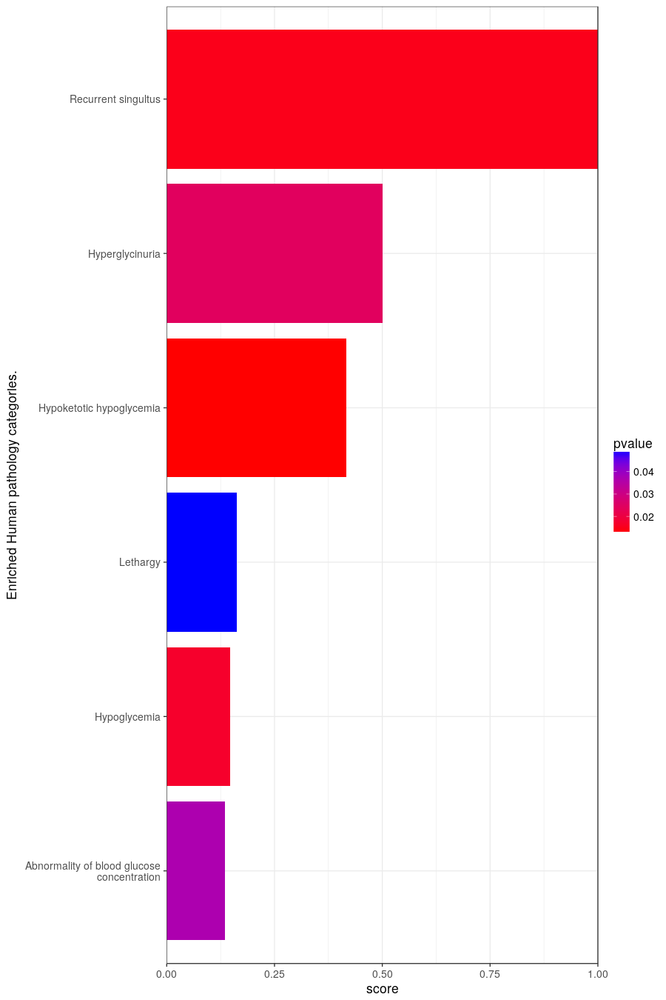
Results from hp.
query.number | significant | p.value | term.size | query.size | overlap.size | precision | recall | term.id | domain | subgraph.number | term.name | relative.depth | intersection
1 | TRUE | 0.0368 | 74 | 191 | 10 | 0.052 | 0.135 | HP:0011015 | hp | 3 | Abnormality of blood glucose concentration | 1 | YAT1,MAL32,GLK1,GSY1,MAL12,DIC1,YPK2,SPS19,CRC1,GPH1
1 | TRUE | 0.0169 | 68 | 191 | 10 | 0.052 | 0.147 | HP:0001943 | hp | 3 | Hypoglycemia | 2 | YAT1,MAL32,GLK1,GSY1,MAL12,DIC1,YPK2,SPS19,CRC1,GPH1
1 | TRUE | 0.0487 | 49 | 183 | 8 | 0.044 | 0.163 | HP:0001254 | hp | 2 | Lethargy | 1 | GCV3,YAT1,GCV1,GSY1,DAL1,DIC1,GCV2,CRC1
1 | TRUE | 0.0131 | 12 | 191 | 5 | 0.026 | 0.417 | HP:0001985 | hp | 3 | Hypoketotic hypoglycemia | 3 | YAT1,GLK1,DIC1,YPK2,CRC1
1 | TRUE | 0.0242 | 8 | 168 | 4 | 0.024 | 0.5 | HP:0003108 | hp | 1 | Hyperglycinuria | 1 | GCV3,GCV1,PUT1,GCV2
1 | TRUE | 0.0149 | 3 | 168 | 3 | 0.018 | 1 | HP:0100247 | hp | 4 | Recurrent singultus | 1 | GCV3,GCV1,GCV2

