MDA_Intertidal
Count of Suspected Microplastics for each Sediment EB or PB Sample
Sediment | Type | Sample | Fiber | Non-Fiber | All
Intertidal | PB | UNB-1-00-05-PB | 4 | 0 | 4 |  | Fiber | Non-Fiber | All
Intertidal | PB | UNB-1-05-10-PB | 1 | 0 | 1 | Nb | 8.6 | 0.5 | 9.1
Intertidal | PB | UNB-1-10-15-PB | 6 | 0 | 6 | SDb | 5.7 | 1.3 | 5.8
Intertidal | PB | UNB-1-15-20-PB | 10 | 0 | 10 | n | 31 | 31 | 31
Intertidal | PB | UNB-1-20-25-PB | 12 | 1 | 13 | MDA | 30.5 | 7.8 | 31.5
Intertidal | PB | UNB-1-25-30-PB | 19 | 0 | 19
Intertidal | PB | UNB-1-30-35-PB | 3 | 0 | 3
Intertidal | PB | UNB-1-35-40-PB | 7 | 0 | 7
Intertidal | PB | UNB-1-40-45 | 3 | 0 | 3
Intertidal | PB | UNB-3-00-05-PB | 2 | 0 | 2
Intertidal | PB | UNB-3-05-10-PB | 17 | 0 | 17
Intertidal | PB | UNB-3-1-50-55 | 11 | 0 | 11
Intertidal | PB | UNB-3-10-15-PB | 22 | 0 | 22
Intertidal | PB | UNB-3-15-20-PB | 2 | 0 | 2
Intertidal | PB | UNB-3-20-25-PB | 10 | 1 | 11
Intertidal | PB | UNB-3-25-30-PB | 9 | 0 | 9
Intertidal | PB | UNB-3-30-35-PB | 4 | 0 | 4
Intertidal | PB | UNB-3-35-40-PB | 6 | 0 | 6
Intertidal | PB | UNB-3-40-45-PB | 4 | 0 | 4
Intertidal | PB | UNB-3-45-50-PB | 2 | 0 | 2
Intertidal | PB | UNB-2-00-05-PB | 12 | 4 | 16
Intertidal | PB | UNB-2-05-10-PB | 13 | 0 | 13
Intertidal | PB | UNB-2-10-15-PB | 8 | 2 | 10
Intertidal | PB | UNB-2-15-20-PB | 11 | 0 | 11
Intertidal | PB | UNB-2-20-25-PB | 6 | 6 | 12
Intertidal | PB | UNB-2-25-30-PB
Intertidal | PB | UNB-2-30-35-PB | 21 | 0 | 21
Intertidal | PB | UNB-2-35-40-PB | 11 | 0 | 11
Intertidal | PB | UNB-2-40-45-PB | 5 | 0 | 5
Intertidal | PB | UNB-2-45-50-PB | 4 | 0 | 4
Intertidal | PB | UNB-2-50-55-PB | 12 | 0 | 12
Intertidal | PB | UNB-2-60-65-PB | 10 | 0 | 10

Intertidal | FB | UNB-1-2-FB1 | 7 | 1 | 8 |  | Fiber | Non-Fiber | All
Intertidal | FB | UNB-1-2-FB2 | 7 | 0 | 7 | Nb | 4.1 | 0.2 | 4.3
Intertidal | FB | UNB-1-2-FB3 | 7 | 0 | 7 | SDb | 3.1 | 0.4 | 3.2
Intertidal | FB | UNB-1-3-FB1 | 5 | 1 | 6 | n | 36 | 36 | 36
Intertidal | FB | UNB-1-3-FB2 | 5 | 1 | 6 | MDA | 17.6 | 4.4 | 18.1
Intertidal | FB | UNB-1-3-FB3 | 5 | 0 | 5
Intertidal | FB | UNB-1-4-FB1 | 2 | 0 | 2
Intertidal | FB | UNB-1-4-FB2 | 4 | 0 | 4 | Summed MDA | 48.1 | 12.3 | 49.6
Intertidal | FB | UNB-1-4-FB3 | 7 | 0 | 7
Intertidal | FB | UNB-1-5-FB1 | 1 | 0 | 1
Intertidal | FB | UNB-1-5-FB2 | 9 | 1 | 10
Intertidal | FB | UNB-1-5-FB3 | 17 | 0 | 17
Intertidal | FB | UNB-2-2-FB1 | 3 | 0 | 3
Intertidal | FB | UNB-2-2-FB2 | 7 | 0 | 7
Intertidal | FB | UNB-2-2-FB3 | 3 | 0 | 3
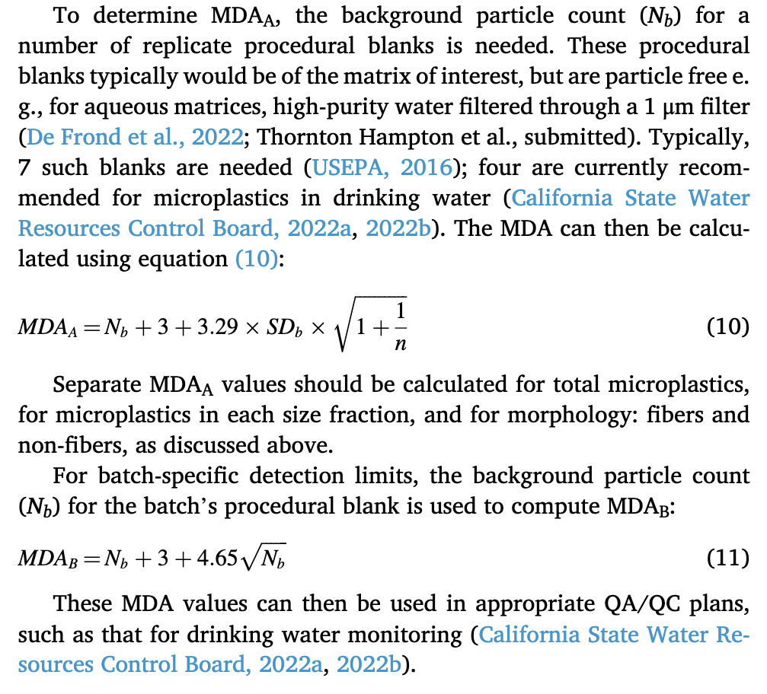
Intertidal | FB | UNB-2-3-FB1 | 3 | 0 | 3
Intertidal | FB | UNB-2-3-FB2 | 2 | 0 | 2
Intertidal | FB | UNB-2-3-FB3 | 2 | 0 | 2
Intertidal | FB | UNB-2-4-FB1 | 1 | 0 | 1
Intertidal | FB | UNB-2-4-FB2 | 2 | 0 | 2
Intertidal | FB | UNB-2-4-FB3 | 3 | 0 | 3
Intertidal | FB | UNB-2-5-FB1 | 1 | 0 | 1
Intertidal | FB | UNB-2-5-FB2 | 2 | 0 | 2
Intertidal | FB | UNB-2-5-FB3 | 4 | 0 | 4
Intertidal | FB | UNB-3-2-FB1 | 5 | 0 | 5
Intertidal | FB | UNB-3-2-FB2 | 7 | 1 | 8
Intertidal | FB | UNB-3-2-FB3 | 2 | 1 | 3
Intertidal | FB | UNB-3-3-FB1 | 2 | 0 | 2
Intertidal | FB | UNB-3-3-FB2 | 4 | 0 | 4
Intertidal | FB | UNB-3-3-FB3 | 2 | 0 | 2
Intertidal | FB | UNB-3-4-FB1 | 5 | 0 | 5
Intertidal | FB | UNB-3-4-FB2 | 6 | 0 | 6
Intertidal | FB | UNB-3-4-FB3 | 3 | 0 | 3
Intertidal | FB | UNB-3-5-FB1 | 2 | 0 | 2
Intertidal | FB | UNB-3-5-FB2 | 1 | 0 | 1
Intertidal | FB | UNB-3-5-FB3 | 1 | 0 | 1

 |  |  | Fiber | Non-Fiber | All
 |  | Nb | 6.2 | 0.3 | 6.5
 |  | SDb | 5.0 | 0.9 | 5.2
 |  | n | 67 | 67 | 67
 |  | MDA | 25.7 | 6.4 | 26.6

