Cemetary Marketing
 | Nashville City Cemeteries
 |  | -Diseases of the 1800s
Avg. Age @ Death |  |  | Featuring - Former President James K. Polk
37
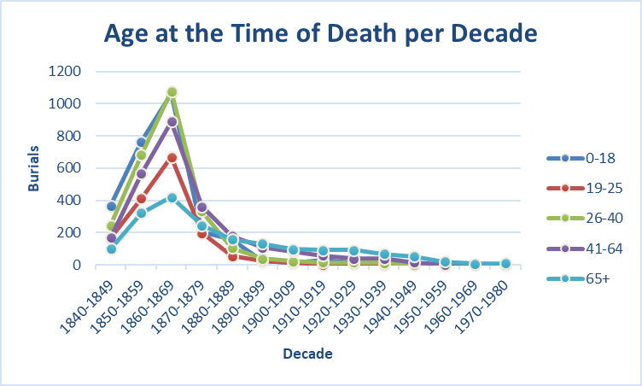
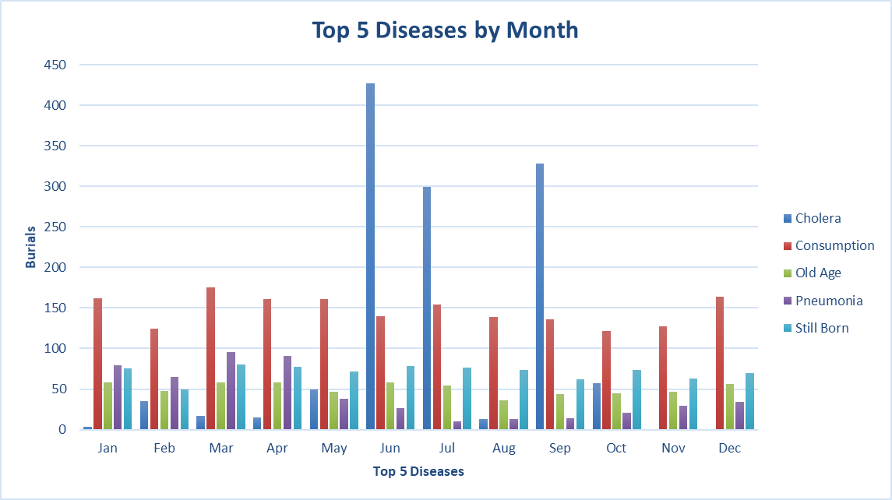

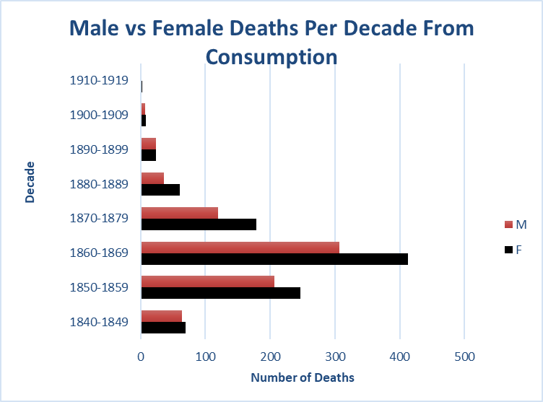
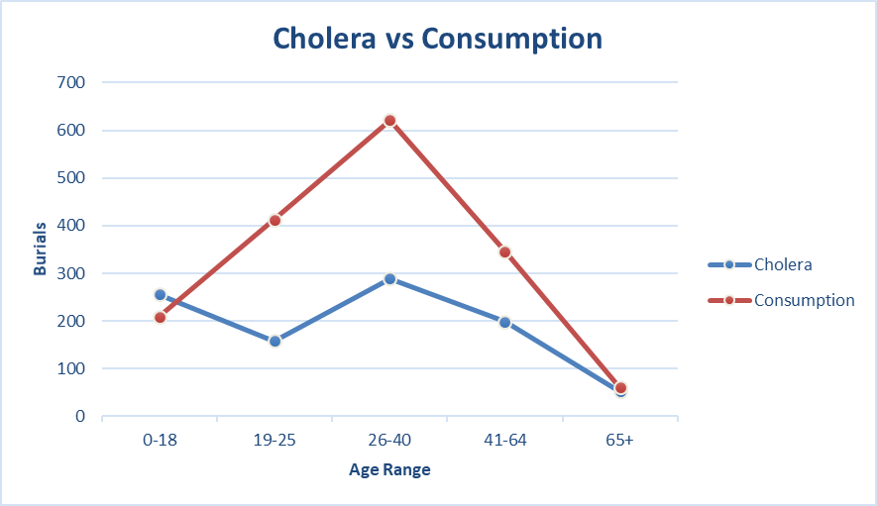

 |  |  |  | Consumption: An old and once common term for wasting away of the body, particularly from pulmonary tuberculosis (TB). Other old TB terms include the King's evil or scrofula (TB of the lymph nodes in the neck) and Pott's disease (TB of the spine).

 |  |  |  | Cholera: An infectious disease characterized by intense vomiting and profuse watery diarrhea and that rapidly leads to dehydration and often death. Cholera is caused by infection with the bacteria Vibrio cholerae, which may be transmitted via infected fecal matter, food, or water.

 |  |  |  | -Medicine.net

Known Causes
Row Labels | Count of Volume
[Torn] By Laudanum | 1 | Unknown | 2222
A fall from Buggy | 1 | Consumption | 1769
A Rat Bite | 1 | Cholera | 1244
Aali Phthis | 1 | Still Born | 852
Abaledaris | 1 | Old Age | 610
Abcese of Liver | 1 | Pneumonia | 516
Abcess | 5 | Flux | 469
Abcess of Lungs | 2 | Complication | 447
Abcess of the Bowels | 1 | Cold | 421
Abcess of the Liver | 1 | Teething | 412
Abdominal | 1 | Typhoid Fever | 312
Abdominal Tumors | 1 | Complicated | 303
Abeess of Lungs | 1
Abscess | 1
Abscess on Liver | 1
Top Ten Known Causes of Death
Absess | 4
Absess of liver | 1
Absess of Lungs | 2
Acat Digestion | 1
Accedently Killed | 1
Accident | 25
Accident Kild | 1
Accident Shot | 1
Accident, Killed | 1
Accidental Drowning | 1
Accidental fall | 1
Accidental Wound | 1
Accidental Wounds | 1
Accidentaly shot | 1
Accidently Killed | 1
Acedent | 1
Acedent Fall | 1
Acedente | 1
Acedores | 1
Acehente | 1
Acid Diathesis | 1
Acident by R.R. | 1
Acident by RR | 1
Acident Railroad | 3
Acidental Burn | 1
Acidente | 1
Acksidental Poisan | 1
Acragea Heart Dis | 1
Acute Abesses | 1
Acute adema of lungs | 1
Acute Appendicitis | 1
Acute Cholelyetetes | 1
Acute del heart | 1
Acute Dysentery | 1
Acute Enber Colitis | 1
Acute Indigestion | 1
Acute Peritenits | 1
Acute Phthis | 2
Aff of a burn | 1
Aff of a fall | 2
Aff of a fall from a horse | 1
Aff of Brain | 3
Aff of Heart | 1
Aff of Lungs | 1
Aff of Spine | 1
Aff of the Brain | 2
Aff of the Heart | 7
Aff of the Lungs | 1
Aff of the the Liver | 1
aff. of a fall | 1
Aff. of Brain | 2
Aff. of Heart | 1
Aff. of Kidneys | 1
Aff. of Lungs | 4
Aff. of the Chest | 1
Aff. of the Heart | 5
Aff. of the Kidneys | 1
Affect of a Lick with a Stone | 1
Affect of an injury | 1
Affectat Longs | 1
Affection Brain | 1
Affection of Bowels | 2
Affection of Brain | 3
Affection of Head | 2
Affection of heart | 6
Affection of Kidneys | 1
Affection of Lungs | 9
Affection of Spine | 1
Affection of the brain | 2
Affection of the head | 1
Affection of the heart | 16
Affection of the Lungs | 1
Affection of the spine | 2
Affection of the throat | 1
Affects of a gun shot | 1
Affects of Laudanum | 1
Aft. of Brain | 1
Age | 3
Age 66 [30 div. Tenn] | 1
Aggina Pectrio | 1
Ainsyplus | 1
Alcaholism | 1
Alcoholism | 1
Alesis Protan | 1
Along Bowels | 1
Amemia | 1
Amputation of Leg | 1
Amyloid Degeneration Kidney | 1
An Old Infjury | 1
An old injury | 1
Anaemia | 1
Anamis | 1
Aneariz | 1
Anemia | 1
Angia Pectas | 1
Angina | 2
Anigina Pectoris | 1
Annurism | 1
Anuerism | 1
Aoplexy | 1
Aperplectic | 1
Aperplectic Fit | 1
Aperplectic Stroke | 1
Aperplexy | 4
Aphithae | 1
Aphthea | 1
Apipoplexy | 1
Aplexion | 1
Aplexy | 1
Apolepsy | 2
Apoleptic Fits | 1
Apopexy | 1
Apoplaxy | 1
Apoplectic Fit | 2
Apoplective Fitt | 2
Apoplepsy | 1
Apoplexy | 54
Apoplexy Fit | 2
Apoplexy Parlysis | 1
Apopley | 1
Apoplxey | 1
Apoplxy | 2
Appeletic Fit | 1
Appelxy | 1
Appendicilis | 1
Appendicitis | 2
Apperplexy | 1
Applexic | 1
Applexy | 1
Apploxey | 1
Apploxy | 1
Appoleptick | 1
Appoloxy | 1
Appoplesy | 1
Appoplexcy | 1
Appoplexy | 31
Appoplexy, Blood Clot | 1
Apprendicitis | 1
Arasiphlus | 1
Argan Heart Dec. | 1
Arleia Sceras | 1
Arsentic Poisen | 1
Arterio Sclerosis | 1
Arteris Sclerosis | 1
Asma | 2
Asmen | 1
Asmer | 1
Asphenia | 1
Asshmis | 1
Asthma | 13
Astma | 1
Atelectases | 1
Atilectasis | 2
Atralmia | 1
Augina Pectoris | 1
Augina Redos | 1
Auto accident | 1
Auto Acident | 1
Auto Axident | 1
Auto reck | 1
Axidental | 2
Axidental Shott | 1
Ayiental | 1
Aysiplas | 1
B. Chilles | 1
B. Feever | 1
Barin Fever | 1
Barsting of blood vessel | 1
Belions Fever | 1
Belious Cholic | 1
Bellagrd | 1
Belous Fever | 1
Bercular Mengitis | 2
Bil Fever | 1
Bilious Cholic | 1
Bilious Colic | 1
Bilious Diareah | 4
Bilious Diarrhrea | 1
Bilious Disentery | 1
Bilious Feever | 1
Bilious Fever | 41
Biliouse Fever | 1
Bilis Fever | 1
Billious | 1
Billious Diarhoera | 1
Billious Feever | 1
Billious Fever | 11
Bilouis Calcul | 1
Biulious Diareah | 1
Blader | 1
Bled to death at lungs | 1
Bleeding at Lungs | 1
Bleeding of Lungs | 1
Blood Parson | 1
Blood Pioson | 1
Blood Poison | 4
Blood Poisoning | 1
Bloody Disentery | 1
Bloody Flux | 1
Blown up | 1
Bold Hives | 23
Bonical Pneumonia | 1
Bood Poison | 1
Boold Poison | 1
Born in Davidson C. | 1
Born Warren County, Tn | 1
Borned in Davidson Co. | 1
borned in Giles County, Tenn | 1
Boun up on Boot | 1
Bowel Complt | 4
Bowel Consumption | 3
Bowel Trouble | 4
Bowels | 2
Bowels Consumption | 1
Bracey Welch undertaker | 1
Brain Affected | 1
Brain Brain Dropsey | 1
Brain Efected | 1
Brain Feever | 18
Brain Feve | 1
Brain Fever | 286
Brain Trouble | 8
Braine Fever | 1
Bran Chitis | 1
Brane Fever | 5
Bright Disease | 3
Brights | 1
Brights D | 1
Brights deseas | 1
Brights dis of kidneys | 1
Brights Disease | 6
Brite Reses | 1
Brits Deseas | 1
Brochitis | 1
Broken back by a fall | 1
Broken Limb | 1
Brokin Hart | 1
Bron Pneumonie | 1
Bronchall Affection | 1
Bronchall Offection | 1
Bronchetis | 1
Bronchial Pneumonia | 3
Bronchital Trouble | 1
Bronchitias | 1
Bronchitis | 20
Bronchits | 1
Bronchitus | 4
Broncho Pneumonia | 1
Bronchthis | 4
Bronchtis | 1
Bronchytus | 1
Broncial Pneumonia | 4
Broncitis | 1
Broncitus | 1
Bronk Pneumonia | 1
Brontus Pneumonia | 1
Brought from below | 2
Bryocardus | 1
Buldor Paralysis | 1
Buned | 1
Bunner | 1
Burn | 4
Burn from coal oil | 1
Burnd | 4
Burnd to Deth | 1
Burned | 15
Burned by accident | 1
Burned by powder | 2
Burned to death | 4
Burnt | 8
Burnt to Death | 25
Burnt to Deth | 1
Burnt to dith | 1
By Explosion | 2
By vyolence | 1
Calitia | 1
Callosgen | 1
Came by a fall | 1
Camp Fever | 1
Cancer | 94
Cancer & Dropsey | 1
Cancer [head] | 1
Cancer Face | 1
Cancer of breast | 3
Cancer of Face | 1
Cancer of Hart | 1
Cancer of Stomach | 6
Cancer of Stomache | 2
Cancer of the bowls | 1
Cancer of the breast | 2
Cancer of the stomach | 1
Cancer of the throat | 1
Cancer of the Womb | 1
Cancer of Uterus | 2
Cancer of Wond | 1
Cancer of Woumb | 1
Cancer on Breast | 2
Cancer on Brest | 1
Cancer on the breast | 1
Canceria Uteria | 1
Cancerous Brest | 1
Candent | 1
Canebral Hemorage | 1
Cang of Brain | 1
Cang of Lung | 1
Cang of Lungs | 1
Cansar | 2
Canser | 3
Cansor | 1
Cansor of Womb | 1
Capilary Bronchitis | 2
Capillary Bronchitis | 1
Caranary Thrombosis | 1
Carary Acardeson | 1
Carbolic Poison | 1
Carbunkle | 1
Carcala Colar | 1
Carcemmia Porstate | 1
Carcenonic | 1
Carcerona Stoamch | 1
Carcinoma | 1
Cardio Vascular Dis | 1
Cardis Penal Diseas | 1
Cardu Wanalet | 1
Carimoua | 1
Carniusa | 1
Caser of lung | 1
Catar Fever | 1
Catarrh | 1
Cavenoma | 1
Cebral Hemarig | 1
Cebral Hemorrage | 1
Cebril Thorobosis | 1
Ceeble Tharble | 1
Cenbrar Conjestion | 1
Cenility | 1
Cerbbual Hemorage | 1
Cerbral Hemorage | 1
Cerebral Softening | 1
Ceseand Cord | 2
Cesser of Brain | 1
Cestiles | 1
Ceuberal Hemmorhage | 1
Ch C. V. Renal | 1
Ch Diarhea | 1
Ch Diarrhaea | 24
Ch Diarrhea | 1
Ch Diarrhoea | 5
Chalera Morbus | 1
Cherana | 1
Chernik Angedidtis | 1
Chicane Pox | 1
Chicken Pox | 3
Chid Bed | 1
Chid Birth | 1
Child | 1
Child Barth | 1
Child Bead | 4
Child Bed | 128
Child bed feever | 2
Child Bed Fever | 23
Child Bede | 1
Child Birth | 19
Childbed | 2
Chill | 1
Chills | 7
Chills & Feever | 1
Chills & Fever | 4
Chills and Feever | 1
Chills and Fever | 2
Chills Fever | 1
Cho. Infantum | 1
Chol Infantum | 1
Cholea Inphantum | 1
Choler Infantum | 1
Choler Morbus | 1
Cholera | 1244
Cholera Infam | 1
Cholera Infamtum | 1
Cholera Infan | 1
Cholera Infantem | 1
Cholera Infantom | 1
Cholera Infantum | 78
Cholera Infnt | 2
Cholera Inft. | 1
Cholera Inphantum | 6
Cholera Mobis | 1
Cholera Mobus | 1
Cholera Morbis | 1
Cholera Morbus | 17
Cholic | 2
Cholic Pictonum | 1
Cholick | 1
Cholney Infantom | 2
Cholorafobus | 1
Cholorea | 1
Cholra | 1
Cholra Infantan | 1
Cholra Infantom | 2
Cholra Infantum | 2
Cholra Morbis | 1
Cholra Morbus | 4
Cholre Morbus | 1
Cholrea Infantan | 1
Cholrea Infantum | 8
Cholrea Infantun | 1
Cholrea Inft | 2
Cholrea Morbus | 10
Cholrea, Morbus | 1
Cholrey Inft | 1
Chonic Dearrheo | 1
Chooked by a grain of coffee | 1
Choronis Myocadis | 1
Chr Diarhaea | 1
Chr Diarhoea | 1
Chr Diarrhea | 1
Chr diarrhoea | 1
Chr. Diarhoee | 1
Chr. Diarrhoea | 2
Chro Nephritis | 1
Chroci myecarditis | 1
Chron Diarhaea | 1
Chron Diaroah | 1
Chron. Deaseah | 1
Chronic | 1
Chronic Bronches | 1
Chronic Bronchitus | 1
Chronic Ciptiles | 1
Chronic Dearha | 1
Chronic Dearhea | 1
Chronic Diar | 3
Chronic Diareah | 21
Chronic Diarherea | 1
Chronic Diarhoea | 1
Chronic Diarhoerea | 1
Chronic Diaroh | 1
Chronic diarr | 2
Chronic Diarrh | 1
Chronic Diarrhaea | 1
Chronic Diarrhea | 3
Chronic Diarrhoea | 1
Chronic Direar | 1
Chronic Dyentery | 1
Chronic Dysenter | 1
Chronic Dysentery | 4
Chronic Dysintery | 1
Chronic Fever | 1
Chronic Myocardites | 1
Chronic nephiten | 1
Chronic Nephritis | 3
Chronic Rheamatism | 1
Chronic Rheumatism | 1
Chronic Rhumsitism | 1
Chronic Thrash | 2
Chronick Affection | 1
Chronick Mycarditis | 1
Chrorus Lastutis | 1
Cinhosis | 1
Ciryanosis | 1
Coinsumption | 1
Cointinued Fever | 1
Cold | 421
Cold after Measels | 1
Cold Flux | 1
Colde | 3
Colera Infantum | 1
Colera Morbus | 1
Coletis | 1
Colic | 4
Colitis | 6
Collic | 1
Colney Infantum | 1
Colney Inft | 1
Colney Inphantom | 4
Colney Morbiss | 1
Colod | 1
Colremobus | 1
Colremorbus | 1
Colrey Infatum | 1
Colrey Mobis | 1
Colry Morbus | 1
Complation | 1
Complet Hart Block | 1
Complicated | 303
Complicated, consumption | 1
Complication | 447
Complication of Disease | 1
Complication of Diseases | 2
Comsumption | 1
Con Brain | 1
Con. Chill | 1
Concusion | 1
Concussion of Brain | 2
Conestion | 1
Conf of Liver | 1
Confulsions | 1
Cong Brain | 3
Cong Chil | 1
Cong Chill | 18
Cong Fever | 1
Cong Lungs | 1
Cong of Bowels | 1
Cong of Bowls | 1
Cong of Brain | 22
Cong of Internalongon | 1
Cong of liver | 3
Cong of Lung | 1
Cong of Lungs | 8
Cong of the brain | 1
Cong. Chill, Cramp Cholic | 1
Cong. Fever | 1
Cong. Lungs | 1
Cong. of Bowels | 1
Cong. of Brain | 1
Conges Fever | 1
Congest of Brain | 1
Congestic Chill | 1
Congestic Fever | 1
Congestine Fever | 1
Congestion | 20
Congestion Brain | 3
Congestion Chill | 1
Congestion Fever | 1
Congestion Lungs | 1
Congestion of Bowels | 2
Congestion of Bowls | 1
Congestion of brain | 33
Congestion of Brane | 3
Congestion of Lungs | 15
Congestion of the brain | 6
Congestion of the Heart | 1
Congestion of the lungs | 1
Congestion Stomach Bowels | 1
Congestive Chill | 34
Congestive Chills | 13
Congestive Chils | 1
Congestive Fever | 6
Congeston Chill | 1
Congeston of Brain | 1
Congs Chill | 1
Congt of Kidneys | 1
Conj Chill | 1
Conj Chills | 1
Conj Feever | 1
Conj Lungs | 1
Conj of Brain | 1
Conj. Feever | 1
Conj. of Brain | 1
Conj. of brian | 1
Conjestc Chills | 1
Conjestic Fever | 1
Conjestion | 1
Conjestion of Brain | 3
Conjestion of Liver | 1
Conjestion of Lungs | 3
Conjestion of S | 1
Conjestiv Chill | 1
Conjestive Bowels | 1
Conjestive Chil | 1
Conjestive Chill | 9
Conjestive Chills | 5
Conjestive Chils | 2
Conjestive Feever | 4
Conjestive Fever | 1
Conjeston | 2
Conjeston of Brane | 1
Conjetive Chils | 1
Cons of Bowels | 1
Consption | 1
Constution | 1
Consumpion | 1
Consumpiton | 1
Consumpon | 1
Consumpsan | 1
Consumption | 1769
Consumption of Bol | 2
Consumption of Bowels | 1
Consumptoin | 1
Consumson | 7
Consuption | 1
Consusption | 1
Continued Fever | 2
Conumption | 1
Conusmption | 2
Convuisions | 1
Convulsion | 9
Convulsions | 23
Convultion | 2
Convultions | 1
Corbolic Poison | 1
Corey Infanton | 1
Coronary Occulsion | 1
Coronary Thrombus | 1
Coronary Thumbis | 1
Could | 2
Cow Buncal | 1
Coy Feever | 1
Cramp | 7
Cramp Cholic | 11
Cramp Colic | 1
Cramp Collc | 1
Cramp Collic | 4
Cramps | 1
Cremated | 1
Cronic | 1
Cronic Narcotism | 1
Cronic Nephritis | 1
Cronic Nephrits | 1
Cronick Hart Falur | 1
Cronick Heart Dec. | 1
Cronick Marodoles | 1
Croop | 87
Croope | 38
Crope | 1
Cropsey | 1
Cropsy | 2
Croup | 107
Croupe | 12
Crupe | 3
Crushed Lateral Chest | 1
Cut his throat | 1
Cut with Knife | 1
Cyanases | 1
Cyititis | 1
Dability | 1
daughter of Mr.& Mrs. W. D. Spain, | 1
Dearhaera | 1
Dearhea Conjestion | 1
Dearheora | 1
Dearherea | 2
Dearhoora | 1
Dearhorea | 1
Death Accidental | 1
Death by taking landanum | 1
Death by Violence | 2
Death caused by a fall | 1
Death caused by a wound | 1
Death Unknown | 1
Debility | 2
Deficient Eenator | 1
Dentition | 3
Depticannia | 1
Derangement | 1
Derangement of the Bowels | 1
Dereare | 1
Deseas of Kidney | 1
Deth Unnon | 1
Deth Unnone | 1
Deumane | 1
Diabates | 1
Diabetas melletus | 1
Diabetes | 1
Diabetis | 1
Diabetus | 2
Diabues Como | 1
Diaease of Hart | 1
Diarah | 2
Diareah | 22
Diarhaea | 3
Diarhaera | 2
Diarhaerea | 2
Diarhea | 7
Diarheara | 2
Diarheare | 1
Diarheerea | 2
Diarheora | 2
Diarhera | 1
Diarherea | 71
Diarhoe | 1
Diarhoea | 3
Diarhoera | 32
Diarhoerea | 3
Diarhoorea | 1
Diarhorea | 1
Diarhoura | 1
Diarraheoa | 1
Diarrhaea | 82
Diarrhara | 1
Diarrhea | 10
Diarrheara | 2
Diarrhoea | 28
Diarrhoera | 1
Diasease of Brain | 1
Diasease of the heart | 1
Diasese of Lungs | 1
Dibility | 1
died at local infirmary | 1
Died at nursing home | 1
Died at the Lunatic Assylam | 1
Died Below | 1
Died from a burn | 2
Died from a cut with a saw | 1
Died from a rat bite | 1
Died from an amputation | 1
Died from an injury | 5
Died from an old injury | 2
Died from an over portion of laudanum | 1
Died from Cold | 3
Died from Fall | 1
Died from injury on N&C Railroad | 1
Died from old age | 2
Died from Vaccinaition | 1
Died in child bed | 10
Died in Gen. Hospital | 1
Died in Louisville | 1
Died in St. Thomas Hospital | 1
Died in Virginia | 2
Died of a fall | 1
Died of old age | 1
Died of Wound | 1
Died soon after birth | 1
Died Suddenly | 17
Died Suddenly by bleeding lungs | 1
Died Suddenly, apoplexy | 1
Died Sudenly | 1
Diftheris | 1
Diph Croup | 1
Diphehirie | 1
Dipheria | 1
Diphhuria | 2
Diphthera | 4
Diphtheria | 35
Diphtherie | 32
Dipthari | 1
Diptharis | 1
Dipthera | 2
Diptheria | 130
Diptherie | 1
Dipthier | 1
Dipthra | 1
Dipthrie | 1
Direarh | 1
Direire | 1
Direr | 1
Dis Liver | 1
Dis of Bowls | 1
Dis of Brain | 2
Dis of Hart | 31
Dis of Head | 1
Dis of Heart | 2
Dis of Liver | 16
Dis of Lungs | 27
Dis of the Bowels | 1
Dis of the Bowls | 1
Dis of the Hart | 9
Dis of the heart | 4
Dis of the liver | 1
Dis of the lungs | 2
Dis of Womb | 1
Dis of Woumb | 1
Dis of Wound | 3
Dis. of the Bowels | 1
Dis. of the Hart | 1
Dis. of the heart | 6
Dis. Unknown | 1
Disapation | 1
Diseas of Heart | 2
Diseas of Lung | 1
Disease | 2
Disease Liver | 1
Disease Lungs | 1
Disease of Bladder | 1
Disease of Bowels | 9
Disease of Brain | 4
Disease of Hart | 3
Disease of Head | 2
Disease of Heart | 14
Disease of Kidneys | 1
Disease of Liver | 11
Disease of Lungs | 27
Disease of Spine | 1
Disease of the bowels | 1
Disease of the brain | 1
Disease of the Breast | 1
Disease of the Glands | 1
Disease of the hart | 1
Disease of the head | 1
Disease of the lungs | 1
Disease of Womb | 3
Diseased Brain | 1
Diseased Liver | 1
Diseased Lungs | 1
Disentary | 2
Disentery | 5
Dispepsey | 2
Dispepsia | 2
Dispepsy | 3
Disppia | 1
Disppsia | 1
Dissipation | 1
Diuptheria | 1
Dopsey | 1
Dopsy | 1
Dopsy of Hart | 1
Double Pneumonia | 2
Draieah | 1
Drarhea | 1
Dricipplis | 1
Drinking Laudamum | 1
Dropsey | 151
Dropsey at Heart | 1
Dropsey in Brain | 2
Dropsey in Chest | 3
Dropsey in head | 9
Dropsey in heart | 1
Dropsey in the Brain | 3
Dropsey in the heart | 1
Dropsey of Brain | 2
Dropsey of Brane | 1
Dropsey of Hart | 1
Dropsey of Heart | 4
Dropsey of the Brain of the Brain | 1
Dropsin in head | 1
Dropsy | 286
Dropsy at Heart | 1
Dropsy at the heart | 1
Dropsy of Brain | 2
Dropsy of Bran | 1
Dropsy of Chest | 1
Dropsy of Heart | 6
Dropsy of the brain | 2
Dropsy of the heart | 1
Dropsy on Brain | 1
Drosy | 1
Drown | 2
Drownd | 5
Drownded | 23
Drowned | 64
Drowned by the falling of Wire Bridge | 1
Drowned in a tub of water | 2
Drowned in Clarksville | 1
Drowned in Cumberland River Jan. 21, 1883 | 1
Drowned in River | 1
Drowned while bathing | 2
Drowning | 3
Drunkenness | 2
Ducntery | 2
Dum Chill | 1
Dyarah | 2
Dyentery | 5
Dyp | 1
Dypartia Croup | 1
Dyphery | 1
Dyptherea | 1
Dyptheria | 24
Dyptherie | 2
Dysentary | 4
Dysenteary | 1
Dysentery | 54
Dysentey | 1
Dysentry | 1
Dysinley | 1
Dysintery | 2
Dyspepsia | 3
Dytheria | 1
Dytpheria | 1
Eating Cancer | 2
Eclamprid | 2
Efects of Whsky | 1
Eff of grain in windpipe | 1
Effect of Whiskey | 1
Effection of the Brain | 1
Effects of a burn | 1
Effects of a fall | 1
Effects of Laudnon | 1
Effects of Laudnum | 1
Effects of Medicine | 1
Effects of mercury | 1
Effects of opeum | 1
Effects of Vaccination | 1
Efflusion | 1
Effusion of Brain | 1
Eioris Refeat | 1
Elelectases | 1
Emasipelas | 1
Embolisom | 1
Embolisurre | 1
Emplegia | 1
Enclha Cisets | 1
Endocrist | 1
Enlargement of Hart | 4
Enlargement of Liver | 2
Ensiplus | 1
Entera Culitis | 1
Enteretis | 1
Enteritis | 1
Entero Coletis | 1
Entero Colities | 1
Entero Colitis | 4
Enters Colitis | 1
Entiow Colitis | 1
Entre Colitis | 1
Enzyuna | 1
Eola Cardis | 1
Epilepsy | 1
Eppilepsy | 1
Epthea | 1
Erasipelas | 2
Erasiphelas | 1
Erecepulus | 1
Eresipalus | 1
Erisiplas | 2
Erisiplus | 1
Erisippelus | 1
Erisippilas | 1
Erisppilis | 1
Errasepelas | 1
Errasipelas | 9
Errasiphelas | 2
Ersasipelas | 1
Erscppilis | 1
Ersipielus | 1
Ersiples | 1
Ertspidas | 1
Eruplias | 1
Eruption | 1
Erycsiplas | 1
Eryriplas | 1
Erysepalas | 1
Erysephelas | 1
Eryseplas | 1
Erysipas | 1
Erysipelas | 1
Erysiphlas | 3
Erysiphlus | 1
Erysiplal | 1
Erysiplas | 10
Erysiplus | 1
Erysipluy | 1
Esiples | 1
Essapipelas | 1
Essasipelas | 3
Essasipllas | 1
Essaspelas | 1
Esyseflas | 1
Esysipelas | 1
Eubolisine | 2
Exahustion | 1
Excessive saltwater | 2
Exhaustion | 3
Explotion of Steamer | 1
Exposure | 3
Expousure | 1
Eyersiples | 1
Eysiplas | 2
Eysiplns | 1
Fall | 4
Fall from a horse | 1
Fall from a porch | 1
Fall from Horse | 1
Fall from Wagon | 1
Falling from Wagon | 1
Feaver | 1
Feever | 140
Felhing | 1
Fell dead in the Street | 1
Fell from a fence | 1
Fell from a tree | 1
Fell from Window | 1
Fell in the well | 1
Fell off of a house | 1
Fell throgh the hatch on boat | 1
Fem Pneumonia | 1
Fever | 135
Finley Dorris (in charge) | 1
Finley Dorris Co. | 1
Fisterlow | 1
Fistula | 2
Fistule | 1
Fit | 3
Fits | 11
Fitts | 7
Flucks | 6
Flux | 469
Flux & Hooping cough | 2
Fobes Mesantinices | 1
Found Dead | 11
Found dead at wash landing | 1
Found dead in a well | 1
Found dead in bed | 1
Found dead in Gay Street | 1
Found dead in river | 2
Found dead on Tower Island | 1
Found Dedd | 1
found in river | 1
Fractions of rib and wound of lung | 1
Fracture at base of skull | 1
fracture of Cranium | 1
Fracture of left temple bone | 1
Fracture of neck | 1
Fractured Skull | 1
Frauneatic Tetamus | 1
Freture of Skull | 2
Frightened | 1
From a fall | 1
From Burn | 1
From falling in hatch way on Steamboat Sligo No 2. | 1
Frosen | 1
Frosen to death | 1
Frost Bitten | 1
Frozen to Deth | 1
Frunper Pentarits | 1
G S Wound | 1
Gan Green | 1
Ganders | 1
Gangreen | 2
Gangrene Buttocks | 1
Gastric Euteric Autoxicative | 1
Gastric ulcer | 2
Gastrilis | 1
Gastritis | 6
Gastro Entenitis | 1
Gastro Enteritis | 4
Gastro Entintis | 1
Gastro Interitis | 1
Gelles Collitsis | 1
Gemerage | 1
Gen Arteria Schrosis | 1
Gen Debelity | 1
Gen Debility | 12
Gen Dibility | 2
Gen Paryisis of Insane | 1
Gen. Artero Scholrsis | 1
General Debility | 5
General Exastion | 1
Genl Debility | 1
Genl Dibility | 1
Genral Debility | 1
Got kill on the Park W Railroad | 1
Graval | 2
Gravel | 15
Gravel in blades | 1
Gravell | 1
Grippe | 1
Gun Shot | 42
Gun Shot Wound | 15
Gunshot wound of neck | 1
Hanged by Law | 1
Harasmus | 1
Hart- De | 1
Hart Dies | 1
Hart Dis | 6
Hart Disease | 5
Hart Failur | 1
Hart Failure | 1
Hart Faliur | 1
Hart Falur | 1
Head | 2
Hear Dieas | 1
Heart | 6
Heart Ailment | 1
Heart Attack | 1
Heart Clab | 2
Heart dease | 1
Heart Deease | 1
Heart Deseas | 1
Heart Desease | 1
Heart Dis | 2
Heart Diseas | 3
Heart Disease | 117
Heart disease carnory hemhage | 1
Heart Dissease | 1
Heart Failure | 9
Heart Trouble | 9
Heart Trouble, Mydocarditis | 1
Heat | 1
Heemorage Lugs | 1
Hem Lungs | 1
Hem of Lungs | 1
Hem. of Lungs | 2
Hemarhage | 1
Hemarige Cron | 1
Hemegathe Lougs | 1
Hemege Longs | 1
Hemerag of the bowels | 1
Hemerage | 1
Hemerage of Lung | 1
Hemigate Longs | 1
Hemiplegia | 1
Hemorag Lungs | 1
Hemorage | 4
Hemorage at the lungs | 1
Hemorage Lungs | 2
Hemorage of Bowell | 1
Hemorage of Bowels | 2
Hemorage of L | 1
Hemorage of Lungs | 9
Hemorege | 1
Hemorge Lungs | 2
Hemorhage | 4
Hemorhage Bowels | 1
Hemorhage of Bowels | 1
Hemorhage of L | 1
Hemorige Stomach | 1
Hemorrhage | 2
Hemorudge | 1
Hemrage | 1
Hepatitis | 1
Hermerage | 1
Hermerage of Bowels | 1
Hermorage | 1
Hernia | 2
Himorage Lungs | 1
Hipp Joint Dis | 1
His Disease | 1
Hives | 95
Hmiga the Lungs | 1
Hooping Coff | 1
Hooping Cough | 110
Hoping Cough | 1
House fell on him | 1
Humorage of Lungs | 1
Hung himself | 1
Hy Drosyphlus | 1
Hydrescphalus | 1
Hydrocaphalons | 1
Hydrocephaloid | 1
Hydrocphabus | 1
Hydrosifules | 1
Hydrosyphlus | 1
Hyptenson Cordetz | 1
Hysteritis | 1
Hystero Neuros | 1
Imphermation Bowls | 2
Imphermation Brain | 2
Inability to Nurse | 1
Inamition | 1
Inanition | 3
Indideton Accute | 1
Indigestion | 1
Indijestion | 2
Inf Bowels | 4
Inf Bowls | 7
Inf Brain | 9
Inf Brains | 2
Inf Lungs | 1
Inf of Bowels | 4
Inf of Bowls | 88
Inf of Brain | 45
Inf of Brains | 4
Inf of Head | 5
Inf of Kidneys | 1
Inf of Liver | 1
Inf of Lungs | 14
Inf of Stomach | 3
Inf of the bowels | 2
Inf of Throat | 1
Inf Stomach | 1
Inf Stomache | 1
Infalamtion of Lungs | 1
Infant | 1
Infantile Dearrhen | 1
Infection of Brain | 1
Infermation Bowels | 1
Infimation Bowels | 1
Infirm of Age | 1
Infl | 2
Infl Bowels | 14
Infl Bowls | 3
Infl Brain | 5
Infl BrainBrain | 2
Infl Fever | 1
Infl Lunges | 1
Infl Lungs | 4
Infl of B | 1
Infl of Bladder | 1
Infl of Bowels | 163
Infl of Bowls | 3
Infl of Brain | 158
Infl of breast | 1
Infl of Brian | 3
Infl of Howels | 1
Infl of Lungs | 47
Infl of Stomach | 13
Infl of stomache | 1
Infl of the bowels | 14
Infl of the Brain | 15
Infl of the Heart | 1
Infl of the Kidneys | 1
Infl of the liverof the liver | 1
Infl of the Lungs | 4
Infl of the Stomach | 6
Infl of the Throat | 2
Infl of the womb | 1
Infl Rheumatism | 2
Infl RheumatismRheumatism | 1
Infl Rhumantism | 1
Infl Stomach | 3
Infl. of Bowels | 2
Infl. Of Brain | 1
Infl. of the Stomache | 1
Infla of Bowels | 1
Infla of Bowls | 1
Infla of Brain | 1
Inflam Bowels | 1
Inflam of Bowels | 1
Inflam Rhematism | 1
Inflamation | 13
Inflamation Bowels | 3
Inflamation Brain | 4
Inflamation of Bowels | 7
Inflamation of Bowles | 1
Inflamation of Bowls | 2
Inflamation of Brain | 5
Inflamation of Stomach | 1
Inflamation Stomach | 1
Inflamatory R. | 1
Inflamatory Rheu | 2
Inflamatory Rhumatism | 3
Inflamtion Bowels | 1
Inflemsumtes | 1
Infleunza | 1
Inflm of Bowls | 1
Inflma of Bowels | 1
Inflma of Bowls | 1
Inflmation | 1
Inflmn Bowels | 1
Inflmtn Bowels | 1
Infln Brain | 1
Influence | 1
Influensa | 1
Influensar | 1
Influenza | 2
Influenzer | 1
Influenzid | 1
Influenzy | 2
Influn brain | 1
Inft Bowels | 1
Inft Brain | 2
Inft of Bowels | 3
Inft of Bowls | 1
Inft of Brain | 6
Inft of Nable | 1
Inft of Stoamche | 1
Inft of Stomach | 1
Inft of Stomache | 3
Inft Stomache | 6
Inft. of Bowls | 1
Inft. Stomach | 1
Inftn Fever | 1
Injury from a fall | 2
Inlargement of liver | 1
Inlfamation of Lungs | 1
Innition | 1
Inphemation Bowls | 1
Inphemation Lungs | 1
Inphermation Brain | 2
Insane | 4
Insanity | 15
Insufisincy | 1
Int Fever | 10
Intemperance | 52
Intermelling | 1
Intermitent Fever | 1
Intermittent Fever | 14
Intermperance | 1
Internal Hemorage | 1
Internal Hemorge | 1
Internal Opaction | 1
Intertenal perforation | 1
Intes Obstruction | 1
Intestinal Obstraction | 1
Intestinal Obstruction | 2
Intestinal of Bowels | 1
Intesuit Fever | 1
Intmitan Fever | 1
Intoxication | 1
Janders | 13
Jaundice | 17
Jnanetion | 1
Jondice | 4
Kick by Hors | 1
Kick from Horse | 1
Kicked by a horse | 1
Kicked by Horse | 1
Kidney | 1
Kidney Disease | 11
Kidney Trouble | 6
Kidneys Affected | 1
Kild | 2
Kild by Derrick | 1
Kild by RR | 1
Kild by St. Car | 1
Kild by Wright | 1
Kild on RR | 1
Kild on the N&C Railroad | 1
Kiled By Street Rail Road | 1
Kiled by the cars | 1
Kill by fall | 1
Kill by the NC Railroad | 1
Kill on Railroad | 1
Kill on the NC Railroad | 1
Killed | 14
Killed Accidental | 1
Killed at battle of Fishing Creek | 1
Killed at Monterey September 21, 1846 | 1
Killed at Railroad | 1
Killed by a dray | 1
Killed by a fall | 4
Killed by a fall from a horse | 1
Killed by a fall from a house | 1
Killed by a fall from a tree | 1
Killed by a fall from Morgan & Co House | 1
Killed by a fall from old bridge abutment | 1
Killed by a horse | 1
Killed by a stone falling | 1
Killed by a tree | 1
Killed by a waggon | 2
Killed by Accident | 2
Killed by accident on N&C RR | 1
Killed by accidental shooting himself | 1
Killed by being shot | 1
Killed by being stabed | 1
Killed by blasting | 1
Killed by Blow | 1
Killed by Blowing Rock | 1
Killed by C. F. Wright | 1
Killed by Car | 1
Killed by Cars | 2
Killed by elec cars | 1
Killed by Engine | 1
Killed by explosion | 1
Killed by explosion of cap factory | 1
Killed by explosion of powder in cap factory | 1
Killed by Fall | 1
Killed by horses running away | 1
Killed by J. McTigue | 1
Killed by James Taylor | 1
Killed by L. Petty with a rock | 1
Killed by S. Watkins boy | 1
Killed by Shooting | 1
Killed by switch ingine on N&C Railroad | 1
Killed by the blowing up of magazine | 3
Killed by the cars on N & C RR | 1
Killed by the fall of a stone from wall | 1
Killed by the falling of the Wire Bridge | 1
Killed by the hand of J. Carroll, with a stone | 1
Killed by the mother | 3
Killed by train Nashville terminals | 1
Killed by W.H. Rains | 1
Killed fireing canon | 1
Killed in an affray | 2
Killed in Combat | 1
Killed in lead mine | 1
Killed in Mexico | 1
Killed on IL & O RR | 1
Killed on L&N RR | 2
Killed on N & C RR | 2
Killed on N&C RR | 1
Killed on Railroad | 1
Killed on S. B. R. L. Cobb | 1
Killed on the N&C Railroad | 1
Killed on the N.N.W. Railroad | 1
Killed on the Wincester & Ala. Railroad | 1
Killed or Murdered | 1
Killed with a Knife | 2
Kings Evill | 1
Knife Cut | 1
La Grippe | 6
Lagridge | 1
Lagrippe | 1
Lg Pertinson | 1
Lifor Fosell Fever | 1
Lingerin | 1
Live Complt | 1
Liver | 2
LIver Affiction | 1
Liver Complaint | 11
Liver Complant | 3
Liver Compliant | 1
Liver Complint | 1
Liver Complt | 8
Liver Conplt | 1
Liver D. | 1
Liver dis | 3
Liver Disease | 4
Liver Trouble | 3
Lober Pneumonia | 1
Lock Bowels | 2
Lock Goy | 1
Lock Jaw | 102
Lockjaw | 11
Locomortor Ataxia | 1
Locomoton Atexia | 1
Lumsey | 1
Lung Dis | 1
Lung Disease | 3
Lung Effectation | 1
Lung Fever | 14
Lung Trouble | 1
Lungs | 7
Lungs Diseased | 1
Lunsy | 1
M. Fever | 1
m/a | 1
Magenasistis | 1
Maiafrmus | 1
Mal Fever | 2
Malaria | 1
Malarial Fever | 3
Maleria | 1
Malignant Canker | 1
Malignant sore throat | 7
Malignent Sore Throat | 1
Mamaportu | 1
Manea a Portia | 1
Maneapotea | 1
Maneapoted | 1
Maneapotu | 1
Maner Portia | 1
Maniapotia | 1
Maple | 1
Mararmus | 1
Marasmas | 1
Marasmus | 39
Marrasmus | 1
Martely | 1
Marusmus | 1
Massles | 1
Matril Regurgitation | 1
Meales | 2
Mealeses | 1
Mealses | 1
Measals | 1
Measeles | 21
Measelis | 1
Measels | 224
Measels & Billious Fever | 1
Measels & Hooping Cough | 2
Measleas | 1
Measlels | 1
Measles | 236
Measles Compl | 2
Measlles | 1
Measls | 1
Meduly Eusbarles | 1
Mem Croup | 4
Memb Croup | 1
Membrance | 1
Membrane | 1
Membraneus Croop | 1
Memingities | 1
Menegetus | 1
Menegitis | 1
Menengetis | 2
Menigetes | 1
Menigites | 1
Meningetis | 8
Meningitis | 15
Menintitis | 1
Mennigitis | 1
Menningitis | 1
Mentigetis | 1
Merrasmus | 1
Metritis | 1
Miasles | 2
Micorditis | 1
Milk Crust | 1
Milk Desease | 1
Minegetius | 1
Mingitis | 2
Minigitis | 1
Mininggetes | 1
Miningitis | 1
Mitgenitis | 1
Mitgentis | 1
Mitifinites | 1
Mitigens | 2
Mitiginites | 1
Mnegitis | 1
Morasmus | 1
Morbus Peniltt | 1
Mortification | 6
Mortification from a wound | 1
Mortification of Arm | 1
Mumps | 10
Murderd | 2
Murdered | 3
Murky | 1
Myacardites | 1
Myacarditis | 1
Mycalits | 1
Myedas Ageny | 1
Myocardea | 1
Myocardial Degenrtion | 1
Myorerntes | 1
Myrandtom | 1
Myscarditis | 1
n/a | 2
Naphris | 1
Narrae Poisen | 1
Nashville, TN | 1
Nepherities | 1
Nephraas | 1
Nephrelis | 2
Nephretis | 1
Nephritis | 2
Nephritis & Arlersclern | 1
Nephritis, Cronic Intestinal | 1
Neprighris | 1
Neruety | 1
Nerve Trouble | 2
Nerveous Prostration | 1
Nerveousness | 1
Nervious Apoplexy | 1
Nervis Exhaustion | 1
Nervous | 2
Nervous Affection | 3
Nervous Afliction | 1
Nervous Brostraten | 2
Nervous Exauston | 1
Nervous Exhaustion | 3
Nervous Fever | 1
Nervous Prostratin | 1
Nervous Prostration | 2
Nervus Exhaustion | 1
Neuomonia | 1
Neuralga | 2
Neuralgia | 2
Nev. Exhastion | 1
Nevp,rostration | 1
Newnouss | 1
Newvous Exaustion | 1
Nextion | 1
No Known | 2
Not Knwon | 1
Not Stated | 1
Numana | 1
Numenia | 1
Numonia | 17
Nurabzia | 1
Nurses Sore Mouth | 1
Nurutrals Suffirin | 1
Obstruction | 1
Obstruction Bowel | 1
Obstruction of Stomach | 1
of Bowels | 2
Of Heart | 1
of Stomach & Brain | 1
Of Stomache | 1
of the Head | 2
Of the Heart | 10
Of the Liver | 4
of the Lungs | 1
Of the Stomache | 1
Old Age | 610
Old Age with dropsy | 1
Old Ages | 1
Old Ave | 1
Old Wound | 2
Onania Poisan | 1
Opium | 1
Opium Posioning | 1
Organic dis of hart | 1
Organic Disease | 1
Organic disease of heart | 1
Organic Hart Disease | 1
Organic Heart Disease | 1
Outer wound heal not | 1
Over dose of Chloral | 1
Over portion of laudanum | 1
Overdose Laudemum | 1
Overdose Opium | 1
Overdosed Morphine | 1
Overflow of water to the brain | 1
Overlaid | 1
Overlaid in Bed | 2
Ovr Het | 1
Palpalion at the hart | 1
Palpatation of Heart | 2
Palpitation of the heart | 3
Palsey | 1
Panters Colick | 1
Parailis | 1
Paralasis | 1
Paraletic | 1
Paraletic Strok | 1
Paraletick | 1
Paraletick Stroke | 1
Paralis | 1
Paralise | 1
Paralises | 1
Paralisis | 4
Paralisis from old wounds | 2
Paralissis | 2
Paralitic | 1
Paralized | 1
Paralysis | 93
Paralysis Brain | 1
Paralysis Lungs | 1
Paralysis of Heart | 2
Parenclymdey | 1
Pariletick | 1
Parilisik | 1
Parititick | 1
Parletick | 1
Parolise | 2
Parolised | 2
Parolises | 1
Parolisis | 1
Parolitic Shok | 1
Parralisis | 1
Paryalsis | 1
Parylized | 1
Paryls | 1
Pattaron Hart | 1
Peatonitus | 1
Pelegra | 1
Pellagra | 1
Pellagres | 1
Pellegra | 1
Pellegre | 1
Penisstus | 1
Pennumonea | 1
Pensitus | 1
Pentatas | 1
Penumonia | 4
Penunmony | 1
Peralysis | 1
Peratonites | 1
Peretositis | 1
Pericarditis | 1
Peritansity | 1
Peritonitis | 2
Perius Anmus | 1
Pernicuus Anemia | 1
Perperal Septicacema | 1
Pertussis | 2
Peumonia | 1
Peunomonia | 1
Phetis Palmonbis | 1
Pheumonie | 1
Phihisis | 2
Phithisic | 1
Phlhic | 1
Phnicy | 1
Phthesic | 1
Phthipic | 1
Phthiric | 2
Phthisic | 9
Phthisick | 1
Phthisie | 1
Phthisis | 8
Phthisis Pnl | 1
Phthisis Pulm | 1
Phthisis Pulmonalis | 2
Phthissis Palinona | 2
Phthrie | 1
Phthsic | 1
Physcian Out Abs | 1
Physhasic | 1
Phythisic | 1
Piles | 6
Pistal Shot | 1
Pistol Shot | 23
Pistol shot accidentally | 1
Pistol Shot Wound | 1
Pistol Shott | 2
Pleuricy | 3
Pleurisa | 1
Pleurisey | 19
Pleurisy | 7
Pleurisy in the head | 1
Plithisic | 1
Plorasin Parsmuz | 1
Pluracy | 29
Pluralisis | 3
Plurallis | 2
Plurallisis | 2
Plurasy | 2
Plurilis | 1
Pneamonia | 1
Pnemonia | 6
Pnenmonia | 6
Pnenmonie | 1
Pnennonia | 1
Pnenumonia | 1
Pneuamonie | 1
Pneuminia | 33
Pneumona | 1
Pneumonia | 516
Pneumoniae | 1
Pneumonie | 65
Pneunmonia | 1
Pneunonia | 1
Pneunonie | 1
Pneuralgie | 1
pneusalgy | 1
Pnuemonia | 1
Pnuemonie | 1
Pnumonia | 1
Poisan | 14
Poisand | 3
Poisen | 2
Poisend | 1
Poison | 15
Poisoned | 5
Poisoned by Opium | 1
Porolisis | 1
Possen | 1
Pousoned, Suicide | 1
Pralaysis | 1
Pre Birth | 1
Preamture | 1
Premature | 11
Premature Berth | 1
Premature Birth | 47
Premature Burth | 1
Presmus Nas | 1
Primis Nascembrine | 1
Prost. from Heat | 1
Prostration | 2
Pruastery | 1
Pul Odema | 1
Pul Tuberosis | 1
Pulmarnory Tubuculous | 1
Pulminary Tubercolosus | 1
Pulmonalis | 1
Pulmonary Oedema | 1
Pulmonary Troubles | 1
Pulmonary Tuberlicis | 1
Pulmonary Tuburcolis | 1
Pulmonrary Lesburn | 2
Purperal Fever | 1
Putred sore throat | 1
Quenzy | 1
Quincey | 1
Quinsey | 3
Rail Rode Accident | 1
Railroad Accident | 5
Rapid Decline | 1
Rash | 2
Rasmus | 2
Rat Bite | 1
Reenus | 1
Relaps in Measles | 1
Removed from New York | 1
Rhematism | 1
Rheumatic Fever | 1
Rheumatism | 32
Rhumatism | 12
Rhumatism of the Hart | 1
Rhumitism | 1
Rhumtism | 1
Rising in Head | 2
Rising in the Head | 3
RR Accicent | 1
Run over by lanudry wagon | 1
Run over by wagon | 2
Rupture | 2
Rupture of Blood Vessel | 2
S. Feever | 34
Said Cholera | 3
Said to be cholera | 1
said to be cholrea | 2
Salecide | 1
Samlpox | 2
Sarlett Fever | 1
Saturrlus | 1
Scafalow | 1
Scaffolow | 1
Scalded | 6
Scalded to Death | 1
Scalled to Death | 1
Scalot Fever | 1
Scaret Fever | 1
Scarlatina | 1
Scarlet Feever | 2
Scarlet Fever | 52
Scarlett Feever | 11
Scarlett Fever | 17
Scarlot Fever | 193
Schofflow | 1
Scleroma | 1
Scofalow | 2
Scoffolo | 1
Scornatilis | 1
Scraffalow | 1
Scraffellow | 1
Scrafflow | 1
Scrawfulow | 2
Scrofalaw | 2
Scrofales | 1
Scrofalow | 16
Scroffala | 1
Scroffalo | 3
Scroffalow | 1
Scroffellow | 1
Scroffola | 1
Scroffolo | 1
Scroffow | 1
Scroffula | 24
Scroffulo | 1
Scrofloo | 1
Scrofolow | 1
Scrofula | 30
Scrofulo | 2
Scrophulosis | 1
Semlitz | 1
Senetals | 1
Senil debility | 1
Senile Debility | 1
Senility | 2
Senulity | 1
Septecemie | 1
Septicaema | 1
Septicaemia | 1
Septicemia | 1
Septismea | 1
Sermoner Complaint | 1
Sfaleu | 1
Shingls | 1
Shock from Operation | 1
Short | 1
Shot | 13
Shot Accdental | 1
Shot Accidental | 8
Shot Accidentally | 2
Shot by an unknown person | 1
Shot By Armstrong | 1
Shot by F. Hemelsy | 1
Shot by Judson | 1
Shot by mistake | 1
Shot by Richard Hom | 1
Shot by Thomas Smith | 1
Shot by William Hopper | 1
Shot himself | 2
Shot in an affray | 2
Shot Purposely | 1
Shot reported by P. P. Truett | 1
Shott | 1
Shotting | 1
Sill Born | 2
Sillborn | 1
Slow Fever | 4
Smal Pox | 2
Small Pox | 196
Smallpox | 2
Smalpox | 1
Smoothered | 2
Smotherd | 2
Smothered | 15
Smothering | 1
Snenid | 2
Soar Thrat | 2
Soar Throat | 1
Soft of Brain | 2
Softening Brain | 2
Softening of Brain | 2
Sonsumption | 1
Sore Eyes | 1
Sore Mouth | 1
Sore Throat | 38
Sore Throt | 1
Spamasm | 1
Spasams | 4
Spasm | 5
Spasms | 107
Spasom | 23
Spasoms | 20
Spatted Fever | 1
Speey | 1
Spelyetis Convulssor | 1
Spimabefida | 1
Spinal Affection | 7
Spinal Disease | 1
Spinal Efection | 5
Spine Afecetd | 1
Spine Affeced | 1
Spine of Back | 1
Spoplexy | 1
Sporatic Cholrea | 1
Spotted Fever | 1
Sppoplexy | 1
St. Vistas Dance | 1
Stab with knife | 1
Stabbed | 2
Stabbing | 1
Stabd | 1
Stabed | 6
Stabed in an affray | 1
Sticture Recom | 1
Stil Born | 278
Stil Burth | 1
Stilborn | 41
Still Bord | 1
Still Born | 852
Still Bornd | 38
Still Borned | 6
Still Borned, Roach & Co. | 1
Stillborn | 85
Stomach Trouble | 7
Stomache Trouble | 8
Strangeilation of the Bowels | 1
Strangled | 1
Strangulaiton | 1
Strictur | 1
Stroke | 1
Stroke died in City Hospital | 1
Suaside | 1
Sucide | 1
Sucide by Shooting | 1
Suddenly | 2
Suden Death | 1
Sudenly | 1
Suecide | 1
Sueside | 1
Sufucation | 1
Suicide | 27
Suicide by Drowning | 2
Suicide by hanging | 2
Suicide by Shooting | 2
Suicide by taking arsnick | 1
Suicide by taking Landanum | 1
Suicide by taking laudam | 1
Suicide by taking laudanum | 5
Suicide, Opium | 1
Suide | 1
Suilety | 1
Suiside | 1
Sulty | 1
Sum Complaint | 20
Sumer Comlaint | 1
Sumer Comp | 4
Sumer Complain | 19
Sumer Complaint | 23
Sumer Complan | 1
Sumer Complant | 7
Sumer Complint | 1
Sumer Cplnt | 1
Summer Comp | 9
Summer Compl | 1
Summer Complaint | 33
Summer Complamt | 1
Summer Complant | 19
Summer Compliant | 2
Summer Complt | 58
Sun Complaint | 1
Sun Stroch | 1
Sun Stroke | 17
Suposed to be murdrd | 1
Supposed to be killed | 1
Syphitis | 1
Syplaletic | 2
Sytia Colurs | 1
T Fever | 1
T. B. at Far Aclvaced | 1
T. Feever | 12
T. Pneumonia | 1
TB | 1
Teathing | 42
Teethin | 141
Teething | 412
Teethink | 1
Teritary | 1
Tetamus | 1
Tetanus | 2
Tetanus ( Lock Jaw) | 1
The Kidneys | 1
Theasan | 1
Thins | 1
Thrash | 55
Throat Trouble | 1
Thrown from Buggy | 1
Tisic | 2
Tonsilitis | 1
Tresmus Nas | 2
Tubeculas | 1
Tubercolous | 1
Tubercolus | 1
Tuberculais | 1
Tuberculases | 1
Tuberculocis | 1
Tuberculosis | 3
Tuberculosis Lungs | 1
Tuberculosis of the throat | 1
Tuberculosis, Kidneys | 1
Tuberculucus | 1
Tuberculusis | 1
Tuberlosis | 1
Tubucalosie | 1
Tubucolosis | 1
Tubucular Meningitis | 1
Tubuculusis | 1
Tuburculocus | 1
Tuburculosis | 1
Tuburklas | 1
Tumer | 1
Tumor | 6
Tumor on the Head | 1
Tumors | 1
Tumour | 1
Turburculous | 1
Turtuclas | 1
Ty Fever | 1
Tyfoid Fever | 4
Tyfosld Fever | 1
Typh Fever | 9
Typh Pneumonie | 1
Typh. Fever | 25
Typh. Pneumonia | 2
Typhard Fever | 1
Typhas Malarial | 1
Typhoid Dysentery | 1
Typhoid Fever | 312
Typhoid Pneu | 2
Typhoid Pneuminia | 2
Typhoid Pneumnie | 1
Typhoid Pneumomia | 1
Typhoid Pneumon | 1
Typhoid Pneumoni | 1
Typhoid Pneumonia | 20
Typhoid Pneumonie | 1
Typhoyd Fever | 5
Typhus Abdominalis | 1
Typoid Fever | 1
Uenyloid | 1
Ulcer | 1
Ulcer in the throat | 1
Ulcer of Stomache | 1
Ulcer of the throat | 1
Ulcer on Leg | 1
Ulcer Stomach | 1
Ulcerated Bowels | 1
Ulceration | 1
Ulceration of Bowels | 3
Ulcrated Sore Throat | 1
Ulcur | 1
Uncemuss Dasms | 1
Unknowm | 1
Unknown | 2222
Unknown Dis. | 1
Unknown perhaps acidental suffocation | 1
Unknown, consumption | 1
Unnone | 1
Unnow | 1
Untimley Burth | 1
Uraemia Poisoning | 1
Urama | 1
Urasmin | 1
Uremia | 5
Uremisa | 1
Urenic Poison | 1
Urimia | 1
Urinia | 1
urpherts | 1
Uterstiaty Neshretis | 1
Valouv Heart | 1
Veralayd | 1
V-Heart Disease | 1
W.R Crofton undertaker | 1
Water on the Brain | 1
While Swelling | 1
Whisky | 2
White Swelin | 2
White Swelling | 4
White Wellen | 1
Whooping Coff | 2
Whooping Coof | 1
Whooping Cough | 217
Whoping Cough | 6
Winter Fever | 3
Womb Disease | 5
Wonded in Army | 1
Wormes | 12
Worms | 66
Worn Fever | 1
Wound | 9
Wounded | 1
Yalaw Thrash | 1
Yallaw Janders | 1
Yallow Jandice | 1
Yallow Thrash | 1
Yalow janders | 1
Yalow jondice | 1
Yalow Thrash | 1
Yellow Fever | 7
Yellow Ganders | 1
Yellow Janders | 5
Yollow Jandice | 1
Born Nashville Davidson Co. | 1
Grand Total | 19745

Charts
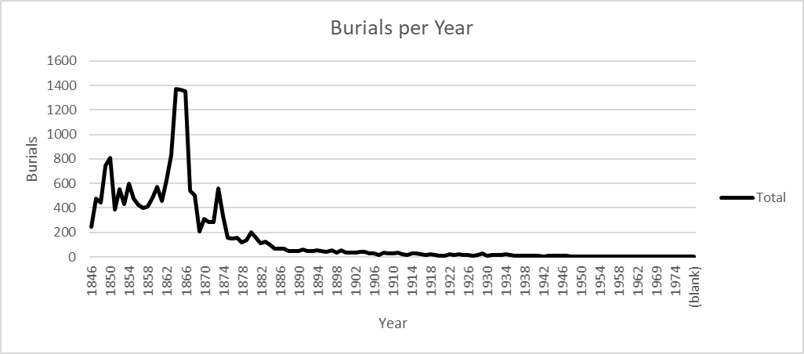

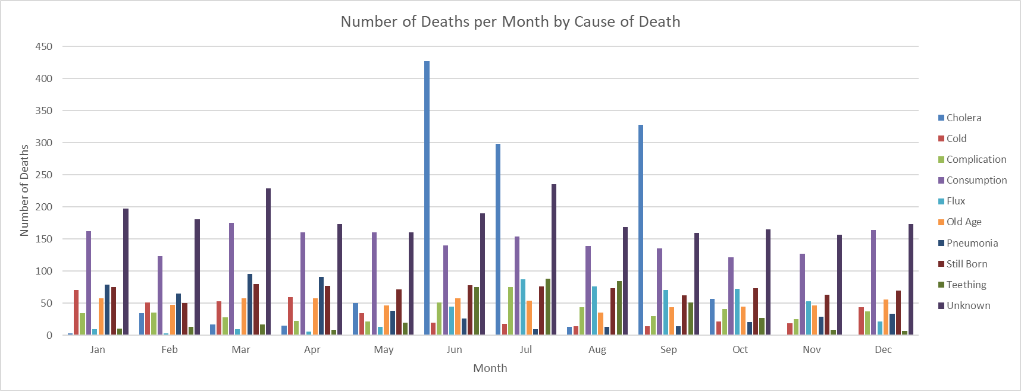
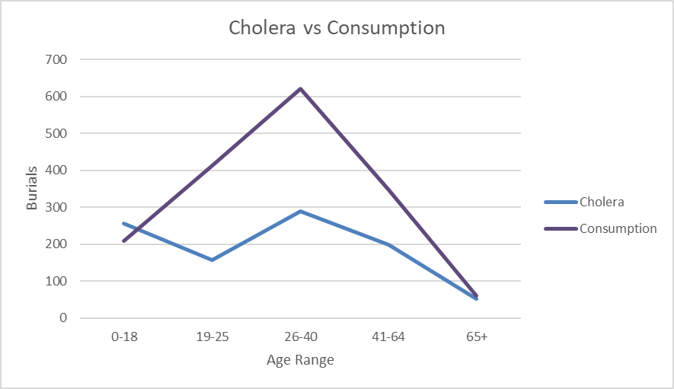
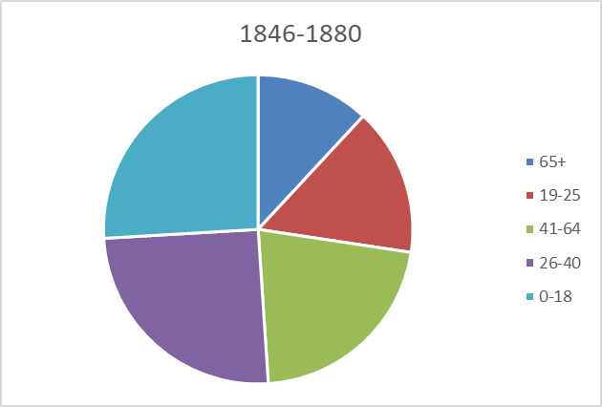
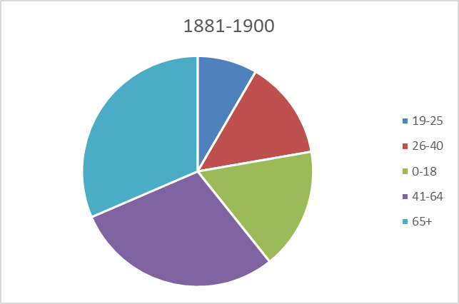
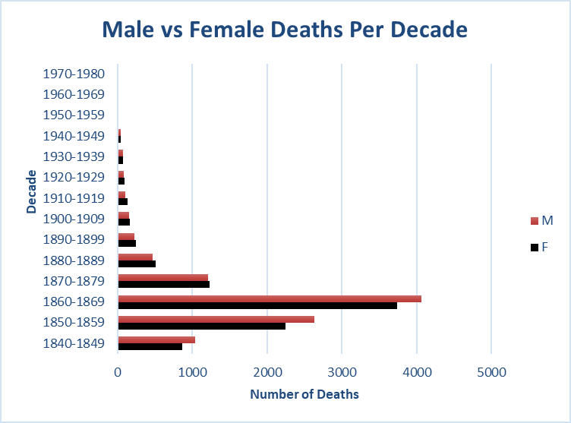
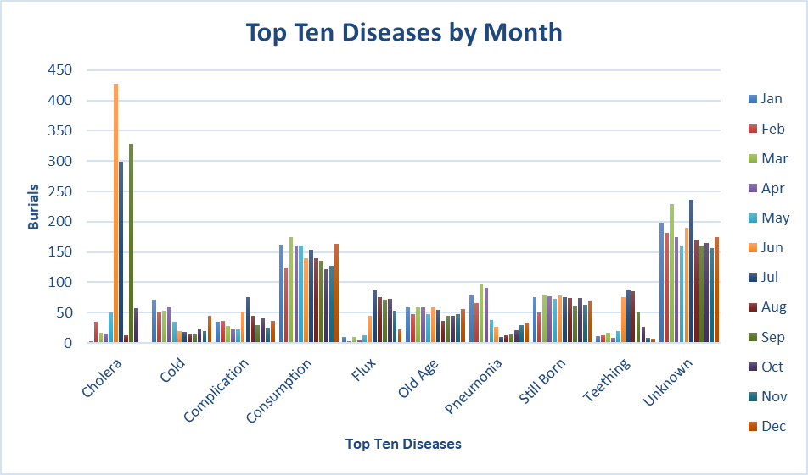
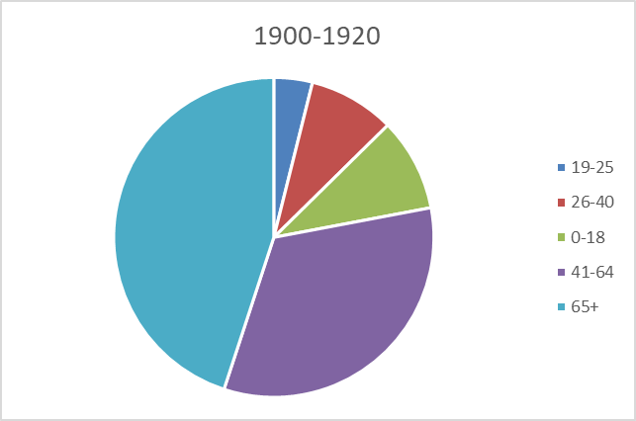
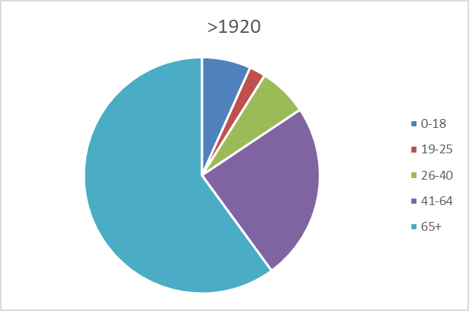
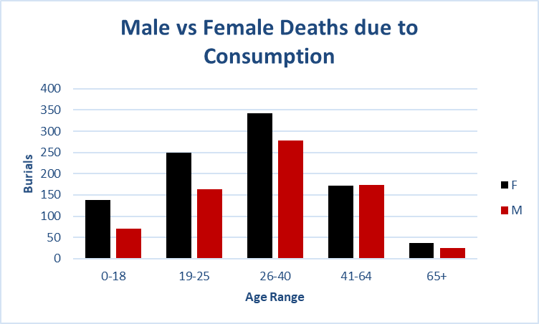
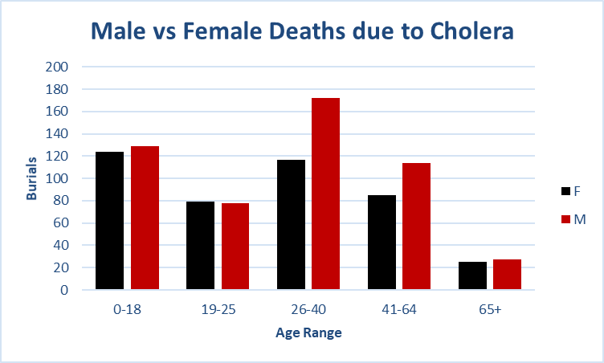
Top Ten Known Causes of Death
Consumption | 1769
Cholera | 1244
Still Born | 852
Old Age | 610
Pneumonia | 516
Flux | 469
Complication | 447
Cold | 421
Teething | 412
Typhoid Fever | 312

Male vs Female Deaths
Cause of Death/Burial | Consumption

Count of Volume | Column Labels
Row Labels | F | M | Grand Total
1840-1849 | 69 | 64 | 133
1850-1859 | 247 | 207 | 454
1860-1869 | 413 | 307 | 720
1870-1879 | 179 | 120 | 299
1880-1889 | 61 | 36 | 97
1890-1899 | 24 | 24 | 48
1900-1909 | 8 | 7 | 15
1910-1919 | 3 |  | 3
Grand Total | 1004 | 765 | 1769

Male vs Female Deaths Per Decade From Consumption
 | F | M
1840-1849 | 69 | 64
1850-1859 | 247 | 207
1860-1869 | 413 | 307
1870-1879 | 179 | 120
1880-1889 | 61 | 36
1890-1899 | 24 | 24
1900-1909 | 8 | 7
1910-1919 | 3
Male vs Female Deaths Per Decade
 | F | M
1840-1849 | 69 | 64
1850-1859 | 247 | 207
1860-1869 | 413 | 307
1870-1879 | 179 | 120
1880-1889 | 61 | 36
1890-1899 | 24 | 24
1900-1909 | 8 | 7
1910-1919 | 3

Pie Chart Data
Age | (Multiple Items)

Count of Volume | Column Labels
Row Labels | <1840 or (blank) | 1840-1849 | 1850-1859 | 1860-1869 | 1870-1879 | 1880-1889 | 1890-1899 | 1900-1909 | 1910-1919 | 1920-1929 | 1930-1939 | 1940-1949 | 1950-1959 | 1960-1969 | 1970-1980 | Grand Total
0-18 |  | 367 | 765 | 1064 | 205 | 155 | 22 | 13 | 27 | 16 | 10 |  | 1 |  | 1 | 2646
19-25 |  | 167 | 411 | 668 | 197 | 54 | 26 | 14 | 3 | 5 | 2 | 2 |  |  |  | 1549
26-40 |  | 246 | 681 | 1076 | 332 | 106 | 39 | 22 | 14 | 14 | 13 | 1 | 1 |  |  | 2545
41-64 | 1 | 168 | 565 | 890 | 361 | 178 | 109 | 84 | 57 | 40 | 40 | 15 | 2 | 3 | 1 | 2514
65+ | 1 | 100 | 321 | 421 | 246 | 158 | 132 | 97 | 93 | 91 | 67 | 53 | 19 | 8 | 10 | 1817

 | <1840 or (blank) | 1840-1849 | 1850-1859 | 1860-1869 | 1870-1879 | 1880-1889 | 1890-1899 | 1900-1909 | 1910-1919 | 1920-1929 | 1930-1939 | 1940-1949
0-18 |  | 367 | 765 | 1064 | 205 | 155 | 22 | 13 | 27 | 16 | 10
19-25 |  | 167 | 411 | 668 | 197 | 54 | 26 | 14 | 3 | 5 | 2 | 2
26-40 |  | 246 | 681 | 1076 | 332 | 106 | 39 | 22 | 14 | 14 | 13 | 1
41-64 | 1 | 168 | 565 | 890 | 361 | 178 | 109 | 84 | 57 | 40 | 40 | 15
65+ | 1 | 100 | 321 | 421 | 246 | 158 | 132 | 97 | 93 | 91 | 67 | 53

burialsby month
Count of Volume | Column Labels |  |  |  |  |  |  |  |  |  |  |  | Jan |  | Feb |  | Mar |  | Apr |  | May |  | Jun |  | Jul |  | Aug |  | Sep |  | Oct |  | Nov |  | Dec
Row Labels | Cholera | Cold | Complication | Consumption | Flux | Old Age | Pneumonia | Still Born | Teething | Unknown | Grand Total | Cold | 71 | Cold | 51 | Consumption | 175 | Cold | 60 | Cholera | 50 | Cholera | 427 | Cholera | 299 | Consumption | 139 | Cholera | 328 | Cholera | 57 | Consumption | 127 | Cold | 44
Jan | 3 | 71 | 35 | 162 | 10 | 58 | 79 | 75 | 11 | 198 | 702 | Consumption | 162 | Consumption | 124 | Old Age | 58 | Consumption | 161 | Consumption | 161 | Consumption | 140 | Consumption | 154 | Flux | 76 | Consumption | 136 | Consumption | 122 | Flux | 53 | Consumption | 164
Feb | 35 | 51 | 36 | 124 | 3 | 48 | 65 | 50 | 13 | 181 | 606 | Pneumonia | 79 | Pneumonia | 65 | Pneumonia | 96 | Pneumonia | 91 | Old Age | 47 | Still Born | 78 | Flux | 87 | Still Born | 74 | Flux | 71 | Flux | 73 | Old Age | 47 | Old Age | 56
Mar | 17 | 53 | 28 | 175 | 10 | 58 | 96 | 80 | 17 | 229 | 763 | Still Born | 75 | Still Born | 50 | Still Born | 80 | Still Born | 77 | Still Born | 72 | Teething | 75 | Teething | 88 | Teething | 85 | Still Born | 62 | Still Born | 74 | Still Born | 63 | Still Born | 70
Apr | 15 | 60 | 23 | 161 | 6 | 58 | 91 | 77 | 9 | 174 | 674 | Unknown | 198 | Unknown | 181 | Unknown | 229 | Unknown | 174 | Unknown | 161 | Unknown | 190 | Unknown | 236 | Unknown | 169 | Unknown | 160 | Unknown | 165 | Unknown | 157 | Unknown | 174
May | 50 | 35 | 22 | 161 | 13 | 47 | 38 | 72 | 20 | 161 | 619 | Grand Total | 585 |  | 471 |  | 638 |  | 563 | Grand Total | 491 | Grand Total | 910 | Grand Total | 864 | Grand Total | 543 | Grand Total | 757 | Grand Total | 491 | Grand Total | 447 | Grand Total | 508
Jun | 427 | 20 | 51 | 140 | 45 | 58 | 26 | 78 | 75 | 190 | 1110
Jul | 299 | 18 | 75 | 154 | 87 | 54 | 10 | 76 | 88 | 236 | 1097
Aug | 13 | 14 | 44 | 139 | 76 | 36 | 13 | 74 | 85 | 169 | 663
Sep | 328 | 14 | 30 | 136 | 71 | 44 | 14 | 62 | 51 | 160 | 910
Oct | 57 | 22 | 41 | 122 | 73 | 45 | 21 | 74 | 27 | 165 | 647
Nov |  | 19 | 25 | 127 | 53 | 47 | 29 | 63 | 9 | 157 | 529
Dec |  | 44 | 37 | 164 | 22 | 56 | 34 | 70 | 7 | 174 | 608
Grand Total | 1244 | 421 | 447 | 1765 | 469 | 609 | 516 | 851 | 412 | 2194 | 8928

Number of Deaths per Month by Cause of Death
 | Cholera | Cold | Complication | Consumption | Flux | Old Age | Pneumonia | Still Born | Teething | Unknown
Jan | 3 | 71 | 35 | 162 | 10 | 58 | 79 | 75 | 11 | 198
Feb | 35 | 51 | 36 | 124 | 3 | 48 | 65 | 50 | 13 | 181
Mar | 17 | 53 | 28 | 175 | 10 | 58 | 96 | 80 | 17 | 229
Apr | 15 | 60 | 23 | 161 | 6 | 58 | 91 | 77 | 9 | 174
May | 50 | 35 | 22 | 161 | 13 | 47 | 38 | 72 | 20 | 161
Jun | 427 | 20 | 51 | 140 | 45 | 58 | 26 | 78 | 75 | 190
Jul | 299 | 18 | 75 | 154 | 87 | 54 | 10 | 76 | 88 | 236
Aug | 13 | 14 | 44 | 139 | 76 | 36 | 13 | 74 | 85 | 169
Sep | 328 | 14 | 30 | 136 | 71 | 44 | 14 | 62 | 51 | 160
Oct | 57 | 22 | 41 | 122 | 73 | 45 | 21 | 74 | 27 | 165
Nov |  | 19 | 25 | 127 | 53 | 47 | 29 | 63 | 9 | 157
Dec |  | 44 | 37 | 164 | 22 | 56 | 34 | 70 | 7 | 174

Age at TOD
Count of Volume | Column Labels
Row Labels | 0-18 | 19-25 | 26-40 | 41-64 | 65+ | Grand Total
1840-1849 | 367 | 167 | 246 | 168 | 100 | 1048
1850-1859 | 765 | 411 | 681 | 565 | 321 | 2743
1860-1869 | 1064 | 668 | 1076 | 890 | 421 | 4119
1870-1879 | 205 | 197 | 332 | 361 | 246 | 1341
1880-1889 | 155 | 54 | 106 | 178 | 158 | 651
1890-1899 | 22 | 26 | 39 | 109 | 132 | 328
1900-1909 | 13 | 14 | 22 | 84 | 97 | 230
1910-1919 | 27 | 3 | 14 | 57 | 93 | 194
1920-1929 | 16 | 5 | 14 | 40 | 91 | 166
1930-1939 | 10 | 2 | 13 | 40 | 67 | 132
1940-1949 |  | 2 | 1 | 15 | 53 | 71
1950-1959 | 1 |  | 1 | 2 | 19 | 23
1960-1969 |  |  |  | 3 | 8 | 11
1970-1980 | 1 |  |  | 1 | 10 | 12
Grand Total | 2646 | 1549 | 2545 | 2513 | 1816 | 11069

 | 0-18 | 19-25 | 26-40 | 41-64 | 65+
1840-1849 | 367 | 167 | 246 | 168 | 100
1850-1859 | 765 | 411 | 681 | 565 | 321
1860-1869 | 1064 | 668 | 1076 | 890 | 421
1870-1879 | 205 | 197 | 332 | 361 | 246
1880-1889 | 155 | 54 | 106 | 178 | 158
1890-1899 | 22 | 26 | 39 | 109 | 132
1900-1909 | 13 | 14 | 22 | 84 | 97
1910-1919 | 27 | 3 | 14 | 57 | 93
1920-1929 | 16 | 5 | 14 | 40 | 91
1930-1939 | 10 | 2 | 13 | 40 | 67
1940-1949 |  | 2 | 1 | 15 | 53
1950-1959 | 1 |  | 1 | 2 | 19
1960-1969 |  |  |  | 3 | 8
1970-1980 | 1 |  |  | 1 | 10

Disease per month
Count of Volume | Column Labels
Row Labels | Cholera | Consumption | Old Age | Pneumonia | Still Born | Grand Total
Jan | 3 | 162 | 58 | 79 | 75 | 377
Feb | 35 | 124 | 48 | 65 | 50 | 322
Mar | 17 | 175 | 58 | 96 | 80 | 426
Apr | 15 | 161 | 58 | 91 | 77 | 402
May | 50 | 161 | 47 | 38 | 72 | 368
Jun | 427 | 140 | 58 | 26 | 78 | 729
Jul | 299 | 154 | 54 | 10 | 76 | 593
Aug | 13 | 139 | 36 | 13 | 74 | 275
Sep | 328 | 136 | 44 | 14 | 62 | 584
Oct | 57 | 122 | 45 | 21 | 74 | 319
Nov |  | 127 | 47 | 29 | 63 | 266
Dec |  | 164 | 56 | 34 | 70 | 324
Grand Total | 1244 | 1765 | 609 | 516 | 851 | 4985

Top 5 Diseases by Month
 | Cholera | Consumption | Old Age | Pneumonia | Still Born
Jan | 3 | 162 | 58 | 79 | 75
Feb | 35 | 124 | 48 | 65 | 50
Mar | 17 | 175 | 58 | 96 | 80
Apr | 15 | 161 | 58 | 91 | 77
May | 50 | 161 | 47 | 38 | 72
Jun | 427 | 140 | 58 | 26 | 78
Jul | 299 | 154 | 54 | 10 | 76
Aug | 13 | 139 | 36 | 13 | 74
Sep | 328 | 136 | 44 | 14 | 62
Oct | 57 | 122 | 45 | 21 | 74
Nov |  | 127 | 47 | 29 | 63
Dec |  | 164 | 56 | 34 | 70

Sheet23
Count of Volume | Column Labels
Row Labels | Cholera | Consumption | Grand Total
0-18 | 256 | 209 | 465
19-25 | 158 | 413 | 571
26-40 | 289 | 621 | 910
41-64 | 199 | 346 | 545
65+ | 52 | 61 | 113
Grand Total | 954 | 1650 | 2604

Cholera vs Consumption

