Visual_Charts
COMBINED CONTROL CHARTS

Imr Chart
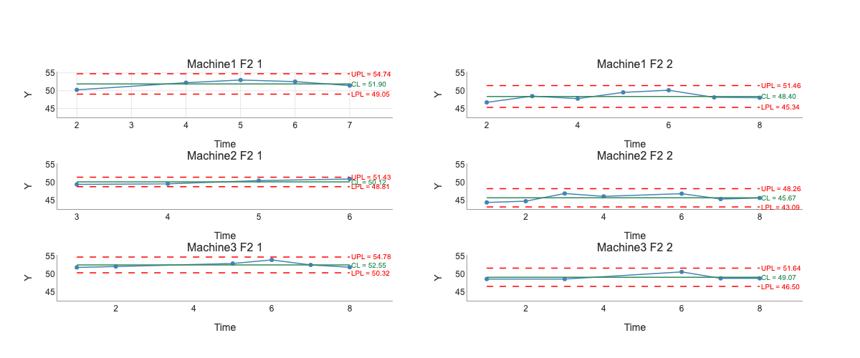

R Chart
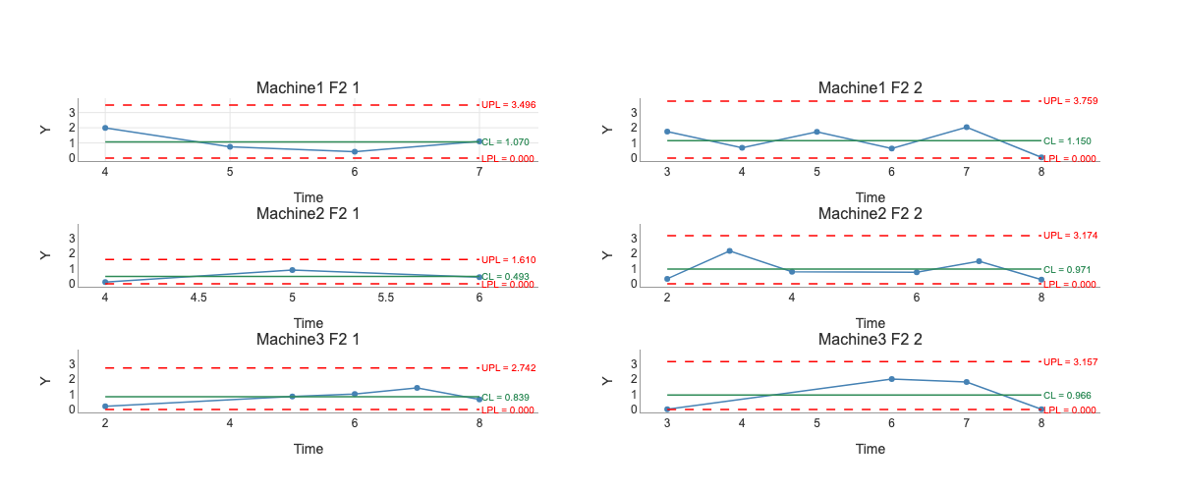

INTERACTIVE CHARTS
Interactive HTML files have been exported alongside this Excel file.
Open the .html files in a web browser for full interactivity (zoom, pan, hover tooltips).

