nuscenes_metrics_working_051620
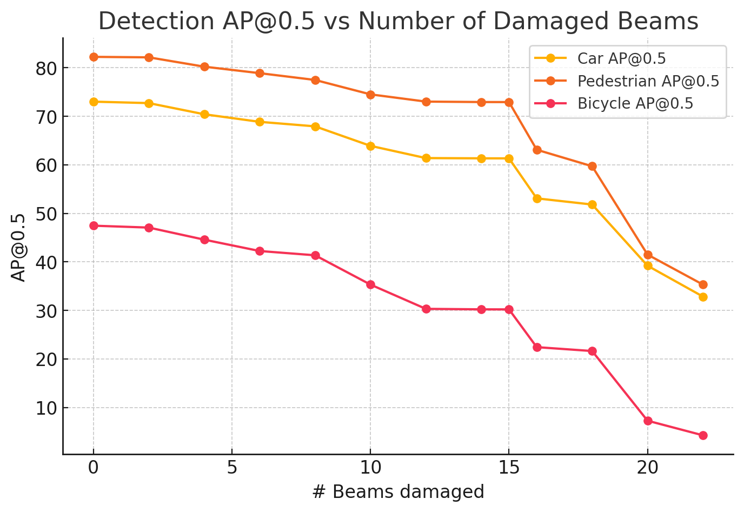
method | dataset | dataset_version | pretrained | train | epochs | car_AP@0.5 | truck_AP@0.5 | bus_AP@0.5 | trailer_AP@0.5 | construction_vehicle_AP@0.5 | pedestrian_AP@0.5 | motorcycle_AP@0.5 | bicycle_AP@0.5 | traffic_cone_AP@0.5 | barrier_AP@0.5 | # Beams damaged
VoxelNeXt | NuScenesDataset | I | TRUE | FALSE | 10 | 73.03 | 36.19 | 43.94 | 7.23 | 2.35 | 82.26 | 55.67 | 47.47 | 66.39 | 59.02 | 0
VoxelNeXt | NuScenesDataset | 2,28 | TRUE | FALSE | 10 | 72.73 | 36.14 | 44.15 | 7.11 | 2.26 | 82.16 | 55.24 | 47.08 | 66.12 | 58.95 | 2
VoxelNeXt | NuScenesDataset | 2,8,16,28 | TRUE | FALSE | 10 | 70.43 | 34.28 | 41.86 | 7.07 | 1.8 | 80.24 | 50.58 | 44.59 | 64.57 | 56.05 | 4
VoxelNeXt | NuScenesDataset | 2,8,12,16,24,28 | TRUE | FALSE | 10 | 68.87 | 34.29 | 40.81 | 6.52 | 1.62 | 78.9 | 48.25 | 42.25 | 62.86 | 55.23 | 6
VoxelNeXt | NuScenesDataset | 2,8,12,16,18,20,24,28 | TRUE | FALSE | 10 | 67.94 | 33.78 | 39.74 | 6.37 | 1.48 | 77.5 | 46.26 | 41.37 | 62.29 | 54.08 | 8
VoxelNeXt | NuScenesDataset | 2,8,10,12,14,16,18,20,24,28 | TRUE | FALSE | 10 | 63.92 | 29.82 | 38.52 | 5.83 | 0.74 | 74.53 | 40.23 | 35.33 | 57.28 | 49.81 | 10
VoxelNeXt | NuScenesDataset | 2,4,6,8,10,12,14,16,18,20,24,28 | TRUE | FALSE | 10 | 61.4 | 29 | 38.3 | 5.32 | 0.6 | 73.04 | 36.41 | 30.33 | 54.41 | 49.24 | 12
VoxelNeXt | NuScenesDataset | 2,4,6,8,10,12,14,16,18,20,22,24,26,28 | TRUE | FALSE | 10 | 61.35 | 29.03 | 37.87 | 5.34 | 0.54 | 72.95 | 36.26 | 30.23 | 54.37 | 49.27 | 14
VoxelNeXt | NuScenesDataset | 2,4,6,8,10,12,14,16,18,20,22,24,26,28,30 | TRUE | FALSE | 10 | 61.34 | 29.03 | 37.86 | 5.34 | 0.54 | 72.94 | 36.26 | 30.22 | 54.39 | 49.27 | 15
VoxelNeXt | NuScenesDataset | 2,4,6,8,9,10,12,14,16,18,20,22,24,26,28,30 | TRUE | FALSE | 10 | 53.1 | 22.94 | 32.94 | 2.8 | 0.06 | 63.12 | 27.7 | 22.44 | 45.46 | 42.01 | 16
VoxelNeXt | NuScenesDataset | 2,4,6,8,9,10,12,14,16,18,19,20,22,24,25,26,28,30 | TRUE | FALSE | 10 | 51.83 | 22.24 | 30.61 | 2.72 | 0.02 | 59.72 | 25.99 | 21.64 | 43.79 | 39.42 | 18
VoxelNeXt | NuScenesDataset | 2,4,5,6,8,9,10,12,14,15,16,18,19,20,22,24,25,26,28,30 | TRUE | FALSE | 10 | 39.22 | 15.09 | 21.01 | 1.17 | 0 | 41.51 | 12.4 | 7.28 | 28.96 | 26.58 | 20
VoxelNeXt | NuScenesDataset | 2,3,4,6,7,8,10,11,12,14,15,16,18,19,20,22,23,24,26,27,28,30 | TRUE | FALSE | 10 | 32.86 | 12.65 | 17.41 | 0.54 | 0 | 35.33 | 5.7 | 4.27 | 22.49 | 18.36 | 22

VoxelNeXt | NuScenesDataset | 0,1,2,3,4,5 | TRUE | FALSE | 10 | 66 | 34.68 | 42.81 | 6.65 | 1.8 | 76.9 | 46.91 | 38.08 | 61.38 | 57.86
VoxelNeXt | NuScenesDataset | 0,1,2,3,4,5,6,7 | TRUE | FALSE | 10 | 56.81 | 31.62 | 40.31 | 4.76 | 1.68 | 67.8 | 40.68 | 29.38 | 48.62 | 54.37

