Sheet2
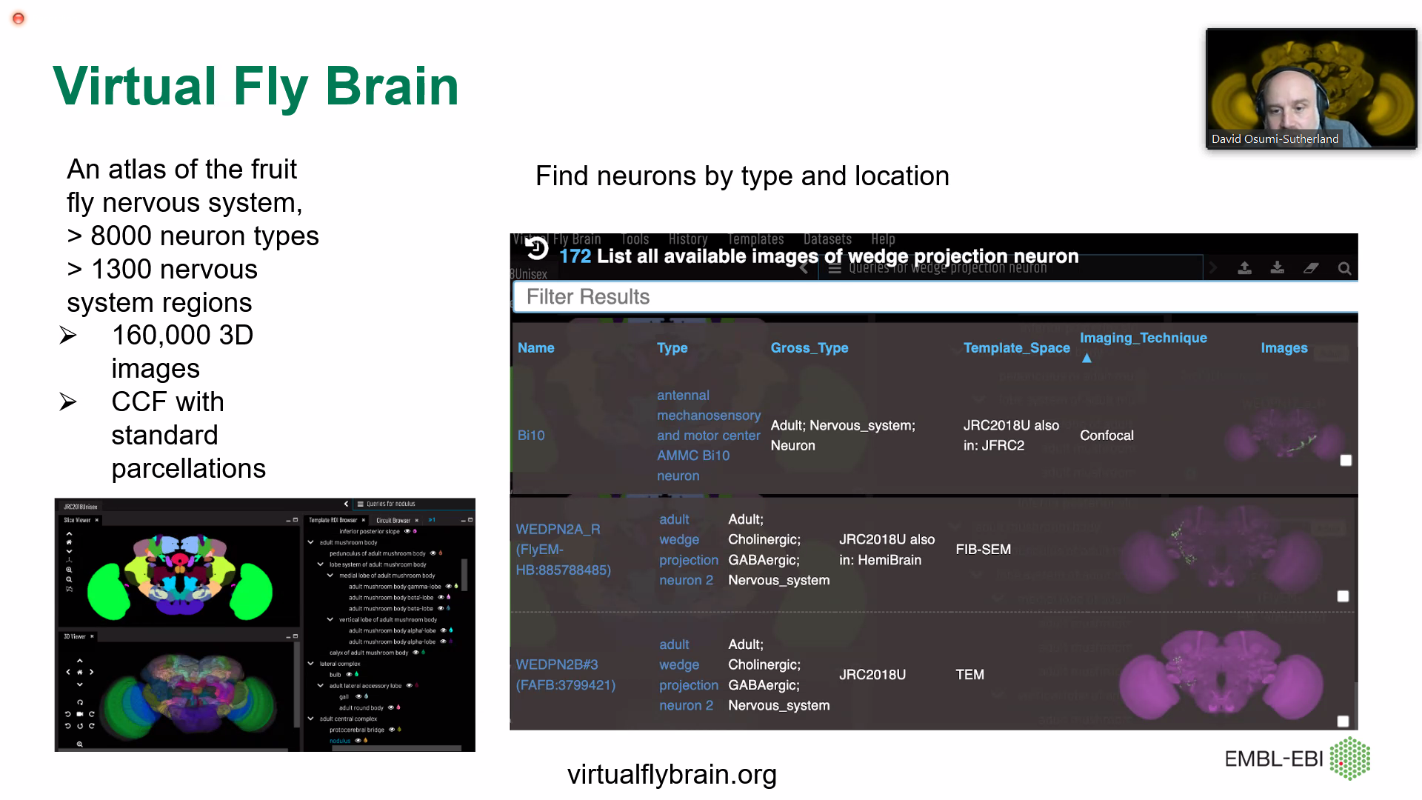
Cell x Lipid matrices will be available in the future.

David sutherland
Virtual Fly-brain | 8k neuron types
2000 CTs standardized ontologies

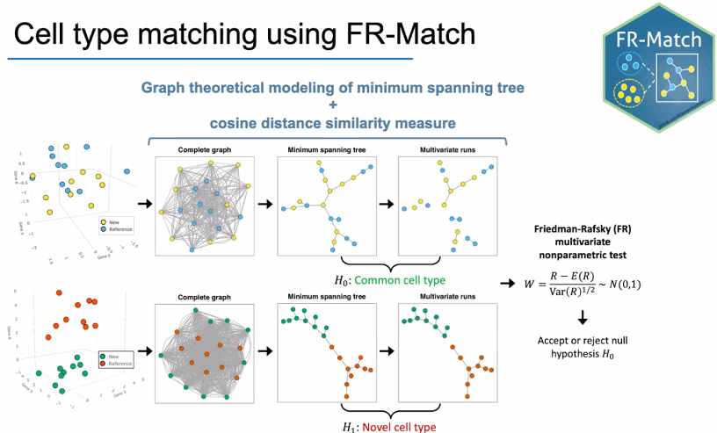
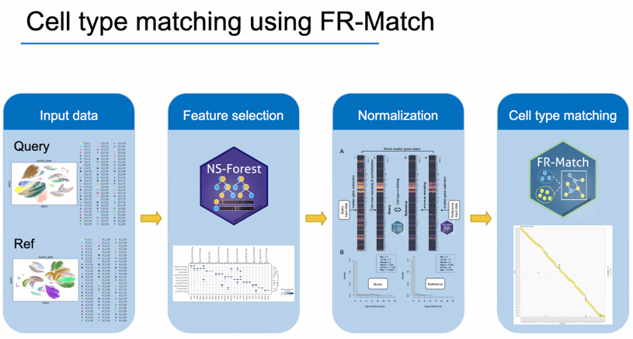
Renee Zhang/Richard Scheuermann

Evan Biederstadt
CAP platform will next plan on t-SNE viz of all datasets to speed up manual annotation processes.
Will there be an API to CAP?

Paulo Czarnewski (Elixir)
Gathering tutorials for various scRNA-seq tools

Zorina talks about adding some level of randomness in the data while benchmarking different algorithms
Can we manipulate the AnnData 50% human lung, 50% fetal lung, etc.

