CellTypist_Main_Diagram
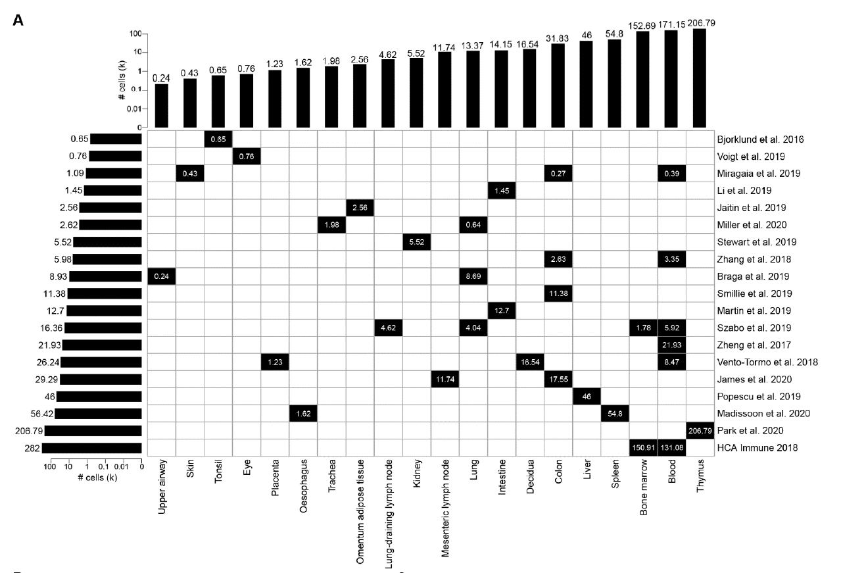

The CellTypist Reference DB was created from these 19 datasets.
Katy's Question- Are we tracking these as part of Devin's list of datasets to be RUI registered.
Devin's sheet- https://docs.google.com/spreadsheets/d/1fNjJ6zIEB1o5VxZxiitCEJgHbvS-iGy3ernTEjxOu7Q/edit#gid=386949145

