Bolsa de Cafe
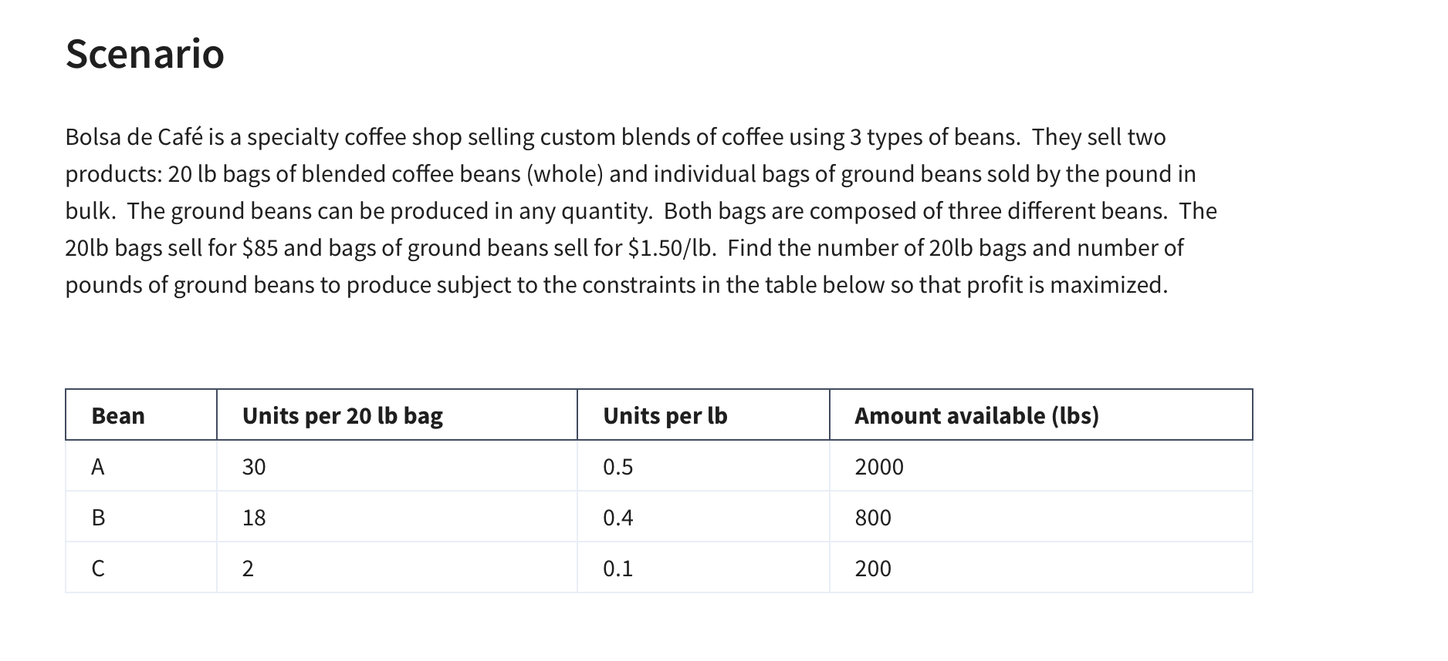
Bolsa de Café
 | No. of 20lb bags | Lbs of grinded beans
Variables: | 44 | 20.00
 | $85.00 | $1.50
Objective (Max)
Profits: | $3,770.00 | =SUMPRODUCT(B4:C4,$B$3:$C$3)

Constraints |  |  | LHS | Sign | RHS
A | 30 | 0.5 | 1330 | <= | 2000 | =SUMPRODUCT($B$3:$C$3,B10:C10)
B | 18 | 0.4 | 800 | <= | 800 | =SUMPRODUCT($B$3:$C$3,B11:C11)
C | 2 | 0.1 | 90 | <= | 200 | =SUMPRODUCT($B$3:$C$3,B12:C12)

Binary Investment Decision
 |  |  |  |  |  |  |  |  |  | Binary = 0 or 1
 |  |  |  |  |  |  |  |  |  | 0 = no
 |  |  |  |  |  |  |  |  |  | 1 = yes
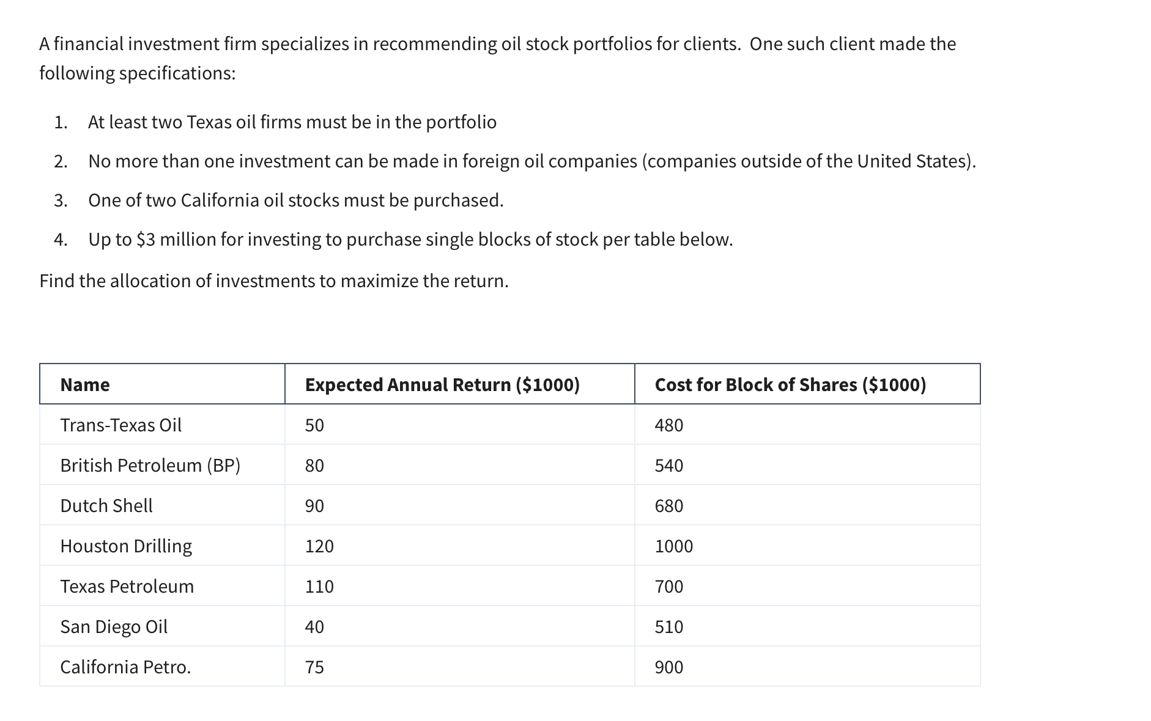
 |  |  |  |  |  |  |  |  | Inv. Funds: | $3,000,000
Variables: | X1 | X2 | X3 | X4 | X5 | X6 | X7
(0,1) | 0 | 0 | 1 | 1 | 1 | 1 | 0
 | 50 | 80 | 90 | 120 | 110 | 40 | 75

Objective (max)
Return: | 360 | (000s) | =SUMPRODUCT($B$8:$H$8,B9:H9)

Constraints |  |  |  |  |  |  |  | LHS | Sign | RHS
At least 2 Texan firms | 1 |  |  | 1 | 1 |  |  | 2 | >= | 2
No more 1 foreign firm |  | 1 | 1 |  |  |  |  | 1 | <= | 1
1 of 2 California Oil |  |  |  |  |  | 1 | 1 | 1 | = | 1
Total budget 3 million | 480 | 540 | 680 | 1000 | 700 | 510 | 900 | 2890 | <= | 3000

Horizon Wireless
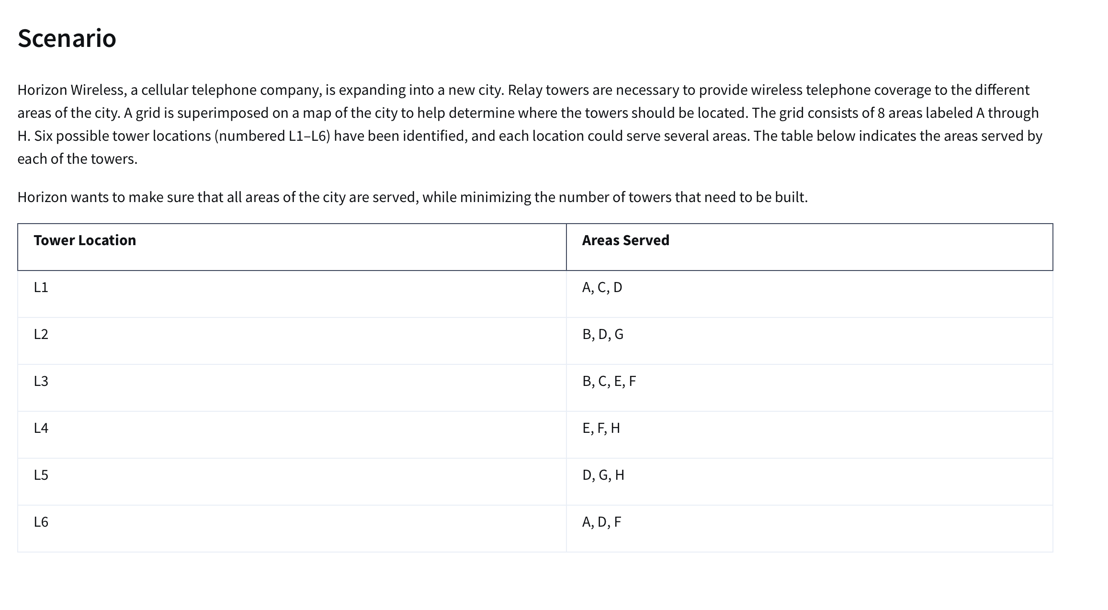
Variables | X1 | X2 | X3 | X4 | X5 | X6
 | 1 | 1 | 0 | 1 | 0 | 0
 | 3 | 3 | 4 | 3 | 3 | 3

Objective(min)
Towers Built: | 3

Constraints |  |  |  |  |  |  | LHS | Sign | RHS
A | 1 |  |  |  |  | 1 | 1 | = | 1
B |  | 1 | 1 |  |  |  | 1 | = | 1
C | 1 |  | 1 |  |  |  | 1 | = | 1
D | 1 | 1 |  |  | 1 | 1 | 2 | = | 1
E |  |  | 1 | 1 |  |  | 1 | = | 1
F |  |  | 1 | 1 |  | 1 | 1 | = | 1
G |  | 1 |  |  | 1 |  | 1 | = | 1
H |  |  |  | 1 | 1 |  | 1 | = | 1

