NCAA Profits
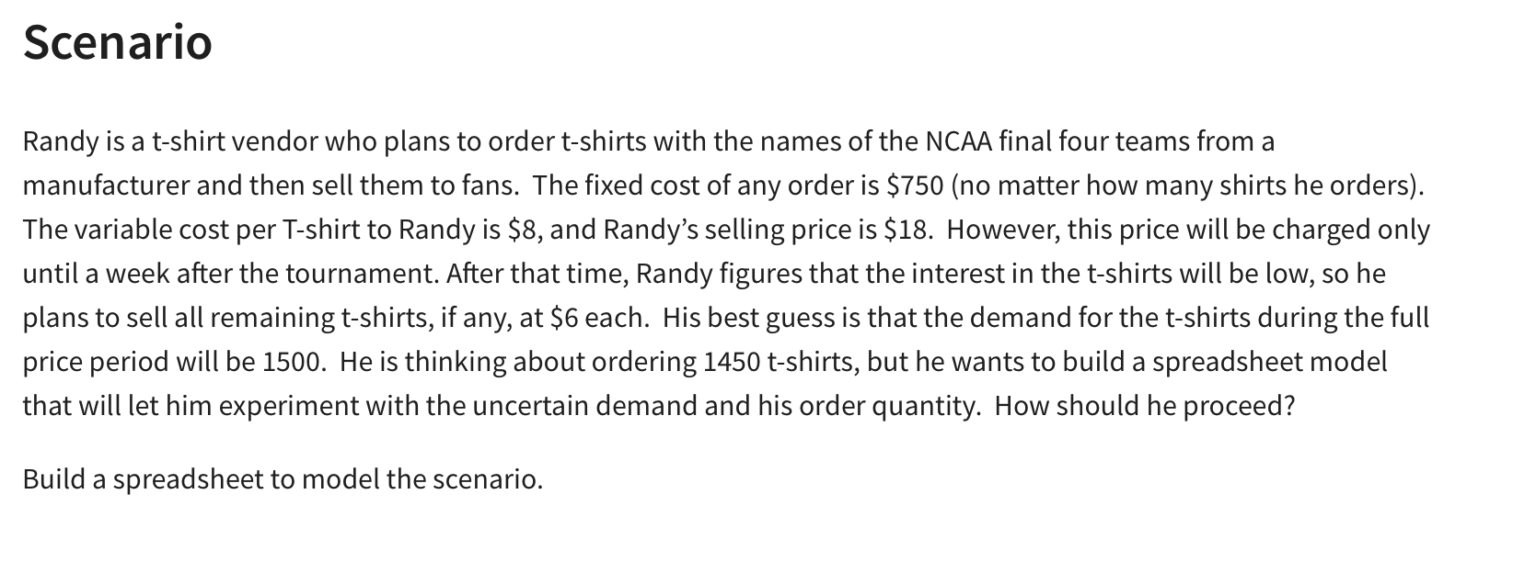
NCAA T-Shirt Vendor

Givens:
Costs:
Fixed: | $750
Variable: | $8 | per shirt
Revenue:
Full Price: | $18 | per shirt
Reduced Price: | $6 | per shirt

Number of Shirts Ordered: | 1500
Demand: | 1500
Number of Shirts Sold (FP): | 1500 | =MIN(B14:B15)
Number of Shirts Sold (Reduced): | 0 | =MAX(B14-B15,0)

Total Cost: | $12,750 | =B5+B6*B14
Total Revenue: | $27,000 | =B8*B16+B9*B17
Total Profit: | $14,250 | =B20-B19

Woodworks Bookshelf Co.
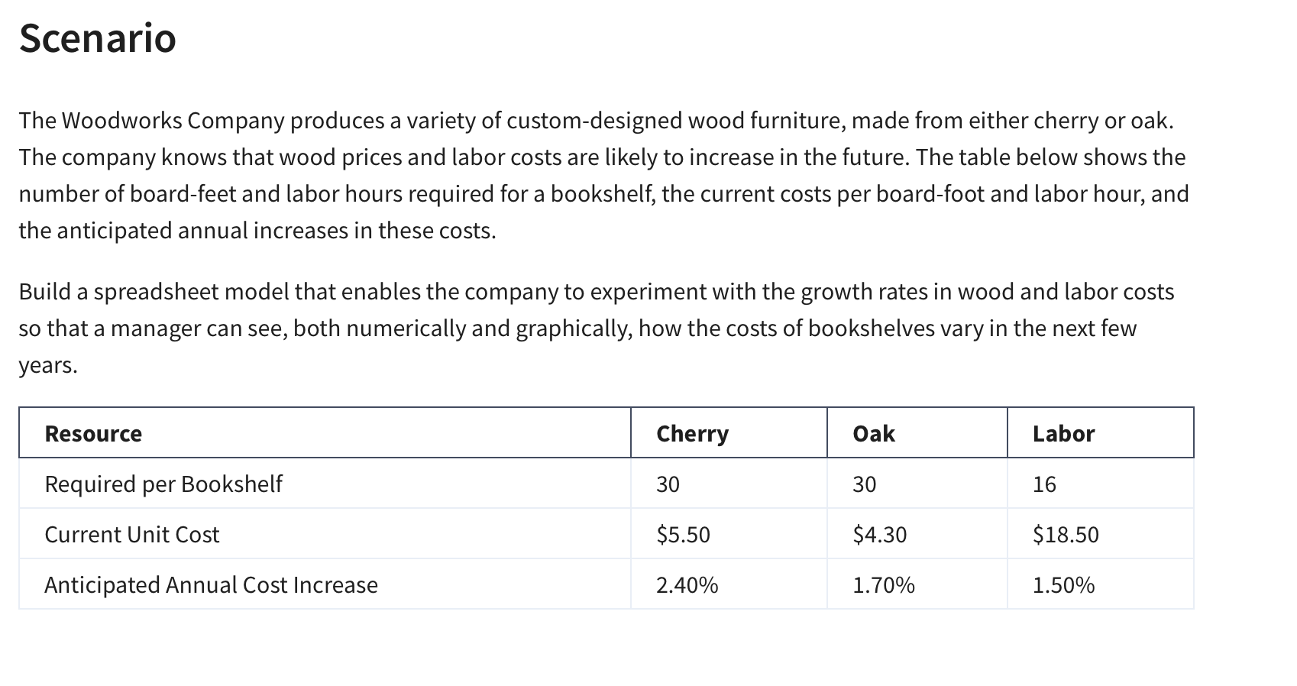
Woodworks Bookshelf Co.

Costs: | Cherry | Oak
Unit Cost: | $5.50 | $4.30
Board Feet: | 30 | 30
Materials Cost: | $165 | $129
Labor Required: | 16 | 16
Labor Rate: | $18.50 | $18.50
Labor Cost | $296.00 | $296.00

Total Cost: | $461.00 | $425.00

Cost Increases: | 2.40% | 1.70% | 1.50%

Cost Projections
Year | Cherry | Oak | Labor | Total Cherry | Total Oak
0 | $165.00 | $129.00 | $296.00 | $461.00 | $425.00
1 | $168.96 | $131.19 | $300.44 | $469.40 | $431.63
2 | $173.02 | $133.42 | $304.95 | $477.96 | $438.37
3 | $177.17 | $135.69 | $309.52 | $486.69 | $445.21
4 | $181.42 | $138.00 | $314.16 | $495.58 | $452.16
5 | $185.77 | $140.34 | $318.88 | $504.65 | $459.22

Petrol Assignment
PETROL Jeans Cost and Profits
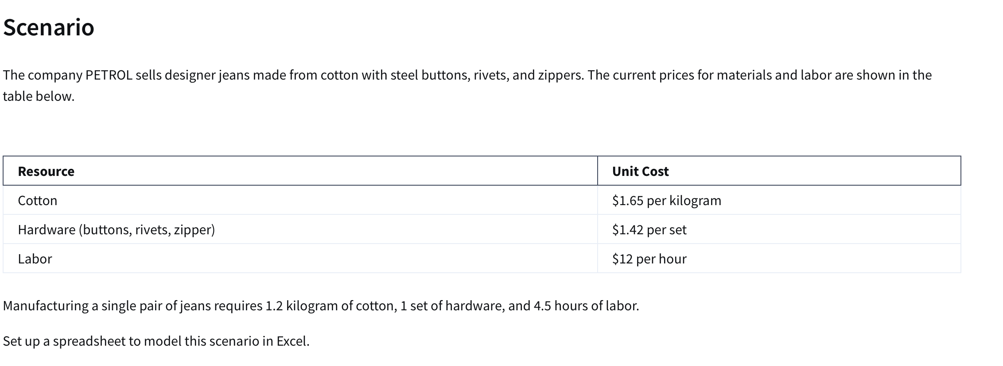
Resource | Unit Cost | Amount per Pair of Jeans | Cost Per Pair of Jeans | Yearly Cost Increase
Cotton | $1.65 | 1.2 | $1.98 | 2.00%
Hardware | $1.42 | 1 | $1.42 | 3.00%
Labor | $12 | 4.5 | $54.00 | 2.50%
 |  | Total Cost | $57.40
 |  | Total Revenue | $150.00
 |  | Profit per Unit | $92.60

Projected Costs per Pair of Jeans
Year | Cotton | Harware | Labor | Pair of Jeans
0 | $1.98 | $1.42 | $54.00 | $57.40
1 | $2.02 | $1.46 | $55.35 | $58.83
2 | $2.06 | $1.51 | $56.73 | $60.30
3 | $2.10 | $1.55 | $58.15 | $61.80
4 | $2.14 | $1.60 | $59.61 | $63.35
Projected Costs Per Pair of Jeans
5 | $2.19 | $1.65 | $61.10 | $64.93

Quality Sweater Company
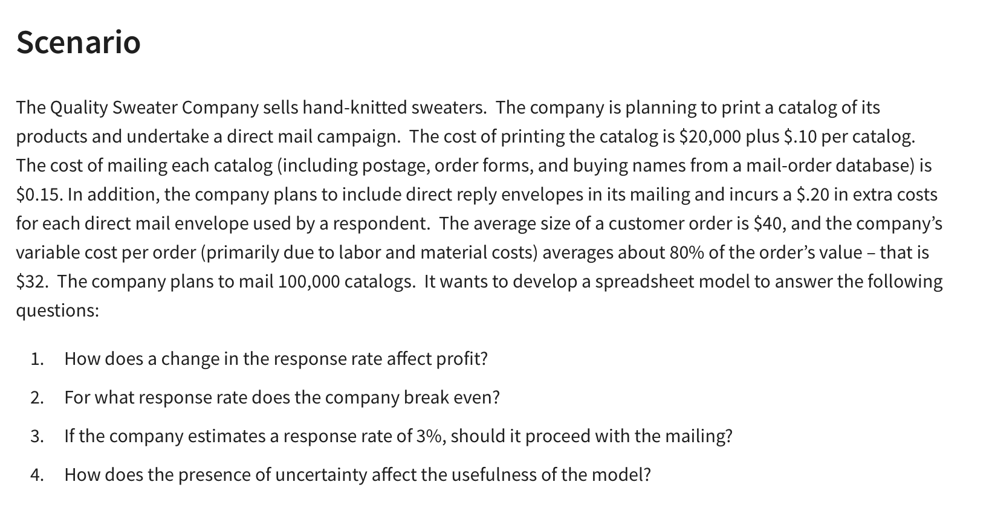
Quality Sweater Company

Quality Sweater Company: Response Rate vs Profit
Inputs:
Costs: |  |  | a) Data Table
Printing: | $20,000.00 |  | Response Rate: | Profit:
Variable: |  |  |  | $-
Printing: | $0.10 | per catalog | 3.0% | $(21,600.00)
Mailing: | $0.15 | per catalog | 3.5% | $(17,700.00)
Reply Envelopes: | $0.20 | per order | 4.0% | $(13,800.00)
Labor & Materials: | $32.00 | per order | 4.5% | $(9,900.00)
Total Costs: | $230,769.23 | =B5+(B7+B8)*B14+(B9+B10)*B16 | 5.0% | $(6,000.00)
 |  |  | 5.5% | $(2,100.00)
 |  |  | 6.0% | $1,800.00
Catalogs Ordered: | 100000 |  | 6.5% | $5,700.00
Respose Rate | 5.77% | <-- dummy value | 7.0% | $9,600.00
Total Orders: | 5769 | =B15*B14 | 7.5% | $13,500.00
Revenue |  |  | 8.0% | $17,400.00
Average Customer Order: | $40.00 |  | 8.5% | $21,300.00
Total Revenue: | $230,769.23 | =B16*B18
Total Profit: | $-

B & N Bookstore
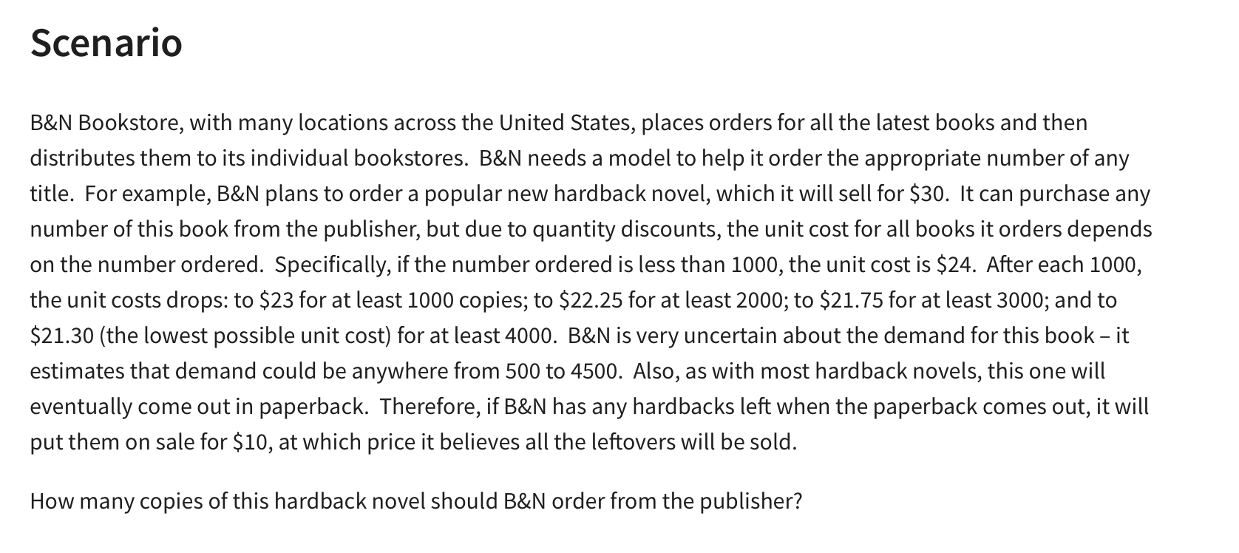
BN Bookstore

 |  |  | at least
Regular Price | $30.00 |  | Ordered | Unit Cost
Sale Price | $10.00 |  | 0 | $24.00
 |  |  | 1000 | $23.00
 |  |  | 2000 | $22.25
 |  |  | 3000 | $21.75
Demand: | 500 | (500-4500) | 4000 | $21.30
Order: | 500

Surplus: | 0 | =MAX(B10-B9,0) |  |  | Demand
Way #2: | 0 | =IF(B9>B10,0,B10-B9) |  | $3,000.00 | 500 | 1000 | 1500 | 2000 | 2500 | 3000 | 3500 | 4000 | 4500
 |  |  | Order | 500 | $3,000.00 | $3,000.00 | $3,000.00 | $3,000.00 | $3,000.00 | $3,000.00 | $3,000.00 | $3,000.00 | $3,000.00
Costs | $12,000.00 | =VLOOKUP(B10,F5:G9,2,TRUE)*B10 |  | 1000 | $(3,000.00) | $7,000.00 | $7,000.00 | $7,000.00 | $7,000.00 | $7,000.00 | $7,000.00 | $7,000.00 | $7,000.00
 |  |  |  | 1500 | $(9,500.00) | $500.00 | $10,500.00 | $10,500.00 | $10,500.00 | $10,500.00 | $10,500.00 | $10,500.00 | $10,500.00
Revenue | $15,000.00 | =MIN(B9:B10)*B4+B12*B5 |  | 2000 | $(14,500.00) | $(4,500.00) | $5,500.00 | $15,500.00 | $15,500.00 | $15,500.00 | $15,500.00 | $15,500.00 | $15,500.00
 |  |  |  | 2500 | $(20,625.00) | $(10,625.00) | $(625.00) | $9,375.00 | $19,375.00 | $19,375.00 | $19,375.00 | $19,375.00 | $19,375.00
Profit | $3,000.00 | =B17-B15 |  | 3000 | $(25,250.00) | $(15,250.00) | $(5,250.00) | $4,750.00 | $14,750.00 | $24,750.00 | $24,750.00 | $24,750.00 | $24,750.00
 |  |  |  | 3500 | $(31,125.00) | $(21,125.00) | $(11,125.00) | $(1,125.00) | $8,875.00 | $18,875.00 | $28,875.00 | $28,875.00 | $28,875.00
 |  |  |  | 4000 | $(35,200.00) | $(25,200.00) | $(15,200.00) | $(5,200.00) | $4,800.00 | $14,800.00 | $24,800.00 | $34,800.00 | $34,800.00
 |  |  |  | 4500 | $(40,850.00) | $(30,850.00) | $(20,850.00) | $(10,850.00) | $(850.00) | $9,150.00 | $19,150.00 | $29,150.00 | $39,150.00

What if Analysis
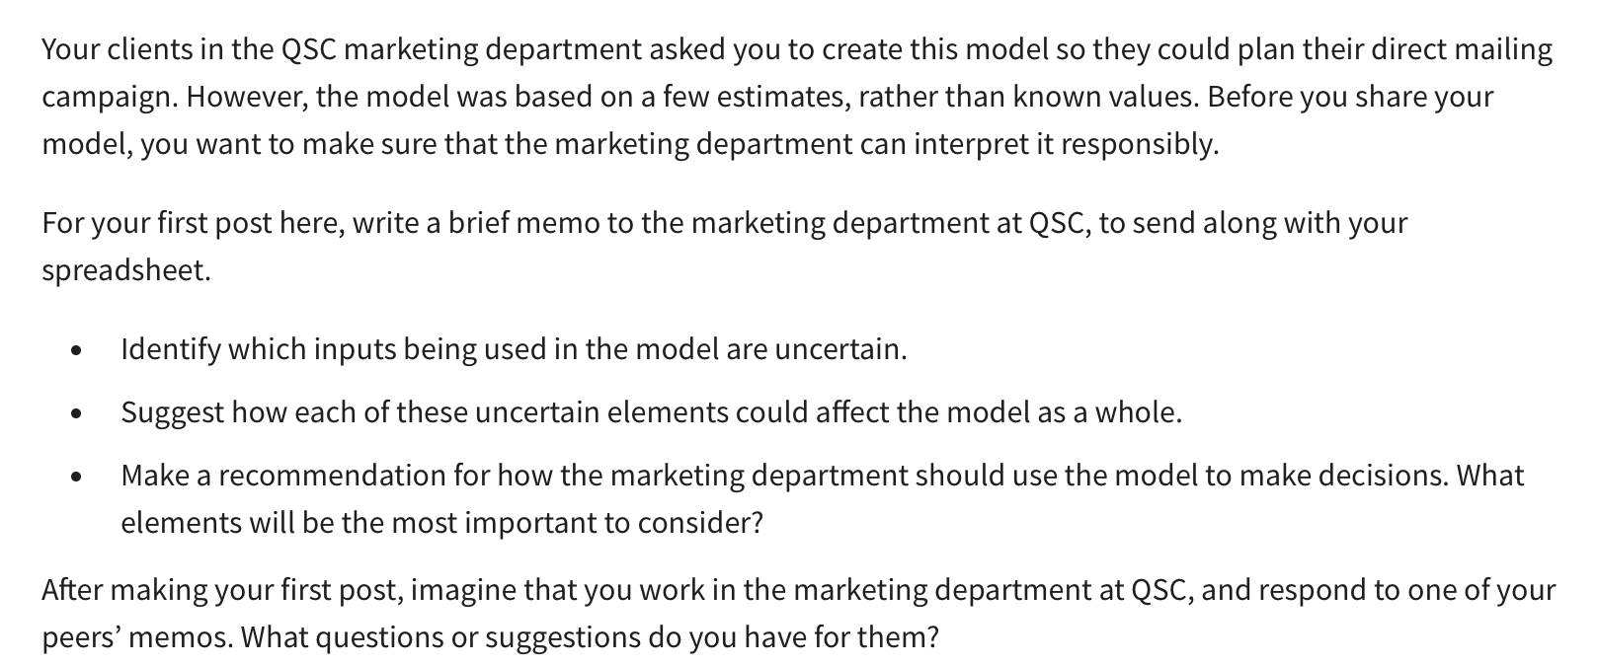
Screamin' Blue Jays Tour

Number of Concerts |  |  | $7,500
Concerts per week: | 5 |  | 225
Weeks on Tour: | 30.0
Total Concerts: | 150 | =B4*B5
 |  |  |  | Seats Sold (%) | Profit
Expected Concert Attendance |  |  |  |  | $(250,000.00)
Maximum Capacity: | 800 |  |  | 40% | $(3,250,000.00)
Attendance (%): | 90% |  |  | 50% | $(2,650,000.00)
Number of tickets sold: | 720 |  |  | 60% | $(2,050,000.00)
 |  |  |  | 70% | $(1,450,000.00)
Costs |  |  |  | 80% | $(850,000.00)
Fixed start-up cost: | $5,500,000 |  |  | 90% | $(250,000.00)
Venue rental cost: | $1,000 | per show |  | 100% | $350,000.00
Total Cost: | $5,650,000 | =B14+(B15*B6)

Revenue |  |  |  | $(250,000.00) | $40 | $45 | $50 | $55 | $60 | $65
Ticket Price: | $50 | per person |  | 30 | $(1,330,000.00) | $(790,000.00) | $(250,000.00) | $290,000.00 | $830,000.00 | $1,370,000.00
Concession sales: | $1.50 | per person |  | 35 | $(635,000.00) | $(5,000.00) | $625,000.00 | $1,255,000.00 | $1,885,000.00 | $2,515,000.00
Total Revenue: | $5,400,000.00 | =B11*B6*(B19:B20) |  | 40 | $60,000.00 | $780,000.00 | $1,500,000.00 | $2,220,000.00 | $2,940,000.00 | $3,660,000.00
 | 162000 |  |  | 45 | $755,000.00 | $1,565,000.00 | $2,375,000.00 | $3,185,000.00 | $3,995,000.00 | $4,805,000.00
 |  |  |  | 50 | $1,450,000.00 | $2,350,000.00 | $3,250,000.00 | $4,150,000.00 | $5,050,000.00 | $5,950,000.00
Profit | $(250,000.00) |  |  | 55 | $2,145,000.00 | $3,135,000.00 | $4,125,000.00 | $5,115,000.00 | $6,105,000.00 | $7,095,000.00

The 19th Hole
Price vs Demand
The 19th Hole

Month | Price | Demand (00s)
1 | 450 | 45
2 | 300 | 103
3 | 440 | 49
4 | 360 | 86
5 | 290 | 125
6 | 450 | 52
7 | 340 | 87
8 | 370 | 68
9 | 500 | 45
10 | 490 | 44
11 | 430 | 58
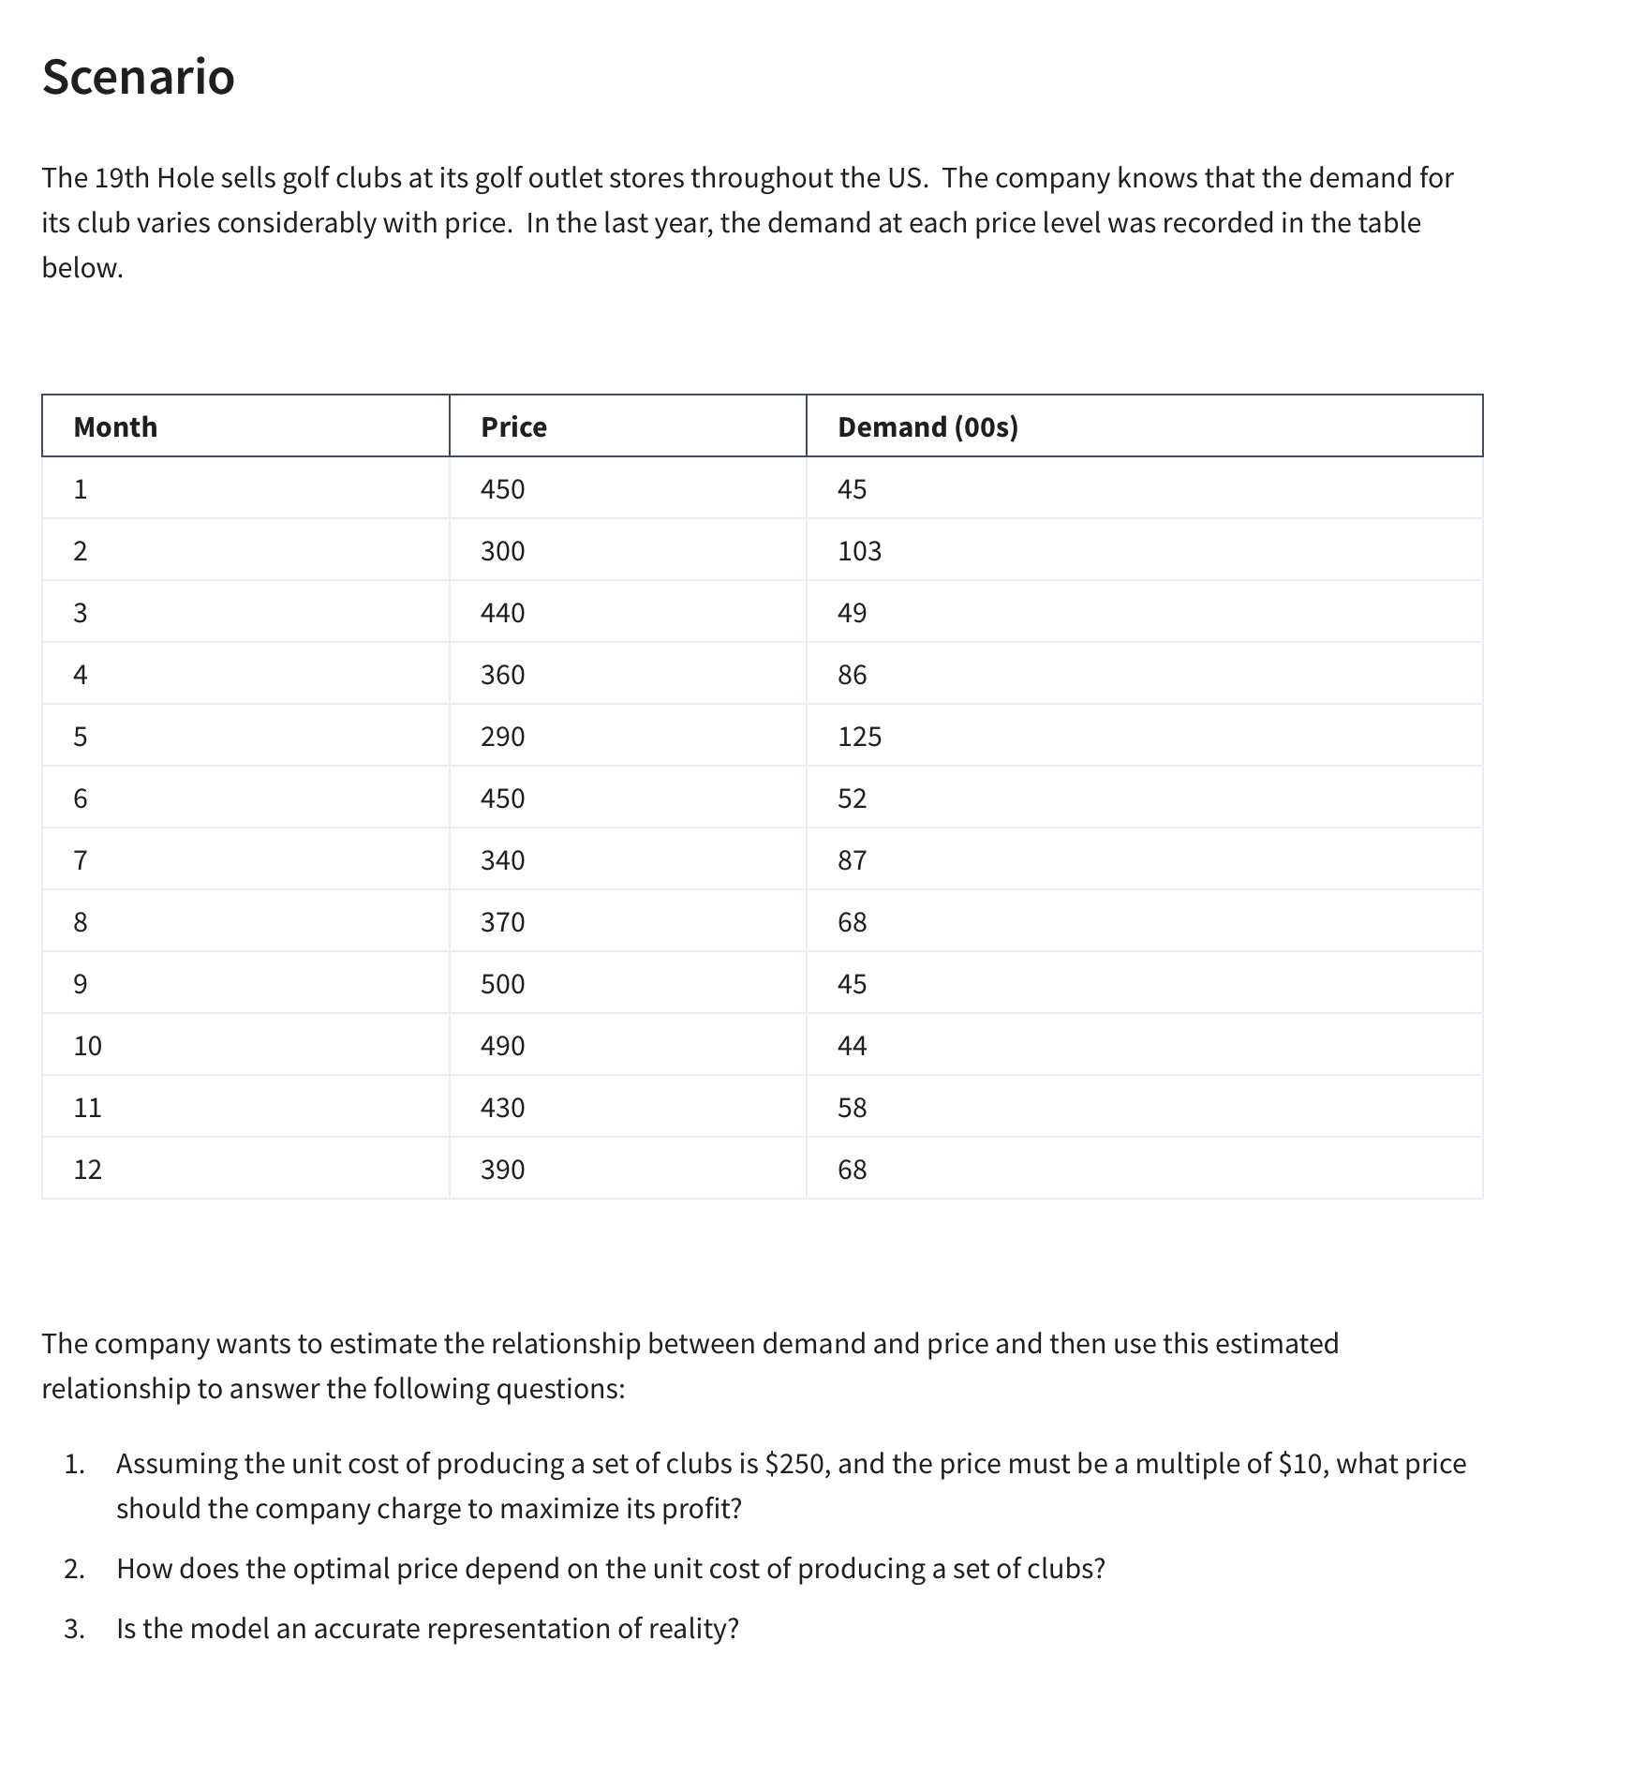
12 | 390 | 68

Linear: mx + b |  | Power: y = ax^b |  | Exponential: y=ae^(bx)
Intercept (b): | 211.31 | Constant (a): | 5871064 | Constant (a): | 466.51
Slope (m): | -0.3546 | Exponent (b): | -1.908 | Exponent (b): | -0.005

Predictions Based On Models |  |  |  |  | Absolute Percent Error
Price | Demand (Linear) | Demand (Power) | Demand (Exponential) | Demand (00s) | Demand (Linear)2 | Demand (Power)3 | Demand (Exponential)4
$450.00 | 51.7 | 50.9 | 49.2 | 45 | 15.0% | 13.0% | 9.3%
$300.00 | 104.9 | 110.2 | 104.1 | 103 | 1.9% | 7.0% | 1.1%
$440.00 | 55.3 | 53.1 | 51.7 | 49 | 12.8% | 8.3% | 5.5%
$360.00 | 83.7 | 77.9 | 77.1 | 86 | 2.7% | 9.5% | 10.3%
$290.00 | 108.5 | 117.6 | 109.4 | 125 | 13.2% | 5.9% | 12.5%
$450.00 | 51.7 | 50.9 | 49.2 | 52 | 0.5% | 2.2% | 5.4%
$340.00 | 90.7 | 86.8 | 85.2 | 87 | 4.3% | 0.2% | 2.0%
$370.00 | 80.1 | 73.9 | 73.4 | 68 | 17.8% | 8.7% | 7.9%
$500.00 | 34.0 | 41.6 | 38.3 | 45 | 24.4% | 7.6% | 14.9%
$490.00 | 37.6 | 43.2 | 40.3 | 44 | 14.6% | 1.7% | 8.5%
$430.00 | 58.8 | 55.5 | 54.3 | 58 | 1.4% | 4.4% | 6.3%
$390.00 | 73.0 | 66.8 | 66.4 | 68 | 7.4% | 1.7% | 2.4%
 |  |  |  | MAPE: | 9.7% | 5.9% | 7.2%
Model the Business
Unit Cost: | $250.00 | per set of clubs
Sale Price: | $450.00 | per set of clubs
Demand: | 51 | =D19*B40^D20 | <-- From Power Model |  | Price | Profit
Price vs Profit
Actual Demand: | 5086 |  |  |  |  | $1,017,225.72
 |  |  |  |  | $260 | $144,860
Cost: | $1,271,532.15 |  |  |  | $270 | $269,591
Revenue: | $2,288,757.88 |  |  |  | $280 | $377,277
 |  |  |  |  | $290 | $470,459
Total Profit: | $1,017,225.72 |  |  |  | $300 | $551,238
 |  |  |  |  | $310 | $621,370
 |  |  |  |  | $320 | $682,321
 |  |  |  |  | $330 | $735,330
 |  |  |  |  | $340 | $781,443
 |  |  |  |  | $350 | $821,552
 |  |  |  |  | $360 | $856,415
 |  |  |  |  | $370 | $886,685
 |  |  |  |  | $380 | $912,921
 |  |  |  |  | $390 | $935,607
 |  |  |  |  | $400 | $955,163
 |  |  |  |  | $410 | $971,953
 |  |  |  |  | $420 | $986,293
 |  |  |  |  | $430 | $998,462
 |  |  |  |  | $440 | $1,008,702 |  | A) set a price of $530 for a profit of $1,042,213
 |  |  |  |  | $450 | $1,017,226
 |  |  |  |  | $460 | $1,024,222
 |  |  |  |  | $470 | $1,029,857
 |  |  |  |  | $480 | $1,034,276
 |  |  |  |  | $490 | $1,037,609
 |  |  |  |  | $500 | $1,039,973
 |  |  |  |  | $510 | $1,041,469
 |  |  |  |  | $520 | $1,042,188
 |  |  |  |  | $530 | $1,042,213
 |  |  |  |  | $540 | $1,041,616
 |  |  |  |  | $550 | $1,040,462
 |  |  |  |  | $560 | $1,038,809
 |  |  |  |  | $570 | $1,036,711
 |  |  |  |  | $580 | $1,034,213
 |  |  |  |  | $590 | $1,031,360
 |  |  |  |  | $600 | $1,028,187

 |  |  |  |  |  | Unit Cost
 |  |  |  |  | $1,017,226 | 250 | 300 | 350 | 400 | 450 | 500 | 550
 |  |  |  | Price | $260 | $144,859.73 | $(579,438.91) | $(1,303,737.56) | $(2,028,036.20) | $(2,752,334.84) | $(3,476,633.48) | $(4,200,932.12)
 |  |  |  |  | $270 | $269,590.60 | $(404,385.90) | $(1,078,362.41) | $(1,752,338.91) | $(2,426,315.42) | $(3,100,291.92) | $(3,774,268.43)
 |  |  |  |  | $280 | $377,277.19 | $(251,518.12) | $(880,313.44) | $(1,509,108.75) | $(2,137,904.06) | $(2,766,699.37) | $(3,395,494.68)
 |  |  |  |  | $290 | $470,458.62 | $(117,614.65) | $(705,687.92) | $(1,293,761.19) | $(1,881,834.46) | $(2,469,907.73) | $(3,057,981.00)
 |  |  |  |  | $300 | $551,238.40 | $- | $(551,238.40) | $(1,102,476.80) | $(1,653,715.21) | $(2,204,953.61) | $(2,756,192.01)
 |  |  |  |  | $310 | $621,369.53 | $103,561.59 | $(414,246.35) | $(932,054.30) | $(1,449,862.24) | $(1,967,670.18) | $(2,485,478.12)
 |  |  |  |  | $320 | $682,320.93 | $194,948.84 | $(292,423.26) | $(779,795.35) | $(1,267,167.45) | $(1,754,539.54) | $(2,241,911.64)
 |  |  |  |  | $330 | $735,329.86 | $275,748.70 | $(183,832.47) | $(643,413.63) | $(1,102,994.80) | $(1,562,575.96) | $(2,022,157.13)
 |  |  |  |  | $340 | $781,443.44 | $347,308.20 | $(86,827.05) | $(520,962.29) | $(955,097.54) | $(1,389,232.78) | $(1,823,368.03)
 |  |  |  |  | $350 | $821,551.87 | $410,775.93 | $- | $(410,775.93) | $(821,551.87) | $(1,232,327.80) | $(1,643,103.73)
 |  |  |  |  | $360 | $856,415.12 | $467,135.52 | $77,855.92 | $(311,423.68) | $(700,703.28) | $(1,089,982.89) | $(1,479,262.49)
 |  |  |  |  | $370 | $886,684.61 | $517,232.69 | $147,780.77 | $(221,671.15) | $(591,123.07) | $(960,575.00) | $(1,330,026.92)
 |  |  |  |  | $380 | $912,920.72 | $561,797.37 | $210,674.01 | $(140,449.34) | $(491,572.70) | $(842,696.05) | $(1,193,819.40)
 |  |  |  |  | $390 | $935,607.25 | $601,461.81 | $267,316.36 | $(66,829.09) | $(400,974.54) | $(735,119.98) | $(1,069,265.43)
 |  |  |  |  | $400 | $955,163.26 | $636,775.51 | $318,387.75 | $- | $(318,387.75) | $(636,775.51) | $(955,163.26)
 |  |  |  |  | $410 | $971,952.85 | $668,217.59 | $364,482.32 | $60,747.05 | $(242,988.21) | $(546,723.48) | $(850,458.75)
 |  |  |  |  | $420 | $986,293.32 | $696,207.05 | $406,120.78 | $116,034.51 | $(174,051.76) | $(464,138.03) | $(754,224.30)
 |  |  |  |  | $430 | $998,461.92 | $721,111.39 | $443,760.85 | $166,410.32 | $(110,940.21) | $(388,290.75) | $(665,641.28)
 |  |  |  |  | $440 | $1,008,701.60 | $743,253.81 | $477,806.02 | $212,358.23 | $(53,089.56) | $(318,537.35) | $(583,985.14)
 |  |  |  |  | $450 | $1,017,225.72 | $762,919.29 | $508,612.86 | $254,306.43 | $- | $(254,306.43) | $(508,612.86)
 |  |  |  |  | $460 | $1,024,222.16 | $780,359.74 | $536,497.32 | $292,634.90 | $48,772.48 | $(195,089.93) | $(438,952.35)
 |  |  |  |  | $470 | $1,029,856.66 | $795,798.33 | $561,740.00 | $327,681.67 | $93,623.33 | $(140,435.00) | $(374,493.33)
 |  |  |  |  | $480 | $1,034,275.82 | $809,433.25 | $584,590.68 | $359,748.11 | $134,905.54 | $(89,937.03) | $(314,779.60)
 |  |  |  |  | $490 | $1,037,609.49 | $821,440.85 | $605,272.20 | $389,103.56 | $172,934.92 | $(43,233.73) | $(259,402.37)
 |  |  |  |  | $500 | $1,039,972.98 | $831,978.38 | $623,983.79 | $415,989.19 | $207,994.60 | $- | $(207,994.60)
 |  |  |  |  | $510 | $1,041,468.81 | $841,186.34 | $640,903.88 | $440,621.42 | $240,338.96 | $40,056.49 | $(160,225.97)
 |  |  |  |  | $520 | $1,042,188.31 | $849,190.48 | $656,192.64 | $463,194.81 | $270,196.97 | $77,199.13 | $(115,798.70)
 |  |  |  |  | $530 | $1,042,213.00 | $856,103.54 | $669,994.07 | $483,884.61 | $297,775.14 | $111,665.68 | $(74,443.79)
 |  |  |  |  | $540 | $1,041,615.70 | $862,026.79 | $682,437.87 | $502,848.96 | $323,260.05 | $143,671.13 | $(35,917.78)
 |  |  |  |  | $550 | $1,040,461.60 | $867,051.34 | $693,641.07 | $520,230.80 | $346,820.53 | $173,410.27 | $-
 |  |  |  |  | $560 | $1,038,809.12 | $871,259.26 | $703,709.40 | $536,159.54 | $368,609.69 | $201,059.83 | $33,509.97
 |  |  |  |  | $570 | $1,036,710.67 | $874,724.63 | $712,738.59 | $550,752.54 | $388,766.50 | $226,780.46 | $64,794.42
 |  |  |  |  | $580 | $1,034,213.36 | $877,514.36 | $720,815.37 | $564,116.38 | $407,417.38 | $250,718.39 | $94,019.40
 |  |  |  |  | $590 | $1,031,359.55 | $879,689.03 | $728,018.50 | $576,347.98 | $424,677.46 | $273,006.94 | $121,336.42
 |  |  |  |  | $600 | $1,028,187.39 | $881,303.48 | $734,419.56 | $587,535.65 | $440,651.74 | $293,767.83 | $146,883.91
 |  |  |  |  | $610 | $1,024,731.27 | $882,407.48 | $740,083.70 | $597,759.91 | $455,436.12 | $313,112.33 | $170,788.55
 |  |  |  |  | $620 | $1,021,022.22 | $883,046.25 | $745,070.27 | $607,094.30 | $469,118.32 | $331,142.34 | $193,166.37
 |  |  |  |  | $630 | $1,017,088.26 | $883,260.86 | $749,433.46 | $615,606.05 | $481,778.65 | $347,951.25 | $214,123.84
 |  |  |  |  | $640 | $1,012,954.72 | $883,088.73 | $753,222.74 | $623,356.75 | $493,490.76 | $363,624.77 | $233,758.78
 |  |  |  |  | $650 | $1,008,644.49 | $882,563.93 | $756,483.37 | $630,402.81 | $504,322.25 | $378,241.68 | $252,161.12
 |  |  |  |  | $660 | $1,004,178.32 | $881,717.55 | $759,256.78 | $636,796.01 | $514,335.24 | $391,874.47 | $269,413.70
 |  |  |  |  | $670 | $999,574.99 | $880,577.97 | $761,580.95 | $642,583.92 | $523,586.90 | $404,589.88 | $285,592.85
 |  |  |  |  | $680 | $994,851.51 | $879,171.10 | $763,490.70 | $647,810.29 | $532,129.88 | $416,449.47 | $300,769.06
 |  |  |  |  | $690 | $990,023.32 | $877,520.67 | $765,018.02 | $652,515.37 | $540,012.72 | $427,510.07 | $315,007.42
 |  |  |  |  | $700 | $985,104.42 | $875,648.37 | $766,192.33 | $656,736.28 | $547,280.23 | $437,824.19 | $328,368.14
 |  |  |  |  | $710 | $980,107.51 | $873,574.08 | $767,040.66 | $660,507.23 | $553,973.81 | $447,440.38 | $340,906.96
 |  |  |  |  | $720 | $975,044.12 | $871,316.03 | $767,587.93 | $663,859.83 | $560,131.73 | $456,403.63 | $352,675.53
 |  |  |  |  | $730 | $969,924.74 | $868,890.91 | $767,857.08 | $666,823.26 | $565,789.43 | $464,755.60 | $363,721.78
 |  |  |  |  | $740 | $964,758.85 | $866,314.07 | $767,869.29 | $669,424.51 | $570,979.73 | $472,534.95 | $374,090.17
 |  |  |  |  | $750 | $959,555.12 | $863,599.61 | $767,644.10 | $671,688.59 | $575,733.07 | $479,777.56 | $383,822.05
 |  |  |  |  | $760 | $954,321.39 | $860,760.47 | $767,199.55 | $673,638.63 | $580,077.71 | $486,516.79 | $392,955.87
 |  |  |  |  | $770 | $949,064.77 | $857,808.55 | $766,552.32 | $675,296.09 | $584,039.86 | $492,783.63 | $401,527.40
 |  |  |  |  | $780 | $943,791.76 | $854,754.80 | $765,717.84 | $676,680.89 | $587,643.93 | $498,606.97 | $409,570.01
 |  |  |  |  | $790 | $938,508.23 | $851,609.32 | $764,710.41 | $677,811.50 | $590,912.59 | $504,013.68 | $417,114.77
 |  |  |  |  | $800 | $933,219.51 | $848,381.37 | $763,543.23 | $678,705.10 | $593,866.96 | $509,028.82 | $424,190.69
 |  |  |  |  | $810 | $927,930.45 | $845,079.52 | $762,228.58 | $679,377.65 | $596,526.72 | $513,675.78 | $430,824.85
 |  |  |  |  | $820 | $922,645.44 | $841,711.63 | $760,777.82 | $679,844.01 | $598,910.20 | $517,976.39 | $437,042.58
 |  |  |  |  | $830 | $917,368.47 | $838,284.98 | $759,201.49 | $680,118.00 | $601,034.51 | $521,951.02 | $442,867.54

Exercist Equiptment Co. Assignm
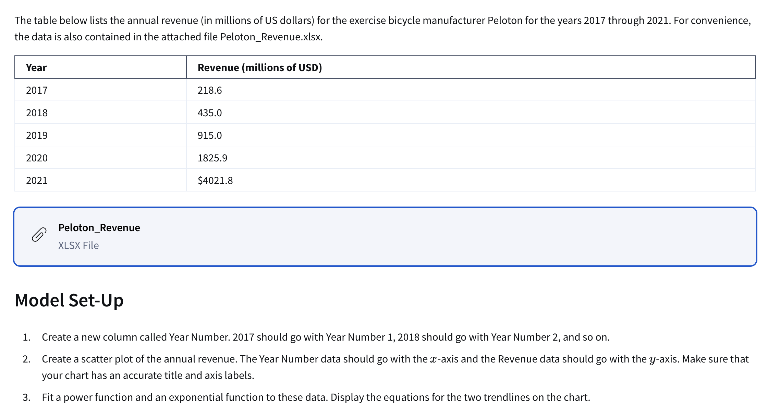
Exercise Equipment Company

Revenue Per Year
Actual Data |  | Forecasts |  | Absolute Percent Error |  | Exponential Model
Year Number | Revenue | Exponential | Power | Exponential | Power | y=ae^(bx)
1 | 218.6 | 214.1 | 171.0 | 2.1% | 22% | a: | 103.59
2 | 435 | 442.4 | 575.5 | 1.7% | 32% | b: | 0.7259
3 | 915 | 914.3 | 1170.6 | 0.1% | 28%
4 | 1825.9 | 1889.4 | 1937.3 | 3.5% | 6% | Power Function Model
5 | 4021.8 | 3904.7 | 2863.4 | 2.9% | 29% | y=ax^b
6 | 3582.1 | 8069.5 | 3940.4 | 125.27% | 10.00% | a: | 170.97
7 |  | 16676.2 | 5161.4 | 22.6% | 21.2% | b: | 1.7511
 |  |  |  | (

Gopher Drugs
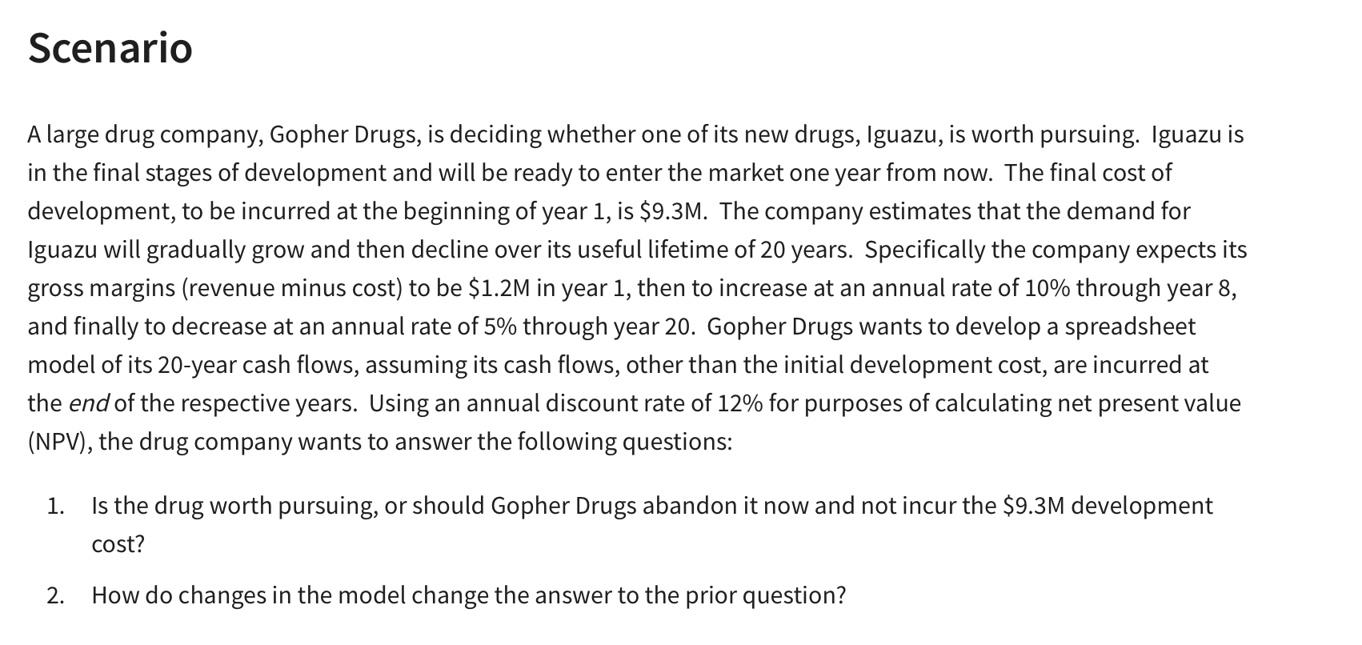
Gopher Drugs:

Development Cost: | $9,300,000 |  | Cash Flows:
Lifetime: | 20 | years | End of Year | Gross Margin ($M)
Year 1 Margin: | $1,200,000 |  | 1 | $1,200,000 | =B6
Incr. Thru year: | 8 |  | 2 | $1,320,000.0 | =IF(E6<$B$7,F6+F6*$B$8,F6-F6*$B$9)
Rate of Increase: | 10.0% |  | 3 | $1,452,000.0 | =IF(E7<$B$7,F7+F7*$B$8,F7-F7*$B$9)
Rate of decrease: | 5% |  | 4 | $1,597,200.0 | =IF(E8<$B$7,F8+F8*$B$8,F8-F8*$B$9)
Discount Rate: | 12% |  | 5 | $1,756,920.0 | =IF(E9<$B$7,F9+F9*$B$8,F9-F9*$B$9)
 |  |  | 6 | $1,932,612.0 | =IF(E10<$B$7,F10+F10*$B$8,F10-F10*$B$9)
(Net) Present Value: | $12,600,290.74 | =NPV(B10,F6:F25) | 7 | $2,125,873.2 | =IF(E11<$B$7,F11+F11*$B$8,F11-F11*$B$9)
Development Cost: | $9,300,000 | =B4 | 8 | $2,338,460.5 | =IF(E12<$B$7,F12+F12*$B$8,F12-F12*$B$9)
Net Present Value: | $3,300,290.74 | =B12-B13 | 9 | $2,221,537.5 | =IF(E13<$B$7,F13+F13*$B$8,F13-F13*$B$9)
 |  |  | 10 | $2,110,460.6 | =IF(E14<$B$7,F14+F14*$B$8,F14-F14*$B$9)
 |  |  | 11 | $2,004,937.6 | =IF(E15<$B$7,F15+F15*$B$8,F15-F15*$B$9)
 |  |  | 12 | $1,904,690.7 | =IF(E16<$B$7,F16+F16*$B$8,F16-F16*$B$9)
 |  |  | 13 | $1,809,456.2 | =IF(E17<$B$7,F17+F17*$B$8,F17-F17*$B$9)
 |  |  | 14 | $1,718,983.4 | =IF(E18<$B$7,F18+F18*$B$8,F18-F18*$B$9)
 |  |  | 15 | $1,633,034.2 | =IF(E19<$B$7,F19+F19*$B$8,F19-F19*$B$9)
 |  |  | 16 | $1,551,382.5 | =IF(E20<$B$7,F20+F20*$B$8,F20-F20*$B$9)
 |  |  | 17 | $1,473,813.4 | =IF(E21<$B$7,F21+F21*$B$8,F21-F21*$B$9)
 |  |  | 18 | $1,400,122.7 | =IF(E22<$B$7,F22+F22*$B$8,F22-F22*$B$9)
 |  |  | 19 | $1,330,116.6 | =IF(E23<$B$7,F23+F23*$B$8,F23-F23*$B$9)
 |  |  | 20 | $1,263,610.7 | =IF(E24<$B$7,F24+F24*$B$8,F24-F24*$B$9)

Net Present Value Assignment
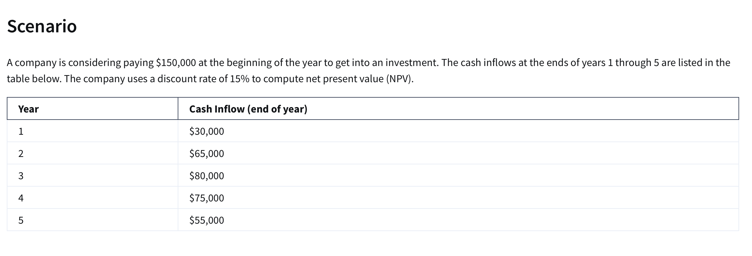
Year | Cash Inflow (end of year) |  | Development Cost: | $150,000
1 | $30,000 |  | Discount Rate: | 15%
2 | $65,000
3 | $80,000
4 | $75,000
5 | $55,000

(Net) Present Value: | $48,063.81 | =NPV(G2,B2:B6)-G1

Decision Thru Regression & NPV
Avg Seasonally Adjusted Sales (YOY)
Year | Average of Seasonally Adjusted Sales | Exponential Model | Exponential Model Absolute Error | Percent Growth
1 | $150,781.17 | $165,143.67 | 9.5%
2 | $161,696.25 | $172,399.73 | 6.6% | 7%
3 | $175,688.83 | $179,974.61 | 2.4% | 9%
4 | $185,437.25 | $187,882.32 | 1.3% | 6%
5 | $196,728.17 | $196,137.47 | 0.3% | 6%
6 | $206,334.08 | $204,755.34 | 0.8% | 5%
7 | $215,657.67 | $213,751.86 | 0.9% | 5%
8 | $233,872.00 | $223,143.67 | 4.6% | 8%
9 | $248,748.25 | $232,948.13 | 6.4% | 6%
10 | $255,663.75 | $243,183.38 | 4.9% | 3%
11 | $261,272.42 | $253,868.35 | 2.8% | 2%
12 | $272,232.50 | $265,022.79 | 2.6% | 4%
13 | $288,987.50 | $276,667.33 | 4.3% | 6%
14 | $307,826.08 | $288,823.51 | 6.2% | 7%
15 | $323,823.08 | $301,513.81 | 6.9% | 5%
16 | $334,008.00 | $314,761.69 | 5.8% | 3%
17 | $328,780.33 | $328,591.65 | 0.1% | -2%
18 | $303,288.92 | $343,029.28 | 13.1% | -8%
19 | $323,964.17 | $358,101.26 | 10.5% | 7% | Exponential: | y=ae^(bx)
20 | $349,717.75 | $373,835.48 | 6.9% | 8% | a: | 158193
21 |  | $390,261.02 | 4.8% | 4.6% | b: | 0.043
22 |  | $407,408.27
23 |  | $425,308.93 |  |  | 165143.6674
24 |  | $443,996.11
25 |  | $463,504.37
26 |  | $483,869.77
27 |  | $505,129.99
28 |  | $527,324.34
29 |  | $550,493.86
30 |  | $574,681.40
31 |  | $599,931.69
32 |  | $626,291.43
33 |  | $653,809.36
34 |  | $682,536.36 |  |  | Givens |  |  | Total Cost:
35 |  | $712,525.58 |  |  | Development Cost: | $4,000,000
36 |  | $743,832.45 |  |  | Unit Price: | $25.00 |  | Discount Rate: | 5%
37 |  | $776,514.88 |  |  | Variable Cost: | $1,000,000
38 |  | $810,633.31 |  |  | Demand: | 80000 | kits | $0.00
39 |  | $846,250.83 |  |  | Revenue: | $2,000,000
40 |  | $883,433.31 |  |  | Unknown Growth Rate: | 58.9%
41 |  | $922,249.51
42 |  | $962,771.21
43 |  | $1,005,073.35
44 |  | $1,049,234.16 |  |  | Year | Demand | Revenue | Variable Cost | SG&A Costs | Total Cost | Total Profit:
45 |  | $1,095,335.30 |  |  | 1 | 80000 | $2,000,000 | $1,000,000 | $800,000.0 | $1,800,000.0 | $200,000.0
46 |  | $1,143,462.03 |  |  | 2 | 127102.99111 | $3,177,575 | $1,588,787 | $1,207,478.42 | $2,796,265.8 | $381,309.0
47 |  | $1,193,703.34 |  |  | 3 | 201939.62936 | $5,048,491 | $2,524,245 | $1,817,456.66 | $4,341,702.0 | $706,788.7
48 |  | $1,246,152.15 |  |  | 4 | 320839.13644 | $8,020,978 | $4,010,489 | $2,727,132.66 | $6,737,621.9 | $1,283,356.5
49 |  | $1,300,905.46 |  |  | 5 | 509745.17383 | $12,743,629 | $6,371,815 | $4,077,961.39 | $10,449,776.1 | $2,293,853.3
50 |  | $1,358,064.50 |  |  |  |  |  |  |  | $26,125,365.8 | $865,307.5
51 |  | $1,417,735.00
52 |  | $1,480,027.29
53 |  | $1,545,056.57
54 |  | $1,612,943.11
55 |  | $1,683,812.43
56 |  | $1,757,795.61
57 |  | $1,835,029.44
58 |  | $1,915,656.78
59 |  | $1,999,826.70

Bluejay Natural Gas Assignment
Financial Estimates for Potential Projects (in $millions) |  |  |  |  |  |  |  |  | Inputs:
Project Index | Functional Area (FA) | Partnership Percentage | Capex Year 1 | Capex Year 2 | Capex Year 3 | NPV |  |  | Annual Revenues (in millions) | $50,000.00
1 | FA1 | 100% | 250 | 100 | 100 | 60 |  |  | Total Expenditures (in millions) | $10,000.00 |  | Variables: | P1 | P2 | P3 | P4 | P5 | P6 | P7 | P8 | P9 | P10 | P11 | P12
2 | FA1 | 33% | 500 | 300 | 300 | 180 |  |  | Yearly Cap (millions) | $4,000.00 |  |  | 0 | 1 | 1 | 1 | 1 | 1 | 1 | 1 | 1 | 0 | 1 | 0
3 | FA1 | 50% | 100 | 200 | 400 | 80 |  |  | NPV Discount Rate % decrease: | 12% | <--dummy value |  | 53 | 158 | 70 | 273 | 194 | 158 | 361 | 246 | 334 | 88 | 229 | 299
4 | FA1 | 100% | 750 | 500 | 300 | 310
5 | FA1 | 75% | 200 | 400 | 800 | 220 |  |  | Requirement Checks
6 | FA2 | 50% | 1000 | 300 | 300 | 180 |  |  | Capital Ex. Under 4000 (Y1) | 1 |  | Objective (Max)
7 | FA2 | 100% | 750 | 750 | 300 | 410 |  |  | Capital Ex. Under 4000 (Y2) | 1 |  | Total NPV: | 2023 | (000)s
8 | FA2 | 100% | 800 | 700 | 600 | 280 |  |  | Capital Ex. Under 4000 (Y3) | 1
9 | FA2 | 67% | 400 | 600 | 800 | 380 |  |  | Under $10,000 (year 1-3) | 1 |  | Constraints |  |  |  |  |  |  |  |  |  |  |  |  | LHS | Sign | RHS
10 | FA3 | 100% | 100 | 200 | 400 | 100 |  |  | Each FA has at least 1 project approved | 1 |  | Capex under $10B | 450 | 363 | 350 | 1550 | 1050 | 800 | 1800 | 2100 | 1206 | 700 | 750 | 2300 | 9969 | <= | 10000
11 | FA3 | 50% | 700 | 500 | 300 | 260 |  |  | Number of Approved Project for FA 1 | 3 |  | Capex 1Y under $4B | 250 | 165 | 50 | 750 | 150 | 500 | 750 | 800 | 268 | 100 | 350 | 1500 | 3783 | <= | 4000
12 | FA3 | 100% | 1500 | 400 | 400 | 340 |  |  | Number of Approved Project for FA 2 | 4 |  | Capex 2Y under $4B | 100 | 99 | 100 | 500 | 300 | 150 | 750 | 700 | 402 | 200 | 250 | 400 | 3251 | <= | 4000
 |  |  |  |  |  |  |  |  | Number of Approved Project for FA 3 | 1 |  | Capex 3Y under $4B | 100 | 99 | 200 | 300 | 600 | 150 | 300 | 600 | 536 | 400 | 150 | 400 | 2935 | <= | 4000
 |  |  |  |  |  |  |  |  | Total Number of Approved Projoects | 8 |  | FA 1 | 1 | 1 | 1 | 1 | 1 |  |  |  |  |  |  |  | 4 | >= | 1
 |  |  |  |  |  |  |  |  |  |  |  | FA 2 |  |  |  |  |  | 1 | 1 | 1 | 1 |  |  |  | 4 | >= | 1
Project Index | Functional Area | Partnership % | Cap Ex. Yr1 | Cap Ex. Yr2 | Cap Ex. Yr3 | Total Cost | NPV | New NPV | ROI | Approval Rating |  | FA 3 |  |  |  |  |  |  |  |  |  | 1 | 1 | 1 | 1 | >= | 1
1 | FA1 | 100% | $250 | $100 | $100 | $450 | $60 | $53 |  | 0 | <--Dummy Approval Rating
2 | FA1 | 33% | $165 | $99 | $99 | $363 | $180 | $158 | 14% | 1
3 | FA1 | 50% | $50 | $100 | $200 | $350 | $80 | $70 |  | 0
4 | FA1 | 100% | $750 | $500 | $300 | $1,550 | $310 | $273 | 18% | 1
5 | FA1 | 75% | $150 | $300 | $600 | $1,050 | $220 | $194 | 14% | 1
 |  | FA 1 Approved Totals: | $1,065 | $899 | $999 | $2,963 |  |  |  |  |  |  | Manager 1 | Manager 2 | Manager 3 | Manager 4 | Manager 5 | Manager 6 | Manager 7 | Manager 8
 |  |  |  |  |  |  |  |  |  |  |  | Project 1 | 1 | 1 | 1 | 1 | 1 | 0 | 0 | 0
 |  |  |  |  |  |  |  |  |  |  |  | Project 2 | 1 | 1 | 1 | 1 | 0 | 1 | 0 | 1
Project Index | Functional Area | Partnership % | Cap Ex. Yr1 | Cap Ex. Yr2 | Cap Ex. Yr3 | Total Cost | NPV | New NPV | ROI | Approval Rating |  | Project 3 | 1 | 0 | 0 | 1 | 1 | 1 | 0 | 1
1 | FA2 | 50% | $500 | $150 | $150 | $800 | $180 | $158 | 10% | 1 | <--Dummy Approval Rating | Project 4 | 0 | 1 | 0 | 0 | 1 | 1 | 1 | 1
2 | FA2 | 100% | $750 | $750 | $300 | $1,800 | $410 | $361 | 20% | 1 |  | Project 5 | 1 | 1 | 1 | 1 | 1 | 1 | 1 | 0
3 | FA2 | 100% | $800 | $700 | $600 | $2,100 | $280 | $246 | 12% | 1 |  | Project 6 | 1 | 1 | 1 | 1 | 1 | 1 | 1 | 1
4 | FA2 | 67% | $268 | $402 | $536 | $1,206 | $380 | $334 | 19% | 1 |  | Project 7 | 1 | 1 | 1 | 1 | 1 | 1 | 0 | 1
 |  | FA 2 Approved Totals: | $2,318 | $2,002 | $1,586 | $5,906 |  |  |  |  |  | Project 8 | 1 | 1 | 1 | 1 | 0 | 1 | 1 | 0
 |  |  |  |  |  |  |  |  |  |  |  | Project 9 | 1 | 1 | 1 | 1 | 0 | 0 | 0 | 1
Project Index | Functional Area | Partnership % | Cap Ex. Yr1 | Cap Ex. Yr2 | Cap Ex. Yr3 | Total Cost | NPV | New NPV | ROI | Approval Rating |  | Project 10 | 1 | 1 | 1 | 1 | 0 | 1 | 1 | 1
10 | FA3 | 100% | $100 | $200 | $400 | $700 | $100 | $88 |  | 0 | <--Dummy Approval Rating | Project 11 | 1 | 1 | 1 | 1 | 1 | 1 | 0 | 1
11 | FA3 | 50% | $350 | $250 | $150 | $750 | $260 | $229 | 15% | 1 |  | Project 12 | 0 | 0 | 0 | 1 | 1 | 0 | 1 | 1
12 | FA3 | 100% | $1,500 | $400 | $400 | $2,300 | $340 | $299 |  | 0
 |  | FA 3 Approve Totals: | $350 | $250 | $150 | $750
 |  |  |  |  |  |  |  |  |  |  |  |  | Manager 1 | Manager 2 | Manager 3 | Manager 4 | Manager 5 | Manager 6 | Manager 7 | Manager 8 | LHS | Sign | RHS
 |  |  | Cap Ex. Yr1 | Cap Ex. Yr2 | Cap Ex. Yr3 | Total Cost | Total Approved NPV: |  |  |  |  | Project 1 | 0 | 0 | 0 | 0 | 0 | 1 | 1 | 0 | 1 | = | 0
 | Overall Totals for Approved Projects: |  | $3,733 | $3,151 | $2,735 | $9,619 |  | $1,954 |  |  |  | Project 2 | 0 | 0 | 0 | 0 | 1 | 0 | 0 | 0 | 1 | = | 1
 |  |  |  |  |  |  |  |  |  |  |  | Project 3 | 0 | 0 | 0 | 1 | 0 | 0 | 0 | 0 | 1 | = | 1
 |  |  |  |  |  |  |  |  |  |  |  | Project 4 | 1 | 0 | 0 | 0 | 0 | 0 | 0 | 0 | 1 | = | 1
 |  |  |  |  |  |  |  |  |  |  |  | Project 5 | 0 | 0 | 1 | 0 | 0 | 0 | 0 | 0 | 1 | = | 1
 |  |  |  |  |  |  |  |  |  |  |  | Project 6 | 0 | 1 | 0 | 0 | 0 | 0 | 0 | 0 | 1 | = | 1
 |  |  | Approved Cap Ex. Year Totals |  |  |  |  |  |  |  |  | Project 7 | 1 | 0 | 0 | 0 | 0 | 0 | 0 | 0 | 1 | = | 1
 |  |  | Year 1 | Year 2 | Year 3 |  | Are the Conditions Met? |  | 1 |  |  | Project 8 | 0 | 0 | 0 | 0 | 0 | 0 | 0 | 0 | 0 | = | 1
Functional Area: |  | FA 1 | $1,065 | $899 | $999 |  |  |  |  |  |  | Project 9 | 0 | 0 | 0 | 0 | 0 | 0 | 0 | 0 | 0 | = | 1
 |  | FA 2 | $2,318 | $2,002 | $1,586 |  |  |  |  |  |  | Project 10 | 0 | 0 | 0 | 0 | 0 | 0 | 0 | 0 | 0 | = | 0
 |  | FA 3 | $350 | $250 | $150 |  |  |  |  |  |  | Project 11 | 0 | 0 | 0 | 0 | 0 | 0 | 0 | 1 | 0 | = | 1
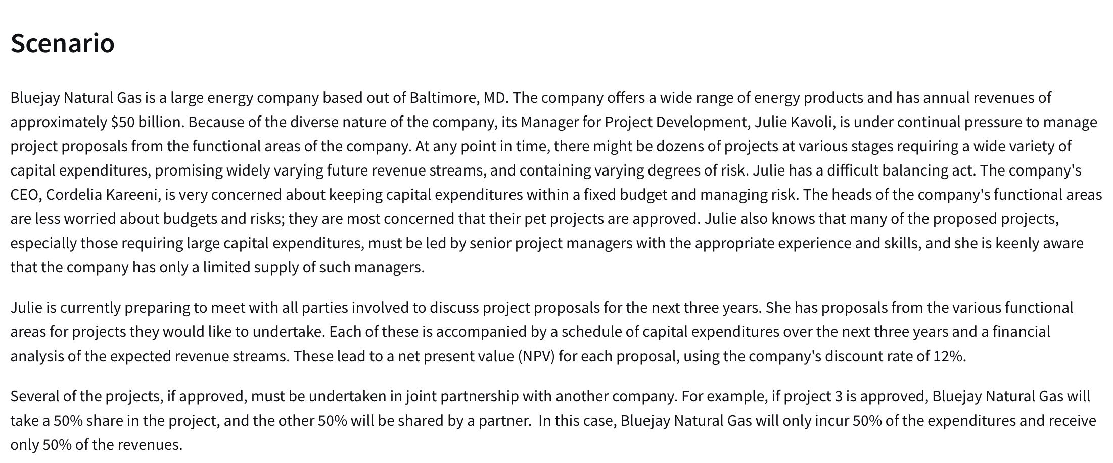
 |  |  |  |  |  |  |  |  |  |  |  | Project 12 | 0 | 0 | 0 | 0 | 0 | 0 | 0 | 0 | 0 | = | 0
 |  |  | ROI |  |  |  |  |  |  |  |  | LHS | 1 | 1 | 1 | 1 | 1 | 1 | 1 | 1
 |  | % Change in Discount Rate | Average | Minimum | Maximum |  |  |  |  |  |  | Sign | = | = | = | = | = | = | = | =
 |  |  | 15% | 10% | 20% |  |  |  |  |  |  | RHS | 1 | 1 | 1 | 1 | 1 | 1 | 1 | 1
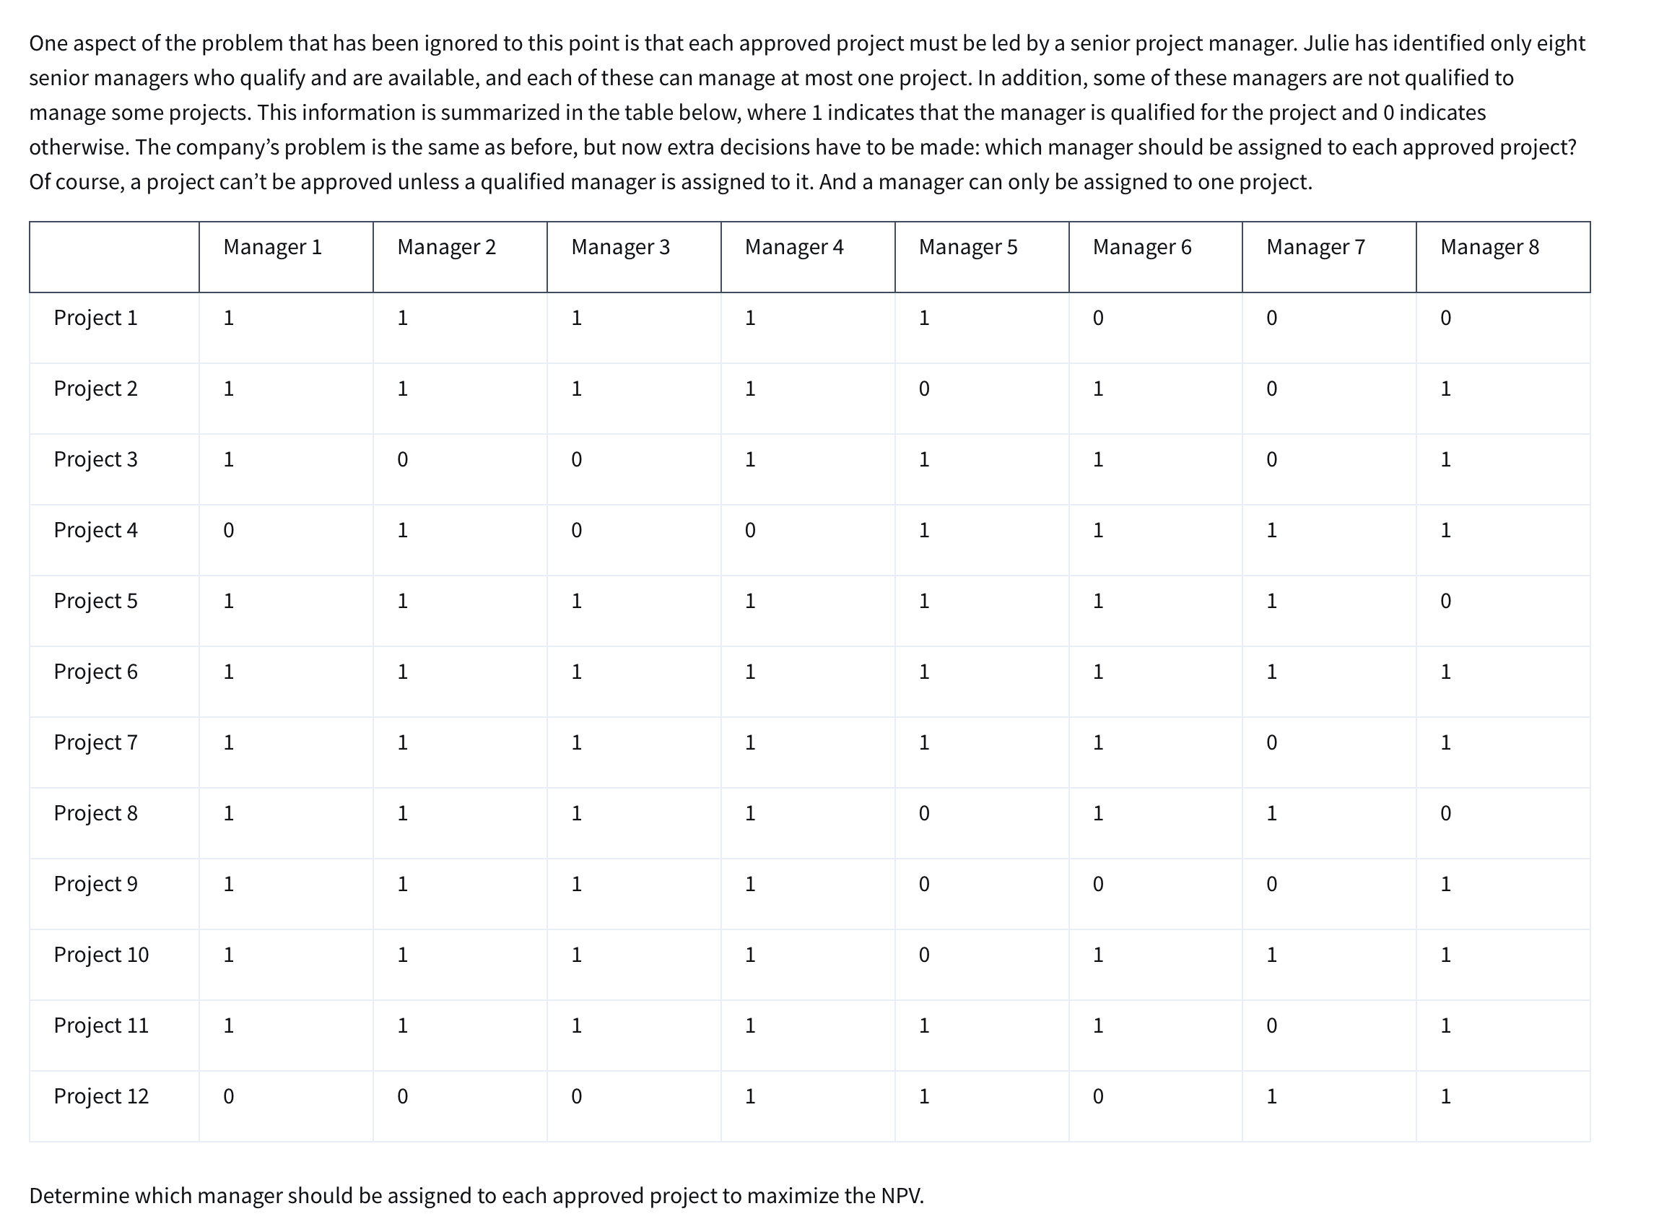
 |  | 0% | 17% | 11% | 23%
 |  | 5% | 16% | 11% | 22%
 |  | 10% | 16% | 10% | 21% |  |  |  |  |  |  | Objective(max)
 |  | 15% | 15% | 10% | 19% |  |  |  |  |  |  | Managers Assigned | 5
 |  | 20% | 14% | 9% | 18%
 |  | 25% | 13% | 8% | 17%
 |  | 30% | 12% | 8% | 16%

PC Tech Company
PC Tech Company

 | Basic | XP |  |  |  | Objectives?
Variables | 560 | 1200 | <--enter dummy records |  |  | Variables?
 |  |  |  |  |  | Constraints?
Objective (Max) |  |  | Total:
Revenue: | $300 | $450 |  | $708,000
Costs:
Parts: | $150 | $225 |  | $354,000 |  |  | $11 | for assembly
Labor/Assem: | 5 | 6 | 10000 | $110,000 |  |  | $15 | Testing
Labor/Testing: | 1 | 2 | 2960 | $44,400
Profit:
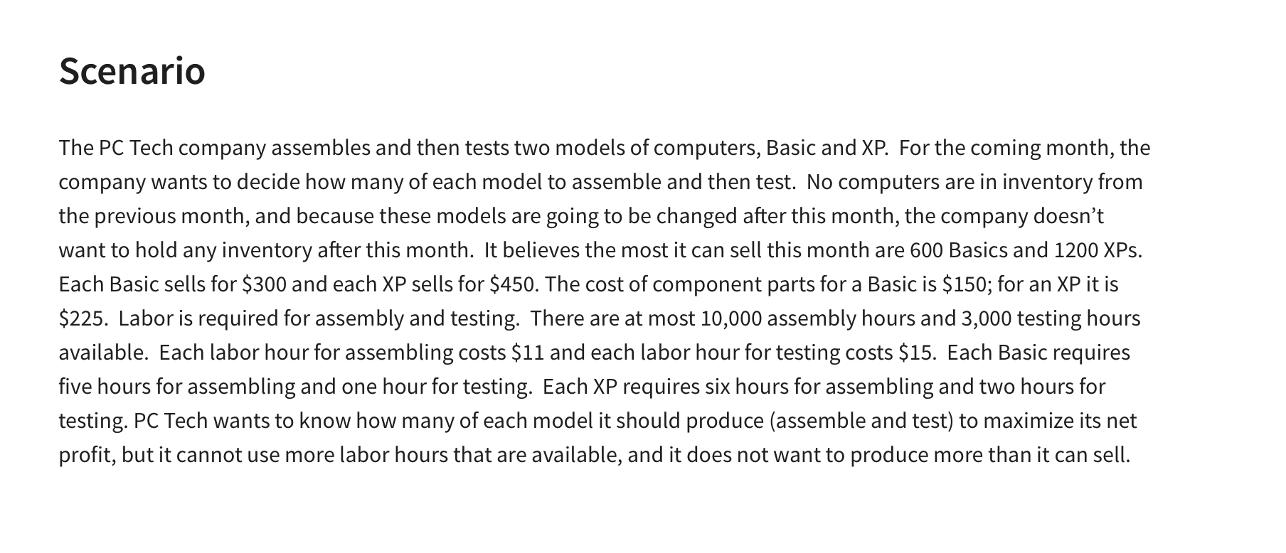
 |  |  |  | $199,600 | =$E$7-$E$9-E10-E11

Constraints | X | Y | LHS | Sign | RHS
at most 600 basics | 1 |  | 560 | <= | 600 | =SUMPRODUCT($B$4:$C$4,B16:C16)
at most 1200 XPs |  | 1 | 1200 | <= | 1200 | =SUMPRODUCT($B$4:$C$4,B17:C17)
Assembly hours | 5 | 6 | 10000 | <= | 10000 | =SUMPRODUCT($B$4:$C$4,B18:C18)
Testing Hours | 1 | 2 | 2960 | <= | 3000 | =SUMPRODUCT($B$4:$C$4,B19:C19)

Investment Allocation
 | X1 | X2 | X3 | X4 | X5 |  | Inputs:
Variables: | $50,000.00 | $- | $- | $175,000.00 | $25,000.00 |  | Funds Allocated | $250,000
 | 5.30% | 6.80% | 4.90% | 8.40% | 11.80%

Objective (Max)
Actual Return: | $20,300.00 | =SUMPRODUCT(B3:F3,B2:F2)

Constraints | X1 | X2 | X3 | X4 | X5 | LHS | Sign | RHS
Muni must be at least 20% of investment | 1 |  |  |  |  | 50000 | >= | $50,000
At least 40% of investment is placed in tech stocks |  | 1 | 1 | 1 |  | 175000 | >= | $100,000.0
No more than 50% of Munis should be high risk |  |  |  |  | 1 | 25000 | <= | $25,000
Budget | 1 | 1 | 1 | 1 | 1 | 250000 | <= | $250,000.00

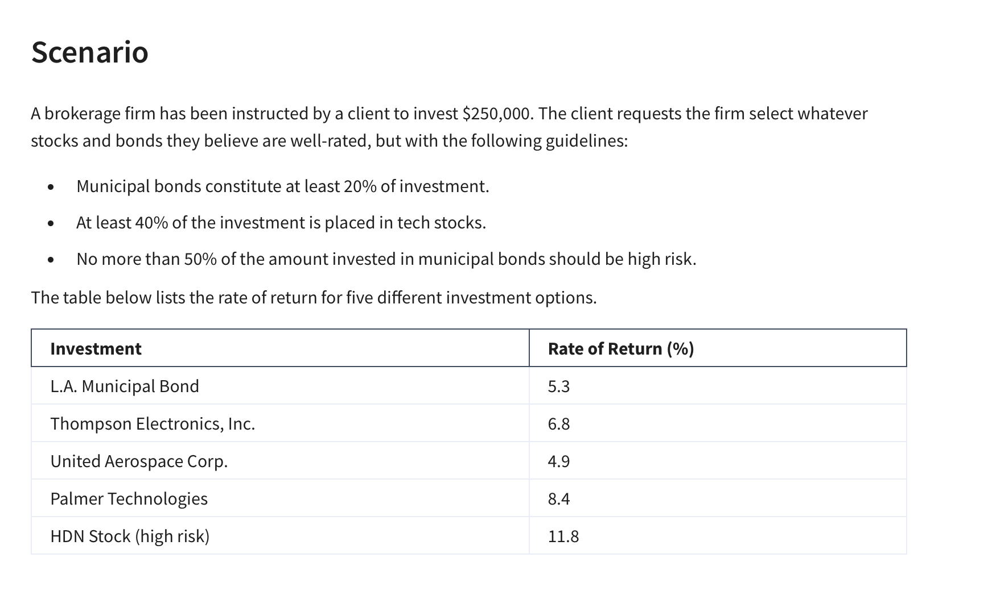

L.A. Municipal Bond | 5.3%
Thompson Electronics | 6.8%
United Aerospace Corp. | 4.9%
Palmer Technologies | 8.4%
HDN Stock (high risk) | 11.8%

Practice Assignment
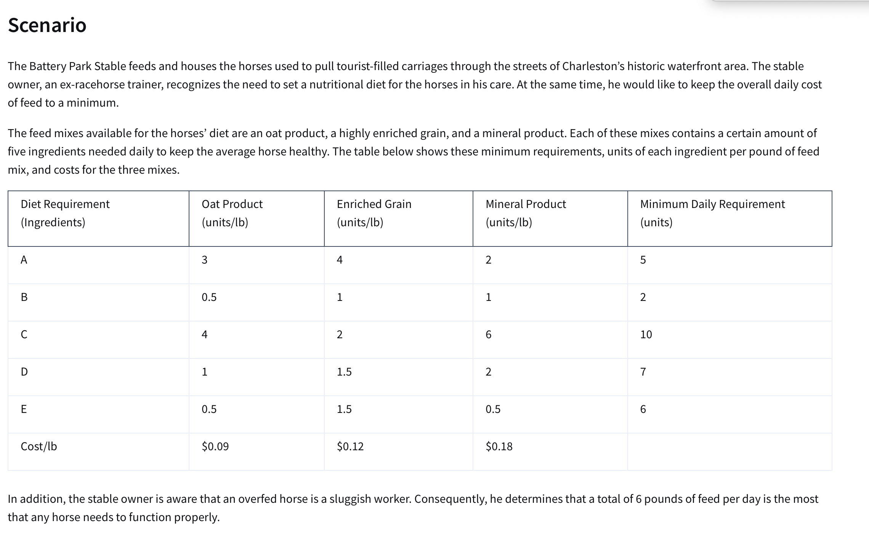
 | X1 | X2 | X3
Variables | 0.25 | 4.50 | 0.00 | <--Dummy Value
 | $0.09 | $0.12 | $0.18

Objective (min)
Daily Cost of Feed | $0.56

Constraints | X1 | X2 | X3 | LHS | Sign | RHS
A must have 5 or more Units | 3 | 4 | 2 | 18.75 | >= | 5
B Must have 2 or more Units | 0.5 | 1 | 1 | 4.63 | >= | 2
C Must have 10 or more units | 4 | 2 | 6 | 10.00 | >= | 10
D Must have 7 or more units | 1 | 1.5 | 0.5 | 7.00 | >= | 7
E Must have 6 or more units | 0.5 | 1.5 | 0.5 | 6.88 | >= | 6
Total Feed must not be more than 6 lbs | 1 | 1 | 1 | 4.75 | <= | 6

Busing Problem
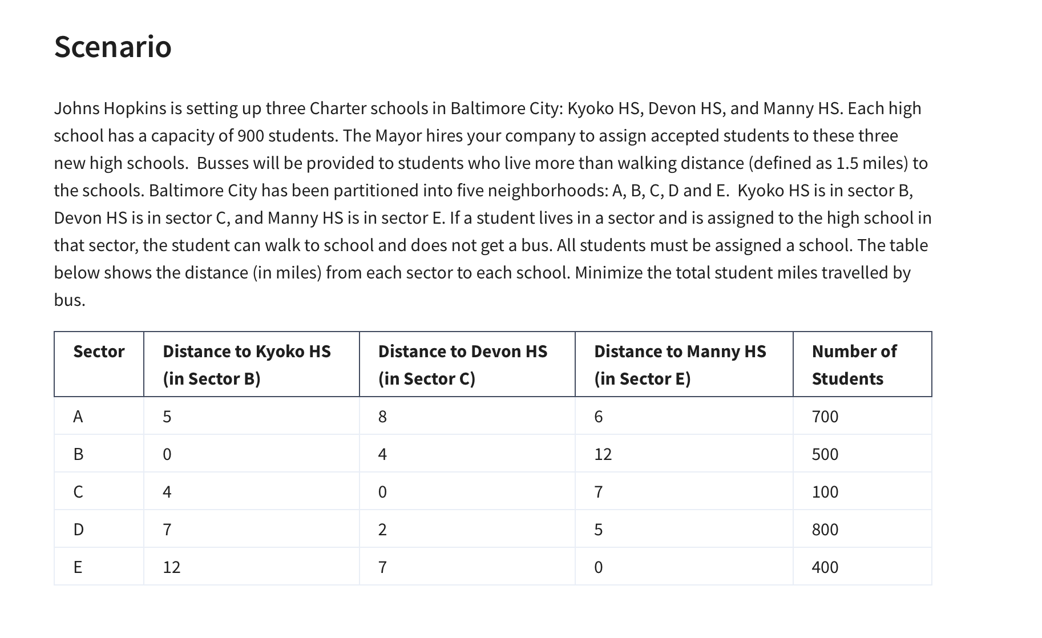
 | No. of Students to assign from A to HS in B
Variables: | AB | AC | AE | BB | BC | BE | CB | CC | CE | DB | DC | DE | EB | EC | EE
 | 400 | 0 | 300 | 500 | 0 | 0 | 0 | 100 | 0 | 0 | 800 | 0 | 0 | 0 | 400 | <-- Dummy Numbers
 | 5 | 8 | 6 | 0 | 4 | 12 | 4 | 0 | 7 | 7 | 2 | 5 | 12 | 7 | 0 | <-- Miles Traveled
Objective (Min)
Student Bus Miles: | 5400 | =SUMPRODUCT(B3:P3,B4:P4)

Constraints |  |  |  |  |  |  |  |  |  |  |  |  |  |  |  | LHS | Sign | RHS
900 in School B | 1 |  |  | 1 |  |  | 1 |  |  | 1 |  |  | 1 |  |  | 900 | <= | 900
900 in School C |  | 1 |  |  | 1 |  |  | 1 |  |  | 1 |  |  | 1 |  | 900 | <= | 900
900 in School E |  |  | 1 |  |  | 1 |  |  | 1 |  |  | 1 |  |  | 1 | 700 | <= | 900
700 In A | 1 | 1 | 1 |  |  |  |  |  |  |  |  |  |  |  |  | 700 | = | 700
500 In B |  |  |  | 1 | 1 | 1 |  |  |  |  |  |  |  |  |  | 500 | = | 500
100 In C |  |  |  |  |  |  | 1 | 1 | 1 |  |  |  |  |  |  | 100 | = | 100
800 in D |  |  |  |  |  |  |  |  |  | 1 | 1 | 1 |  |  |  | 800 | = | 800
400 in E |  |  |  |  |  |  |  |  |  |  |  |  | 1 | 1 | 1 | 400 | = | 400

