PB&J
PB&J
Variables | X | Y
 | 93% | 7%

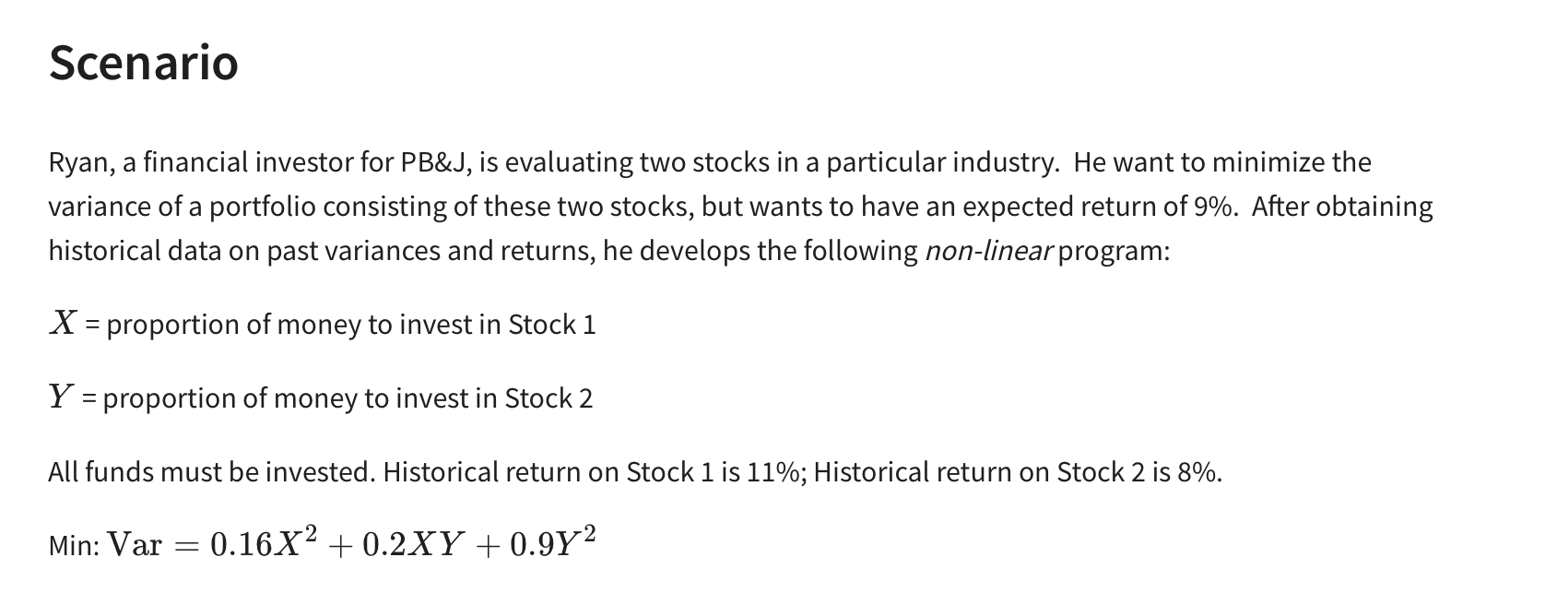
Non-Linear Vars:
 | X^2 | XY | Y^2
Formulas | 0.86533380607 | 0.064900031676 | 0.0048675020922
 | 0.16 | 0.2 | 0.9

Objective (min)
Variance | 0.156 | =SUMPRODUCT(B7:D7,B8:D8)

Constraint |  |  | LHS | Sign | RHS
all funds invested | 1 | 1 | 100% | = | 100%
Exp. Return 9% | 11% | 8% | 11% | >= | 9%

