Construction Projects
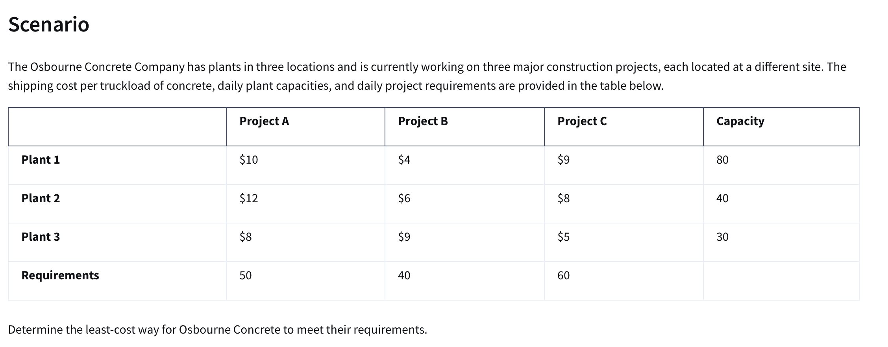
Osbourne Concrete Company
 |  | Destination
Data Table: |  | Project A | Project B | Project C | Capacity
Sources | Plant 1 | $10 | $4 | $9 | 80
 | Plant 2 | $12 | $6 | $8 | 40
 | Plant 3 | $8 | $9 | $5 | 30
 | Demand: | 50 | 40 | 60

 |  | Destination
Data Table: |  | Project A | Project B | Project C | Capacity
Sources | Plant 1 | 40 | 40 | 0 | 80
 | Plant 2 | 0 | 0 | 40 | 40
 | Plant 3 | 10 | 0 | 20 | 30
 | Demand: | 50 | 40 | 60

Objective(min) Least Cost: |  | $1,060

New Hire Assignments
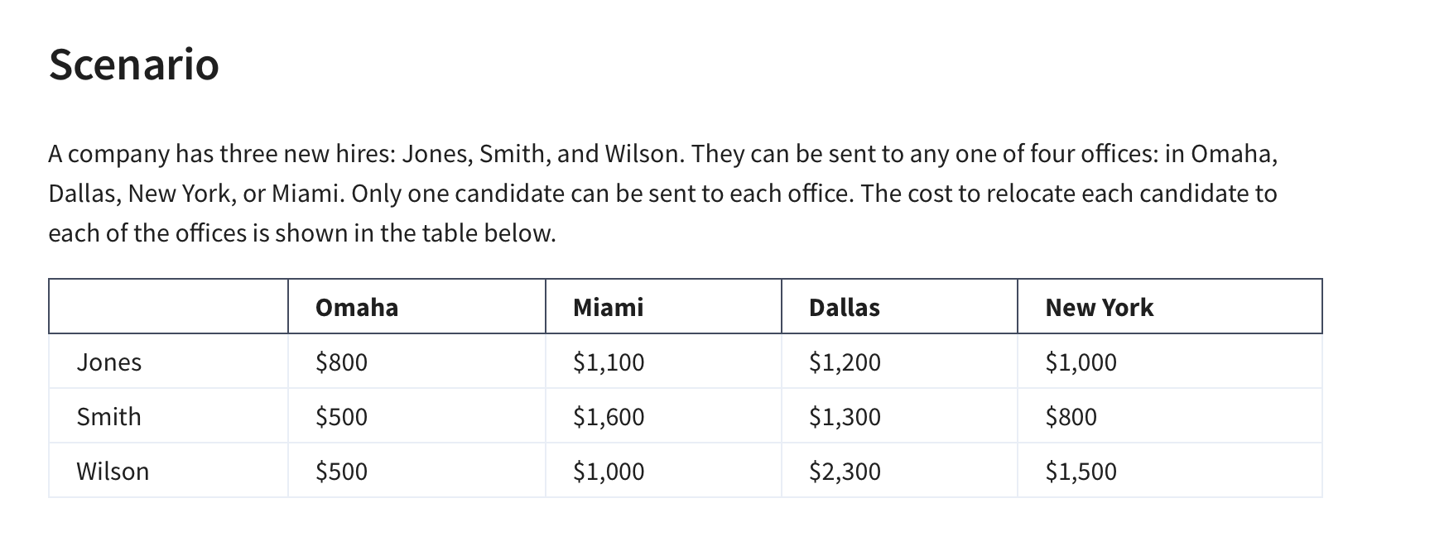
Assignment Problem

 |  |  |  |  |  |  |  |  | Since assignment problems demand and supply is always 1 we don't put wrapper column as it is implied to be 11

 | Cost Table: | Omaha | Miami | Dallas | New York
 | Jones | $800 | $1,100 | $1,200 | $1,000
 | Smith | $500 | $1,600 | $1,300 | $800
 | Wilson | $500 | $1,000 | $2,300 | $1,500

 | Cost Table: | Omaha | Miami | Dallas | New York | Total: | Sign | RHS
 | Jones | 0 | 1 | 0 | 0 | 1 | = | 1
 | Smith | 0 | 0 | 0 | 1 | 1 | = | 1
 | Wilson | 1 | 0 | 0 | 0 | 1 | = | 1
 | Total | 1 | 1 | 0 | 1
 | Sign | <= | <= | <= | <=
 | RHS | 1 | 1 | 1 | 1

 | Objective (min) Relocation Cost |  | $2,400

Umpire Assignment
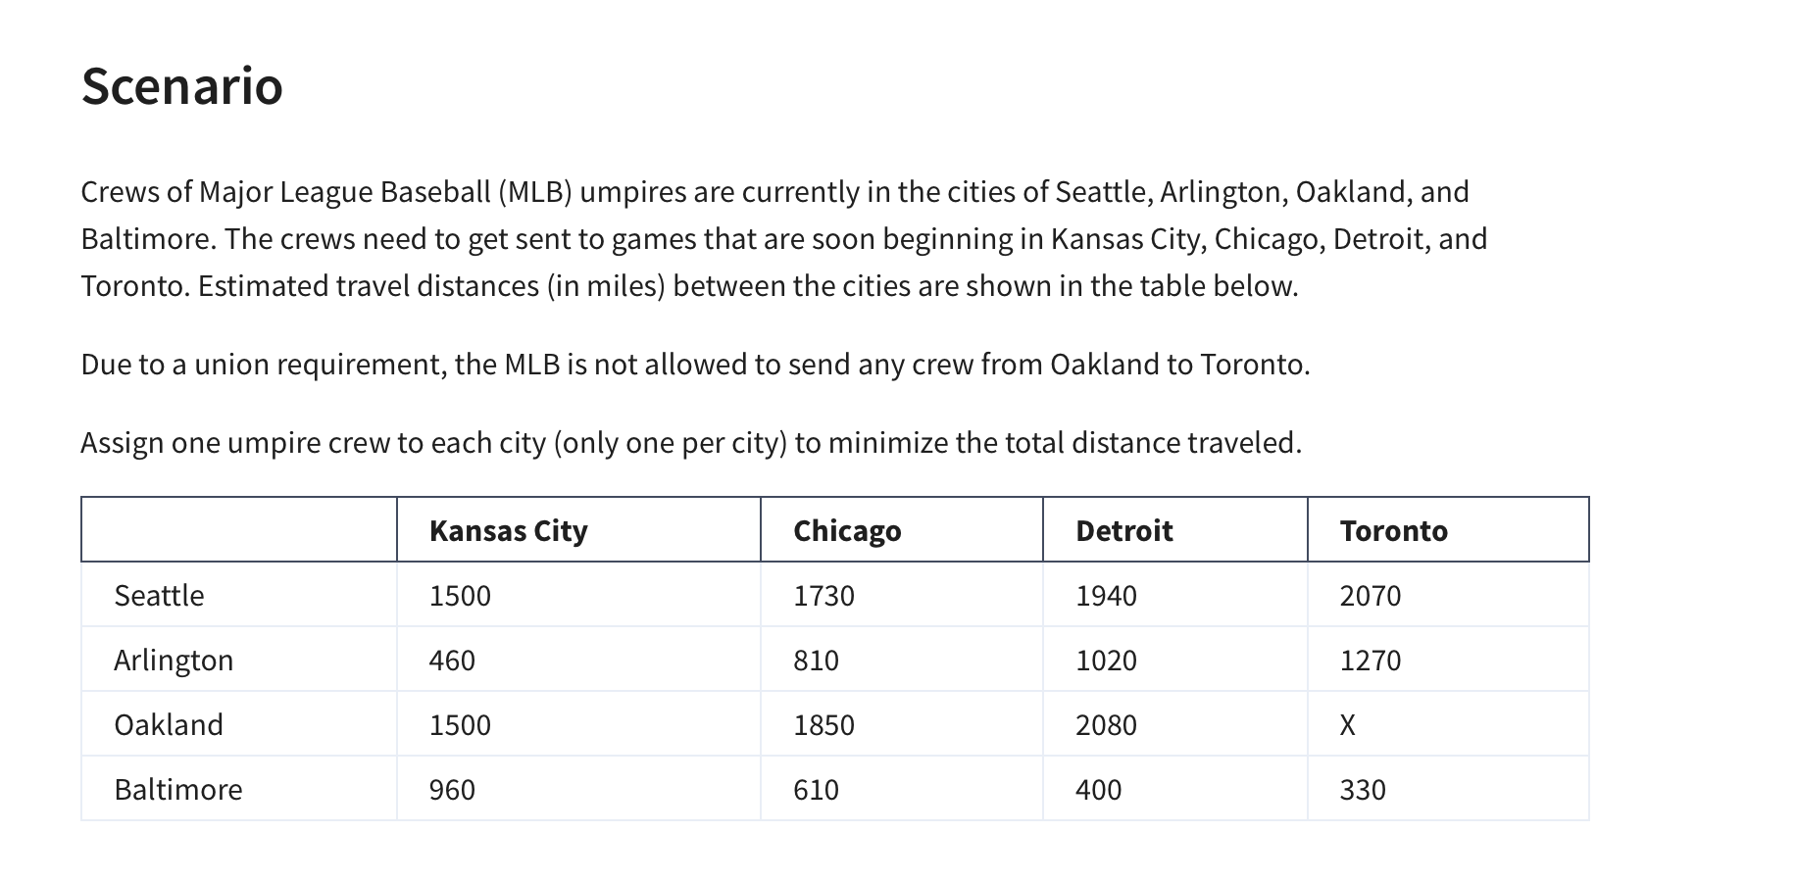
MLB Umpire Assignment

Distance Traveled Table (Given)
 | Kansas City | Chicago | Detroit | Toronto
Ump1 | 1500 | 1730 | 1940 | 2070
Ump2 | 460 | 810 | 1020 | 1270
Ump3 | 1500 | 1850 | 2080 | 0
Ump4 | 960 | 610 | 400 | 330

Assignment Table
 | Kansas City | Chicago | Detroit | Toronto | Total | Sign | RHS
Ump1 | 0 | 0 | 1 | 0 | 1 | = | 1
Ump2 | 0 | 1 | 0 | 0 | 1 | = | 1
Ump3 | 1 | 0 | 0 | 0 | 1 | = | 1
Ump4 | 0 | 0 | 0 | 1 | 1 | = | 1
Total | 1 | 1 | 1 | 1
Sign | <= | <= | <= | <=
RHS | 1 | 1 | 1 | 1

Objective (min)
Distance(min) | 4580

College Professors
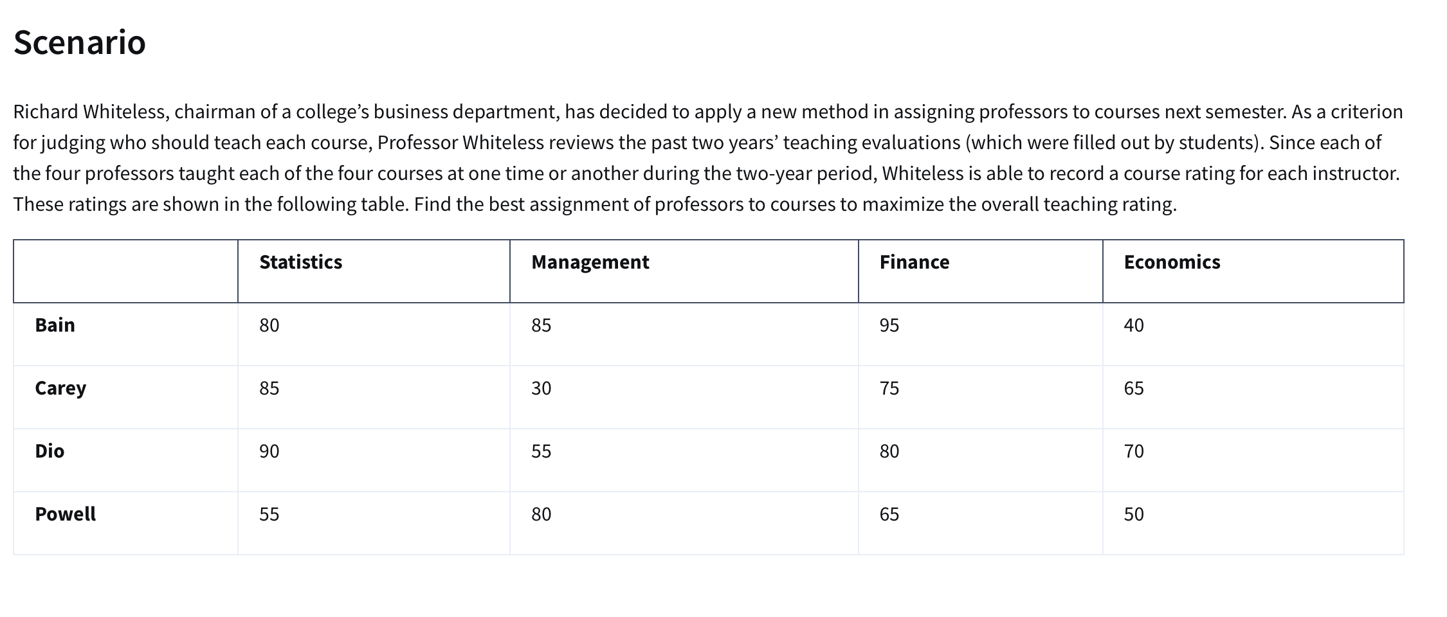
College Professor Assignment

Teaching Evaluation Table (Given)
 | Statistics | Management | Finance | Economics
Bain | 80 | 85 | 96 | 40
Carey | 85 | 30 | 75 | 65
Dio | 90 | 55 | 80 | 70
Powell | 55 | 80 | 65 | 50

 | Statistics | Management | Finance | Economics | Total | Sign | RHS
Bain | 0 | 0 | 1 | 0 | 1 | = | 1
Carey | 0 | 0 | 0 | 1 | 1 | = | 1
Dio | 1 | 0 | 0 | 0 | 1 | = | 1
Powell | 0 | 1 | 0 | 0 | 1 | = | 1
Total | 1 | 1 | 1 | 1
Sign | <= | <= | <= | <=
RHS | 1 | 1 | 1 | 1

Objective (Max)
Teacher Score: | 331

Transpo & Assignment Final
Umbrella Corporation
Transpo Costs Table
 | Store A | Store B | Store C | Outflow
Factory 1 | $22 | $14 | $30 | 100 |  |  |  | 0 | 1 | 1 | 1 | 1 | 1 | 1 | 0 | 1 | 1 | 1 | 0
Factory 2 | $16 | $20 | $24 | 120
Demand | 80 | 60 | 70

Transpo Table | Store A | Store B | Store C | Total | Sign | RHS | Manufacturing Cost
Factory 1 | 30 | 60 | 0 | 90 | <= | 100 | $6.00
Factory 2 | 50 | 0 | 70 | 120 | <= | 120 | $6.25
Total | 80 | 60 | 70
Sign | = | = | =
RHS | 80 | 60 | 70

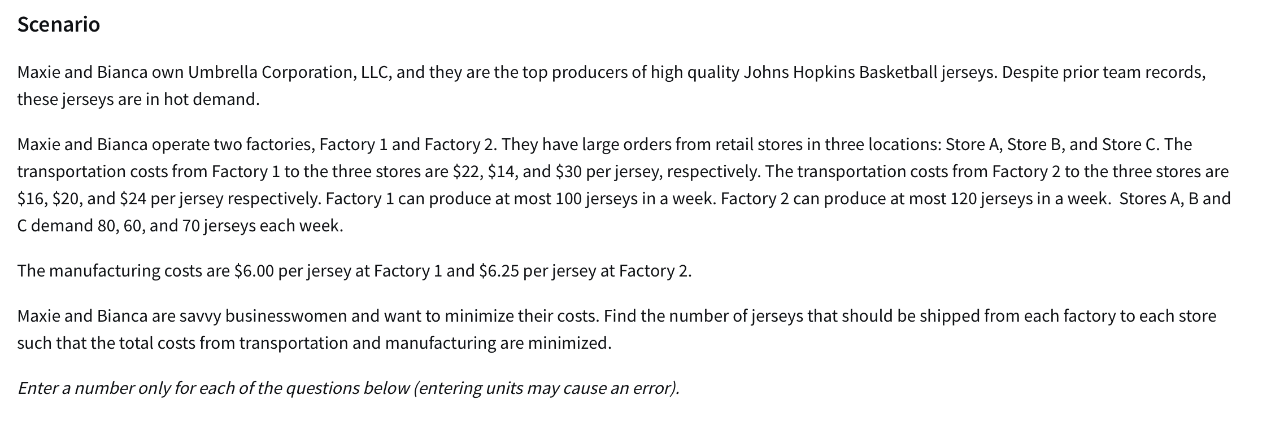

Objective (min) Total Production Cost: | $5,270.00

Production Increase Table (Given) | To:
 | Plant A | Plant B | Plant C
Plant 1 | 5 | 8 | 6
Plant 2 | 10 | 9 | 12
Plant 3 | 7 | 6 | 10

Transfer Totals Table (Given) | Destination
 | Plant A | Plant B | Plant C | Total | Sign | RHS
Plant 1 | 0 | 60 | 0 | 60 | <= | 60
Plant 2 | 45 | 30 | 30 | 105 | <= | 105
Plant 3 | 0 | 0 | 5 | 5 | <= | 70
Total | 45 | 90 | 35
Sign | = | = | =
RHS | 45 | 90 | 35

Objective (Max) Production: | 1610

