End point_1
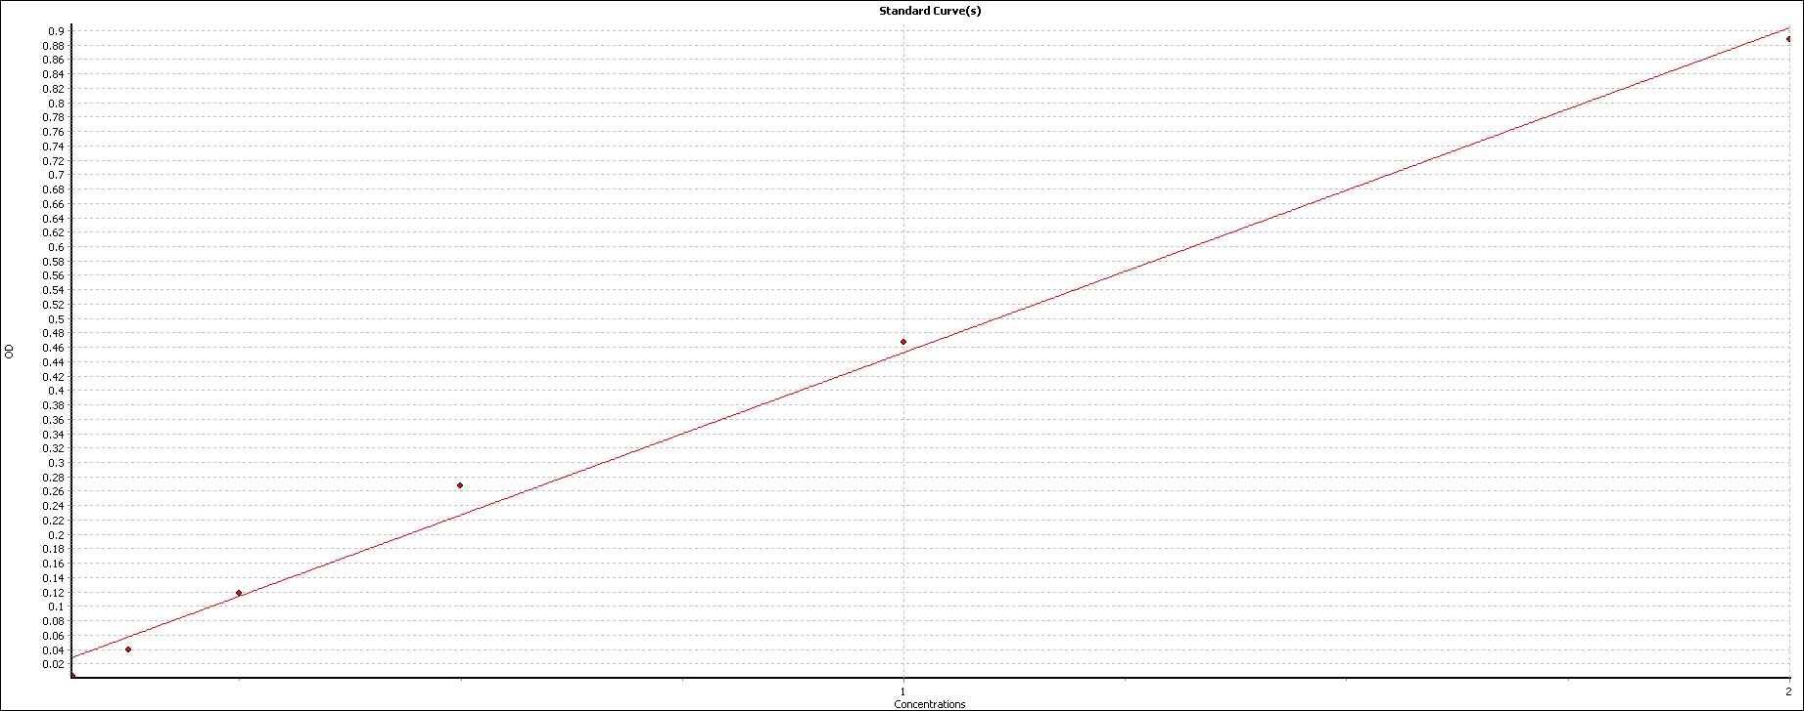
User: USER
Path: C:\Program Files (x86)\BMG\OPTIMA\User\Data\
Test ID: XXXX
Test Name: YYYY_BCA
Date: 06/01/2022
Time: 10:33:05
ID1: NNNNNNNNNNNNN
Absorbance |  |  | Absorbance values are displayed as OD

 | 1. Raw Data (540-20)
 | 1 | 2 | 3 | 4 | 5 | 6 | 7 | 8 | 9 | 10 | 11 | 12
A |  |  |  |  | 0.173 | 0.178
B |  |  |  |  | 0.276 | 0.282
C |  |  | 1.021 | 1.106 | 0.258 | 0.248
D |  |  | 0.633 | 0.651 | 0.268 | 0.27
E |  |  | 0.407 | 0.48 | 0.235 | 0.229
F |  |  | 0.29 | 0.298 | 0.189 | 0.194
G |  |  | 0.217 | 0.213
H |  |  | 0.187 | 0.17

 | 1 | 2 | 3 | 4 | 5 | 6 | 7 | 8 | 9 | 10 | 11 | 12 | Average of all blanks used
A
B |  |  |  |  | 0.101 | 0.107
C |  |  | 0.845 | 0.931 | 0.083 | 0.072
D |  |  | 0.458 | 0.475 | 0.092 | 0.094
E |  |  | 0.231 | 0.305 | 0.059 | 0.053
F |  |  | 0.115 | 0.122 | 0.014 | 0.019
G |  |  | 0.042 | 0.037
H |  |  | 0.011 | -0.006

 | 1 | 2 | 3 | 4 | 5 | 6 | 7 | 8 | 9 | 10 | 11 | 12
A
B |  |  |  |  | 0.104 | 0.104
C |  |  | 0.888 | 0.888 | 0.077 | 0.077
D |  |  | 0.466 | 0.466 | 0.093 | 0.093
E |  |  | 0.268 | 0.268 | 0.056 | 0.056
F |  |  | 0.119 | 0.119 | 0.016 | 0.016
G |  |  | 0.039 | 0.039
H |  |  | 0.003 | 0.003

 | 1 | 2 | 3 | 4 | 5 | 6 | 7 | 8 | 9 | 10 | 11 | 12
A
B |  |  |  |  | 0.222 | 0.235
C |  |  | 1.87 | 2.059 | 0.181 | 0.158
D |  |  | 1.012 | 1.05 | 0.202 | 0.207
E |  |  | 0.51 | 0.673 | 0.129 | 0.116
F |  |  | 0.253 | 0.269 | 0.028 | 0.04
G |  |  | 0.09 | 0.081
H |  |  | 0.024 | -0.015

End point
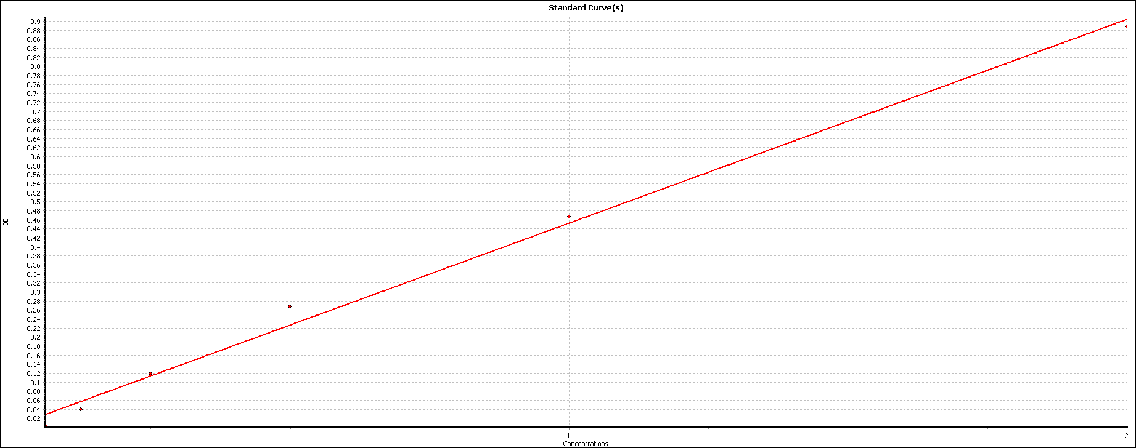
User: USER
Path: C:\Program Files (x86)\BMG\OPTIMA\User\Data\
Test ID: 2244
Test Name: YUSHI BCA
Date: 06/01/2022
Time: 10:33:05
ID1: 20220106
Absorbance |  |  | Absorbance values are displayed as OD

Well Row | Well Col | Content | Raw Data (540-20)
A | 5 | Blank B | 0.173
A | 6 | Blank B | 0.178
B | 5 | Sample X1 | 0.276 | 0.101 | 0.104 | 0.222
B | 6 | Sample X1 | 0.282 | 0.107 | 0.104 | 0.235
C | 3 | Standard S1 | 1.021 | 0.845 | 0.888 | 1.87
C | 4 | Standard S1 | 1.106 | 0.931 | 0.888 | 2.059
C | 5 | Sample X2 | 0.258 | 0.083 | 0.077 | 0.181
C | 6 | Sample X2 | 0.248 | 0.072 | 0.077 | 0.158
D | 3 | Standard S2 | 0.633 | 0.458 | 0.466 | 1.012
D | 4 | Standard S2 | 0.651 | 0.475 | 0.466 | 1.05
D | 5 | Sample X3 | 0.268 | 0.092 | 0.093 | 0.202
D | 6 | Sample X3 | 0.27 | 0.094 | 0.093 | 0.207
E | 3 | Standard S3 | 0.407 | 0.231 | 0.268 | 0.51
E | 4 | Standard S3 | 0.48 | 0.305 | 0.268 | 0.673
E | 5 | Sample X4 | 0.235 | 0.059 | 0.056 | 0.129
E | 6 | Sample X4 | 0.229 | 0.053 | 0.056 | 0.116
F | 3 | Standard S4 | 0.29 | 0.115 | 0.119 | 0.253
F | 4 | Standard S4 | 0.298 | 0.122 | 0.119 | 0.269
F | 5 | Sample X5 | 0.189 | 0.014 | 0.016 | 0.028
F | 6 | Sample X5 | 0.194 | 0.019 | 0.016 | 0.04
G | 3 | Standard S5 | 0.217 | 0.042 | 0.039 | 0.09
G | 4 | Standard S5 | 0.213 | 0.037 | 0.039 | 0.081
H | 3 | Standard S6 | 0.187 | 0.011 | 0.003 | 0.024
H | 4 | Standard S6 | 0.17 | -0.006 | 0.003 | -0.015

