Result
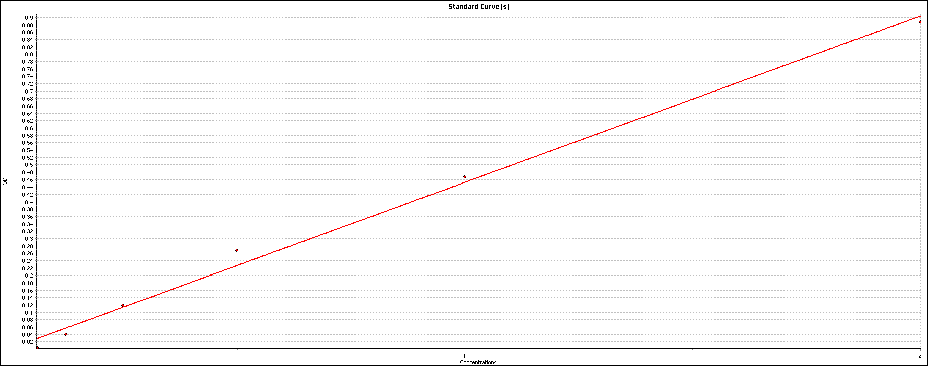
User: USER
Path: C:\Program Files (x86)\BMG\OPTIMA\User\Data\
Test ID: 2244
Test Name: YUSHI BCA |  |  |  |  | Slope | 0.45165828003
Date: 06/01/2022 |  |  |  |  | Offset | 0.00078258706468
Time: 10:33:05 |  |  |  |  | r | 0.99716392808
ID1: 20220106 |  |  |  |  | r² | 0.99433589947

 | 1 | 2 | 3 | 4 | 5 | 6 | 7 | 8 | 9 | 10 | 11 | 12
A
B |  |  |  |  | 0.222 | 0.235
C |  |  | 1.87 | 2.059 | 0.181 | 0.158
D |  |  | 1.012 | 1.05 | 0.202 | 0.207
E |  |  | 0.51 | 0.673 | 0.129 | 0.116
F |  |  | 0.253 | 0.269 | 0.028 | 0.04
G |  |  | 0.09 | 0.081
H |  |  | 0.024 | -0.015

End point_1
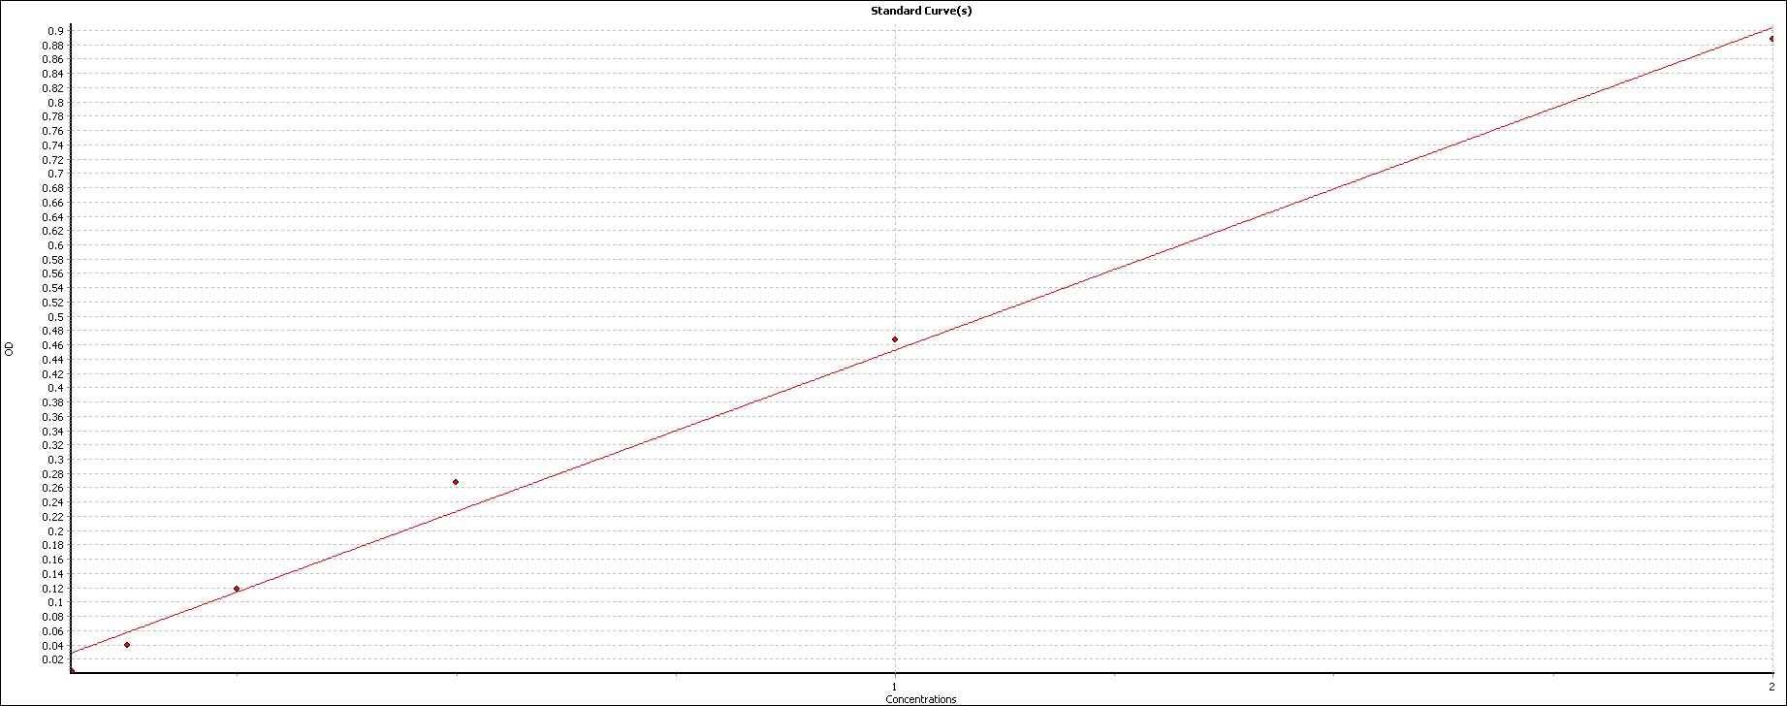
User: USER
Path: C:\Program Files (x86)\BMG\OPTIMA\User\Data\
Test ID: 2244
Test Name: YUSHI BCA
Date: 06/01/2022
Time: 10:33:05
ID1: 20220106
Absorbance |  |  | Absorbance values are displayed as OD

 | 1. Raw Data (540-20)
 | 1 | 2 | 3 | 4 | 5 | 6 | 7 | 8 | 9 | 10 | 11 | 12
A |  |  |  |  | 0.173 | 0.178
B |  |  |  |  | 0.276 | 0.282
C |  |  | 1.021 | 1.106 | 0.258 | 0.248
D |  |  | 0.633 | 0.651 | 0.268 | 0.27
E |  |  | 0.407 | 0.48 | 0.235 | 0.229
F |  |  | 0.29 | 0.298 | 0.189 | 0.194
G |  |  | 0.217 | 0.213
H |  |  | 0.187 | 0.17

 | 1 | 2 | 3 | 4 | 5 | 6 | 7 | 8 | 9 | 10 | 11 | 12 | Average of all blanks used
A
B |  |  |  |  | 0.101 | 0.107
C |  |  | 0.845 | 0.931 | 0.083 | 0.072
D |  |  | 0.458 | 0.475 | 0.092 | 0.094
E |  |  | 0.231 | 0.305 | 0.059 | 0.053
F |  |  | 0.115 | 0.122 | 0.014 | 0.019
G |  |  | 0.042 | 0.037
H |  |  | 0.011 | -0.006

 | 1 | 2 | 3 | 4 | 5 | 6 | 7 | 8 | 9 | 10 | 11 | 12
A
B |  |  |  |  | 0.104 | 0.104
C |  |  | 0.888 | 0.888 | 0.077 | 0.077
D |  |  | 0.466 | 0.466 | 0.093 | 0.093
E |  |  | 0.268 | 0.268 | 0.056 | 0.056
F |  |  | 0.119 | 0.119 | 0.016 | 0.016
G |  |  | 0.039 | 0.039
H |  |  | 0.003 | 0.003

 | 1 | 2 | 3 | 4 | 5 | 6 | 7 | 8 | 9 | 10 | 11 | 12
A
B |  |  |  |  | 0.222 | 0.235
C |  |  | 1.87 | 2.059 | 0.181 | 0.158
D |  |  | 1.012 | 1.05 | 0.202 | 0.207
E |  |  | 0.51 | 0.673 | 0.129 | 0.116
F |  |  | 0.253 | 0.269 | 0.028 | 0.04
G |  |  | 0.09 | 0.081
H |  |  | 0.024 | -0.015

