Fig S1
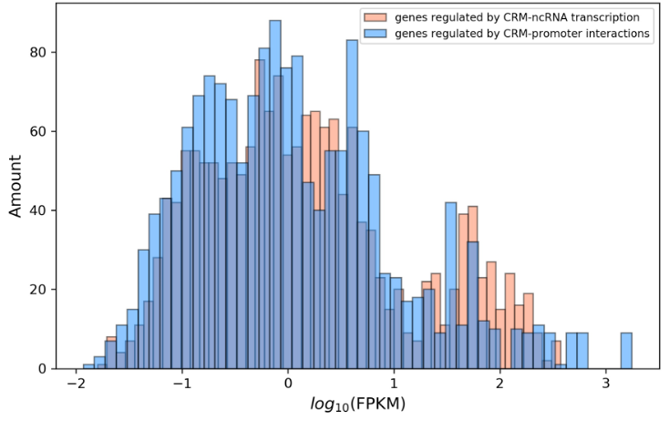
Fig S1: functional anlaysis of the genes regulated by different CRM regulatory mechanisms.

b) Functional enrichment analysis for genes regulated by CRM-ncRNA transcription

a) Functional enrichment analysis for genes regulated by CRM-promoter interactions

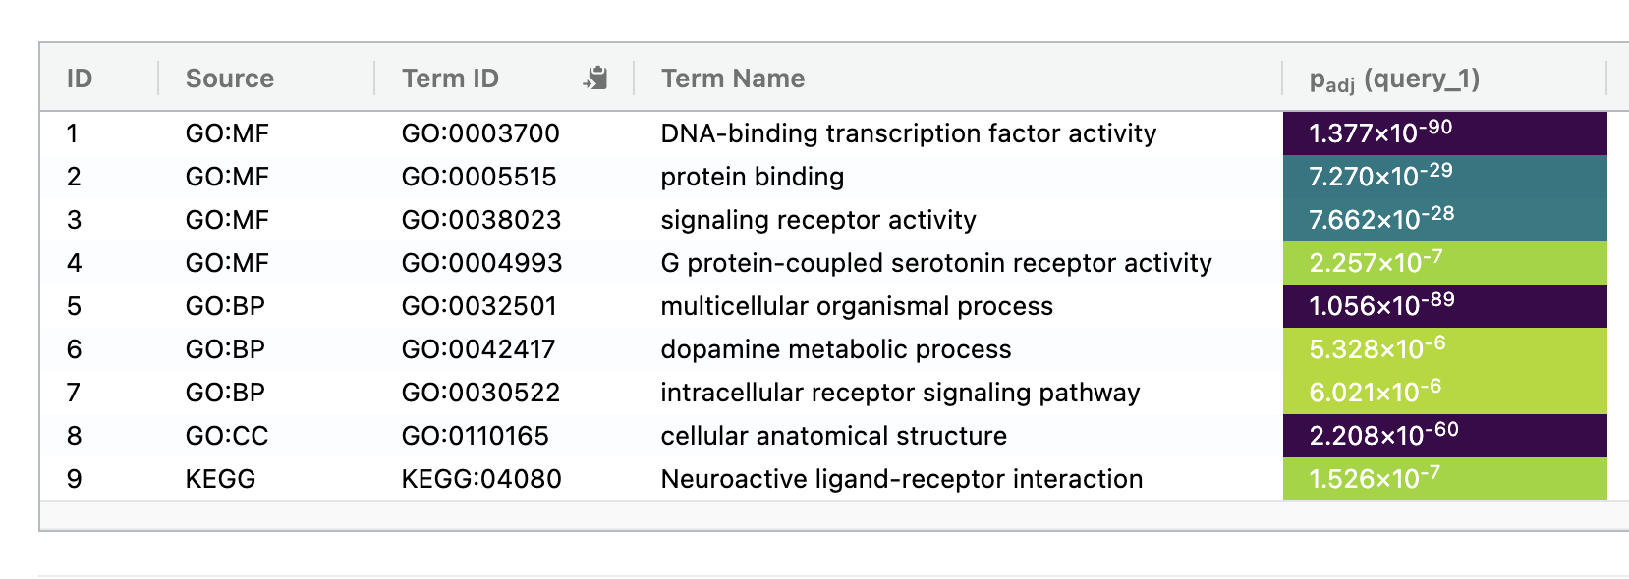

c) RNA-seq FPKM distributions of genes regulated by CRM-promoter interactions and genes regulated by CRM-ncRNA transcription

