Fig S1
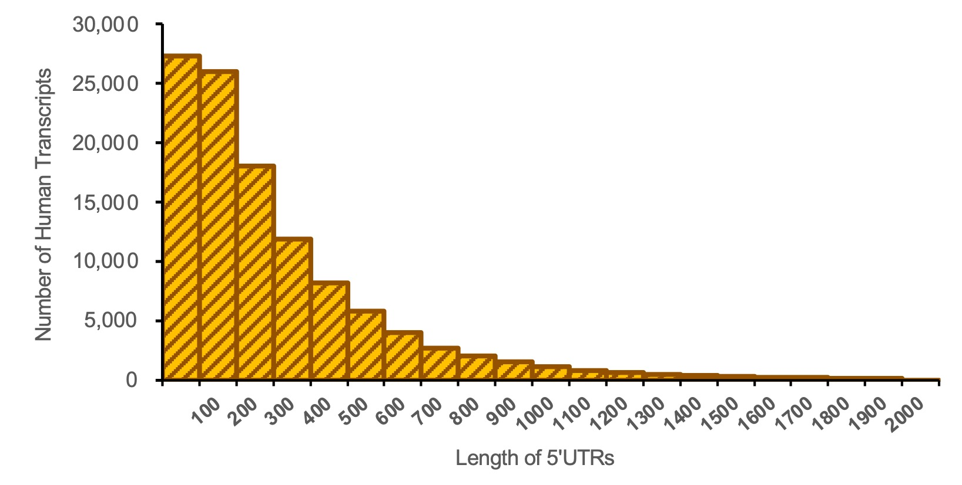
Fig. S1: The length distribution of the 5’UTRs of human transcripts

