ip-filter
### ONLY FOR IRR-W NODE FACING TOWARDS B40-02 |  | ### USE ONLY ON IRR-E NODE TOWARDS B40-01 |  | ## FOR EASTBOUND RING INTERFACES NOT FACING B40 | INCLUDING MIXED IEN HUB |  | ## FOR WESTBOUND RING INTERFACES NOT FACING B40 | INCLUDING MIXED IEN HUB |  |  | ### FOR USE ON B4B IEN HUB MIXED RING TOWARDS B4A; IF SINGLE HUB, OMIT THE FILTER
#10001 |  | #10002 |  | #10003 |  | #10004 |  |  | #10006
 |  |  |  |  |  |  |  |  | B4B-01 System IP Address | B4B-02 System IP Address
### Example : Filter-id 10001 For Geo-Diverse Ring between B4As | dst-ip | [IRR-W Loopback] | ### Example : Filter-id 10002 For Geo-Diverse Ring between B4As | dst-ip | [IRR-E Loopback] | #Example : Filter-id 10003 For Ring EAST INTERFACES (1/1/c34/1) | dst-ip | ### Example : Filter-id 10004 For Ring WEST INTERFACES (1/1/c33/1) | dst-ip |  | 172.29.202.4 | 172.29.242.20
### Where dst-ip is <IRR-W System IPv4 address>/32 of IRR-WEST node | 172.29.158.143 | ### Where dst-ip is <IRR-E System IPv4 address>/32 of IRR-EAST node | 172.29.158.150 | #Where dst-ip is <System IPv4 address>/32 of RING node | 172.29.158.144 | ### Where dst-ip is <System IPv4 address>/32 of RING node | 172.29.158.143 |  | src-ip [IRR-W] | src-ip [IRR-E]
#(node on which this filter is applied) - <IRR-W System IPv4 address>/32 | src-ip [B40-01 Loopback] | # (node on which this filter is applied) - <IRR-E System IPv4 address>/32 | src-ip [B40-02 Loopback] | (node on which this filter is applied) - <System IPv4 address>/32 | src-ip | IRR-W | # (node on which this filter is applied) - <System IPv4 address>/32 | src-ip | IRR-E |  | 172.29.203.140 | 172.29.203.137
### src-ip is <B40-01 System IPv4 address>/32 – <B40-01 System IPv4 address>/32 | 172.31.131.14 | ### src-ip is <B40-02 System IPv4 address>/32 – <B40-02 System IPv4 address>/32 | 172.31.131.15 | #src-ip is <IRR_WEST System IPv4 address>/32 – <IRR_WEST System IPv4 address>/32 | 172.29.158.143 | ### src-ip is <IRR_EAST System IPv4 address>/32 – <IRR_EAST System IPv4 address>/32 | 172.29.158.153 |  | ### FOR B4B-01 (OR SINGLE HUB) | ### FOR B4B-02 (IF DUAL HUB)
#-------------------------------------------------- |  | #-------------------------------------------------- |  | #-------------------------------------------------- |  | #-------------------------------------------------- |  |  | #-------------------------------------------------- | #--------------------------------------------------
echo "Filter Configuration" |  | echo "Filter Configuration" |  | echo "Filter Configuration" |  | echo "Filter Configuration" |  |  | echo "Filter Configuration" | echo "Filter Configuration"
#-------------------------------------------------- |  | #-------------------------------------------------- |  | #-------------------------------------------------- |  | #-------------------------------------------------- |  |  | #-------------------------------------------------- | #--------------------------------------------------
\configure |  | \configure |  | \configure |  | \configure |  |  | /config | /config
filter |  | filter |  | filter |  | filter |  |  | filter | filter
ip-filter 10001 name "ACL_BLOCK_EBH_WEST" create | ACL_BLOCK_EBH_WEST | ip-filter 10002 name "ACL_BLOCK_EBH_EAST" create | ACL_BLOCK_EBH_EAST | ip-filter 10003 name "ACL_BLOCK_IRR_WEST" create |  | ip-filter 10004 name "ACL_BLOCK_IRR_EAST" create |  |  | ip-filter 10006 name "ACL_BLOCK_IRR_EVERYTHING" create | ip-filter 10006 name "ACL_BLOCK_IRR_EVERYTHING" create
default-action forward | ACL_BLOCK_HUB-AL_ODD | default-action forward | ACL_BLOCK_HUB-AL_EVEN | default-action forward |  | default-action forward |  |  | description "Allow local B4As, Block MH-BFD and BGP from IRRs and local BL PEER" | description "Allow local B4As, Block MH-BFD and BGP from IRRs and local BL PEER"
description "Block MH-BFD and BGP from odd EBH Peer" |  | description "Block MH-BFD and BGP from even EBH Peer" |  | description "Block MH-BFD and BGP from IRR-WEST" |  | description "Block MH-BFD and BGP from IRR-EAST" |  |  | ## Repeat the following entry for each local B4A connected in the Hub fabric [use 11-119 based on next avaiable]
entry 20 create |  | entry 20 create |  | entry 20 create |  | entry 20 create |  | entry # | entry 11 create | entry 11 create
match protocol udp |  | match protocol udp |  | match protocol udp |  | match protocol udp |  | 11 | description "allow Hub local B4A_xx traffic" | description "allow Hub local B4A_xx traffic"
dst-ip 172.29.158.143/32 |  | dst-ip 172.29.158.150/32 |  | dst-ip 172.29.158.144/32 |  | dst-ip 172.29.158.143/32 |  |  | match | match
dst-port eq 4784 |  | dst-port eq 4784 |  | dst-port eq 4784 |  | dst-port eq 4784 |  | src-ip [B4A Loopback] | dst-ip 172.29.202.4/32 | dst-ip 172.29.242.20/32
src-ip 172.31.131.14/32 |  | src-ip 172.31.131.15/32 |  | src-ip 172.29.158.143/32 |  | src-ip 172.29.158.153/32 |  | 172.29.202.2 | src-ip 172.29.202.2/32 | src-ip 172.29.202.2/32
exit |  | exit |  | exit |  | exit |  |  | exit | exit
action |  | action |  | action |  | action |  |  | action | action
drop |  | drop |  | drop |  | drop |  |  | forward | forward
exit |  | exit |  | exit |  | exit |  |  | exit | exit
exit |  | exit |  | exit |  | exit |  |  | exit | exit
entry 40 create |  | entry 40 create |  | entry 40 create |  | entry 40 create
match protocol tcp |  | match protocol tcp |  | match protocol tcp |  | match protocol tcp |  |  | entry 120 create | entry 120 create
dst-ip 172.29.158.143/32 |  | dst-ip 172.29.158.150/32 |  | dst-ip 172.29.158.144/32 |  | dst-ip 172.29.158.143/32 |  |  | match protocol udp | match protocol udp
dst-port eq 179 |  | dst-port eq 179 |  | dst-port eq 179 |  | dst-port eq 179 |  |  | dst-port eq 4784 | dst-port eq 4784
src-ip 172.31.131.14/32 |  | src-ip 172.31.131.15/32 |  | src-ip 172.29.158.143/32 |  | src-ip 172.29.158.153/32 |  |  | src-ip 172.29.203.140/32 | src-ip 172.29.203.140/32
exit |  | exit |  | exit |  | exit |  |  | exit | exit
action |  | action |  | action |  | action |  |  | action | action
drop |  | drop |  | drop |  | drop |  |  | drop | drop
exit |  | exit |  | exit |  | exit |  |  | exit | exit
exit |  | exit |  | exit |  | exit |  |  | exit | exit
entry 41 create |  | entry 41 create |  | entry 41 create |  | entry 41 create |  |  | entry 140 create | entry 140 create
match protocol tcp |  | match protocol tcp |  | match protocol tcp |  | match protocol tcp |  |  | match protocol tcp | match protocol tcp
dst-ip 172.29.158.143/32 |  | dst-ip 172.29.158.150/32 |  | dst-ip 172.29.158.144/32 |  | dst-ip 172.29.158.143/32 |  |  | dst-port eq 179 | dst-port eq 179
src-ip 172.31.131.14/32 |  | src-ip 172.31.131.15/32 |  | src-ip 172.29.158.143/32 |  | src-ip 172.29.158.153/32 |  |  | src-ip 172.29.203.140/32 | src-ip 172.29.203.140/32
src-port eq 179 |  | src-port eq 179 |  | src-port eq 179 |  | src-port eq 179 |  |  | exit | exit
exit |  | exit |  | exit |  | exit |  |  | action | action
action |  | action |  | action |  | action |  |  | drop | drop
drop |  | drop |  | drop |  | drop |  |  | exit | exit
exit |  | exit |  | exit |  | exit |  |  | exit | exit
exit |  | exit |  | exit |  | exit |  |  | entry 141 create | entry 141 create
exit |  | exit |  | exit |  | exit |  |  | match protocol tcp | match protocol tcp
 |  |  |  |  |  |  |  |  | src-ip 172.29.203.140/32 | src-ip 172.29.203.140/32
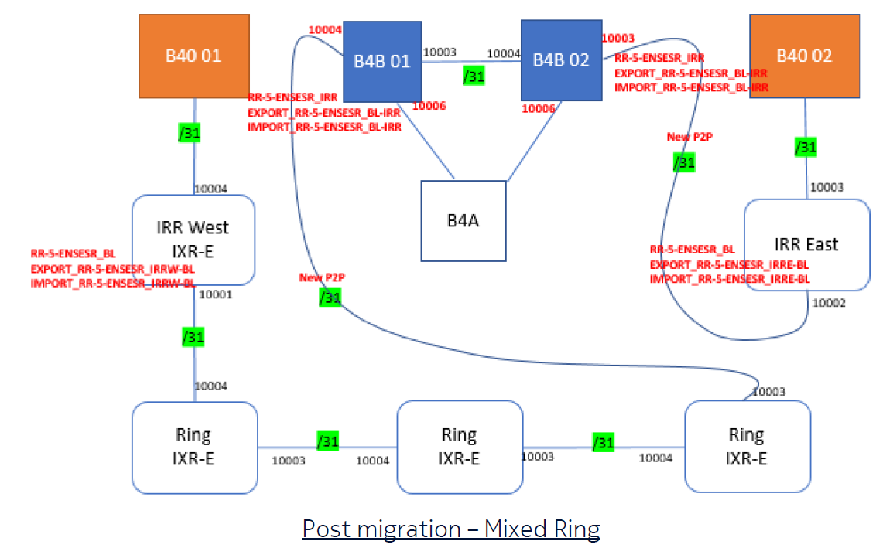
 |  |  |  |  |  |  |  |  | src-port eq 179 | src-port eq 179
 |  |  |  |  |  |  |  |  | exit | exit
 |  |  |  |  |  |  |  |  | action | action
 |  |  |  |  |  |  |  |  | drop | drop
 |  |  |  |  |  |  |  |  | exit | exit
 |  |  |  |  |  |  |  |  | exit | exit
 |  |  |  |  |  |  |  |  | entry 142 create | entry 142 create
 |  |  |  |  |  |  |  |  | match protocol tcp | match protocol tcp
 |  |  |  |  |  |  |  |  | src-ip 172.29.203.140/32 | src-ip 172.29.203.140/32
 |  |  |  |  |  |  |  |  | dst-port eq 179 | dst-port eq 179
 |  |  |  |  |  |  |  |  | exit | exit
 |  |  |  |  |  |  |  |  | action | action
 |  |  |  |  |  |  |  |  | drop | drop
 |  |  |  |  |  |  |  |  | exit | exit
 |  |  |  |  |  |  |  |  | exit | exit
 |  |  |  |  |  |  |  |  | entry 143 create | entry 143 create
 |  |  |  |  |  |  |  |  | match protocol tcp | match protocol tcp
 |  |  |  |  |  |  |  |  | src-ip 172.29.203.140/32 | src-ip 172.29.203.140/32
 |  |  |  |  |  |  |  |  | src-port eq 179 | src-port eq 179
 |  |  |  |  |  |  |  |  | exit | exit
 |  |  |  |  |  |  |  |  | action | action
 |  |  |  |  |  |  |  |  | drop | drop
 |  |  |  |  |  |  |  |  | exit | exit
 |  |  |  |  |  |  |  |  | exit | exit
 |  |  |  |  |  |  |  |  | entry 150 create | entry 150 create
 |  |  |  |  |  |  |  |  | match protocol udp | match protocol udp
 |  |  |  |  |  |  |  |  | dst-port eq 4784 | dst-port eq 4784
 |  |  |  |  |  |  |  |  | src-ip 172.29.203.137/32 | src-ip 172.29.203.137/32
 |  |  |  |  |  |  |  |  | exit | exit
 |  |  |  |  |  |  |  |  | action | action
 |  |  |  |  |  |  |  |  | drop | drop
 |  |  |  |  |  |  |  |  | exit | exit
 |  |  |  |  |  |  |  |  | exit | exit
 |  |  |  |  |  |  |  |  | entry 160 create | entry 160 create
 |  |  |  |  |  |  |  |  | match protocol tcp | match protocol tcp
 |  |  |  |  |  |  |  |  | dst-port eq 179 | dst-port eq 179
 |  |  |  |  |  |  |  |  | src-ip 172.29.203.137/32 | src-ip 172.29.203.137/32
 |  |  |  |  |  |  |  |  | exit | exit
 |  |  |  |  |  |  |  |  | action | action
 |  |  |  |  |  |  |  |  | drop | drop
 |  |  |  |  |  |  |  |  | exit | exit
 |  |  |  |  |  |  |  |  | exit | exit
 |  |  |  |  |  |  |  |  | entry 170 create | entry 170 create
 |  |  |  |  |  |  |  |  | match protocol tcp | match protocol tcp
 |  |  |  |  |  |  |  |  | src-ip 172.29.203.137/32 | src-ip 172.29.203.137/32
 |  |  |  |  |  |  |  |  | src-port eq 179 | src-port eq 179
 |  |  |  |  |  |  |  |  | exit | exit
 |  |  |  |  |  |  |  |  | action | action
 |  |  |  |  |  |  |  |  | drop | drop
 |  |  |  |  |  |  |  |  | exit | exit
 |  |  |  |  |  |  |  |  | exit | exit
 |  |  |  |  |  |  |  |  | entry 180 create | entry 180 create
 |  |  |  |  |  |  |  |  | match protocol tcp | match protocol tcp
 |  |  |  |  |  |  |  |  | src-ip 172.29.203.137/32 | src-ip 172.29.203.137/32
 |  |  |  |  |  |  |  |  | dst-port eq 179 | dst-port eq 179
 |  |  |  |  |  |  |  |  | exit | exit
 |  |  |  |  |  |  |  |  | action | action
 |  |  |  |  |  |  |  |  | drop | drop
 |  |  |  |  |  |  |  |  | exit | exit
 |  |  |  |  |  |  |  |  | exit | exit
 |  |  |  |  |  |  |  |  | entry 190 create | entry 190 create
 |  |  |  |  |  |  |  |  | match protocol tcp | match protocol tcp
 |  |  |  |  |  |  |  |  | src-ip 172.29.203.137/32 | src-ip 172.29.203.137/32
 |  |  |  |  |  |  |  |  | src-port eq 179 | src-port eq 179
 |  |  |  |  |  |  |  |  | exit | exit
 |  |  |  |  |  |  |  |  | action | action
 |  |  |  |  |  |  |  |  | drop | drop
 |  |  |  |  |  |  |  |  | exit | exit
 |  |  |  |  |  |  |  |  | exit | exit
 |  |  |  |  |  |  |  | ###DUAL HUB ONLY | entry 220 create | entry 220 create
 |  |  |  |  |  |  |  |  | match protocol udp | match protocol udp
 |  |  |  |  |  |  |  |  | dst-ip 172.29.202.4/32 | dst-ip 172.29.242.20/32
 |  |  |  |  |  |  |  |  | dst-port eq 4784 | dst-port eq 4784
 |  |  |  |  |  |  |  |  | src-ip 172.29.242.20/32 | src-ip 172.29.202.4/32
 |  |  |  |  |  |  |  |  | exit | exit
 |  |  |  |  |  |  |  |  | action | action
 |  |  |  |  |  |  |  |  | drop | drop
 |  |  |  |  |  |  |  |  | exit | exit
 |  |  |  |  |  |  |  |  | exit | exit
 |  |  |  |  |  |  |  |  | entry 240 create | entry 240 create
 |  |  |  |  |  |  |  |  | match protocol tcp | match protocol tcp
 |  |  |  |  |  |  |  |  | dst-ip 172.29.202.4/32 | dst-ip 172.29.242.20/32
 |  |  |  |  |  |  |  |  | dst-port eq 179 | dst-port eq 179
 |  |  |  |  |  |  |  |  | src-ip 172.29.242.20/32 | src-ip 172.29.202.4/32
 |  |  |  |  |  |  |  |  | exit | exit
 |  |  |  |  |  |  |  |  | action | action
 |  |  |  |  |  |  |  |  | drop | drop
 |  |  |  |  |  |  |  |  | exit | exit
 |  |  |  |  |  |  |  |  | exit | exit
 |  |  |  |  |  |  |  |  | entry 241 create | entry 241 create
 |  |  |  |  |  |  |  |  | match protocol tcp | match protocol tcp
 |  |  |  |  |  |  |  |  | dst-ip 172.29.202.4/32 | dst-ip 172.29.242.20/32
 |  |  |  |  |  |  |  |  | src-ip 172.29.242.20/32 | src-ip 172.29.202.4/32
 |  |  |  |  |  |  |  |  | src-port eq 179 | src-port eq 179
 |  |  |  |  |  |  |  |  | exit | exit
 |  |  |  |  |  |  |  |  | action | action
 |  |  |  |  |  |  |  |  | drop | drop
 |  |  |  |  |  |  |  |  | exit | exit
 |  |  |  |  |  |  |  |  | exit | exit
 |  |  |  |  |  |  |  |  | default-action forward | default-action forward
 |  |  |  |  |  |  |  |  | exit | exit

