QR Codes
QR Code Content | QR Code Image
tgrtgrtgtrg | 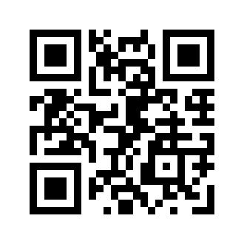
ergerqgerg | 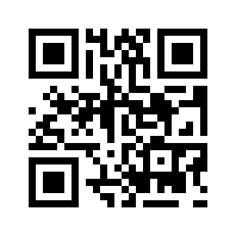
eqgqerg | 