Invoice
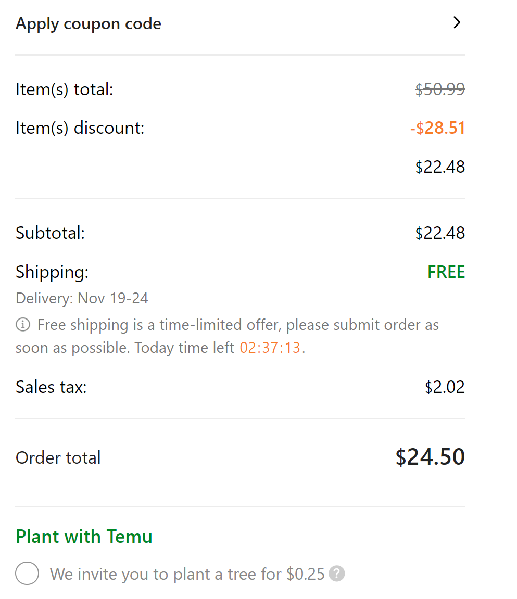
Column Name | Description
InvoiceID
SalesOrderID
IssueDate
DueDate
ItemsTotal | Sum of Product Price
ItemsDiscount
SubTotal
TaxAmount
ShippingAmount
TotalAmount
PaidStatus

CREATE TABLE Invoice ( InvoiceID INT AUTO_INCREMENT PRIMARY KEY, SalesOrderID INT, IssueDate DATETIME, DueDate DATETIME, TotalAmount DECIMAL(10, 2), PaidStatus VARCHAR(50), FOREIGN KEY (SalesOrderID) REFERENCES SalesOrder(SalesOrderID) );

