GCRunSummaryInfo
GCRun
GCRun
20131105_BB

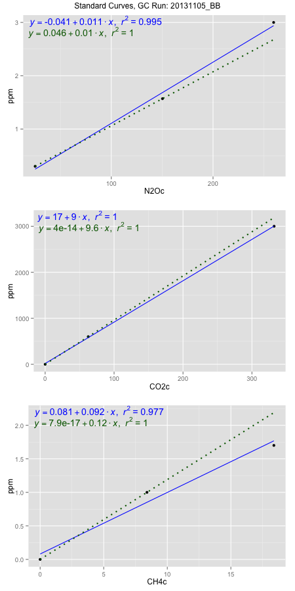
NoPressureCount
NoPressureCount
0

ambinfoDF
Labels | ambNinfo | ambCinfo | ambCHinfo | GCrun
Amb1 | 27.7716 | 82.8034 | 17.3018 | 20131105_BB
Amb2 | 29.4736 | 79.8722 | 17.0536 | 20131105_BB
Amb3 | 28.9208 | 84.8152 | 17.05 | 20131105_BB
Amb4 | 29.2508 | 78.5244 | 18.025 | 20131105_BB
Mean | 28.8542 | 81.5038 | 17.3576 | 20131105_BB
Std | 0.75661664446 | 2.8397930112 | 0.46027895889 | 20131105_BB
Count | 4 | 4 | 4 | 20131105_BB
CV | 0.0262220628 | 0.034842461471 | 0.026517430917 | 20131105_BB

timezeroDF
timezeroLabs | timezeroNinfo | timezeroCinfo | timezeroCHinfo | GCrun
M1-C1-19-T0 | 0.17791534051 | 288.26006608 | 0.99623446197 | 20131105_BB
M1-C2-19-T0 | 0.22179353097 | 341.11328891 | 1.3293286896 | 20131105_BB
F2-A1-19-T0 | 0.21958950636 | 613.40346349 | 1.1939258379 | 20131105_BB
F2-A2-19-T0 | 0.20980803804 | 347.38645909 | 1.3264696495 | 20131105_BB
F2-B1-19-T0 | 0.17734037757 | 484.5998768 | 1.4430799346 | 20131105_BB
F2-B2-19-T0 | 0.19620768004 | 534.8994792 | 1.4088678262 | 20131105_BB
F2-C1-19-T0 | 0.18512012306 | 371.98857591 | 1.3309670159 | 20131105_BB
F2-C2-19-T0 | 0.18698697805 | 317.59310074 | 1.3344685368 | 20131105_BB
F1-E-11-T0 | 0.15324162215 | 287.35957888 | 1.0670037342 | 20131105_BB
F1-C-11-T0 | 0.15802233254 | 358.21582573 | 1.0061929161 | 20131105_BB
F1-A-11-T0 | 0.17283650119 | 339.53071625 | 1.1549272466 | 20131105_BB
F1-D-11-T0 | 0.14409900154 | 217.48445988 | 1.0962687396 | 20131105_BB
F1-B-11-T0 | 0.17912915117 | 311.70633365 | 1.0197171392 | 20131105_BB
time zero mean | 0.1832377064 | 370.27240189 | 1.2082655175 | 20131105_BB
time zero sd | 0.024075225801 | 109.88734564 | 0.16121420221 | 20131105_BB
time zero CV | 0.1313879456 | 0.29677433445 | 0.13342613844 | 20131105_BB
time zero sd allow | 2 | 2 | 2 | 20131105_BB
time zero upper limit | 0.231388158 | 590.04709316 | 1.530693922 | 20131105_BB
time zero lower limit | 0.1350872548 | 150.49771062 | 0.88583711312 | 20131105_BB

standardvialsN2O
N2Oc | ppm
25.15995 | 0.301
150.30245 | 1.57
259.55285 | 3

standardvialsCO2
CO2c | ppm
62.4995 | 600
0 | 0
332.19585 | 3000

standardvialsCH4
CH4c | ppm
0 | 0
8.4018 | 1
18.3831 | 1.7

StandardCurveInfo_lmN2Ohigh
lmN2Ohigh_intercept | lmN2Ohigh_slope | lmN2Ohigh_cor | lmN2Ohigh_pearsonsR2
-0.041243466504 | 0.011481736329 | 0.99729631883 | 0.99459994756

StandardCurveInfo_lmN2Olow
lmN2Olow_intercept | lmN2Olow_slope | lmN2Olow_cor | lmN2Olow_pearsonsR2
0.045867039175 | 0.010140439899 | 1 | 1

StandardCurveInfo_lmCO2high
lmCO2high_intercept | lmCO2high_slope | lmCO2high_cor | lmCO2high_pearsonsR2
17.046018015 | 8.9913953786 | 0.99992588868 | 0.99985178286

StandardCurveInfo_lmCO2low
lmCO2low_intercept | lmCO2low_slope | lmCO2low_cor | lmCO2low_pearsonsR2
4.0194366942E-14 | 9.6000768006 | 1 | 1

StandardCurveInfo_lmCH4high
lmCH4high_intercept | lmCH4high_slope | lmCH4high_cor | lmCH4high_pearsonsR2
0.080533956354 | 0.091782987091 | 0.98860594186 | 0.97734170828

StandardCurveInfo_lmCH4low
lmCH4low_intercept | lmCH4low_slope | lmCH4low_cor | lmCH4low_pearsonsR2
7.8504622934E-17 | 0.11902211431 | 1 | 1

