GCRunSummaryInfo
GCRun
GCRun
20131106_V

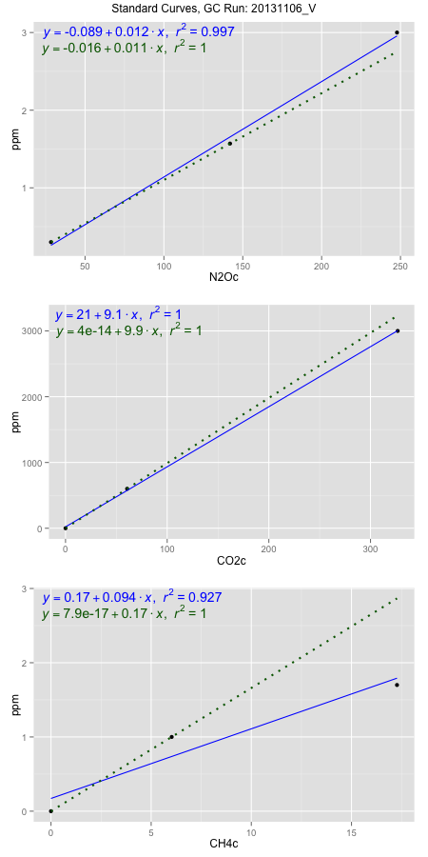
NoPressureCount
NoPressureCount
0

ambinfoDF
Labels | ambNinfo | ambCinfo | ambCHinfo | GCrun
Amb1 | 28.3408 | 69.81 | 14.1166 | 20131106_V
Amb2 | 28.6218 | 69.5212 | 14.3324 | 20131106_V
Amb3 | 28.3364 | 67.9436 | 13.0308 | 20131106_V
Amb4 | 28.174 | 71.1484 | 14.5314 | 20131106_V
Mean | 28.36825 | 69.6058 | 14.0028 | 20131106_V
Std | 0.18600052867 | 1.3154692952 | 0.66977323526 | 20131106_V
Count | 4 | 4 | 4 | 20131106_V
CV | 0.0065566444413 | 0.018898846004 | 0.0478313791 | 20131106_V

timezeroDF
timezeroLabs | timezeroNinfo | timezeroCinfo | timezeroCHinfo | GCrun
M1-A-27-T0 | 0.10976549543 | 532.25985289 | 1.3192589699 | 20131106_V
M1-B-27-T0 | 0.15981961305 | 390.23423192 | 1.3170917478 | 20131106_V
M1-C-27-T0 | 0.12508491119 | 290.90742592 | 1.3708782604 | 20131106_V
M1-D-27-T0 | 0.15306357858 | 411.10720615 | 1.1289703006 | 20131106_V
M1-E-27-T0 | 0.11725307504 | 271.77386621 | 1.3264173703 | 20131106_V
F2-A-27-T0 | 0.13468106207 | 404.05252893 | 1.3792187819 | 20131106_V
F2-B-27-T0 | 0.16105580697 | 515.16716001 | 1.3726514422 | 20131106_V
F2-C-27-T0 | 0.12150542563 | 286.36138638 | 1.1552724963 | 20131106_V
F2-D-27-T0 | 0.14429286097 | 503.8990803 | 1.3528837495 | 20131106_V
F2-E-27-T0 | 0.11323935682 | 332.82315787 | 1.1342898458 | 20131106_V
M1-A-01-T0 | 0.1117449705 | 367.04665828 | 1.2771623221 | 20131106_V
M1-B-01-T0 | 0.12421644584 | 276.22288662 | 1.1497559309 | 20131106_V
M1-C-01-T0 | 0.15708903282 | 508.63569314 | 1.2085664584 | 20131106_V
M1-D-01-T0 | 0.13422335736 | 409.53757512 | 1.3991834948 | 20131106_V
M1-E-01-T0 | 0.14097547983 | 373.60237994 | 1.4251244868 | 20131106_V
S1-A-01-T0 | 0.1441129087 | 339.96792429 | 1.3582032947 | 20131106_V
S1-B-01-T0 | 0.12029661576 | 426.26298126 | 1.3875593034 | 20131106_V
S1-C-01-T0 | 0.12526486347 | 371.86989536 | 1.2094530492 | 20131106_V
S1-D-01-T0 | 0.15195648086 | 350.78555801 | 1.1129788282 | 20131106_V
S1-E-01-T0 | 0.12734605069 | 271.46201899 | 1.1165251917 | 20131106_V
M1-B1-19-T0 | 0.15332177098 | 355.11330449 | 1.1353734568 | 20131106_V
M1-B2-19-T0 | 0.12409908566 | 275.04826207 | 1.0886468345 | 20131106_V
time zero mean | 0.13429128401 | 375.64277428 | 1.2602484371 | 20131106_V
time zero sd | 0.016587772218 | 83.139817616 | 0.1155198516 | 20131106_V
time zero CV | 0.1235208401 | 0.22132681182 | 0.091664348235 | 20131106_V
time zero sd allow | 2 | 2 | 2 | 20131106_V
time zero upper limit | 0.16746682845 | 541.92240951 | 1.4912881403 | 20131106_V
time zero lower limit | 0.10111573957 | 209.36313905 | 1.0292087339 | 20131106_V

standardvialsN2O
N2Oc | ppm
28.3965125 | 0.301
141.9316125 | 1.57
247.7891125 | 3

standardvialsCO2
CO2c | ppm
60.6066 | 600
0 | 0
326.76585 | 3000

standardvialsCH4
CH4c | ppm
0 | 0
6.0256 | 1
17.2718 | 1.7

StandardCurveInfo_lmN2Ohigh
lmN2Ohigh_intercept | lmN2Ohigh_slope | lmN2Ohigh_cor | lmN2Ohigh_pearsonsR2
-0.089021028005 | 0.012288570342 | 0.99850827059 | 0.99701876644

StandardCurveInfo_lmN2Olow
lmN2Olow_intercept | lmN2Olow_slope | lmN2Olow_cor | lmN2Olow_pearsonsR2
-0.016392369078 | 0.011177160191 | 1 | 1

StandardCurveInfo_lmCO2high
lmCO2high_intercept | lmCO2high_slope | lmCO2high_cor | lmCO2high_pearsonsR2
20.905919518 | 9.1314760289 | 0.99988903336 | 0.99977807904

StandardCurveInfo_lmCO2low
lmCO2low_intercept | lmCO2low_slope | lmCO2low_cor | lmCO2low_pearsonsR2
4.0194366942E-14 | 9.8999118908 | 1 | 1

StandardCurveInfo_lmCH4high
lmCH4high_intercept | lmCH4high_slope | lmCH4high_cor | lmCH4high_pearsonsR2
0.1714193276 | 0.093819139354 | 0.96261344803 | 0.92662465034

StandardCurveInfo_lmCH4low
lmCH4low_intercept | lmCH4low_slope | lmCH4low_cor | lmCH4low_pearsonsR2
7.8504622934E-17 | 0.16595857674 | 1 | 1

