GCRunSummaryInfo
GCRun
GCRun
20131106_W

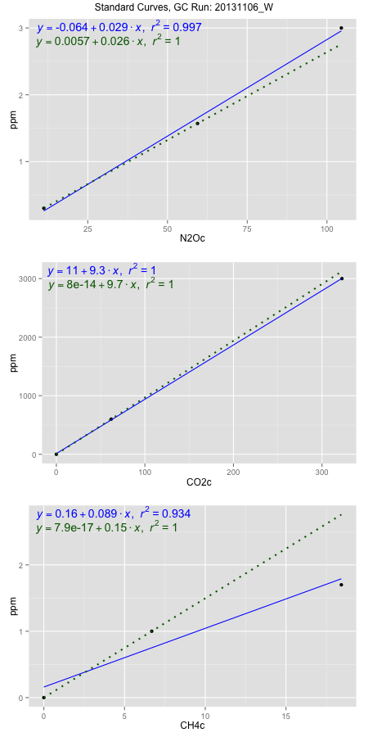
NoPressureCount
NoPressureCount
0

ambinfoDF
Labels | ambNinfo | ambCinfo | ambCHinfo | GCrun
Amb1 | 11.8928 | 67.0048 | 13.9248 | 20131106_W
Amb2 | 12.2492 | 77.9324 | 15.1404 | 20131106_W
Amb3 | 12.014 | 66.8712 | 14.5328 | 20131106_W
Amb4 | 12.1948 | 67.672 | 14.3492 | 20131106_W
Mean | 12.0877 | 69.8701 | 14.4868 | 20131106_W
Std | 0.16428670062 | 5.386268659 | 0.50467372959 | 20131106_W
Count | 4 | 4 | 4 | 20131106_W
CV | 0.013591229152 | 0.077089751682 | 0.034836798298 | 20131106_W

timezeroDF
timezeroLabs | timezeroNinfo | timezeroCinfo | timezeroCHinfo | GCrun
F2-A-13-T0 | 0.22396946399 | 357.85097181 | 1.1699618721 | 20131106_W
F2-B-13-T0 | 0.19499433712 | 375.87093884 | 1.192208364 | 20131106_W
F2-C-13-T0 | 0.1892545902 | 327.44248936 | 1.1781416407 | 20131106_W
F2-D-13-T0 | 0.19879933788 | 405.32332897 | 1.0875445067 | 20131106_W
F2-E-13-T0 | 0.19970221941 | 368.99860146 | 1.1763445703 | 20131106_W
S1-A-13-T0 | 0.16724454947 | 300.96008815 | 0.9628030357 | 20131106_W
S1-B-13-T0 | 0.16553091717 | 308.34437567 | 1.0843841416 | 20131106_W
S1-C-13-T0 | 0.14879075643 | 341.70589506 | 1.1454845343 | 20131106_W
S1-D-13-T0 | 0.1720629887 | 323.67236644 | 1.1293728689 | 20131106_W
S1-E-13-T0 | 0.18448221637 | 302.55018496 | 1.2037344015 | 20131106_W
M1-A-14-T0 | 0.14289438721 | 282.16032951 | 1.0051891093 | 20131106_W
M1-B-14-T0 | 0.1430970749 | 266.39158697 | 1.1356006472 | 20131106_W
M1-C-14-T0 | 0.1886557402 | 399.95293804 | 1.1904112936 | 20131106_W
M1-D-14-T0 | 0.14043449568 | 318.40029706 | 1.0478230547 | 20131106_W
M1-E-14-T0 | 0.15358155642 | 329.50046113 | 1.096096083 | 20131106_W
F3-A-14-T0 | 0.15746947488 | 226.01194308 | 0.98904645993 | 20131106_W
F3-B-14-T0 | 0.14890131335 | 328.55454001 | 1.198776966 | 20131106_W
F3-C-14-T0 | 0.14676387951 | 281.09913484 | 1.1186524146 | 20131106_W
F3-D-14-T0 | 0.13178341646 | 247.88001219 | 1.1435015601 | 20131106_W
F3-E-14-T0 | 0.14970285104 | 212.74870489 | 1.0775056998 | 20131106_W
S1-B2-19-T0 | 0.17104033716 | 271.97218259 | 1.087203683 | 20131106_W
S1-C1-19-T0 | 0.17554553177 | 365.72008629 | 1.144647967 | 20131106_W
time zero mean | 0.16794097433 | 315.59597533 | 1.1165652215 | 20131106_W
time zero sd | 0.024117277915 | 52.310300331 | 0.069126726101 | 20131106_W
time zero CV | 0.14360568057 | 0.16575084735 | 0.06191015515 | 20131106_W
time zero sd allow | 2 | 2 | 2 | 20131106_W
time zero upper limit | 0.21617553016 | 420.21657599 | 1.2548186737 | 20131106_W
time zero lower limit | 0.1197064185 | 210.97537467 | 0.97831176934 | 20131106_W

standardvialsN2O
N2Oc | ppm
11.217775 | 0.301
59.426425 | 1.57
104.521125 | 3

standardvialsCO2
CO2c | ppm
61.939625 | 600
0 | 0
322.543675 | 3000

standardvialsCH4
CH4c | ppm
0 | 0
6.6825 | 1
18.4292 | 1.7

StandardCurveInfo_lmN2Ohigh
lmN2Ohigh_intercept | lmN2Ohigh_slope | lmN2Ohigh_cor | lmN2Ohigh_pearsonsR2
-0.0635972341 | 0.028897224392 | 0.99855889285 | 0.9971198625

StandardCurveInfo_lmN2Olow
lmN2Olow_intercept | lmN2Olow_slope | lmN2Olow_cor | lmN2Olow_pearsonsR2
0.0057136463062 | 0.026323076875 | 1 | 1

StandardCurveInfo_lmCO2high
lmCO2high_intercept | lmCO2high_slope | lmCO2high_cor | lmCO2high_pearsonsR2
11.426212273 | 9.2740604421 | 0.99996647477 | 0.99993295065

StandardCurveInfo_lmCO2low
lmCO2low_intercept | lmCO2low_slope | lmCO2low_cor | lmCO2low_pearsonsR2
8.0388733885E-14 | 9.6868523179 | 1 | 1

StandardCurveInfo_lmCH4high
lmCH4high_intercept | lmCH4high_slope | lmCH4high_cor | lmCH4high_pearsonsR2
0.1589902779 | 0.088525634118 | 0.96667859118 | 0.93446749866

StandardCurveInfo_lmCH4low
lmCH4low_intercept | lmCH4low_slope | lmCH4low_cor | lmCH4low_pearsonsR2
7.8504622934E-17 | 0.14964459409 | 1 | 1

