GCRunSummaryInfo
GCRun
GCRun
20131107_X

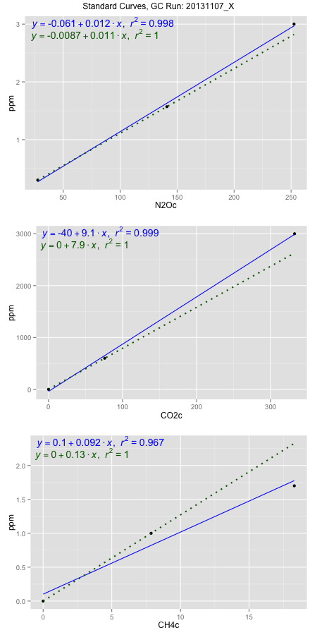
NoPressureCount
NoPressureCount
0

ambinfoDF
Labels | ambNinfo | ambCinfo | ambCHinfo | GCrun
Amb1 | 28.048 | 72.3246 | 14.033 | 20131107_X
Amb2 | 28.358 | 74.8794 | 14.1042 | 20131107_X
Amb3 | 28.7968 | 73.435 | 13.9276 | 20131107_X
Amb4 | 28.368 | 73.0868 | 15.098 | 20131107_X
Mean | 28.3927 | 73.43145 | 14.2907 | 20131107_X
Std | 0.30764106791 | 1.0708987425 | 0.54306735003 | 20131107_X
Count | 4 | 4 | 4 | 20131107_X
CV | 0.010835217077 | 0.014583652406 | 0.038001451995 | 20131107_X

timezeroDF
timezeroLabs | timezeroNinfo | timezeroCinfo | timezeroCHinfo | GCrun
S1-A1-19-T0 | 0.17316500429 | 400.48808664 | 1.1428798913 | 20131107_X
S1-A2-19-T0 | 0.18620635264 | 352.89692058 | 1.1597996089 | 20131107_X
S1-B1-19-T0 | 0.14226233811 | 380.07288835 | 1.2512237649 | 20131107_X
S3-D-18-T0 | 0.14636910886 | 325.1284857 | 1.3192230846 | 20131107_X
S3-E-18-T0 | 0.14624371128 | 436.62581151 | 1.2023873072 | 20131107_X
S3-A-18-T0 | 0.1166263703 | 402.29871041 | 1.1129819812 | 20131107_X
S3-B-18-T0 | 0.13063954989 | 412.49246686 | 1.3201203424 | 20131107_X
S3-C-18-T0 | 0.14162751286 | 321.0199755 | 1.3437694931 | 20131107_X
M3-D-18-T0 | 0.090551510959 | 194.97952024 | 1.0672218358 | 20131107_X
M3-E-18-T0 | 0.10949438292 | 271.61264859 | 1.1199036838 | 20131107_X
M3-A-18-T0 | 0.092722456567 | 178.5593221 | 1.1416942293 | 20131107_X
M3-B-18-T0 | 0.12972649876 | 384.33643668 | 1.3565554161 | 20131107_X
M3-C-18-T0 | 0.13680754337 | 400.00082397 | 1.2404566719 | 20131107_X
S2-D-18-T0 | 0.11088159366 | 226.89522485 | 1.0447263021 | 20131107_X
S2-E-18-T0 | 0.12752812243 | 238.85530847 | 1.0342796583 | 20131107_X
S2-A-18-T0 | 0.12002777966 | 227.12501349 | 1.1153533052 | 20131107_X
S2-B-18-T0 | 0.12516908045 | 277.63144993 | 1.090294178 | 20131107_X
S2-C-18-T0 | 0.12213994516 | 218.5508517 | 1.142206948 | 20131107_X
M2-D-18-T0 | 0.1496216086 | 279.40885125 | 1.1529099512 | 20131107_X
M2-E-18-T0 | 0.12931895663 | 261.16972373 | 1.3340278375 | 20131107_X
M2-A-18-T0 | 0.1404597479 | 315.21712011 | 1.1422389929 | 20131107_X
M2-B-18-T0 | 0.13072576073 | 339.47504896 | 1.4441982716 | 20131107_X
M2-C-18-T0 | 0.13740710055 | 280.34461705 | 1.3546647658 | 20131107_X
time zero mean | 0.13198791463 | 309.79066551 | 1.2014398922 | 20131107_X
time zero sd | 0.021791643467 | 76.661643972 | 0.11660378659 | 20131107_X
time zero CV | 0.16510332425 | 0.24746273051 | 0.097053366838 | 20131107_X
time zero sd allow | 2 | 2 | 2 | 20131107_X
time zero upper limit | 0.17557120157 | 463.11395345 | 1.4346474654 | 20131107_X
time zero lower limit | 0.088404627702 | 156.46737756 | 0.96823231904 | 20131107_X

standardvialsN2O
N2Oc | ppm
27.659975 | 0.301
141.001875 | 1.57
252.614075 | 3

standardvialsCO2
CO2c | ppm
75.8523125 | 600
0 | 0
332.2833125 | 3000

standardvialsCH4
CH4c | ppm
0 | 0
7.865575 | 1
18.294875 | 1.7

StandardCurveInfo_lmN2Ohigh
lmN2Ohigh_intercept | lmN2Ohigh_slope | lmN2Ohigh_cor | lmN2Ohigh_pearsonsR2
-0.060865834453 | 0.011995932365 | 0.99924482685 | 0.99849022399

StandardCurveInfo_lmN2Olow
lmN2Olow_intercept | lmN2Olow_slope | lmN2Olow_cor | lmN2Olow_pearsonsR2
-0.0086869584417 | 0.011196212522 | 1 | 1

StandardCurveInfo_lmCO2high
lmCO2high_intercept | lmCO2high_slope | lmCO2high_cor | lmCO2high_pearsonsR2
-39.731218387 | 9.1126415518 | 0.99956664579 | 0.99913347937

StandardCurveInfo_lmCO2low
lmCO2low_intercept | lmCO2low_slope | lmCO2low_cor | lmCO2low_pearsonsR2
0 | 7.9101082119 | 1 | 1

StandardCurveInfo_lmCH4high
lmCH4high_intercept | lmCH4high_slope | lmCH4high_cor | lmCH4high_pearsonsR2
0.10160998047 | 0.091556913531 | 0.98343562156 | 0.96714562176

StandardCurveInfo_lmCH4low
lmCH4low_intercept | lmCH4low_slope | lmCH4low_cor | lmCH4low_pearsonsR2
0 | 0.12713628692 | 1 | 1

