GCRunSummaryInfo
GCRun
GCRun
20131107_Y

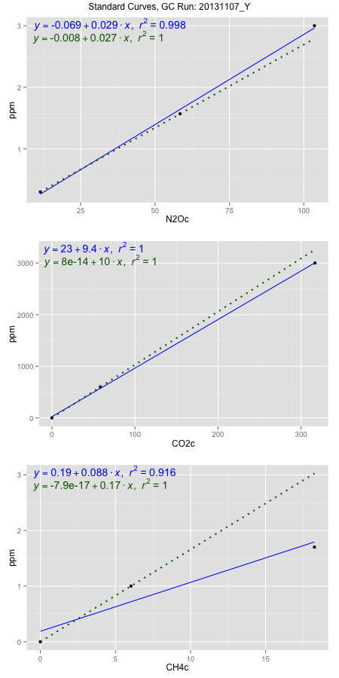
NoPressureCount
NoPressureCount
1

ambinfoDF
Labels | ambNinfo | ambCinfo | ambCHinfo | GCrun
Amb1 | 12.3404 | 58.3176 | 13.5404 | 20131107_Y
Amb2 | 12.0608 | 60.0192 | 12.8068 | 20131107_Y
Amb3 | 12.6902 | 60.1608 | 13.3816 | 20131107_Y
Amb4 | 12.7612 | 61.9504 | 13.4652 | 20131107_Y
Mean | 12.46315 | 60.112 | 13.2985 | 20131107_Y
Std | 0.32523765157 | 1.4844279706 | 0.33415515358 | 20131107_Y
Count | 4 | 4 | 4 | 20131107_Y
CV | 0.026095942966 | 0.02469437002 | 0.025127281542 | 20131107_Y

timezeroDF
timezeroLabs | timezeroNinfo | timezeroCinfo | timezeroCHinfo | GCrun
F2-A-17-T0 | 0.17893967123 | 268.89258808 | 1.141415706 | 20131107_Y
F2-B-17-T0 | 0.18495379961 | 604.57225055 | 1.1944351836 | 20131107_Y
F2-C-17-T0 | 0.18822563675 | 482.08199619 | 0.96017094535 | 20131107_Y
M1-D-17-T0 | 0.20647605777 | 368.3012133 | 1.2417926855 | 20131107_Y
M1-E-17-T0 | 0.20989919373 | 342.66702133 | 1.1323073106 | 20131107_Y
M1-A-17-T0 | 0.1724621902 | 275.32185821 | 1.1625250279 | 20131107_Y
M1-B-17-T0 | 0.17574348351 | 333.57450533 | 1.2366845989 | 20131107_Y
M1-C-17-T0 | 0.2058141254 | 296.20977845 | 1.1641866946 | 20131107_Y
F2-D-20-T0 | 0.15990438755 | 375.81163872 | 1.2877346936 | 20131107_Y
F2-E-20-T0 | 0.17222578578 | 397.36627139 | 1.3098902501 | 20131107_Y
F2-A-20-T0 | 0.16239136202 | 326.33076487 | 1.1320303661 | 20131107_Y
F2-B-20-T0 | 0.12185273253 | 364.0594807 | 1.299427904 | 20131107_Y
F2-C-20-T0 | 0.12464230465 | 254.39069177 | 1.0934735435 | 20131107_Y
S1-D-20-T0 | 0.10616493539 | 232.81083215 | 1.1051052107 | 20131107_Y
S1-E-20-T0 | 0.1607365311 | 294.88716514 | 1.1971123133 | 20131107_Y
S1-C-20-T0 | 0.070316569546 | 204.19985928 | 1.1003663833 | 20131107_Y
S1-B-20-T0 | 0.13481715078 | 237.25077654 | 1.2081593199 | 20131107_Y
S1-A-20-T0 | 0.14001804796 | 258.61080126 | 1.2437005251 | 20131107_Y
M1-E-20-T0 | 0.17224469813 | 386.50426456 | 1.193542807 | 20131107_Y
M1-D-20-T0 | 0.1508359141 | 405.3992552 | 1.1271376807 | 20131107_Y
M1-C-20-T0 | 0.16689250212 | 285.16037137 | 1.1019972785 | 20131107_Y
M1-B-20-T0 | 0.11908207276 | 262.26150229 | 1.1790186088 | 20131107_Y
M1-A-20-T0 | 0.12761154414 | 292.19508847 | 1.1510164472 | 20131107_Y
time zero mean | 0.15705437812 | 328.21130327 | 1.1723144124 | 20131107_Y
time zero sd | 0.034753150572 | 90.09780518 | 0.079215355645 | 20131107_Y
time zero CV | 0.22128100463 | 0.27451158532 | 0.067571766422 | 20131107_Y
time zero sd allow | 2 | 2 | 2 | 20131107_Y
time zero upper limit | 0.22656067926 | 508.40691363 | 1.3307451237 | 20131107_Y
time zero lower limit | 0.087548076975 | 148.01569291 | 1.0138837011 | 20131107_Y

standardvialsN2O
N2Oc | ppm
11.4356375 | 0.301
58.4049375 | 1.57
103.5804875 | 3

standardvialsCO2
CO2c | ppm
58.271 | 600
0 | 0
316.732 | 3000

standardvialsCH4
CH4c | ppm
0 | 0
6.034075 | 1
18.252225 | 1.7

StandardCurveInfo_lmN2Ohigh
lmN2Ohigh_intercept | lmN2Ohigh_slope | lmN2Ohigh_cor | lmN2Ohigh_pearsonsR2
-0.068680325606 | 0.029275803663 | 0.99895753852 | 0.99791616377

StandardCurveInfo_lmN2Olow
lmN2Olow_intercept | lmN2Olow_slope | lmN2Olow_cor | lmN2Olow_pearsonsR2
-0.0079640251718 | 0.027017647698 | 1 | 1

StandardCurveInfo_lmCO2high
lmCO2high_intercept | lmCO2high_slope | lmCO2high_cor | lmCO2high_pearsonsR2
23.079132686 | 9.4152916162 | 0.99986510845 | 0.99973023509

StandardCurveInfo_lmCO2low
lmCO2low_intercept | lmCO2low_slope | lmCO2low_cor | lmCO2low_pearsonsR2
8.0388733885E-14 | 10.296717063 | 1 | 1

StandardCurveInfo_lmCH4high
lmCH4high_intercept | lmCH4high_slope | lmCH4high_cor | lmCH4high_pearsonsR2
0.18825860921 | 0.087918874936 | 0.95688671056 | 0.91563217685

StandardCurveInfo_lmCH4low
lmCH4low_intercept | lmCH4low_slope | lmCH4low_cor | lmCH4low_pearsonsR2
-7.8504622934E-17 | 0.16572548402 | 1 | 1

