GCRunSummaryInfo
GCRun
GCRun
20140114_V

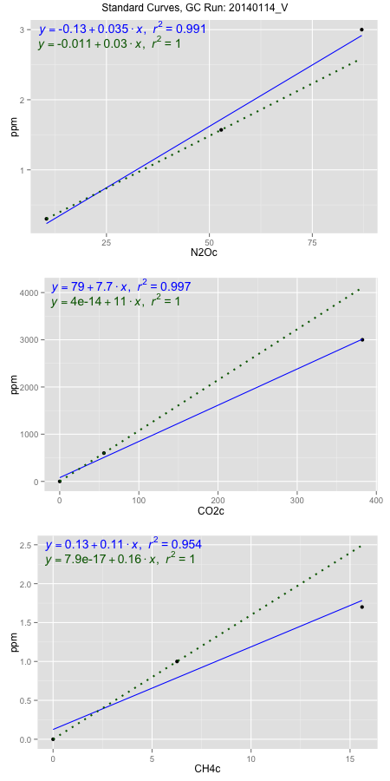
NoPressureCount
NoPressureCount
3

ambinfoDF
Labels | ambNinfo | ambCinfo | ambCHinfo | GCrun
Amb1 | 10.0592 | 88.1122 | 12.5206 | 20140114_V
Amb2 | 10.3202 | 86.8368 | 11.2882 | 20140114_V
Amb3 | 10.5176 | 87.293 | 12.136 | 20140114_V
Amb4 | 10.9706 | 80.9618 | 11.8048 | 20140114_V
Mean | 10.4669 | 85.80095 | 11.9374 | 20140114_V
Std | 0.38471823456 | 3.2689676102 | 0.52236883521 | 20140114_V
Count | 4 | 4 | 4 | 20140114_V
CV | 0.036755699831 | 0.03809943375 | 0.043759012449 | 20140114_V

timezeroDF
timezeroLabs | timezeroNinfo | timezeroCinfo | timezeroCHinfo | GCrun
M2-A-17-T0 | 0.36543637788 | 464.35913511 | 1.4415405669 | 20140114_V
M2-B-17-T0 | 0.35012528143 | 416.73827341 | 1.410221918 | 20140114_V
M2-C-17-T0 | 0.34107258257 | 393.70247123 | 1.2940974265 | 20140114_V
M2-D-17-T0 | 0.33572468764 | 409.19504469 | 1.2818972878 | 20140114_V
M2-E-17-T0 | 0.31205161849 | 325.14407337 | 1.0650472604 | 20140114_V
F3-A-17-T0 | 0.31986938271 | 535.66750534 | 1.1168606546 | 20140114_V
F3-B-17-T0 | 0.32430677498 | 445.42961697 | 1.3112073772 | 20140114_V
F3-C-17-T0 | 0.2907332976 | 453.02549036 | 2.0766916932 | 20140114_V
F3-D-17-T0 | 0.27526521793 | 429.85807651 | 1.1212869245 | 20140114_V
F3-E-17-T0 | 0.30974919797 | 462.14053843 | 1.1843705688 | 20140114_V
F2-A-17-T0 | 0.25542253928 | 352.48545725 | 1.0675765575 | 20140114_V
F2-B-17-T0 | 0.30331288607 | 379.64634512 | 1.315968407 | 20140114_V
F2-C-17-T0 | 0.28489352192 | 322.35014568 | 1.1178649343 | 20140114_V
F2-D-17-T0 | 0.27164413839 | 369.32799038 | 1.2313113466 | 20140114_V
F2-E-17-T0 | 0.26906961362 | 334.15007177 | 1.2372626338 | 20140114_V
S1-A-18-T0 | 0.29037746897 | 338.79784381 | 1.0587240178 | 20140114_V
S1-B-18-T0 | 0.28300972331 | 336.86879279 | 1.2751276986 | 20140114_V
S1-C-18-T0 | 0.27091155004 | 300.86360085 | 1.0406097874 | 20140114_V
S1-D-18-T0 | 0.29678238423 | 354.48971493 | 1.1906938114 | 20140114_V
S1-E-18-T0 | 0.28344927632 | 347.82640421 | 1.2301954802 | 20140114_V
time zero mean | 0.30166037607 | 388.60332961 | 1.2534278176 | 20140114_V
time zero sd | 0.030021810184 | 61.523344634 | 0.22543900828 | 20140114_V
time zero CV | 0.099521888075 | 0.1583191392 | 0.17985799031 | 20140114_V
time zero sd allow | 2 | 2 | 2 | 20140114_V
time zero upper limit | 0.36170399643 | 511.65001888 | 1.7043058342 | 20140114_V
time zero lower limit | 0.2416167557 | 265.55664034 | 0.80254980106 | 20140114_V

standardvialsN2O
N2Oc | ppm
10.429275 | 0.301
52.868525 | 1.57
87.004025 | 3

standardvialsCO2
CO2c | ppm
55.8461125 | 600
0 | 0
382.3399375 | 3000

standardvialsCH4
CH4c | ppm
0 | 0
6.26075 | 1
15.60715 | 1.7

StandardCurveInfo_lmN2Ohigh
lmN2Ohigh_intercept | lmN2Ohigh_slope | lmN2Ohigh_cor | lmN2Ohigh_pearsonsR2
-0.13152224712 | 0.035033285467 | 0.99530379012 | 0.99062963463

StandardCurveInfo_lmN2Olow
lmN2Olow_intercept | lmN2Olow_slope | lmN2Olow_cor | lmN2Olow_pearsonsR2
-0.010851646177 | 0.029901565178 | 1 | 1

StandardCurveInfo_lmCO2high
lmCO2high_intercept | lmCO2high_slope | lmCO2high_cor | lmCO2high_pearsonsR2
78.93192155 | 7.6752882374 | 0.99851512761 | 0.99703246007

StandardCurveInfo_lmCO2low
lmCO2low_intercept | lmCO2low_slope | lmCO2low_cor | lmCO2low_pearsonsR2
4.0194366942E-14 | 10.743809607 | 1 | 1

StandardCurveInfo_lmCH4high
lmCH4high_intercept | lmCH4high_slope | lmCH4high_cor | lmCH4high_pearsonsR2
0.12534432534 | 0.1062729857 | 0.97693594332 | 0.95440383735

StandardCurveInfo_lmCH4low
lmCH4low_intercept | lmCH4low_slope | lmCH4low_cor | lmCH4low_pearsonsR2
7.8504622934E-17 | 0.15972527253 | 1 | 1

