GCRunSummaryInfo
GCRun
GCRun
20140310_H

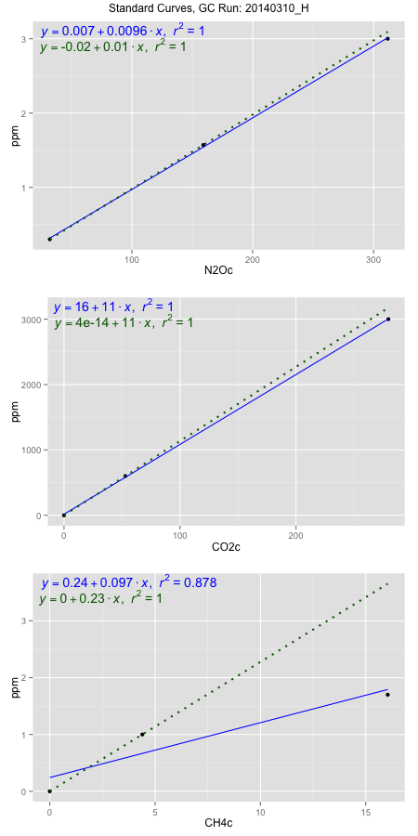
NoPressureCount
NoPressureCount
0

ambinfoDF
Labels | ambNinfo | ambCinfo | ambCHinfo | GCrun
Amb1 | 35.4904 | 49.161 | 9.4544 | 20140310_H
Amb2 | 35.0648 | 49.0688 | 9.7122 | 20140310_H
Amb3 | 35.4028 | 43.592 | 9.1068 | 20140310_H
Amb4 | 36.1832 | 45.9764 | 9.4552 | 20140310_H
Mean | 35.5353 | 46.94955 | 9.43215 | 20140310_H
Std | 0.46929625327 | 2.6833992491 | 0.24853369322 | 20140310_H
Count | 4 | 4 | 4 | 20140310_H
CV | 0.01320648069 | 0.057154951412 | 0.026349633246 | 20140310_H

timezeroDF
timezeroLabs | timezeroNinfo | timezeroCinfo | timezeroCHinfo | GCrun
F2-D-25-T0 | 0.35108235352 | 630.27617712 | 1.2769755198 | 20140310_H
F2-E-25-T0 | 0.36330054601 | 590.29504877 | 1.2257759938 | 20140310_H
time zero mean | 0.35719144977 | 610.28561295 | 1.2513757568 | 20140310_H
time zero sd | 0.0086395667614 | 28.270926976 | 0.036203532016 | 20140310_H
time zero CV | 0.024187495997 | 0.046324092157 | 0.028930984015 | 20140310_H
time zero sd allow | 2 | 2 | 2 | 20140310_H
time zero upper limit | 0.37447058329 | 666.8274669 | 1.3237828208 | 20140310_H
time zero lower limit | 0.33991231625 | 553.743759 | 1.1789686927 | 20140310_H

standardvialsN2O
N2Oc | ppm
32.098825 | 0.301
159.147425 | 1.57
311.727825 | 3

standardvialsCO2
CO2c | ppm
52.8530875 | 600
0 | 0
279.6618375 | 3000

standardvialsCH4
CH4c | ppm
0 | 0
4.3918875 | 1
16.0426875 | 1.7

StandardCurveInfo_lmN2Ohigh
lmN2Ohigh_intercept | lmN2Ohigh_slope | lmN2Ohigh_cor | lmN2Ohigh_pearsonsR2
0.006973594987 | 0.0096428015997 | 0.99983364758 | 0.99966732283

StandardCurveInfo_lmN2Olow
lmN2Olow_intercept | lmN2Olow_slope | lmN2Olow_cor | lmN2Olow_pearsonsR2
-0.019612812144 | 0.0099883036885 | 1 | 1

StandardCurveInfo_lmCO2high
lmCO2high_intercept | lmCO2high_slope | lmCO2high_cor | lmCO2high_pearsonsR2
15.819402586 | 10.683856649 | 0.99993607745 | 0.999872159

StandardCurveInfo_lmCO2low
lmCO2low_intercept | lmCO2low_slope | lmCO2low_cor | lmCO2low_pearsonsR2
4.0194366942E-14 | 11.352222328 | 1 | 1

StandardCurveInfo_lmCH4high
lmCH4high_intercept | lmCH4high_slope | lmCH4high_cor | lmCH4high_pearsonsR2
0.24229731029 | 0.096557333301 | 0.9369281612 | 0.87783437924

StandardCurveInfo_lmCH4low
lmCH4low_intercept | lmCH4low_slope | lmCH4low_cor | lmCH4low_pearsonsR2
0 | 0.22769253538 | 1 | 1

