GCRunSummaryInfo
GCRun
GCRun
20140310_U

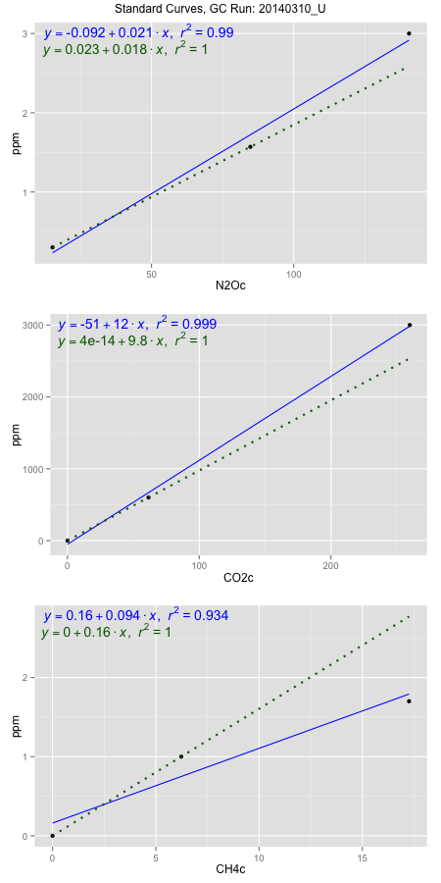
NoPressureCount
NoPressureCount
0

ambinfoDF
Labels | ambNinfo | ambCinfo | ambCHinfo | GCrun
Amb1 | 17.5912 | 55.0228 | 10.8 | 20140310_U
Amb2 | 17.8588 | 55.35 | 11.4334 | 20140310_U
Amb3 | 17.2584 | 56.2944 | 11.1772 | 20140310_U
Amb4 | 17.5822 | 56.1692 | 11.1096 | 20140310_U
Mean | 17.57265 | 55.7091 | 11.13005 | 20140310_U
Std | 0.24567606721 | 0.62027644375 | 0.2605094688 | 20140310_U
Count | 4 | 4 | 4 | 20140310_U
CV | 0.013980592979 | 0.011134203276 | 0.023405956739 | 20140310_U

timezeroDF
timezeroLabs | timezeroNinfo | timezeroCinfo | timezeroCHinfo | GCrun
SM-C-20-T0 | 0.3289020432 | 449.13024404 | 1.1869394152 | 20140310_U
SM-A-20-T0 | 0.34697960324 | 362.6876868 | 1.1714719885 | 20140310_U
SM-B-20-T0 | 0.37142583019 | 435.58837365 | 1.2221707761 | 20140310_U
M3-D-18-T0 | 0.35998522594 | 432.35403538 | 1.2560140345 | 20140310_U
M3-E-18-T0 | 0.37196240795 | 461.16935958 | 1.2213114746 | 20140310_U
M3-A-18-T0 | 0.38627114805 | 449.63571612 | 1.2672510539 | 20140310_U
M3-B-18-T0 | 0.37216043069 | 356.89524994 | 1.2404805077 | 20140310_U
M3-C-18-T0 | 0.36609837964 | 534.93071511 | 1.2630206466 | 20140310_U
M3-D-14-T0 | 0.36438644109 | 457.62763963 | 1.2730017638 | 20140310_U
M3-E-14-T0 | 0.36595145954 | 511.03008234 | 1.2703247092 | 20140310_U
M3-A-14-T0 | 0.34228454789 | 429.3690178 | 1.1174681952 | 20140310_U
M3-B-14-T0 | 0.31719315007 | 433.74066826 | 1.1233511054 | 20140310_U
M3-C-14-T0 | 0.32416866087 | 448.25249859 | 1.0934738538 | 20140310_U
SM-D-14-T0 | 0.35555207164 | 421.03897445 | 1.0669016079 | 20140310_U
SM-E-14-T0 | 0.37553959297 | 509.77323283 | 1.2421330105 | 20140310_U
SM-A-14-T0 | 0.38010050388 | 559.24802082 | 1.1479403479 | 20140310_U
SM-B-14-T0 | 0.41269121459 | 595.79911713 | 1.2907826946 | 20140310_U
SM-C-14-T0 | 0.40881380154 | 706.6878815 | 1.2880064898 | 20140310_U
SD-C-12-T0 | 0.39370658264 | 528.09318056 | 1.1947392287 | 20140310_U
SD-B-12-T0 | 0.39515023231 | 541.23887012 | 1.2133133608 | 20140310_U
SD-A-12-T0 | 0.40036270192 | 573.52077652 | 1.2900555933 | 20140310_U
SD-E-12-T0 | 0.42169805546 | 483.24960978 | 1.2500650242 | 20140310_U
SD-D-12-T0 | 0.39647890103 | 545.10163315 | 1.2264342334 | 20140310_U
time zero mean | 0.37208099941 | 488.0940254 | 1.2137674398 | 20140310_U
time zero sd | 0.028103763881 | 79.364609134 | 0.065663689763 | 20140310_U
time zero CV | 0.075531306155 | 0.16260106661 | 0.05409907006 | 20140310_U
time zero sd allow | 2 | 2 | 2 | 20140310_U
time zero upper limit | 0.42828852717 | 646.82324366 | 1.3450948193 | 20140310_U
time zero lower limit | 0.31587347164 | 329.36480713 | 1.0824400603 | 20140310_U

standardvialsN2O
N2Oc | ppm
15.2058625 | 0.301
84.7365125 | 1.57
140.5202125 | 3

standardvialsCO2
CO2c | ppm
61.487075 | 600
0 | 0
259.881775 | 3000

standardvialsCH4
CH4c | ppm
0 | 0
6.2327625 | 1
17.2640625 | 1.7

StandardCurveInfo_lmN2Ohigh
lmN2Ohigh_intercept | lmN2Ohigh_slope | lmN2Ohigh_cor | lmN2Ohigh_pearsonsR2
-0.092033435159 | 0.021404994261 | 0.99523339192 | 0.9904895044

StandardCurveInfo_lmN2Olow
lmN2Olow_intercept | lmN2Olow_slope | lmN2Olow_cor | lmN2Olow_pearsonsR2
0.023478654917 | 0.018250944008 | 1 | 1

StandardCurveInfo_lmCO2high
lmCO2high_intercept | lmCO2high_slope | lmCO2high_cor | lmCO2high_pearsonsR2
-51.14426275 | 11.679516507 | 0.99927003924 | 0.99854061133

StandardCurveInfo_lmCO2low
lmCO2low_intercept | lmCO2low_slope | lmCO2low_cor | lmCO2low_pearsonsR2
4.0194366942E-14 | 9.7581483588 | 1 | 1

StandardCurveInfo_lmCH4high
lmCH4high_intercept | lmCH4high_slope | lmCH4high_cor | lmCH4high_pearsonsR2
0.16040818339 | 0.094428734514 | 0.96622200542 | 0.93358496376

StandardCurveInfo_lmCH4low
lmCH4low_intercept | lmCH4low_slope | lmCH4low_cor | lmCH4low_pearsonsR2
0 | 0.16044250042 | 1 | 1

