GCRunSummaryInfo
GCRun
GCRun
20140311_W

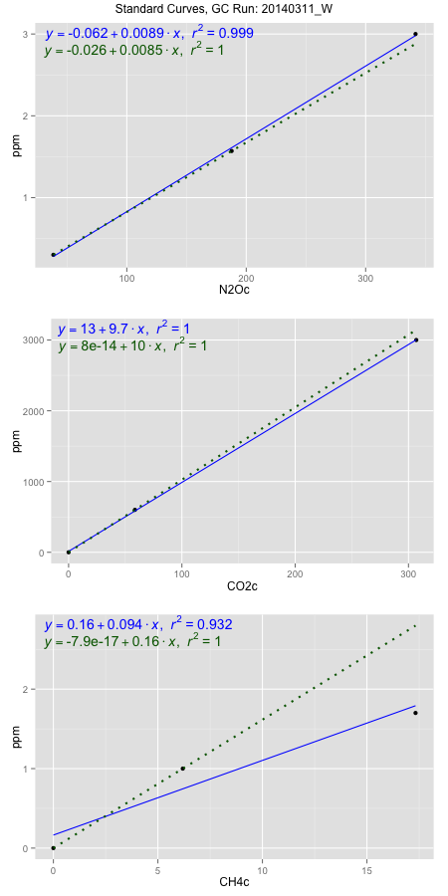
NoPressureCount
NoPressureCount
0

ambinfoDF
Labels | ambNinfo | ambCinfo | ambCHinfo | GCrun
Amb1 | 37.0188 | 70.976 | 9.643 | 20140311_W
Amb2 | 37.1864 | 84.7524 | 10.1294 | 20140311_W
Amb3 | 37.7224 | 58.504 | 9.4252 | 20140311_W
Amb4 | 37.065 | 54.6696 | 9.5736 | 20140311_W
Mean | 37.24815 | 67.2255 | 9.6928 | 20140311_W
Std | 0.32397091948 | 13.601147757 | 0.30491419558 | 20140311_W
Count | 4 | 4 | 4 | 20140311_W
CV | 0.0086976378552 | 0.20232125841 | 0.031457803275 | 20140311_W

timezeroDF
timezeroLabs | timezeroNinfo | timezeroCinfo | timezeroCHinfo | GCrun
F2-A-12-T0 | 0.2722230595 | 473.48178164 | 1.0924981899 | 20140311_W
F2-D-12-T0 | 0.26483245568 | 436.23130682 | 1.1701430191 | 20140311_W
S3-D-06-T0 | 0.26963753828 | 377.70201823 | 1.2310557491 | 20140311_W
S3-E-06-T0 | 0.27113113051 | 382.03380236 | 1.1080140068 | 20140311_W
S3-A-06-T0 | 0.25265164567 | 374.89066164 | 1.0940103246 | 20140311_W
S3-B-06-T0 | 0.27680797113 | 371.86773612 | 1.1642917153 | 20140311_W
S3-C-06-T0 | 0.26996184416 | 434.51723992 | 1.1826345665 | 20140311_W
M2-D-06-T0 | 0.27321977942 | 487.34492523 | 1.1649491651 | 20140311_W
M2-E-06-T0 | 0.27715012872 | 524.87510133 | 1.1500250532 | 20140311_W
M2-A-06-T0 | 0.22682023568 | 597.1097533 | 1.2711601909 | 20140311_W
M2-B-06-T0 | 0.25505567461 | 448.44492997 | 1.3128753849 | 20140311_W
M2-C-06-T0 | 0.27576959725 | 935.76755632 | 1.2496615803 | 20140311_W
F1-D-06-T0 | 0.25546031314 | 594.87931478 | 1.180202002 | 20140311_W
F1-E-06-T0 | 0.25955430302 | 778.78626961 | 1.219583249 | 20140311_W
F1-A-06-T0 | 0.26506452778 | 890.15384274 | 1.2062370167 | 20140311_W
F1-B-06-T0 | 0.27140783186 | 678.51180431 | 1.2724093457 | 20140311_W
F1-C-06-T0 | 0.28296978294 | 688.67054031 | 1.2755322325 | 20140311_W
F2-D-05-T0 | 0.26189585102 | 489.03389073 | 1.1610702109 | 20140311_W
F2-E-05-T0 | 0.25663555006 | 430.52253171 | 1.1890775752 | 20140311_W
F2-A-05-T0 | 0.281279822 | 499.19278514 | 1.3898627642 | 20140311_W
F2-B-05-T0 | 0.27353813474 | 523.62720326 | 1.2081436213 | 20140311_W
F2-C-05-T0 | 0.27080682463 | 503.77558326 | 1.1316164569 | 20140311_W
time zero mean | 0.26653972735 | 541.88275358 | 1.2011387918 | 20140311_W
time zero sd | 0.012342956667 | 161.25948225 | 0.073303269762 | 20140311_W
time zero CV | 0.046308131211 | 0.29759109546 | 0.061028142843 | 20140311_W
time zero sd allow | 2 | 2 | 2 | 20140311_W
time zero upper limit | 0.29122564069 | 864.40171808 | 1.3477453314 | 20140311_W
time zero lower limit | 0.24185381402 | 219.36378908 | 1.0545322523 | 20140311_W

standardvialsN2O
N2Oc | ppm
38.4875875 | 0.301
187.7674875 | 1.57
341.7867375 | 3

standardvialsCO2
CO2c | ppm
58.562475 | 600
0 | 0
306.875575 | 3000

standardvialsCH4
CH4c | ppm
0 | 0
6.1914 | 1
17.3263 | 1.7

StandardCurveInfo_lmN2Ohigh
lmN2Ohigh_intercept | lmN2Ohigh_slope | lmN2Ohigh_cor | lmN2Ohigh_pearsonsR2
-0.061684135008 | 0.0089008454902 | 0.99967731274 | 0.99935472961

StandardCurveInfo_lmN2Olow
lmN2Olow_intercept | lmN2Olow_slope | lmN2Olow_cor | lmN2Olow_pearsonsR2
-0.026175651494 | 0.0085008095531 | 1 | 1

StandardCurveInfo_lmCO2high
lmCO2high_intercept | lmCO2high_slope | lmCO2high_cor | lmCO2high_pearsonsR2
13.156004755 | 9.7431889912 | 0.99995564844 | 0.99991129885

StandardCurveInfo_lmCO2low
lmCO2low_intercept | lmCO2low_slope | lmCO2low_cor | lmCO2low_pearsonsR2
8.0388733885E-14 | 10.245468621 | 1 | 1

StandardCurveInfo_lmCH4high
lmCH4high_intercept | lmCH4high_slope | lmCH4high_cor | lmCH4high_pearsonsR2
0.16372815691 | 0.093921409375 | 0.96514563938 | 0.93150610521

StandardCurveInfo_lmCH4low
lmCH4low_intercept | lmCH4low_slope | lmCH4low_cor | lmCH4low_pearsonsR2
-7.8504622934E-17 | 0.16151435863 | 1 | 1

