GCRunSummaryInfo
GCRun
GCRun
20140312_Y

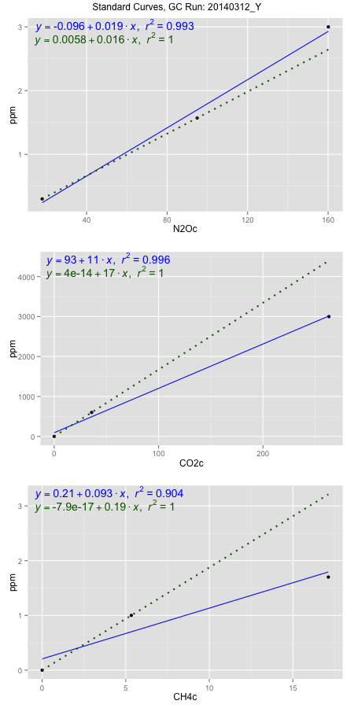
NoPressureCount
NoPressureCount
0

ambinfoDF
Labels | ambNinfo | ambCinfo | ambCHinfo | GCrun
Amb1 | 19.6036 | 86.5286 | 11.7484 | 20140312_Y
Amb2 | 19.7012 | 78.4528 | 11.7092 | 20140312_Y
Amb3 | 19.5268 | 126.3428 | 12.4296 | 20140312_Y
Amb4 | 19.012 | 55.8322 | 11.6664 | 20140312_Y
Mean | 19.4609 | 86.7891 | 11.8884 | 20140312_Y
Std | 0.307658577 | 29.396068894 | 0.36235069569 | 20140312_Y
Count | 4 | 4 | 4 | 20140312_Y
CV | 0.015809062119 | 0.33870692165 | 0.030479349256 | 20140312_Y

timezeroDF
timezeroLabs | timezeroNinfo | timezeroCinfo | timezeroCHinfo | GCrun
F2-C-12-T0 | 0.33109317482 | 542.61545996 | 1.3008963295 | 20140312_Y
F2-E-12-T0 | 0.32464546124 | 583.23992222 | 1.2682893779 | 20140312_Y
F2-B-12-T0 | 0.31870526 | 1163.8340655 | 1.3977438427 | 20140312_Y
SM-D-12-T0 | 0.32746561503 | 501.80681722 | 1.2986576433 | 20140312_Y
SM-E-12-T0 | 0.32563741717 | 378.52587168 | 1.2641364527 | 20140312_Y
SM-A-12-T0 | 0.32658900281 | 405.46839895 | 1.2759138889 | 20140312_Y
SM-B-12-T0 | 0.31405114117 | 940.4417252 | 1.3103053007 | 20140312_Y
SM-C-12-T0 | 0.32123128732 | 726.7918205 | 1.3517696631 | 20140312_Y
F1-D-11-T0 | 0.304541052 | 700.57503492 | 1.2872695438 | 20140312_Y
F1-E-11-T0 | 0.31418955362 | 520.29599885 | 1.2850633022 | 20140312_Y
F1-A-11-T0 | 0.29458688954 | 575.39826572 | 1.2624168821 | 20140312_Y
F1-B-11-T0 | 0.31954726911 | 563.05053354 | 1.3116030898 | 20140312_Y
F1-C-11-T0 | 0.30944315982 | 540.83060531 | 1.2467460784 | 20140312_Y
M3-D-11-T0 | 0.32153118098 | 302.88314636 | 1.2908709086 | 20140312_Y
M3-E-11-T0 | 0.31467399722 | 481.91869785 | 1.2725396372 | 20140312_Y
M3-A-11-T0 | 0.31195765277 | 478.79373921 | 1.2487252068 | 20140312_Y
M3-B-11-T0 | 0.3260699561 | 588.02684388 | 1.2944073839 | 20140312_Y
M3-C-11-T0 | 0.30709591525 | 410.2553206 | 1.2333464058 | 20140312_Y
M1-D-11-T0 | 0.31394156464 | 398.44016801 | 1.201939909 | 20140312_Y
M1-E-11-T0 | 0.30195158564 | 354.06458499 | 1.2513532298 | 20140312_Y
M1-A-11-T0 | 0.31086188749 | 451.83950799 | 1.2437936082 | 20140312_Y
M1-B-11-T0 | 0.30544073296 | 550.26985302 | 1.2776010148 | 20140312_Y
M1-C-11-T0 | 0.31624843891 | 573.19792032 | 1.2522941269 | 20140312_Y
time zero mean | 0.31571735633 | 553.58975225 | 1.2794644707 | 20140312_Y
time zero sd | 0.009276747476 | 190.89584074 | 0.04053234222 | 20140312_Y
time zero CV | 0.029383077268 | 0.34483268514 | 0.031679146352 | 20140312_Y
time zero sd allow | 2 | 2 | 2 | 20140312_Y
time zero upper limit | 0.33427085128 | 935.38143373 | 1.3605291551 | 20140312_Y
time zero lower limit | 0.29716386138 | 171.79807078 | 1.1983997863 | 20140312_Y

standardvialsN2O
N2Oc | ppm
17.914425 | 0.301
94.927725 | 1.57
160.126425 | 3

standardvialsCO2
CO2c | ppm
35.885275 | 600
0 | 0
263.208875 | 3000

standardvialsCH4
CH4c | ppm
0 | 0
5.3329 | 1
17.1209 | 1.7

StandardCurveInfo_lmN2Ohigh
lmN2Ohigh_intercept | lmN2Ohigh_slope | lmN2Ohigh_cor | lmN2Ohigh_pearsonsR2
-0.09638714938 | 0.018903866308 | 0.99661079707 | 0.99323308084

StandardCurveInfo_lmN2Olow
lmN2Olow_intercept | lmN2Olow_slope | lmN2Olow_cor | lmN2Olow_pearsonsR2
0.0058119568308 | 0.016477673337 | 1 | 1

StandardCurveInfo_lmCO2high
lmCO2high_intercept | lmCO2high_slope | lmCO2high_cor | lmCO2high_pearsonsR2
93.48161657 | 11.098696348 | 0.99794708137 | 0.99589837721

StandardCurveInfo_lmCO2low
lmCO2low_intercept | lmCO2low_slope | lmCO2low_cor | lmCO2low_pearsonsR2
4.0194366942E-14 | 16.719949896 | 1 | 1

StandardCurveInfo_lmCH4high
lmCH4high_intercept | lmCH4high_slope | lmCH4high_cor | lmCH4high_pearsonsR2
0.20618339584 | 0.092699222959 | 0.95052648342 | 0.90350059568

StandardCurveInfo_lmCH4low
lmCH4low_intercept | lmCH4low_slope | lmCH4low_cor | lmCH4low_pearsonsR2
-7.8504622934E-17 | 0.18751523561 | 1 | 1

