GCRunSummaryInfo
GCRun
GCRun
20140313_Z

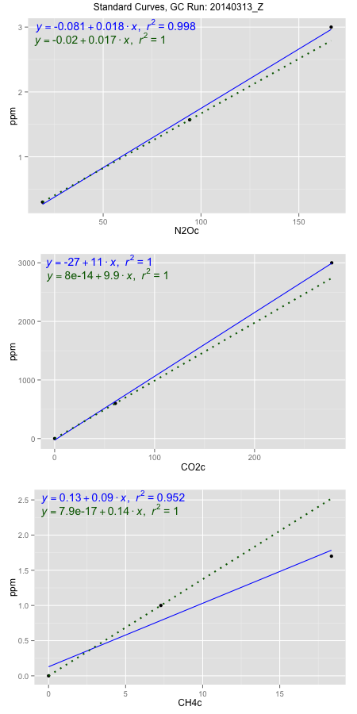
NoPressureCount
NoPressureCount
0

ambinfoDF
Labels | ambNinfo | ambCinfo | ambCHinfo | GCrun
Amb1 | 19.7718 | 73.0468 | 11.0752 | 20140313_Z
Amb2 | 19.5838 | 61.0656 | 11.1008 | 20140313_Z
Amb3 | 19.6356 | 60.442 | 10.8682 | 20140313_Z
Amb4 | 19.4592 | 52.1436 | 11.0736 | 20140313_Z
Mean | 19.6126 | 61.6745 | 11.02945 | 20140313_Z
Std | 0.12940200926 | 8.6034310512 | 0.10821994579 | 20140313_Z
Count | 4 | 4 | 4 | 20140313_Z
CV | 0.0065979018212 | 0.13949737819 | 0.009811907737 | 20140313_Z

timezeroDF
timezeroLabs | timezeroNinfo | timezeroCinfo | timezeroCHinfo | GCrun
SM-D-20-T0 | 0.3004448173 | 469.4629343 | 1.1842609057 | 20140313_Z
SM-E-20-T0 | 0.32331361963 | 698.20624863 | 1.1567919801 | 20140313_Z
S1-D-30-T0 | 0.2549198358 | 491.42431537 | 1.2508177965 | 20140313_Z
S1-E-30-T0 | 0.26680310808 | 532.55262147 | 1.2955258409 | 20140313_Z
S1-A-30-T0 | 0.2903334047 | 432.29805226 | 1.2887059697 | 20140313_Z
S1-B-30-T0 | 0.28484063968 | 496.9371408 | 1.3348663941 | 20140313_Z
S1-C-30-T0 | 0.24027246241 | 413.8643261 | 1.221896491 | 20140313_Z
M3-D-30-T0 | 0.27162847263 | 409.43746503 | 1.2718773061 | 20140313_Z
M3-E-30-T0 | 0.2723549351 | 387.77351369 | 1.3019036834 | 20140313_Z
M3-A-30-T0 | 0.24571797784 | 381.33381423 | 1.1567288331 | 20140313_Z
M3-B-30-T0 | 0.25895967588 | 700.30293489 | 1.2658783454 | 20140313_Z
M3-C-30-T0 | 0.26604711462 | 421.72200449 | 1.2630998794 | 20140313_Z
F3-D-29-T0 | 0.25481352422 | 538.68797423 | 1.2136873868 | 20140313_Z
F3-E-29-T0 | 0.28006252473 | 326.60674429 | 1.2920843318 | 20140313_Z
F3-A-29-T0 | 0.29445593156 | 697.70685608 | 1.263541908 | 20140313_Z
F3-B-29-T0 | 0.26315307713 | 393.86736462 | 1.3036086512 | 20140313_Z
F3-C-29-T0 | 0.28761655318 | 467.78902746 | 1.2763923134 | 20140313_Z
M1-D-29-T0 | 0.27542025235 | 598.31917619 | 1.2460817749 | 20140313_Z
M1-E-29-T0 | 0.25565220447 | 576.07765782 | 1.234589029 | 20140313_Z
M1-A-29-T0 | 0.26518480957 | 500.630803 | 1.1997950567 | 20140313_Z
M1-B-29-T0 | 0.28156860546 | 583.23326371 | 1.3262784081 | 20140313_Z
M1-C-29-T0 | 0.28102523515 | 514.15348016 | 1.2703933527 | 20140313_Z
time zero mean | 0.27339039916 | 501.47216904 | 1.2554002563 | 20140313_Z
time zero sd | 0.019282034081 | 106.89946652 | 0.049798813774 | 20140313_Z
time zero CV | 0.070529302201 | 0.21317128471 | 0.039667678515 | 20140313_Z
time zero sd allow | 2 | 2 | 2 | 20140313_Z
time zero upper limit | 0.31195446732 | 715.27110207 | 1.3549978838 | 20140313_Z
time zero lower limit | 0.234826331 | 287.673236 | 1.1558026287 | 20140313_Z

standardvialsN2O
N2Oc | ppm
18.99975 | 0.301
94.2004 | 1.57
166.52195 | 3

standardvialsCO2
CO2c | ppm
60.720225 | 600
0 | 0
277.212025 | 3000

standardvialsCH4
CH4c | ppm
0 | 0
7.2868125 | 1
18.3566125 | 1.7

StandardCurveInfo_lmN2Ohigh
lmN2Ohigh_intercept | lmN2Ohigh_slope | lmN2Ohigh_cor | lmN2Ohigh_pearsonsR2
-0.081344892731 | 0.018286129978 | 0.99895622705 | 0.99791354357

StandardCurveInfo_lmN2Olow
lmN2Olow_intercept | lmN2Olow_slope | lmN2Olow_cor | lmN2Olow_pearsonsR2
-0.019618009951 | 0.01687485414 | 1 | 1

StandardCurveInfo_lmCO2high
lmCO2high_intercept | lmCO2high_slope | lmCO2high_cor | lmCO2high_pearsonsR2
-26.905465896 | 10.891876693 | 0.99980476541 | 0.99960956894

StandardCurveInfo_lmCO2low
lmCO2low_intercept | lmCO2low_slope | lmCO2low_cor | lmCO2low_pearsonsR2
8.0388733885E-14 | 9.8813863091 | 1 | 1

StandardCurveInfo_lmCH4high
lmCH4high_intercept | lmCH4high_slope | lmCH4high_cor | lmCH4high_pearsonsR2
0.12890275608 | 0.090209936144 | 0.97590609888 | 0.95239271383

StandardCurveInfo_lmCH4low
lmCH4low_intercept | lmCH4low_slope | lmCH4low_cor | lmCH4low_pearsonsR2
7.8504622934E-17 | 0.13723421592 | 1 | 1

