GCRunSummaryInfo
GCRun
GCRun
20140416_J

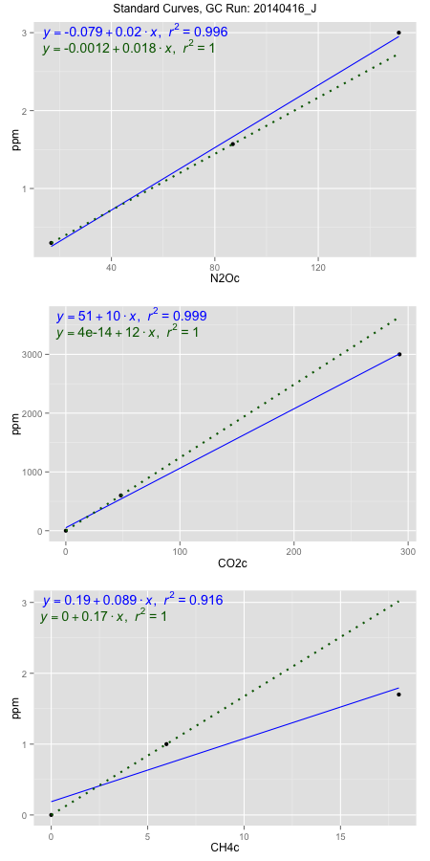
NoPressureCount
NoPressureCount
0

ambinfoDF
Labels | ambNinfo | ambCinfo | ambCHinfo | GCrun
Amb1 | 18.5364 | 55.9144 | 11.828 | 20140416_J
Amb2 | 18.2968 | 71.6216 | 11.5364 | 20140416_J
Amb3 | 17.8404 | 78.8108 | 11.652 | 20140416_J
Amb4 | 18.2598 | 70.7536 | 11.8708 | 20140416_J
Mean | 18.23335 | 69.2751 | 11.7218 | 20140416_J
Std | 0.28923722098 | 9.6112764237 | 0.15569697064 | 20140416_J
Count | 4 | 4 | 4 | 20140416_J
CV | 0.015863087199 | 0.13874070804 | 0.013282684455 | 20140416_J

timezeroDF
timezeroLabs | timezeroNinfo | timezeroCinfo | timezeroCHinfo | GCrun
M2-A-13-T0 | 0.34727445138 | 493.67479726 | 1.3801268231 | 20140416_J
M2-B-13-T0 | 0.30633692771 | 486.93808255 | 1.233638018 | 20140416_J
M2-C-13-T0 | 0.31532244225 | 482.908239 | 1.2881621551 | 20140416_J
M2-D-13-T0 | 0.30400992605 | 551.91870728 | 1.1972885933 | 20140416_J
M2-E-13-T0 | 0.31795928923 | 567.0051172 | 1.3134446452 | 20140416_J
F2-A-11-T0 | 0.32506676168 | 611.09568143 | 1.3507604783 | 20140416_J
F2-B-11-T0 | 0.3232076897 | 610.13950051 | 1.3332404297 | 20140416_J
F2-C-11-T0 | 0.30737396105 | 888.21815785 | 1.2625367459 | 20140416_J
F2-D-11-T0 | 0.29991237966 | 755.81189158 | 1.3010683831 | 20140416_J
F2-E-11-T0 | 0.34217781188 | 586.11102837 | 1.2890662145 | 20140416_J
M2-A-10-T0 | 0.3019990931 | 512.81437821 | 1.3731437433 | 20140416_J
M2-B-10-T0 | 0.30734866756 | 511.2651079 | 1.3231710779 | 20140416_J
M2-C-10-T0 | 0.30400360268 | 578.22430656 | 1.3166244405 | 20140416_J
M2-D-10-T0 | 0.30447785573 | 606.96639645 | 1.2948958392 | 20140416_J
M2-E-10-T0 | 0.33513357318 | 611.23379645 | 1.2950205371 | 20140416_J
SM-A-10-T0 | 0.3136024845 | 359.93273232 | 1.1827301187 | 20140416_J
SM-B-10-T0 | 0.32898725359 | 527.37577835 | 1.2951140605 | 20140416_J
SM-C-10-T0 | 0.31735224532 | 331.57151154 | 1.2033987882 | 20140416_J
SM-D-10-T0 | 0.31563861095 | 346.80745353 | 1.2242233299 | 20140416_J
SM-E-10-T0 | 0.3585806442 | 591.22836694 | 1.298512077 | 20140416_J
M1-D-10-T0 | 0.3417604692 | 586.97481451 | 1.31229119 | 20140416_J
M1-E-10-T0 | 0.3282790357 | 426.6993196 | 1.3485470914 | 20140416_J
time zero mean | 0.32026387165 | 546.58705297 | 1.2916820354 | 20140416_J
time zero sd | 0.016460210854 | 125.673589 | 0.054751631362 | 20140416_J
time zero CV | 0.051395778015 | 0.22992419656 | 0.042387855416 | 20140416_J
time zero sd allow | 2 | 2 | 2 | 20140416_J
time zero upper limit | 0.35318429336 | 797.93423098 | 1.4011852982 | 20140416_J
time zero lower limit | 0.28734344994 | 295.23987496 | 1.1821787727 | 20140416_J

standardvialsN2O
N2Oc | ppm
16.7245875 | 0.301
86.9639875 | 1.57
151.1686875 | 3

standardvialsCO2
CO2c | ppm
48.254975 | 600
0 | 0
292.459775 | 3000

standardvialsCH4
CH4c | ppm
0 | 0
5.97445 | 1
18.02495 | 1.7

StandardCurveInfo_lmN2Ohigh
lmN2Ohigh_intercept | lmN2Ohigh_slope | lmN2Ohigh_cor | lmN2Ohigh_pearsonsR2
-0.079109396452 | 0.020043879226 | 0.99818035634 | 0.99636402379

StandardCurveInfo_lmN2Olow
lmN2Olow_intercept | lmN2Olow_slope | lmN2Olow_cor | lmN2Olow_pearsonsR2
-0.0011594936389 | 0.018066783031 | 1 | 1

StandardCurveInfo_lmCO2high
lmCO2high_intercept | lmCO2high_slope | lmCO2high_cor | lmCO2high_pearsonsR2
50.846772504 | 10.118316517 | 0.99936542992 | 0.99873126252

StandardCurveInfo_lmCO2low
lmCO2low_intercept | lmCO2low_slope | lmCO2low_cor | lmCO2low_pearsonsR2
4.0194366942E-14 | 12.433951111 | 1 | 1

StandardCurveInfo_lmCH4high
lmCH4high_intercept | lmCH4high_slope | lmCH4high_cor | lmCH4high_pearsonsR2
0.18745864266 | 0.089069896415 | 0.95716430067 | 0.91616349847

StandardCurveInfo_lmCH4low
lmCH4low_intercept | lmCH4low_slope | lmCH4low_cor | lmCH4low_pearsonsR2
0 | 0.16737942405 | 1 | 1

