GCRunSummaryInfo
GCRun
GCRun
20140417_N

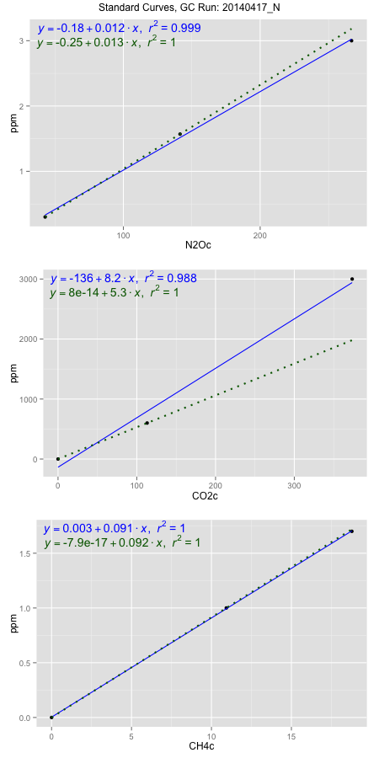
NoPressureCount
NoPressureCount
0

ambinfoDF
Labels | ambNinfo | ambCinfo | ambCHinfo | GCrun
Amb1 | 23.66 | 80.9084 | 11.2672 | 20140417_N
Amb2 | 24.1976 | 69.9236 | 11.2464 | 20140417_N
Amb3 | 25.0636 | 67.196 | 10.9628 | 20140417_N
Amb4 | 24.2804 | 68.1576 | 11.2454 | 20140417_N
Mean | 24.3004 | 71.5464 | 11.18045 | 20140417_N
Std | 0.57837537984 | 6.342724689 | 0.1454475736 | 20140417_N
Count | 4 | 4 | 4 | 20140417_N
CV | 0.023801064173 | 0.088651905462 | 0.013009098346 | 20140417_N

timezeroDF
timezeroLabs | timezeroNinfo | timezeroCinfo | timezeroCHinfo | GCrun
M2-A-07-T0 | 0.063921398867 | 293.23953785 | 1.103266953 | 20140417_N
M2-B-07-T0 | 0.073629320011 | 382.15846597 | 1.1219716325 | 20140417_N
M2-C-07-T0 | 0.053538065771 | 289.45211953 | 1.0935024762 | 20140417_N
M2-D-07-T0 | 0.10985841719 | 406.98833495 | 1.0849427076 | 20140417_N
M2-E-07-T0 | 0.10621119264 | 329.47621967 | 1.2430765068 | 20140417_N
SM-A-07-T0 | 0.069910051521 | 262.46676395 | 1.0570442026 | 20140417_N
SM-B-07-T0 | 0.082400669912 | 291.17316697 | 0.9860932317 | 20140417_N
SM-C-07-T0 | 0.082490724839 | 347.94545375 | 1.1568764667 | 20140417_N
SM-D-07-T0 | 0.10206866599 | 277.454915 | 1.1085930312 | 20140417_N
SM-E-07-T0 | 0.086471152618 | 359.04036156 | 1.1392179811 | 20140417_N
M1-A-20-T0 | 0.14662784393 | 479.37258286 | 1.0728956259 | 20140417_N
M1-B-20-T0 | 0.12543791958 | 354.92247241 | 1.0999064513 | 20140417_N
M1-C-20-T0 | 0.13719008757 | 458.7460056 | 1.1236835863 | 20140417_N
M1-D-20-T0 | 0.12634747435 | 310.71364633 | 1.2098202207 | 20140417_N
M1-E-20-T0 | 0.14189996026 | 410.38215882 | 1.1610929453 | 20140417_N
F2-A-20-T0 | 0.11522569085 | 359.07377995 | 1.0997796399 | 20140417_N
F2-B-20-T0 | 0.1681689825 | 468.90519828 | 1.1194671077 | 20140417_N
F2-C-20-T0 | 0.12297041458 | 313.88839405 | 0.97892838835 | 20140417_N
F2-D-20-T0 | 0.12716697418 | 315.84151369 | 1.0765731561 | 20140417_N
F2-E-20-T0 | 0.1306070724 | 350.67090968 | 1.0615460068 | 20140417_N
M1-D-27-T0 | 0.13541150276 | 356.99998276 | 1.0134844912 | 20140417_N
M1-E-27-T0 | 0.099159891849 | 3246.5534847 | 1.1687650342 | 20140417_N
time zero mean | 0.10939606701 | 484.79388493 | 1.1036603565 | 20140417_N
time zero sd | 0.030117563425 | 619.86463315 | 0.064354711043 | 20140417_N
time zero CV | 0.27530755217 | 1.2786147937 | 0.058310249764 | 20140417_N
time zero sd allow | 2 | 2 | 2 | 20140417_N
time zero upper limit | 0.16963119386 | 1724.5231512 | 1.2323697786 | 20140417_N
time zero lower limit | 0.049160940158 | -754.93538137 | 0.97495093442 | 20140417_N

standardvialsN2O
N2Oc | ppm
42.807 | 0.301
141.4468 | 1.57
266.80945 | 3

standardvialsCO2
CO2c | ppm
113.11135 | 600
0 | 0
373.4501 | 3000

standardvialsCH4
CH4c | ppm
0 | 0
10.9280125 | 1
18.7809625 | 1.7

StandardCurveInfo_lmN2Ohigh
lmN2Ohigh_intercept | lmN2Ohigh_slope | lmN2Ohigh_cor | lmN2Ohigh_pearsonsR2
-0.18367341371 | 0.012020532023 | 0.9994103957 | 0.99882113903

StandardCurveInfo_lmN2Olow
lmN2Olow_intercept | lmN2Olow_slope | lmN2Olow_cor | lmN2Olow_pearsonsR2
-0.24971160931 | 0.012864989588 | 1 | 1

StandardCurveInfo_lmCO2high
lmCO2high_intercept | lmCO2high_slope | lmCO2high_cor | lmCO2high_pearsonsR2
-136.37660315 | 8.2397193807 | 0.99399184971 | 0.9880197973

StandardCurveInfo_lmCO2low
lmCO2low_intercept | lmCO2low_slope | lmCO2low_cor | lmCO2low_pearsonsR2
8.0388733885E-14 | 5.304507461 | 1 | 1

StandardCurveInfo_lmCH4high
lmCH4high_intercept | lmCH4high_slope | lmCH4high_cor | lmCH4high_pearsonsR2
0.0029913531238 | 0.090579561921 | 0.9999734733 | 0.9999469473

StandardCurveInfo_lmCH4low
lmCH4low_intercept | lmCH4low_slope | lmCH4low_cor | lmCH4low_pearsonsR2
-7.8504622934E-17 | 0.091507948037 | 1 | 1

