GCRunSummaryInfo
GCRun
GCRun
20140605_Trav

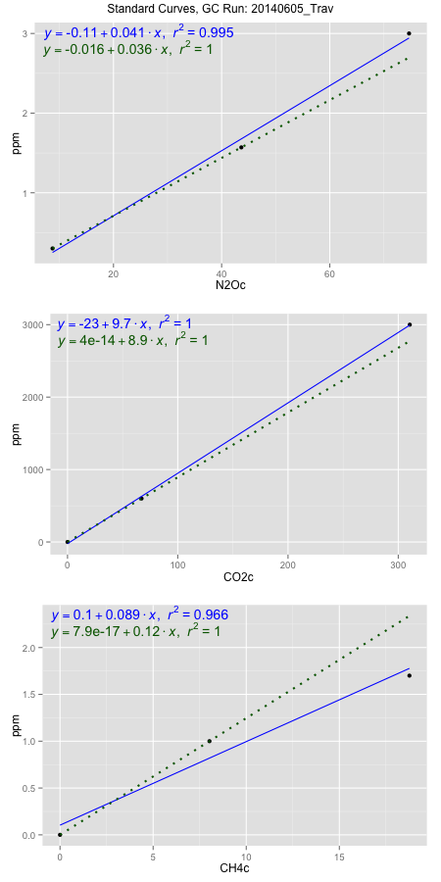
NoPressureCount
NoPressureCount
2

ambinfoDF
Labels | ambNinfo | ambCinfo | ambCHinfo | GCrun
Amb1 | 10.3176 | 46.5748 | 11.8768 | 20140605_Trav
Amb2 | 9.036 | 47.624 | 11.3536 | 20140605_Trav
Amb3 | 9.5964 | 47.1424 | 10.832 | 20140605_Trav
Amb4 | 9.0236 | 45.8152 | 11.9036 | 20140605_Trav
Mean | 9.4934 | 46.7891 | 11.4915 | 20140605_Trav
Std | 0.61096684034 | 0.778092668 | 0.50735889993 | 20140605_Trav
Count | 4 | 4 | 4 | 20140605_Trav
CV | 0.06435701017 | 0.016629784886 | 0.04415079841 | 20140605_Trav

timezeroDF
timezeroLabs | timezeroNinfo | timezeroCinfo | timezeroCHinfo | GCrun
time zero mean |  |  |  | 20140605_Trav
time zero sd |  |  |  | 20140605_Trav
time zero CV |  |  |  | 20140605_Trav
time zero sd allow | 2 | 2 | 2 | 20140605_Trav
time zero upper limit |  |  |  | 20140605_Trav
time zero lower limit |  |  |  | 20140605_Trav

standardvialsN2O
N2Oc | ppm
8.72865 | 0.301
43.64325 | 1.57
74.65815 | 3

standardvialsCO2
CO2c | ppm
67.144575 | 600
0 | 0
310.440775 | 3000

standardvialsCH4
CH4c | ppm
0 | 0
8.024575 | 1
18.762575 | 1.7

StandardCurveInfo_lmN2Ohigh
lmN2Ohigh_intercept | lmN2Ohigh_slope | lmN2Ohigh_cor | lmN2Ohigh_pearsonsR2
-0.10571576524 | 0.04084188974 | 0.99765047323 | 0.99530646674

StandardCurveInfo_lmN2Olow
lmN2Olow_intercept | lmN2Olow_slope | lmN2Olow_cor | lmN2Olow_pearsonsR2
-0.01625 | 0.036345826674 | 1 | 1

StandardCurveInfo_lmCO2high
lmCO2high_intercept | lmCO2high_slope | lmCO2high_cor | lmCO2high_pearsonsR2
-23.055601421 | 9.7174501189 | 0.99985738147 | 0.99971478328

StandardCurveInfo_lmCO2low
lmCO2low_intercept | lmCO2low_slope | lmCO2low_cor | lmCO2low_pearsonsR2
4.0194366942E-14 | 8.9359415857 | 1 | 1

StandardCurveInfo_lmCH4high
lmCH4high_intercept | lmCH4high_slope | lmCH4high_cor | lmCH4high_pearsonsR2
0.10341121922 | 0.089213161622 | 0.98296611495 | 0.96622238313

StandardCurveInfo_lmCH4low
lmCH4low_intercept | lmCH4low_slope | lmCH4low_cor | lmCH4low_pearsonsR2
7.8504622934E-17 | 0.12461719156 | 1 | 1

