GCRunSummaryInfo
GCRun
GCRun
20140613_Leak1

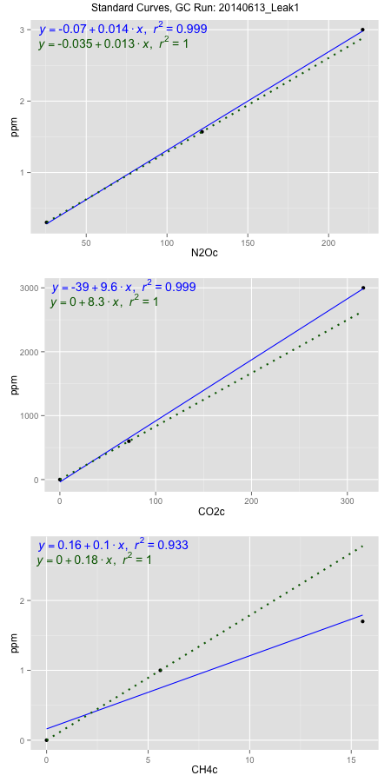
NoPressureCount
NoPressureCount
0

ambinfoDF
Labels | ambNinfo | ambCinfo | ambCHinfo | GCrun
Amb1 | 25.6748 | 53.3244 | 10.0364 | 20140613_Leak1
Amb2 | 26.0558 | 52.1008 | 9.8272 | 20140613_Leak1
Amb3 | 26.0432 | 52.2552 | 9.7912 | 20140613_Leak1
Amb4 | 26.642 | 52.535 | 9.7308 | 20140613_Leak1
Mean | 26.10395 | 52.55385 | 9.8464 | 20140613_Leak1
Std | 0.39986518978 | 0.54422689815 | 0.13276425222 | 20140613_Leak1
Count | 4 | 4 | 4 | 20140613_Leak1
CV | 0.015318187086 | 0.01035560474 | 0.013483532277 | 20140613_Leak1

timezeroDF
timezeroLabs | timezeroNinfo | timezeroCinfo | timezeroCHinfo | GCrun
time zero mean |  |  |  | 20140613_Leak1
time zero sd |  |  |  | 20140613_Leak1
time zero CV |  |  |  | 20140613_Leak1
time zero sd allow | 2 | 2 | 2 | 20140613_Leak1
time zero upper limit |  |  |  | 20140613_Leak1
time zero lower limit |  |  |  | 20140613_Leak1

standardvialsN2O
N2Oc | ppm
25.4551375 | 0.301
121.6638375 | 1.57
221.0722375 | 3

standardvialsCO2
CO2c | ppm
72.0197125 | 600
0 | 0
316.6543125 | 3000

standardvialsCH4
CH4c | ppm
0 | 0
5.5995 | 1
15.5619 | 1.7

StandardCurveInfo_lmN2Ohigh
lmN2Ohigh_intercept | lmN2Ohigh_slope | lmN2Ohigh_cor | lmN2Ohigh_pearsonsR2
-0.070088876965 | 0.013800618968 | 0.99968794308 | 0.99937598355

StandardCurveInfo_lmN2Olow
lmN2Olow_intercept | lmN2Olow_slope | lmN2Olow_cor | lmN2Olow_pearsonsR2
-0.034755181054 | 0.013190075326 | 1 | 1

StandardCurveInfo_lmCO2high
lmCO2high_intercept | lmCO2high_slope | lmCO2high_cor | lmCO2high_pearsonsR2
-38.576339551 | 9.5600137381 | 0.9995921366 | 0.99918443956

StandardCurveInfo_lmCO2low
lmCO2low_intercept | lmCO2low_slope | lmCO2low_cor | lmCO2low_pearsonsR2
0 | 8.3310524185 | 1 | 1

StandardCurveInfo_lmCH4high
lmCH4high_intercept | lmCH4high_slope | lmCH4high_cor | lmCH4high_pearsonsR2
0.16149163167 | 0.10469652788 | 0.96587186057 | 0.93290845103

StandardCurveInfo_lmCH4low
lmCH4low_intercept | lmCH4low_slope | lmCH4low_cor | lmCH4low_pearsonsR2
0 | 0.17858737387 | 1 | 1

