GCRunSummaryInfo
GCRun
GCRun
20141201_JankowskiA

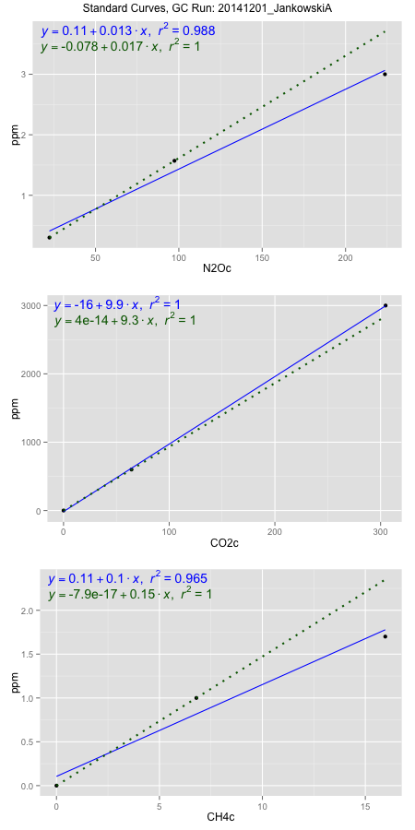
NoPressureCount
NoPressureCount
2

ambinfoDF
Labels | ambNinfo | ambCinfo | ambCHinfo | GCrun
Amb1 | 24.4106 | 58.9332 | 9.7428 | 20141201_Jankowski
Amb2 | 24.4372 | 58.1544 | 10.1548 | 20141201_Jankowski
Amb3 | 25.434 | 57.3516 | 10.356 | 20141201_Jankowski
Amb4 | 25.3984 | 58.6252 | 9.9764 | 20141201_Jankowski
Mean | 24.92005 | 58.2661 | 10.0575 | 20141201_Jankowski
Std | 0.57319186724 | 0.68866110679 | 0.26088492993 | 20141201_Jankowski
Count | 4 | 4 | 4 | 20141201_Jankowski
CV | 0.023001232631 | 0.011819241494 | 0.025939341778 | 20141201_Jankowski

timezeroDF
timezeroLabs | timezeroNinfo | timezeroCinfo | timezeroCHinfo | GCrun
F1-A-10-T0 | 0.35908967568 | 646.40334644 | 1.1603048253 | 20141201_Jankowski
F1-B-10-T0 | 0.38501918221 | 519.59856245 | 1.2075625076 | 20141201_Jankowski
F1-C-10-T0 | 0.3846401305 | 532.55979773 | 1.2326395089 | 20141201_Jankowski
F1-D-10-T0 | 0.33378797355 | 1566.6110393 | 0.94484059037 | 20141201_Jankowski
F1-E-10-T0 | 0.43514877183 | 2470.0663041 | 1.1212961566 | 20141201_Jankowski
SD-A-10-T0 | 0.31930701341 | 426.13144251 | 1.1967837965 | 20141201_Jankowski
SD-B-10-T0 | 0.3708106655 | 436.2889253 | 1.2013665818 | 20141201_Jankowski
SD-C-10-T0 | 0.38522055344 | 451.54473333 | 1.1900745988 | 20141201_Jankowski
SD-D-10-T0 | 0.36318817237 | 425.61573483 | 1.1420836708 | 20141201_Jankowski
SD-E-10-T0 | 0.35007535202 | 394.22284618 | 1.1360343942 | 20141201_Jankowski
M1-A-12-T0 | 0.40540505738 | 518.57367505 | 1.1769495016 | 20141201_Jankowski
M1-B-12-T0 | 0.38814635888 | 410.77118736 | 1.2603195323 | 20141201_Jankowski
M1-C-12-T0 | 0.41503534008 | 481.39049896 | 1.3208856231 | 20141201_Jankowski
M1-D-12-T0 | 0.38414262512 | 506.65038307 | 1.2565799794 | 20141201_Jankowski
M1-E-12-T0 | 0.37991382939 | 476.34439729 | 1.276377612 | 20141201_Jankowski
F2-A-12-T0 | 0.35377110627 | 707.31938034 | 1.2075991699 | 20141201_Jankowski
F2-B-12-T0 | 0.36058219181 | 536.1273198 | 1.1924943094 | 20141201_Jankowski
F2-C-12-T0 | 0.3978358684 | 553.15872893 | 1.3267515884 | 20141201_Jankowski
F2-D-12-T0 | 0.3708462016 | 741.43982945 | 1.1765828788 | 20141201_Jankowski
F2-E-12-T0 | 0.3798072211 | 622.88977118 | 1.2118519946 | 20141201_Jankowski
S1-A-13-T0 | 0.34200273498 | 405.44112007 | 1.1237891918 | 20141201_Jankowski
S1-B-13-T0 | 0.35783406686 | 405.11145884 | 1.192310998 | 20141201_Jankowski
time zero mean | 0.37370954965 | 647.01184011 | 1.1934308641 | 20141201_Jankowski
time zero sd | 0.026834878882 | 475.22019496 | 0.079029870352 | 20141201_Jankowski
time zero CV | 0.07180677857 | 0.73448454186 | 0.066220736139 | 20141201_Jankowski
time zero sd allow | 2 | 2 | 2 | 20141201_Jankowski
time zero upper limit | 0.42737930742 | 1597.45223 | 1.3514906048 | 20141201_Jankowski
time zero lower limit | 0.32003979189 | -303.42854982 | 1.0353711234 | 20141201_Jankowski

standardvialsN2O
N2Oc | ppm
22.3817625 | 0.301
97.3731125 | 1.57
223.6303625 | 3

standardvialsCO2
CO2c | ppm
64.338775 | 600
0 | 0
304.777925 | 3000

standardvialsCH4
CH4c | ppm
0 | 0
6.793575 | 1
15.968475 | 1.7

StandardCurveInfo_lmN2Ohigh
lmN2Ohigh_intercept | lmN2Ohigh_slope | lmN2Ohigh_cor | lmN2Ohigh_pearsonsR2
0.11347977597 | 0.013193813179 | 0.99377912348 | 0.98759694627

StandardCurveInfo_lmN2Olow
lmN2Olow_intercept | lmN2Olow_slope | lmN2Olow_cor | lmN2Olow_pearsonsR2
-0.077743103205 | 0.016921951665 | 1 | 1

StandardCurveInfo_lmCO2high
lmCO2high_intercept | lmCO2high_slope | lmCO2high_cor | lmCO2high_pearsonsR2
-15.760483419 | 9.8811065721 | 0.99993399668 | 0.99986799771

StandardCurveInfo_lmCO2low
lmCO2low_intercept | lmCO2low_slope | lmCO2low_cor | lmCO2low_pearsonsR2
4.0194366942E-14 | 9.325636057 | 1 | 1

StandardCurveInfo_lmCH4high
lmCH4high_intercept | lmCH4high_slope | lmCH4high_cor | lmCH4high_pearsonsR2
0.10522980003 | 0.1047493789 | 0.98248794712 | 0.96528256624

StandardCurveInfo_lmCH4low
lmCH4low_intercept | lmCH4low_slope | lmCH4low_cor | lmCH4low_pearsonsR2
-7.8504622934E-17 | 0.1471979039 | 1 | 1

