GCRunSummaryInfo
GCRun
GCRun
20141201_JankowskiB

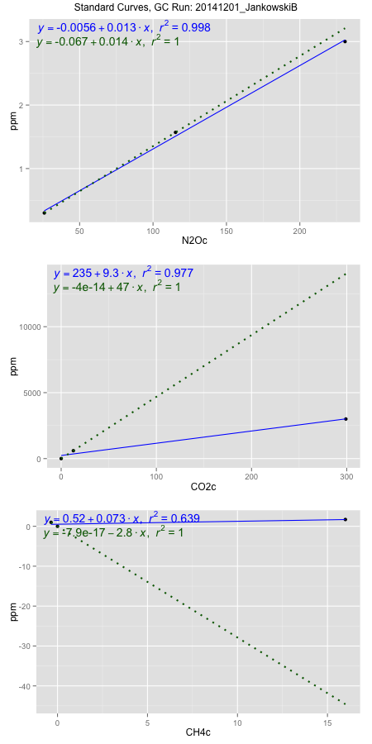
NoPressureCount
NoPressureCount
1

ambinfoDF
Labels | ambNinfo | ambCinfo | ambCHinfo | GCrun
Amb1 | 26.4866 | 57.9376 | 10.9956 | 20141201_Jankowski
Amb2 | 26.4798 | 51.6948 | 10.9172 | 20141201_Jankowski
Amb3 | 26.7676 | 57.398 | 10.7618 | 20141201_Jankowski
Amb4 | 26.3474 | 58.8352 | 10.5384 | 20141201_Jankowski
Mean | 26.52035 | 56.4664 | 10.80325 | 20141201_Jankowski
Std | 0.17684987042 | 3.235824882 | 0.20153308248 | 20141201_Jankowski
Count | 4 | 4 | 4 | 20141201_Jankowski
CV | 0.0066684591424 | 0.057305315762 | 0.01865485687 | 20141201_Jankowski

timezeroDF
timezeroLabs | timezeroNinfo | timezeroCinfo | timezeroCHinfo | GCrun
S1-C-13-T0 | 0.26211102583 | 595.26673627 | 1.2915509901 | 20141201_Jankowski
S1-D-13-T0 | 0.30293798875 | 697.41201707 | 1.3052969028 | 20141201_Jankowski
S1-E-13-T0 | 0.25618773715 | 651.00153529 | 1.3571576463 | 20141201_Jankowski
S3-A-14-T0 | 0.29964837708 | 684.08970803 | 1.2472159418 | 20141201_Jankowski
S3-B-14-T0 | 0.3191922482 | 693.34257455 | 1.3444868328 | 20141201_Jankowski
S3-C-14-T0 | 0.29365551957 | 684.43397052 | 1.2795201167 | 20141201_Jankowski
S3-D-14-T0 | 0.28335933321 | 694.39809635 | 1.3654000744 | 20141201_Jankowski
S3-E-14-T0 | 0.30327589448 | 716.90831673 | 1.2475487107 | 20141201_Jankowski
F3-A-14-T0 | 0.32419623453 | 717.04147487 | 1.296772901 | 20141201_Jankowski
F3-B-14-T0 | 0.32369931434 | 817.36151489 | 1.3487872301 | 20141201_Jankowski
F3-C-14-T0 | 0.30447844134 | 671.65728505 | 1.2910902332 | 20141201_Jankowski
F3-D-14-T0 | 0.29733272899 | 806.39383141 | 1.2422500069 | 20141201_Jankowski
F3-E-14-T0 | 0.35480651831 | 831.29115495 | 1.4079176928 | 20141201_Jankowski
time zero mean | 0.30191395091 | 712.35370892 | 1.3096150215 | 20141201_Jankowski
time zero sd | 0.026125500052 | 68.113944887 | 0.051501502752 | 20141201_Jankowski
time zero CV | 0.086532934213 | 0.095618151537 | 0.03932568114 | 20141201_Jankowski
time zero sd allow | 2 | 2 | 2 | 20141201_Jankowski
time zero upper limit | 0.35416495101 | 848.5815987 | 1.412618027 | 20141201_Jankowski
time zero lower limit | 0.2496629508 | 576.12581915 | 1.206612016 | 20141201_Jankowski

standardvialsN2O
N2Oc | ppm
25.9408375 | 0.301
115.3213875 | 1.57
230.8003875 | 3

standardvialsCO2
CO2c | ppm
12.813 | 600
0 | 0
299.0787 | 3000

standardvialsCH4
CH4c | ppm
0 | 0
-0.3586875 | 1
15.9950625 | 1.7

StandardCurveInfo_lmN2Ohigh
lmN2Ohigh_intercept | lmN2Ohigh_slope | lmN2Ohigh_cor | lmN2Ohigh_pearsonsR2
-0.0056180911754 | 0.013137182048 | 0.99923982907 | 0.99848023601

StandardCurveInfo_lmN2Olow
lmN2Olow_intercept | lmN2Olow_slope | lmN2Olow_cor | lmN2Olow_pearsonsR2
-0.067300740905 | 0.01419771975 | 1 | 1

StandardCurveInfo_lmCO2high
lmCO2high_intercept | lmCO2high_slope | lmCO2high_cor | lmCO2high_pearsonsR2
235.28647658 | 9.2793125635 | 0.98843541491 | 0.97700456944

StandardCurveInfo_lmCO2low
lmCO2low_intercept | lmCO2low_slope | lmCO2low_cor | lmCO2low_pearsonsR2
-4.0194366942E-14 | 46.82744088 | 1 | 1

StandardCurveInfo_lmCH4high
lmCH4high_intercept | lmCH4high_slope | lmCH4high_cor | lmCH4high_pearsonsR2
0.51880598292 | 0.073136008266 | 0.79949843925 | 0.63919775437

StandardCurveInfo_lmCH4low
lmCH4low_intercept | lmCH4low_slope | lmCH4low_cor | lmCH4low_pearsonsR2
-7.8504622934E-17 | -2.7879421502 | -1 | 1

